Rating Description
PROCESS ATTRIBUTES (PA)
Process attributes are features of a process that can be evaluated on a scale of achievement, providing a measure of the capability of the process. They are applicable to all processes.

According to ISO/IEC 33020 there are six capability levels, incorporating nine process attributes:

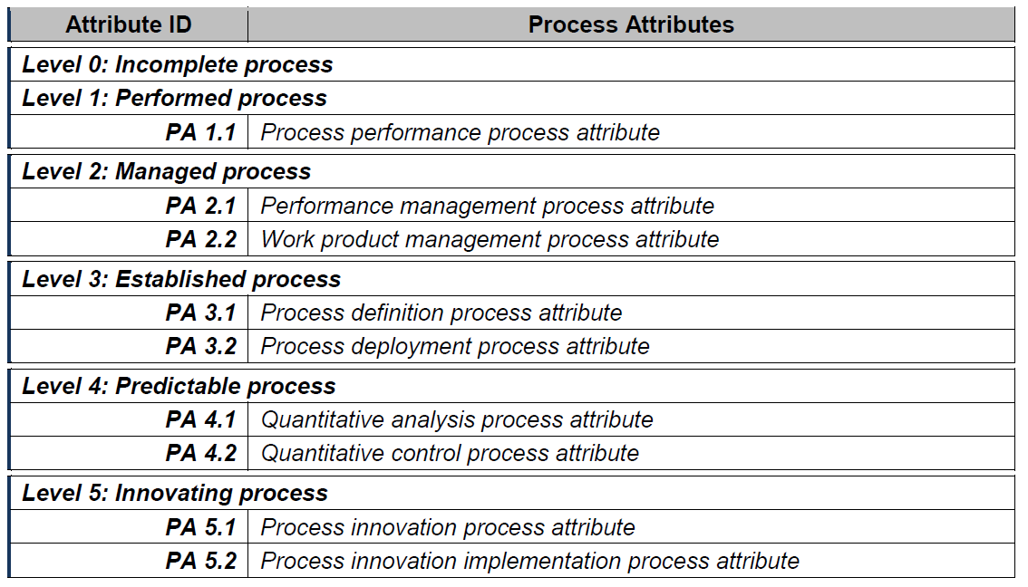

RATING SCALE

Within this process measurement framework, a process attribute is a measureable property of process capability. A process attribute rating is a judgement of the degree of achievement of the process attribute for the assessed process.
The rating scale is defined by ISO/IEC 33020 as shown in table below:

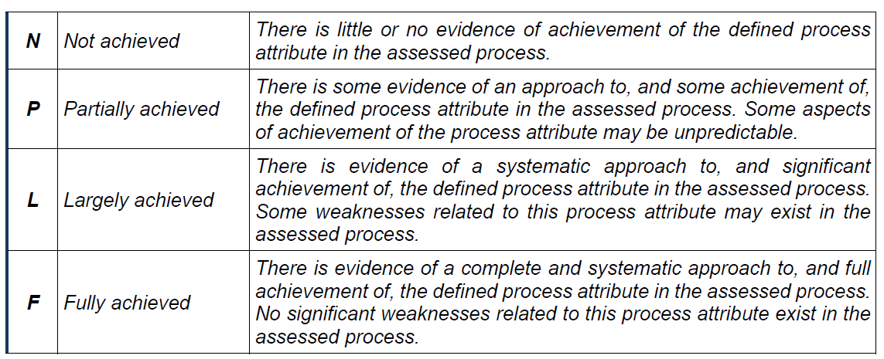

The ordinal scale defined above shall be understood in terms of percentage achievement of a process attribute.

The corresponding percentages shall be:

