Sheet1
PRINCE GREEN WOODS APARTMENTS |  |  |  | 3rd Generation
 |  |  |  | Itai Gerbi
 |  |  |  | 1915 - 1972
Ancestral family tree up to three generations |  |  | 2nd Generation
 |  |  | Alain Lacombe | 3rd Generation
 |  |  | 1937 - 1986 | Neha Benjaree
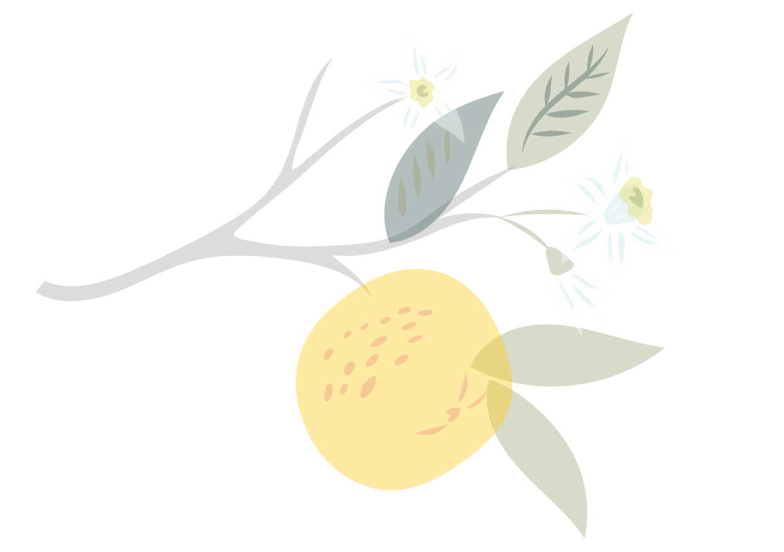
 |  |  |  | 1917 - 1979

 |  | 1st Generation |  | 3rd Generation
 |  | Tomas Richardson | 2nd Generation | Azamat Adern
 |  | 1959 - 2021 | Kertu Aare | 1917 - 1982
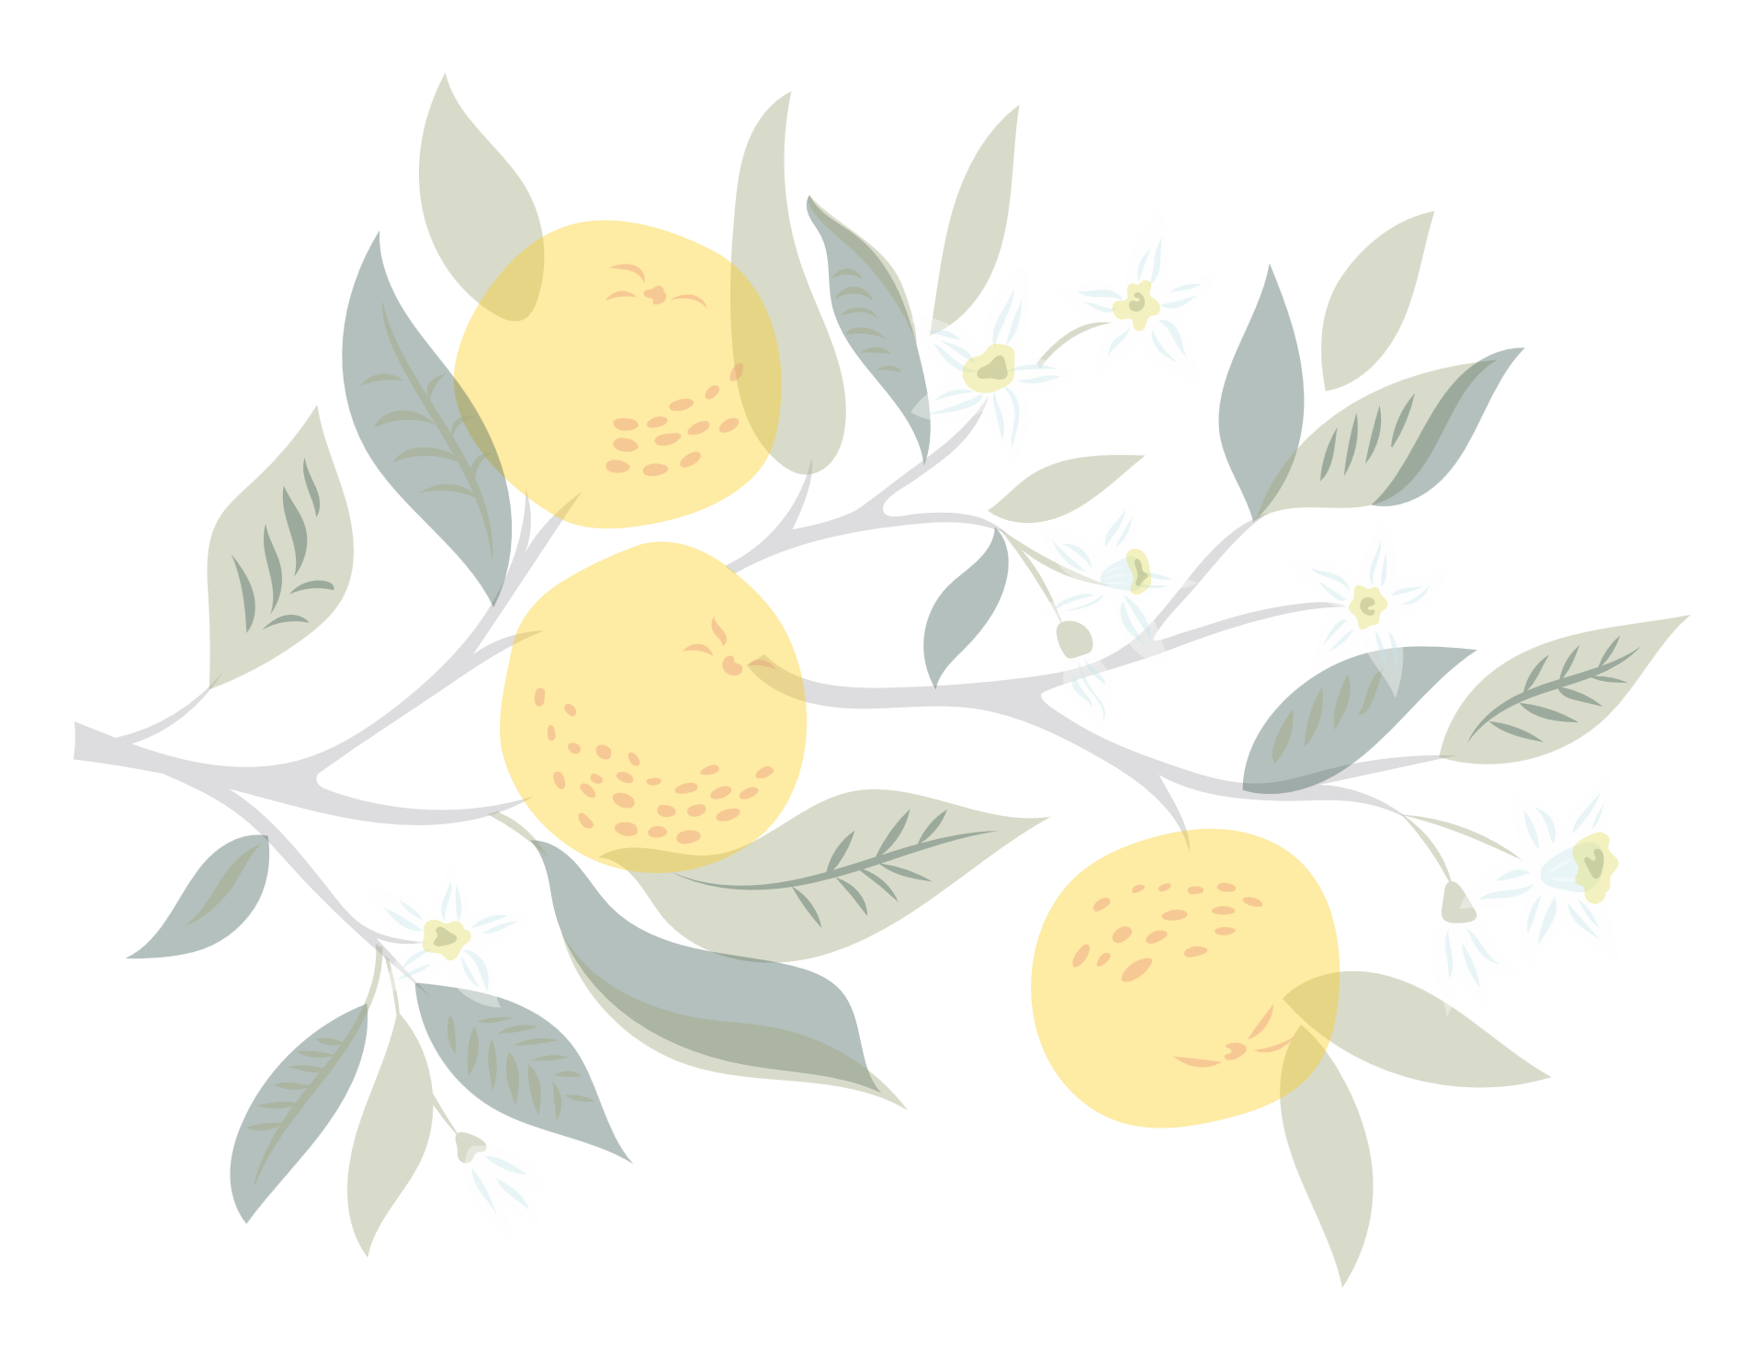
 |  |  | 1938 - 1997
 |  |  |  | 3rd Generation
 |  |  |  | Helbe Sokk
 | Current Generation |  |  | 1920 - 1975
 | Ryan Hall
 | 1986 - Present |  |  | 3rd Generation
 |  |  |  | Hank Kolowsky
 |  |  |  | 1905 - 1963
 |  |  | 2nd Generation
 |  | 1st Generation | Henry Ross | 3rd Generation

 |  | April Hansson | 1925 - 1984 | Asabella Noah
 |  | 1995 - Present |  | 1909 - 1969

 |  |  |  | 3rd Generation
 |  |  | 2nd Generation | Jacob Handcock
 |  |  | Marjorie Jewel | 1907 - 1970
 |  |  | 1926 - 1999
 |  |  |  | 3rd Generation
 |  |  |  | Brita Tamm
 |  |  |  | 1910 - 1950

