snowflake
Warehouse creation for Standard edition:
Name, Size, Auto suspend options

Warehouse creation for Enterprise edition:
Name, Size, Multi cluster(Min and Max cluster), Scaling policy, Auto suspend

select current_region(), current_role()

Multi Facor Authentication (MFA) can be enabled in Preferences
MFA can be enabled from user account and not from Sysadmin/accountAdmin
At the account level, MFA is automatically enabled for an account and available for all users to self-enroll.

Virtual warehouse is a cluster of compute resources that executes database queries and commands.

Snowflake Account creation:
first name, last name, email, title, company, country
choose edition:
Standard (strong balance between features, level of support)
Enterprise (Standard plus 90 days time travel, multi-cluster warehouses, search optimization and materialized views)
Business critical (Enterprise plus enhanced security, data protection and database failover/fallback)
Cloud provider:
GCP, AWS, Azure
Select Region
Phone number
Once above steps done click on Submit
U will receive mail and click on Activate button link
Set Username and password

Storage charges: | Data + Time travel + Fail safe |  |  | Flat rate per terabyte

Clustering, Pipe, some tasks are Serverless

Cloud provider only charges data transfer fees when u take data out of the region where it is stored.
Fail safe | Recovery from a catastrophic incident like storage failure, corruption or security breach
Serverless Features | Snowpipe, Background table maintenance and Database replication
Cloud Services | Authentication and Authorization, Infrastructure mangement, Query parsing and optimization
Cloud services are only charged if they exceed 10% of your daily compute consumption

Snowflake Credit | measure to pay for Compute resources |  |  |  | Account edition, Region
Executing DDL does not always require an active Virtual Warehouse.
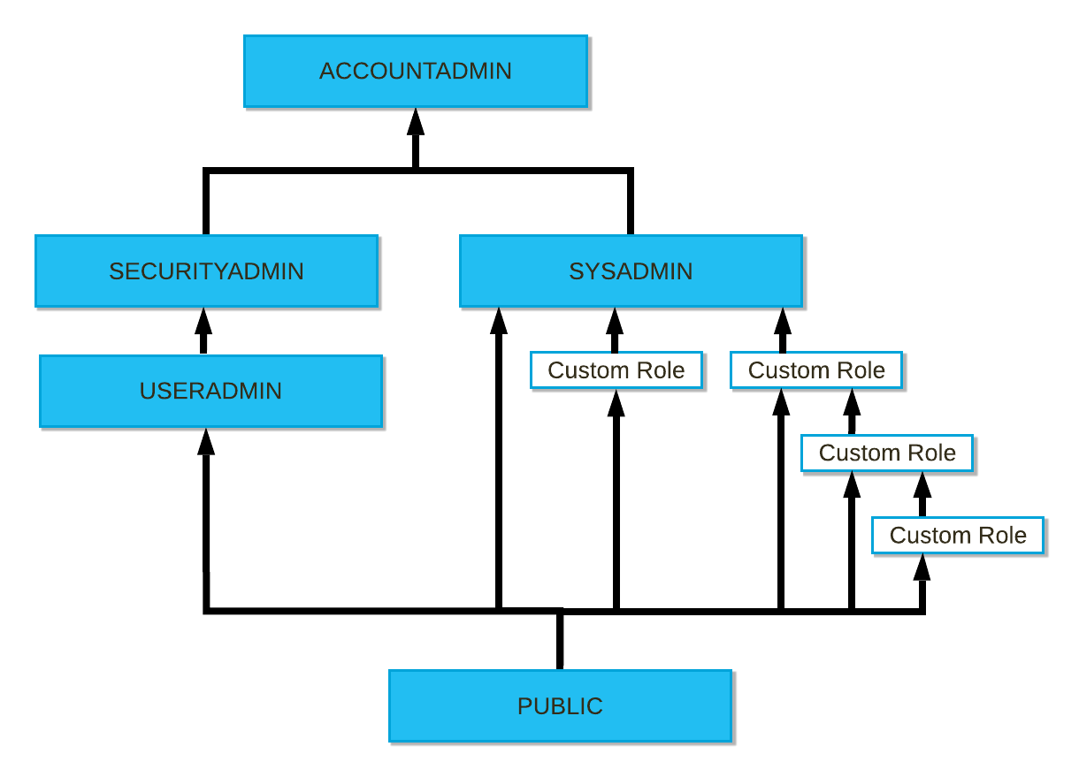
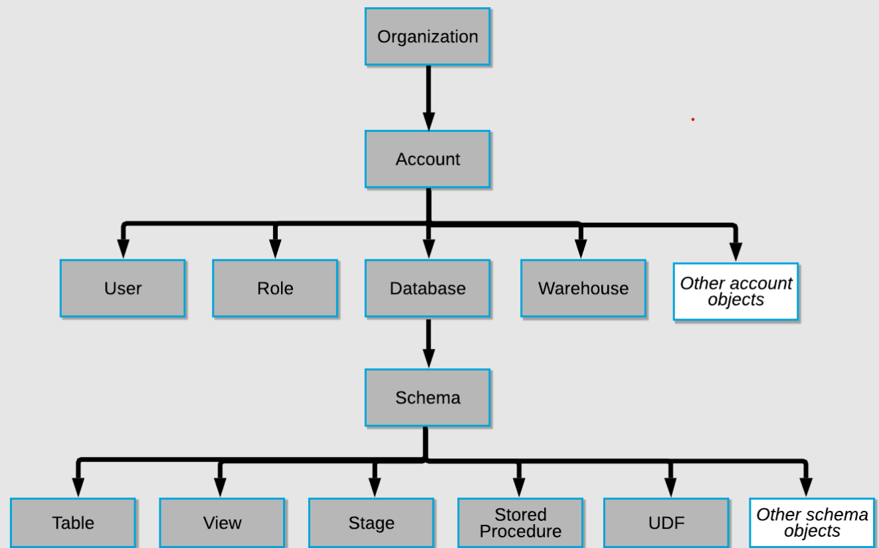

CREATION OF WAREHOUSE
CREATE [ OR REPLACE ] WAREHOUSE [ IF NOT EXISTS ] <name>
[ [ WITH ] objectProperties ]
[ objectParams ]

objectProperties ::=
WAREHOUSE_SIZE = XSMALL | SMALL | MEDIUM | LARGE | XLARGE | XXLARGE | XXXLARGE | X4LARGE | X5LARGE | X6LARGE
MAX_CLUSTER_COUNT = <num>
MIN_CLUSTER_COUNT = <num>
SCALING_POLICY = STANDARD | ECONOMY |  |  |  |  | STANDARD | Minimizes queuing by starting clusters. (Favors starting additional warehouses)
AUTO_SUSPEND = <num> | NULL |  |  |  |  | ECONOMY | Conserves credits by favoring keeping running clusters fully-loaded. (Favors conserving credits rather than starting additional warehouses)
AUTO_RESUME = TRUE | FALSE
INITIALLY_SUSPENDED = TRUE | FALSE
RESOURCE_MONITOR = <monitor_name>
COMMENT = '<string_literal>'
ENABLE_QUERY_ACCELERATION = TRUE | FALSE
QUERY_ACCELERATION_MAX_SCALE_FACTOR = <num>
AUTO_SUSPEND=0 means the Virtual warehouse will NEVER suspend |  |  |  |  | If you want a fast suspension use AUTO_SUSPEND=1 or lower number

EXAMPLE OF WAREHOUSE
CREATE WAREHOUSE EXERCISE_WH WITH
WAREHOUSE_SIZE = XSMALL
AUTO_SUSPEND = 600 -- automatically suspend the virtual warehouse after 10 minutes of not being used
AUTO_RESUME = TRUE
COMMENT = 'This is a virtual warehouse of size X-SMALL that can be used to process queries.';

DROP WAREHOUSE EXERCISE_WH;

COPY COMMAND WITH ON_ERROR PARAMETER
ON_ERROR = { CONTINUE | SKIP_FILE | SKIP_FILE_<num> | 'SKIP_FILE_<num>%' | ABORT_STATEMENT }

Whenever you create File Format object, bydefault property_value/property_default = 'CSV' and field_delimiter = ','

COPY COMMAND WITH VALIDATION_MODE PARAMETER |  |  |  |  | Validate the data instead of loading them
VALIDATION_MODE = RETURN_<n>_ROWS | RETURN_ERRORS | RETURN_ALL_ERRORS

COPY COMMAND PARAMETERS: |  | FOPRSTV
FORCE
ON_ERROR
PURGE
RETURN_FAILED_ONLY
SIZE_LIMIT
TRUNCATECOLUMNS
VALIDATION_MODE

LOAD HISTORY:
<database_name>.information_schema.load_history |  |  |  | Query load history within a database
<database>.account_usage.load_history |  |  |  | Query load history globally from <databse_name> database

PERFORMANCE ASPETS:
Dedicated Virtual warehouses | Separated according to different workloads
Scaling Up | Increasing size of Virtual warehouse. For known of high workloads |  |  |  |  |  |  | Increased query complexity NOT more users
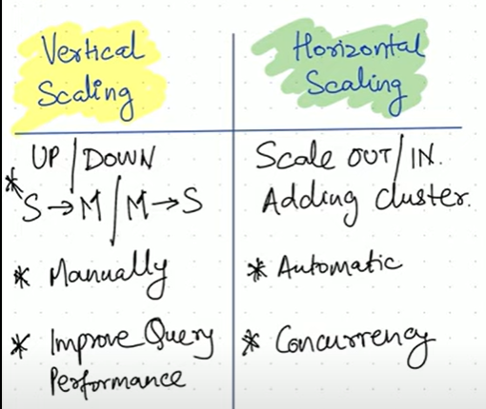
Scaling Out | Dyamicall adding multi clusters. Dynamically for unknown patterns of workload
Maximize Cache usage | Automatic caching can be maximized
Cluster keys | for large tables

DEDICATED VIRTUAL WAREHOUSE CREATION:
1. CREATE VIRTUAL WAREHOUSE
// Data Scientists
CREATE WAREHOUSE DS_WH
WITH WAREHOUSE_SIZE = 'SMALL'
WAREHOUSE_TYPE = 'STANDARD'
AUTO_SUSPEND = 300
AUTO_RESUME = TRUE
MIN_CLUSTER_COUNT = 1
MAX_CLUSTER_COUNT = 1
SCALING_POLICY = 'STANDARD';

2. USE ACCOUNTADMIN ROLE AND CREATE ROLE
CREATE ROLE DATA_SCIENTIST;
GRANT USAGE ON WAREHOUSE DS_WH TO ROLE DATA_SCIENTIST;

3. SET UP USERS WITH ROLES
// Data Scientists
CREATE USER DS1 PASSWORD = 'DS1' LOGIN_NAME = 'DS1' DEFAULT_ROLE='DATA_SCIENTIST' DEFAULT_WAREHOUSE = 'DS_WH' MUST_CHANGE_PASSWORD = FALSE;
CREATE USER DS2 PASSWORD = 'DS2' LOGIN_NAME = 'DS2' DEFAULT_ROLE='DATA_SCIENTIST' DEFAULT_WAREHOUSE = 'DS_WH' MUST_CHANGE_PASSWORD = FALSE;
CREATE USER DS3 PASSWORD = 'DS3' LOGIN_NAME = 'DS3' DEFAULT_ROLE='DATA_SCIENTIST' DEFAULT_WAREHOUSE = 'DS_WH' MUST_CHANGE_PASSWORD = FALSE;

GRANT ROLE DATA_SCIENTIST TO USER DS1;
GRANT ROLE DATA_SCIENTIST TO USER DS2;
GRANT ROLE DATA_SCIENTIST TO USER DS3;

SNOWPIPE
STEPS:
CREATE STAGE
COPY COMMAND
CREATE PIPE
CREATE S3 NOTIFICATION

STAGE SYNTAX:
CREATE OR REPLACE STAGE <stage_name>
URL = <url_name>
STORAGE_INTEGRATION = s3_int
FILE_FORMAT = <file_format_name>

PIPE SYNTAX:
CREATE OR REPLACE PIPE <pipe_nmae>
AUTO_INGEST = TRUE
AS
COPY INTO <table_name>
FROM <stage_name>

DESC PIPE <pipe_name> | In desc pipe, copy the notification data

IN AWS S3 BUCKET STEPS:
Properties tab -> In Event notification section create new notification

General configuration Section
Event name : | Snowflake notification
Prefix - optional | example : csv/snowpipe

Event types Section:
Select : All object create events

Destination Section:
Select : SQS Queue
Select : Enter SQS Queue ARN |  | Paste the notification data from Pipe desc

To check pipe notification status:
ALTER PIPE <pipe_name> REFRESH

Validate pipe is actually working:
SELECT SYSTEM$PIPE_STATUS('<pipe_name>')

TO SEE PIPE ERROR MESSAGE USNG COPY HISTORY:
SELECT * FROM TABLE(INFORMATION_SCHEMA.COPY_HISTORY(
TABLE_NAME = > '<table_name>',
START_TIME => DATEADD(HOUR, -2, CURRENT_TIMESTAMP())))

Before Altering Pipe, Snowflake recomends to PAUSE the Pipe
ALTER PIPE <pipe_name> SET PIPE_EXECUTION_PAUSED = TRUE
We cannot ALTER THE EXISTING PIPE, WE WILL NEED TO CREATE OR REPLACE PIPE |  |  |  |  |  | EVEN AFTER RECREATING THE PIPE, YOU WILL SEE THE FILES UNDERLYING THE PIPE BECOZ SNOWFLAKE CONTAINS METADATA OF THE PIPES
ALTER PIPE <pipe_name> REFRESH
IF WE RECREATE THE PIPE BY CHANGING THE TARGET TABLE, THEN THE NEW TARGET TABLE WILL BE EMPTY. SO WE WILL NEED TO EXECUTE THE COPY COMMAND MANUALLY WHICH IS EXISTING IN PIPE OBJECT
FINALLY RESUME THE PIPE: | ALTER PIPE <pipe_name> SET PIPE_EXECUTION_PAUSED = FALSE

TIME TRAVEL:
AT (OFFSET => -60*3) | before 3 mins
BEFORE (TIMESTAMP => '2022-09-22 01:00:00'::TIMESTAMP)
DONT RECREATE EXISTING TABLE TO TIME TRAVEL THE DATA, BECOZ THE METADATA WILL BE LOST FOR PREVIOUS DML OPERATIONS. INSTEAD CREATE NEW TABLE WITH TIME TRAVEL DATA OF EXISTING TABLE, TRUNCATE THE EXISTING TABLE AND INSERT THE NEW TABLE DATA INTO EXISTING TABLE

CHANGING RETENTION PERIOD OF TABLE:
BYDEFAULT = 1
YOU CAN CHECK RETENTION PERIOD OF TABLE : |  |  | SHOW TABLES LIKE '%ABC%'
SYNTAX:
ALTER TABLE <table_name>
SET DATA_RETENTION_TIME_IN_DAYS = 5
WHILE CREATING TABLE ALSO YOU CAN SET RETENTION PERIOD: |  |  |  |  | DATA_RETENTION_TIME_IN_DAYS = 5
YOU CAN UNDROP TABLE WITHIN RETENTION PERIOD, BECOZ UNDROPPING TABLE IN BACKEND DEPENDS ON TIME TRAVEL

STORAGE USAGE QUERY, TO CHECK COST:
SNOWFLAKE.ACCOUNT_USAGE.STORAGE_USAGE |  |  |  | DAYWISE USAGE WILL SHOW
SNOWFLAKE.ACCOUNT_USAGE.TABLE_STORAGE_METRICS |  |  |  | TABLE LEVEL USAGE WILL SHOW

TEMPORARY OBJECTS ARE NOT CLONED IN SNOWFLAKE
PERMANENT TABLE CAN BE CLONED TO TEMPORARY TABLE
SYNTAX:
CREATE TEMPORARY TABLE <table_name>
CLONE <permanent_table_name>

CLONING WITH TIME TRAVEL SYNTAX:
CREATE OR REPLACE TABLE <table_name>
CLONE <source_table_name> AT (OFFSET => 60*5)

For databases, schemas, and tables, a clone does not contribute to the overall data storage for the object until operations are performed on the clone that modify existing data or add new data.
READER ACCOUNT
CLOUD LAYER
ONLY 1 DATABASE WILL BE ALLOCATED PER SHARE

WAREHOUSE LAYER
PROVIDER ACCOUNT
CLOUD LAYER
SHARES:
THE READER ACCOUNT HAS TO SELECT THE ACCOUNTADMIN ROLE TO ACCESS THE SHARE OBJECT
IF BUSINESS CRITICAL ACCOUNT IS THERE THEN WE NEED TO USE SHARE_RESTRICTIONS = FALSE
STORAGE LAYER
EXAMPLE : ALTER SHARE <share_name>
ADD ACCOUNT = ABCD
WAREHOUSE LAYER
SHARE_RESTRICTIONS = FALSE
SOWFLAKE CONSUMER ACCOUNT
CLOUD LAYER
READER ACCOUNT IS CREATED USING MANAGED ACCOUNT keyword
STORAGE LAYER
USE ACCOUNTADMIN ROLE IN READER ACCOUNT, TO CREATE DATABASE, WAREHOUSE, ROLE, USERS AND GRANT PRIVILEGES
WAREHOUSE LAYER
STORAGE LAYER
DATA SAMPLING:
ROW OR BERNOULLI METHOD |  | BLOCK OR SYSTEM METHOD
Every Row chosen with % |  | Every block/micro-partition chosen with %
Smaller tables |  | Larger tables

TASK CREATION: |  |  | CRON FORMAT: |  | USING CRON MINUTE(0-59) HOUR(0-23) DAY OF MONTH(1-31, or L) MONTH(JAN-DEC, 1-12) DAY OF WEEK(0-6, SUN-SAT, or L) TIME_ZONE
CREATE OR REPLACE TASK <task_name> |  |  |  |  | L indicates Last day of month/week
WAREHOUSE = 'SMALL'
SCHEDULE = 'USING CRON 0 7-10 * * FRI-SUN UTC' |  |  |  | This task will execute from Friday to Sunday, from 7 am to 10 am (7,8,9,10 am)
SCHEDULE = 'USING CRON 0 7,10 * * SUN UTC' |  |  |  | This task will execute every Sunday, at 7 am and 10 am (7,10 am)
SCHEDULE = 'USING CRON 0 7,10 * * 5L UTC' |  |  |  | This task will execute last Friday of every month, at 7 am and 10 am (7,10 am)
AS
INSERT INTO TABLE…...

ONE CHILD TASK CAN HAVE ONLY ONE PARENT TASK
UPTO 100 CHILD TASKS FOR ONE PARENT TASK AND TREE TASKS CAN EXTEND TILL 1000 TASKS

WHENEVER CREATING CHILD TASK, ALWAYS SUSPEND PARENT TASK

STREAMS:
Object that recods (DML) changes made to a table. This process is called Change Data Capture (CDC)
STREAM OBJECT WILL HAVE SAME STRUCTURE OF TABLE, WITH ADDITIONAL 3 COLUMNS
METADATA$ACTION
METADATA$UPDATE
METADATA$ROW_ID
STREAM OBJECT WILL NOT STORE TABLE, RATHER IT WILL REFER THE TABLE DATA AND WILL ADD 3 ABOVE COLUMNS IN IT. SO, NO ADDITIONAL COST WILL NEED TO PAY FOR TABLE COLUMNS. ONLT NEED TO PAY STORAGE FOR 3 ADDITIONAL COLUMNS
ONCE THE DATA FROM STREAM IS INSERTED INTO TARGET TABLE , THEN DATA FROM STREAM OBJECT GETS REMOVED AUTOMATICALLY

CACHES:
TYPES OF CACHES IN SNOWFLAKE
METADATA CACHE | Used for queries which can be fulfilled directly from metadata. Example : Row count of a table |  |  |  |  |  |  |  |  |  | Available in Cloud Service layer
QUERY RESULT CACHE | Used for queries that have been executed already and the results can be accessed by a queryID
WAREHOUSE/DATA/REMOTE/SSD CACHE | Within the Virtual warehouse instance and is usually based on queries that have already executed |  |  |  |  |  |  |  |  |  | Available in Computing layer

MATERIALIZED VIEWS
For MV there is different section for Costing apart from Storage and Computing cost |  |  |  |  |  | MATERIALIZED_VIEW_MAINTENANCE

DATA MASKING
to mask the particular column data | Column level security
keyword used -> MASKING POLICY
Once we create the masking policy and apply/set to the columns then we can not able to drop the policy, also we can not able to recreate the policy
To drop the policy we will need to Unset the policy for the columns on which it is applied
ALETR TABLE IF EXISTS <table_name> MODIFY COLUMN <col_name>
UNSET MASKING POLICY

ACCESS CONTROL
Discretionary Access Control (DAC) | Role Based Access Control (RBAC)
Each object has an owner who can grant access to that object | Access privileges are assigned to role, which in turn assigned to Users

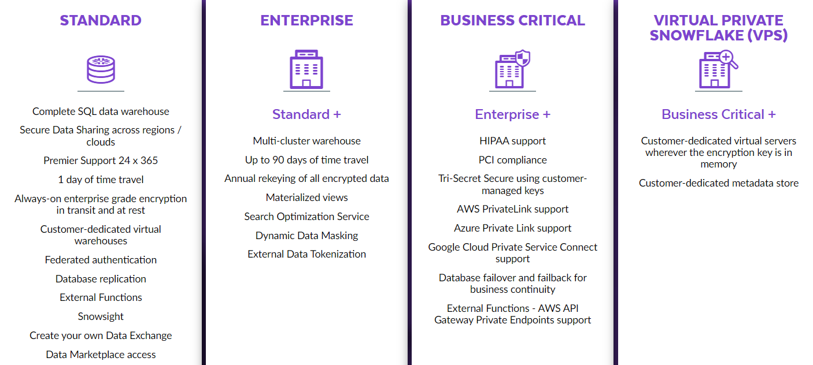

CLOUD PLATFORM REGIONS
AWS | 17
Azure | 7
GCP | 4

When u create 1st user, there will be 6 roles available:
ACCOUNTADMIN, SYSADMIN, SECURITYADMIN, PUBLIC, USERADMIN, ORGADMIN

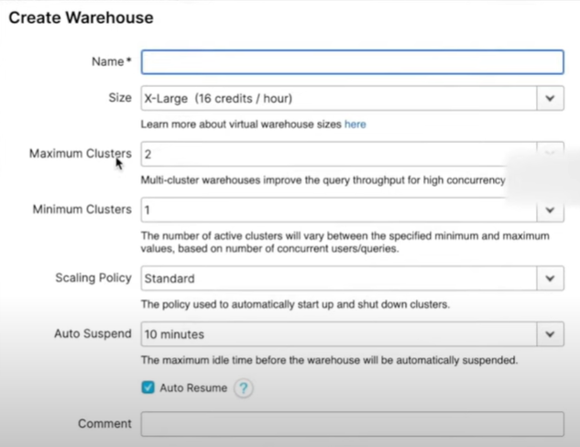
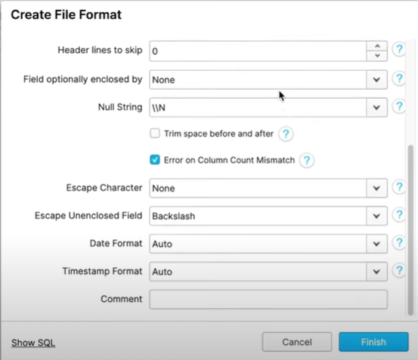

ACCOUNT and Notification tabs | ACCOUNTADMIN role
Account tab | ACCOUNTADMIN and SECURITYADMIN roles

RELEASES
PATCH RELEASE | FULL RELEASE | BEHAVIOUR CHANGES RELEASE
Only fixes | New features
 | Features enhancement
 | Fixes
 | Behavioural changes
all accounts are moved on the same day | Staged approach
FULL RELAEASE STAGES
STAGE-1 | Early access | Enterprise and above
STAGE-2 | Regular Access | Standard
STAGE-3
STAGE-4

PIPES, EXTERNAL TABLE, INTERNAL NAMED STAGES, USER STAGE CANNOT BE CLONED

ROLE | OBJECTS
Ownership | Pipe, Stream, Task, Stored Procedure
Usage | Sequence, File format, Database, Schema, Stored Procedure
Select | Table

When Database/schema is cloned then Pipes with internal named stages are not cloned

RESOURCE MONITOR
Resourse monitor Schedules option | Daily, Weekly, Monthly, Yearly and Never

SEARCH OPTIMIZATION
Serach optimization consumes both Storage cost and Compute cost
Search optimization does not support External tables and Materialzed views
SUPPORTED DATA TYPES
Fixed-point numbers (e.g. INTEGER, NUMERIC).
DATE, TIME, and TIMESTAMP.
VARCHAR.
BINARY.
VARIANT, OBJECT, and ARRAY.
GEOGRAPHY.

EXPLAIN sql command | 10 columns | STEP | ID | PARENT | OPERATION | OBJECTS | ALIAS | EXPRESSIONS | PARTITIONSTOTAL | PARTITIONSASSIGNED | BYTESASSIGNED
Even though the EXPLAIN command (metadata operation) doesn’t use the Virtual warehouse, but the underlying SELECT statement consumes the Cloud service credits

SNOWSIGHT Interface

Temporary Tables, External Tables, Stages, Temporary Stages, Pipes, Streams, and Tasks do not get replicated.

File loading sizes | Files paralley load
XS | 8
S | 16
M | 32
L | 64
and so on | and so on

Any kind of Cache does not incur any storage cost

STAGE_LOATION + RELATIVE_PATH = ABSOLUTE_PATH
File function works only with Named stage

DIRECTORY TABLE
Directory table and File Functions supports only named Internal and External stages
6 columns in Directory table | RELATIVE PATH | SIZE | LAST_MODIFIED | MD5 | ETAG | FILE_URL |  |  | REFLMS

