Home Page
Expense Tracker |  |  | Profile

View Expense
 | February | 2023
Add Expense | 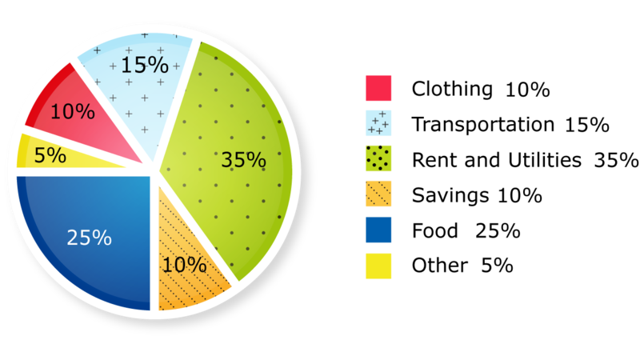

Monthly Trends

Category Pie Charts

Category-Tags Maps

Payment Reminders

