Home Page
Logo |  | Expense Tracker | Profile

View Expense
 | February v | 2023 v
Add Expense | 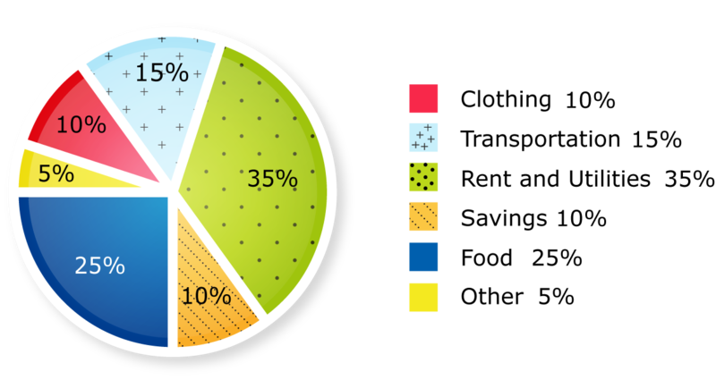

Monthly Trends

Payment Reminders

Category-Tags Maps

