Sheet1
Motor
UltraSound
IR Sensor
ATMEGA 32
 | 1 | 40
 | 2 | 39
 | 3 | 38
 | 4 | 37
 | 5 | 36
 | 6 | 35
 | 7 | 34
 | 8 | 33
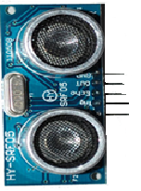
 | 9 | 32
L 293D
 | 10 | 31
 | 11 | 30 |  | 12V
 | 12 | 29 | IN1 | VSS
 | 13 | 28 | IN2 | M11
 | 14 | 27 | IN3
 | 15 | 26 | IN4 | M12
 | 16 | 25 | EN1 | M21
 | 17 | 24 | EN2
 | 18 | 23 |  | M22
 | 19 | 22 | GND
IR Sensor
 | 20 | 21

