Discovery Max V2 (1)
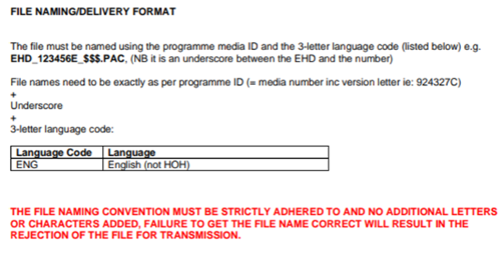
QUICK SHEET: DISCOVERY MAX | Template
Document Properties | • Venue: Broadcast • Client: Discovery • Spotter ID at Comment Field • Fps: PAL • Target Language: Follow the target language in WO.
Cue Setup | • Minimum Interval: 0.02 • Minimum Duration: 1.08 • Maximum Duration: 7.00
Subtitle Validation | • Max Characters per line: 37 • Max Number of lines: 2
Spotting Style | Unified Template
Text Style | Unified Template
Dialogue Format: | For two-speaker titles: begin each line with a hyphen without space.
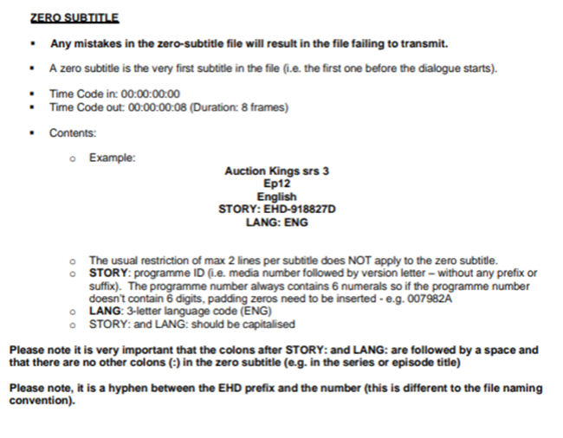
Reading Speed: | Target reading speed is 15 cps. Yellow subtitles are allowed. Maximum CPS has now been increased to 21CPS. Please note the recommended reading speed is still 15 CPS and we should try to avoid going over 18/19CPS as much as possible. 21 CPS is the absolute maximum reading speed that will be marked in red and cannot be crossed. 5 subs max red reading speed per file.
Cueing Guidelines: | Summary: Timed on speech. However, if speech comes on within up to 10-12 frames after a shot change then bring on with the shot. Same for speech finishing within 10-15 frames before a shot – take up to shot change. Shot changes & reading speed should take secondary place if language style requires more space/time – language style requirements should always take priority.
Punctuation: | Please use grammatically correct punctuation. Please use double hyphens "--" for interrupted sentences, ellipses "..." for trail offs and justifiably long pauses; avoid double punctuation marks "!?", "!!", etc. Always use quotation marks " " instead of apostrophes ' '. Additional usage for quotation mark: USE quotation marks for the below o Song titles o Poem titles o Chapter titles o Episode titles o Newspapers columns o Classical compositions (e.g. Beethoven’s “Symphony No. 8 in F” is beautiful.) Avoid excessive use of ellipses.
Main Title or Episode Title | Do not translate unless a local title has been provided to you.
Burn-in captions/narrative titles | ONSCREEN TEXT treatment as per UT protocol. - Use standard tags. Burn-ins (@^) and burn-in translations for foreign dialogue (@i) should always be subtitled. @n, @^, and @i subtitles must meet client specific minimum duration requirements. Subtitles for narratives (@n) and burn-ins (@^), should be written in ALL CAPS except for: - Written passages should mimic on-screen capitalization. (e.g., excerpts from books, magazines or newspapers, handwritten notes, social media messages, text messages, etc.) For long segments of narrative (@n) and burn-in (@^) text written in all caps in the media, the subtitles may use sentence case to improve readability. (e.g., long written passages used as prologue or epilogue) Write subtitles for burn-in translations for foreign dialogue (@i) in sentence case.
Numbers | 1-10 - in words: one, two, three GUIDE DISCOVERY SDH STYLE 8 ▪ Above 10 - numerically: 11, 12, 13 ▪ This rule may be broken for editing purposes. ▪ Use a comma as a separator for any numbers above 4 digits: 4,209 ▪ Do not use compound words containing numbers that can be written in words (for example: “second” instead of “2nd”), for numbers between one and ten ▪ Numbers in combination with measurements should be written numerically, no space before the unit of measurement: He weighs 68kg. The museum is 12km away. 90% 17°C ▪ Use a dot rather than a comma to mark the decimal point, in all instances. 2.50 dollars 2.5kg 5.7cm 50,000 432,473 EXCEPT if it’s part of an address, e.g. 6311 Madison Avenue. or when you mention a year: 1998, 2024 ▪ Fractions: Do not use the ‘½’ symbol. Instead, subtitle as either: 0.5 or 1/2 .
Reposition rule | Bottom of screen. ▪ Centre-positioned and Centre-justified ▪ Raise subtitle just above on-screen text.
Song: | All songs should be italicised. ▪ Upper case letter at the beginning of a line: When the moon ▪ No punctuation at the end of a line (except for question and exclamation marks): This is the dawning of the Age of Aquarius
Italics: | ▪ Titles of books, newspapers, films, music albums, video games, artwork, etc ▪ Foreign words that are not commonly used in English (see Foreign Words section) ▪ Latin and Greek scientific names (Homo sapiens) ▪ Song lyrics ▪ Dialogue coming from an electronic source: Radio, TV, phone, tannoy, intercom… ▪ Voices in a character’s head ▪ Voice-over narration from unseen narrator DO NOT use italics if the programme is 100% unseen narration (for example: documentaries), as it might be distracting to the viewer ▪ DO NOT USE italics for off-screen speakers unless it is a narrator. ▪ If the narrator starts speaking off-screen and is suddenly shown on-screen: only italicize when the narrator is unseen. If a subtitle crosses over a scene and the narrator is visible, do not italicize. ▪ Use reverse italics when a term specifically italicized is mentioned in already italicized dialogue. o (narration) Previously on The Simpsons o (over TV) We are now speaking with Margaret Atwood, author of the best-selling book The Handmaid’s Tale ▪ DO NOT ITALISIZE place names, food, brands or band names
-+ | ▪ Don’t use dots. BBC, FBI, CIA
Spelling out names: | Use capital letters and a hyphen between each letter: -Jenny, J-E-N-N-Y.
Swearing, Beeped or Muted Dialogue: | ▪ If the profanity is bleeped, subtitle using asterisks. (****) ▪ Use the same number of asterisks as letters contained in the beeped word (if the word can be determined) Drop the ******* knife. ▪ Subtitled muted profanities using an ellipsis with no space (…) Drop the…knif
Time: | ▪ Follow normal numeral rules: See you at eight BUT See you at 8:15 ▪ Don’t spell out “o’clock” unless it is spoken or referring to a direction. Eight o’clock, right? Enemy spotted at 3 o’clock. ▪ When using military time, no colons I will be there at 1600 hours.
Abbreviations/Contractions: | ▪ Only use common abbreviations and use them sparingly. It’s easier to read “He drinks 11 litres of water” than “He drinks 11l of water”. ▪ You can use currency symbols ($, £, €) but only include them when the currency word is spoken. ▪ Do not start a sentence with a currency symbol, in that case spell it out (for example: 100 dollars instead of $100) ▪ Commonly used contractions are acceptable, but don’t overuse them – especially not as means of editing down as it changes the style of a character’s speech
End credits | The Iyuno Credit should be inserted at the start of the end credit: Subtitling by Iyuno TO BE ADDED AT THE START OF THE CREDITS ROLL Duration : 2 to 4 secs. ▪ It should be followed by an empty caption of 2 seconds. ▪ Ensure the Iyuno Credit is consistent throughout a series (i.e. it should always be timed the same way).

Discovery_Scripps Network Inc (
QUICK SHEET: Discovery | ENG SUB Discovery Channel (DC) DC-Animal Planet DC-Kids DC-Kids HD DC-Animal Planet HD DC HD SNI (Scripps Network Inc) Scripps Network Travel Channel HGTV Food Network AFC (Asian Food Channel) | DC- DUAL-LANGUAGE CM Phase 1 | DC -CM356 | Discovery SD burn-in | Discovery HD burn-in
Document Properties | • Venue: Broadcast • Client: Follow the XML • Spotter ID at Comment Field • Fps: PAL • Target Language: Follow the target language in WO. | • Venue: Broadcast • Client: Discovery Project CM • Spotter ID at Comment Field • Fps: PAL • Target Language: English (UK) | • Venue: Broadcast • Client: Discovery Project CM 356 • Spotter ID at Comment Field • Fps: PAL • Target Language: Follow the target language in WO. | • Venue: DVD • Client: Discovery (Burn-in) • Spotter ID at Comment Field • Fps: PAL • Authoring house/system: SD burn-in (Sonic Scenarist DVD) • Aspect ratio: 1:33 • Screen format: 4x3 • Target Language: Follow the target language in WO. | • Venue: DVD • Client: Discovery (Burn-in) • Spotter ID at Comment Field • Fps: PAL • Authoring house/system: HD burn-in (Sonic Scenarist DVD) • Aspect ratio: 1:78 • Screen format: 16x9 • Target Language: Follow the target language in WO.
Cue Setup | • Minimum Interval: 0.02 • Minimum Duration: 0.12 • Maximum Duration: 6.00 | • Minimum Interval: 0.02 • Minimum Duration: 0.12 • Maximum Duration: 6.00 | • Minimum Interval: 0.02 • Minimum Duration: 0.12 • Maximum Duration: 6.00 | • Minimum Interval: 0.02 • Minimum Duration: 0.12 • Maximum Duration: 6.00 | • Minimum Interval: 0.02 • Minimum Duration: 0.12 • Maximum Duration: 6.00
Subtitle Validation | • Max Characters per line: 36 • Max Number of lines: 2 | • Max Characters per line: 60 • Max Number of lines: 1 | • Max Characters per line: 45 • Max Number of lines: 1 | • Max Characters per line: 36 • Max Number of lines: 12 | • Max Characters per line: 36 • Max Number of lines: 12
Spotting style | • No need to respect shot/scene changes at cue-in and cue-out. • No reading speed needed. No need to chain intervals of less than 1 second. • Subtitles should be timed to the audio or, if necessary, within 3 frames of the audio. • 3 frames header, 5 frames tail | • No need to respect shot/scene changes at cue-in and cue-out. • No reading speed needed. No need to chain intervals of less than 1 second. • Subtitles should be timed to the audio or, if necessary, within 3 frames of the audio. • 3 frames header, 5 frames tail | • No need to respect shot/scene changes at cue-in and cue-out. • No reading speed needed. No need to chain intervals of less than 1 second. • Subtitles should be timed to the audio or, if necessary, within 3 frames of the audio. • 3 frames header, 5 frames tail | • No need to respect shot/scene changes at cue-in and cue-out. • No reading speed needed. No need to chain intervals of less than 1 second. • Subtitles should be timed to the audio or, if necessary, within 3 frames of the audio. • 3 frames header, 5 frames tail | • No need to respect shot/scene changes at cue-in and cue-out. • No reading speed needed. No need to chain intervals of less than 1 second. • Subtitles should be timed to the audio or, if necessary, within 3 frames of the audio. • 3 frames header, 5 frames tail
Text Style | Client-specifics | Client-specifics | Client-specifics | Client-specifics | Client-specifics
Dialogue Format: | For two-speaker titles: begin each line with a hyphen without space. For the audio that has a bleep sound, please indicate those with *bleep*, if it starts a sentence title as such: *Bleep* | Single line only. For two-speaker titles, one space in between. No space after the hyphen. e.g. -Come on. -Let's do this. For the audio that has a bleep sound, please indicate those with *bleep*, if it starts a sentence title as such: *Bleep.* | For two-speaker titles: begin each line with a hyphen without space. For the audio that has a bleep sound, please indicate those with *bleep*, if it starts a sentence title as such: *Bleep.* | For two-speaker titles: begin each line with a hyphen without space. For the audio that has a bleep sound, please indicate those with *bleep*, if it starts a sentence title as such: *Bleep* | For two-speaker titles: begin each line with a hyphen without space. For the audio that has a bleep sound, please indicate those with *bleep*, if it starts a sentence title as such: *Bleep*
Punctuation: | Please use grammatically correct punctuation. Please use double hyphens "--" for interrupted sentences, ellipses "..." for trail offs and justifiably long pauses; avoid double punctuation marks "!?", "!!", etc. Always use quotation marks " " instead of apostrophes ' '. Avoid excessive use of ellipses. | Please use grammatically correct punctuation. Please use double hyphens "--" for interrupted sentences, ellipses "..." for trail offs and justifiably long pauses; avoid double punctuation marks "!?", "!!", etc. Always use quotation marks " " instead of apostrophes ' '. Avoid excessive use of ellipses. | Please use grammatically correct punctuation. Please use double hyphens "--" for interrupted sentences, ellipses "..." for trail offs and justifiably long pauses; avoid double punctuation marks "!?", "!!", etc. Always use quotation marks " " instead of apostrophes ' '. Avoid excessive use of ellipses. Do not use signs such as ampersand (the “&” sign), angle brackets (the “< >” marks), degree (°) and copyright symbol (Ⓒ) in EN2 files. ⚫ All text styles, such as italics, bold, underline and coloring are not allowed. | Please use grammatically correct punctuation. Please use double hyphens "--" for interrupted sentences, ellipses "..." for trail offs and justifiably long pauses; avoid double punctuation marks "!?", "!!", etc. Always use quotation marks " " instead of apostrophes ' '. Avoid excessive use of ellipses. | Please use grammatically correct punctuation. Please use double hyphens "--" for interrupted sentences, ellipses "..." for trail offs and justifiably long pauses; avoid double punctuation marks "!?", "!!", etc. Always use quotation marks " " instead of apostrophes ' '. Avoid excessive use of ellipses.
Main Title or Episode Title | For Eng-Eng subtitle file, if the subtitle is the same as the on screen caption, please delete it. This is considered redundant. If the burn-ins and narratives are in foreign language, subtitle them in UET style, ALL CAPS with no parenthesis or quotation marks. Subtitling OST on top of the dialogue is allowed but only if the OST is plot pertinent. | Please spot the main title and episode title if there is no dialogue during that period of time. If the caption duration is lower than the minimum duration, we will extend the cue to meet the requirement. This is regardless if the caption faded or offscreen. | English subtitles are NOT required when there are already burnt-in English on screen. | • For Eng-Eng subtitle file, if the subtitle is the same as the on screen caption, please delete it. This is considered redundant. • There are English burn-in sub for foreign language parts, please skip them to avoid redundant subs | • For Eng-Eng subtitle file, if the subtitle is the same as the on screen caption, please delete it. This is considered redundant. • There are English burn-in sub for foreign language parts, please skip them to avoid redundant subs
Burn-in captions/narrative titles | For Eng-Eng subtitle file, if the subtitle is the same as the on screen caption, please delete it. This is considered redundant. If the burn-ins and narratives are in foreign language, subtitle them in UET style, ALL CAPS with no parenthesis or quotation marks. Subtitling OST on top of the dialogue is allowed but only if the OST is plot pertinent. | Please spot ALL burn-in captions or narrative titles if there is no dialogue during that period of time If the caption duration is lower than the minimum duration, we will extend the cue to meet the requirement. This is regardless if the caption faded or offscreen. | English subtitles are NOT required when there are already burnt-in English on screen. | • For Eng-Eng subtitle file, if the subtitle is the same as the on screen caption, please delete it. This is considered redundant. • There are English burn-in sub for foreign language parts, please skip them to avoid redundant subs | • For Eng-Eng subtitle file, if the subtitle is the same as the on screen caption, please delete it. This is considered redundant. • There are English burn-in sub for foreign language parts, please skip them to avoid redundant subs
Numbers | Spell out numbers from one to nine if they start a sentence except for year, addresses. Write anything above nine as a digit. Use a comma for all numerals above 999. Other exceptions can be made to this rule so ask if you are unsure. | Spell out numbers from one to nine if they start a sentence except for year, addresses. Write anything above nine as a digit. Use a comma for all numerals above 999. Other exceptions can be made to this rule so ask if you are unsure. | Spell out numbers from one to nine if they start a sentence except for year, addresses. Write anything above nine as a digit. Use a comma for all numerals above 999. Other exceptions can be made to this rule so ask if you are unsure. | Spell out numbers from one to nine if they start a sentence except for year, addresses. Write anything above nine as a digit. Use a comma for all numerals above 999. Other exceptions can be made to this rule so ask if you are unsure. | Spell out numbers from one to nine if they start a sentence except for year, addresses. Write anything above nine as a digit. Use a comma for all numerals above 999. Other exceptions can be made to this rule so ask if you are unsure.
Reposition rule | • If the graphics are on the right side of the screen, subtitles should be placed on the left side of the screen and vice-a-versa. If the graphics are in the center of the program, subtitles should be placed on the lower third of the screen or on the above of the graphics as per the available space. We are allowed to raise subtitles when they are already placed on the left or right side of the screen, but this repositioning treatment should be used as the last resort. For double line subtitle, MAX raise two lines. | NO REPO | NO REPO | Micro-reposition. If the graphics are on the right side of the screen, subtitles should be placed on the left side of the screen and vice-a-versa. If the graphics are in the center of the program, subtitles should be placed on the lower third of the screen or on the above of the graphics as per the available space. We are allowed to raise subtitles when they are already placed on the left or right side of the screen, but this repositioning treatment should be used as the last resort. | Micro-reposition. If the graphics are on the right side of the screen, subtitles should be placed on the left side of the screen and vice-a-versa. If the graphics are in the center of the program, subtitles should be placed on the lower third of the screen or on the above of the graphics as per the available space. We are allowed to raise subtitles when they are already placed on the left or right side of the screen, but this repositioning treatment should be used as the last resort.
 | N/A | N/A | Add an end credit subtitle in the template. Subtitle/Spot "END CREDITS." Standard locations are: · Cued-out on the 2 frames before the last frame of picture (or the interval required by the client) · Cued at the beginning of the end credits · Cued after the last subtitle in the EMT | Add an end credit subtitle in the template. Subtitle/Spot "END CREDITS." Standard locations are: · Cued-out on the 2 frames before the last frame of picture (or the interval required by the client) · Cued at the beginning of the end credits · Cued after the last subtitle in the EMT | Add an end credit subtitle in the template. Subtitle/Spot "END CREDITS." Standard locations are: · Cued-out on the 2 frames before the last frame of picture (or the interval required by the client) · Cued at the beginning of the end credits · Cued after the last subtitle in the EMT
 | Do not use stylized letters. Example: Original transcription: Oh, look, we have another huge Őhi'a. Change to: Oh, look, we have another huge Ohi'a. | Do not use stylized letters. Example: Original transcription: Oh, look, we have another huge Őhi'a. Change to: Oh, look, we have another huge Ohi'a. | No need to follow the 1-second rule. Do not use stylized letters. Example: Original transcription: Oh, look, we have another huge Őhi'a. Change to: Oh, look, we have another huge Ohi'a. | Do not use stylized letters. Example: Original transcription: Oh, look, we have another huge Őhi'a. Change to: Oh, look, we have another huge Ohi'a. | Do not use stylized letters. Example: Original transcription: Oh, look, we have another huge Őhi'a. Change to: Oh, look, we have another huge Ohi'a.
 | • The first subtitle Time-code should start after one second from the start of the program (start of voice-over). • The position of subtitles should be placed at the lower 1/3 of the screen, i.e. from line 11 to line 8 and in respective order in Poliscript System. • Subtitles should always be positioned in a way to avoid overlapping with existing English graphics or supers. • No Italics. | 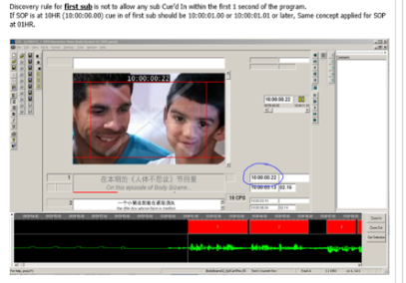 Please don’t forget to apply document protection in your finished files: File > Document protection > Fields to be locked – Document Enable Time code field, Split and Merge, Delete and Add protection Do not include Edit Fields. Foreign dialogues that do not have English translation in the script and are less than 5 seconds should be treated as background sounds and not to be subtitled.
 | • The Subtitle Time-code should end one second before the end of each segment and start one second after the start of each program segment.
ITALICS
 |  | DISCOVERY GUIDELINES:
 |  | Please refer to Asia Cultural and Profanity Document (as of Nov 2018)[1].xlsx for the list of profanities.
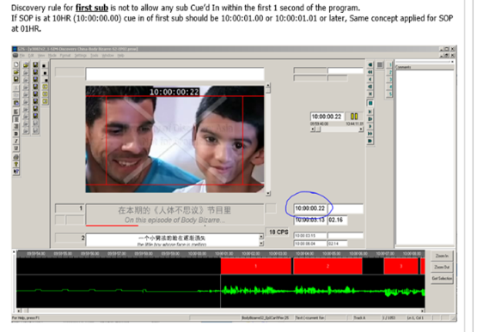

 |  | PLACEMENT RULES:

 |  | Rule #1: Where space permits, the preferred adjustment of subtitle position is either justify left or to right.

 |  | e.g. this subtitle should be placed at right hand side to avoid repo.
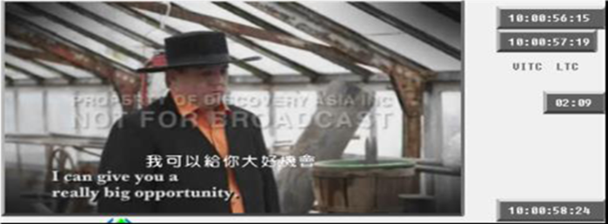

 |  | Rule #2: Subtitles above the lower thirds should stay at least one-line apart from them

 |  | e.g. This subtitle is shifted up 1 line, but needs to be shifted up one more line even if the subtitle is not blocking the caption.
 |  | All subtitles with re-po should be always shifted up one extra line
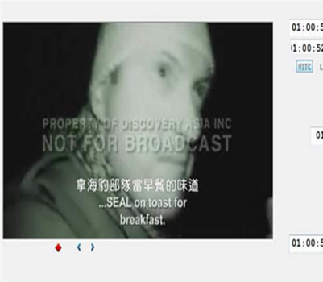

 |  | All foreign languages without their translation in the script should be reported in the completion e-mail. Please indicate the timecodes. We will report to client and ask for English translation. If client cannot provide the English translation, then we may mark as (Foreign language) in the subtitle.

 |  | Subtitle the song lyrics in the script

TVB V11
QUICK SHEET: TVB | EMF | ENG SUB
Document Properties | • Venue: Broadcast • Client: TVB Jade • Spotter ID at Comment Field • Fps: PAL • Target Language: English (UK) | • Venue: Broadcast • Client: TVB Jade • Spotter ID at Comment Field • Fps: PAL • Target Language: English (UK)
Cue Setup | • Minimum Interval: 0.01 • Minimum Duration: 0.10 • Maximum Duration: 15 | • Minimum Interval: 0.01 • Minimum Duration: 0.10 • Maximum Duration: 15
Subtitle Validation | • Max Characters per line: 44 • Max Number of lines: 2 | • Max Characters per line: 44 • Max Number of lines: 2
Spotting Style | Unified Template | Unified Template
Text Style | Client-specifics | Client-specifics
Dialogue Format: | For two-speaker titles: begin each line with a hyphen with space. | For two-speaker titles: begin each line with a hyphen with space.
Punctuation: | Please use grammatically correct punctuation. Please use double hyphens "--" for interrupted sentences, ellipses "..." for trail offs and justifiably long pauses; avoid double punctuation marks "!?", "!!", etc. Always use quotation marks " " instead of apostrophes ' '. Avoid excessive use of ellipses. | Please use grammatically correct punctuation. Please use double hyphens "--" for interrupted sentences, ellipses "..." for trail offs and justifiably long pauses; avoid double punctuation marks "!?", "!!", etc. Always use quotation marks " " instead of apostrophes ' '. Avoid excessive use of ellipses.
Main Title or Episode Title | Please spot Main Title and/or Episode Title. No quotation marks needed. No punctuations needed. Letters all capitalized. Please have no more than ONE LINE of subtitle. | Please spot Main Title and/or Episode Title. No quotation marks needed. No punctuations needed. Letters all capitalized. Please have no more than ONE LINE of subtitle.
Burn-in captions/narrative titles | Please subtitle all burn-in captions, even when there is dialogue. Please have no more than ONE LINE of subtitle (dialogue/caption) when there are captions, regardless of whether the line needs to be repositioned. Characters are to be in All Caps regardless of appearance on-screen | Please subtitle all burn-in captions, even when there is dialogue. Please have no more than ONE LINE of subtitle (dialogue/caption) when there are captions, regardless of whether the line needs to be repositioned. Characters are to be in All Caps regardless of appearance on-screen
Numbers | Spell out numbers from one to nine if they start a sentence except for year, addresses. Write anything above nine as a digit. Use a comma for all numerals above 999. Other exceptions can be made to this rule so ask if you are unsure. | Spell out numbers from one to nine if they start a sentence except for year, addresses. Write anything above nine as a digit. Use a comma for all numerals above 999. Other exceptions can be made to this rule so ask if you are unsure.
Reposition rule | N/A | N/A
End credits | N/A | N/A
Songs | Subtitle all actuated songs and plot pertinent songs. Do not use italics. | Subtitle all actuated songs and plot pertinent songs. Do not use italics.
 | .

 | Make sure that your subtitles are 44 characters in one line.
 | Do not play safe by creating another line when you can fit all characters in one line of 44 characters.
 | Use the Word Wrap function in GTS (Settings Word Wrap).
 | This is the first tool under Settings that you will see and use. This will take the guess work out of your operation.
 | For Profanity (bleeped/censored audio): - Word is clearly spoken in the audio. - Sound is bleeped out but profanity is in the script.

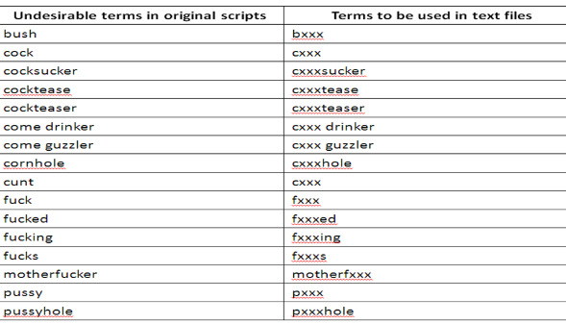

 | nexxx
 | fxxxhead
 | fxxxers
 | fxxxin'
 | Note: Profanities not in the list should not be censored.
 | If it's unclear what is spoken, audio is totally bleeped out and there is no reference of the word from the script, use ellipsis (...) to substitute the profanity.

DMAX ENGLISH SUBTITLING QUICK G
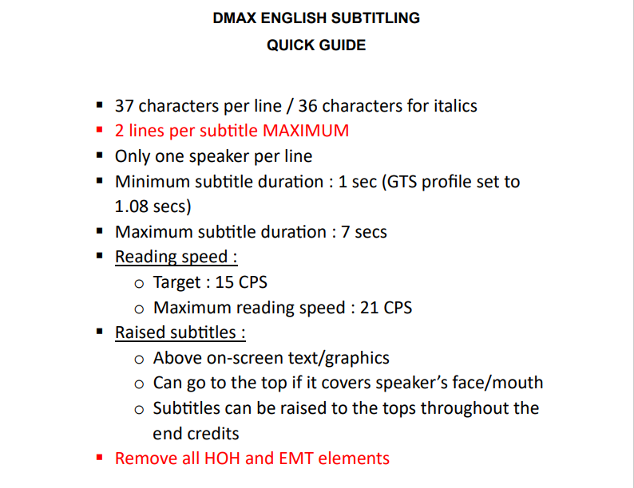

GUIDE DISCOVERY ENGLISH SUBTITL
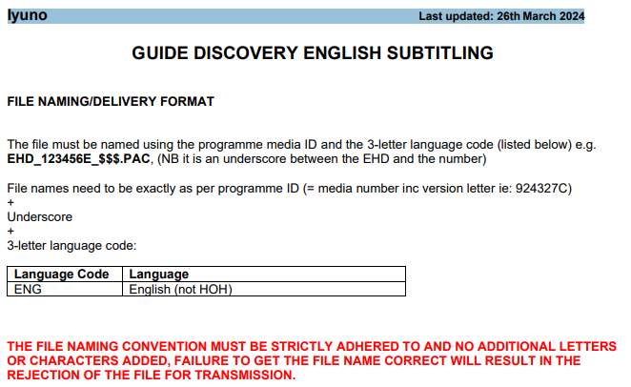

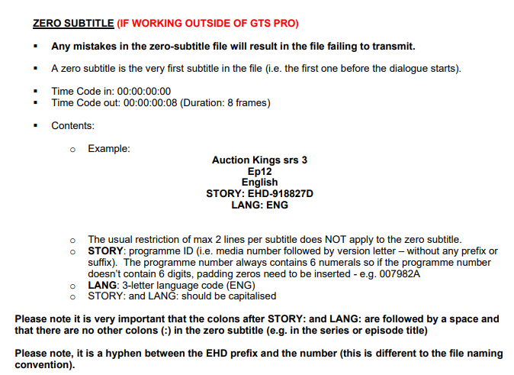

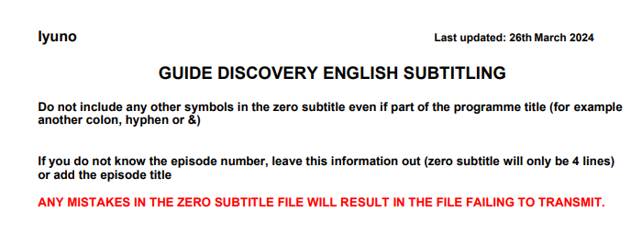

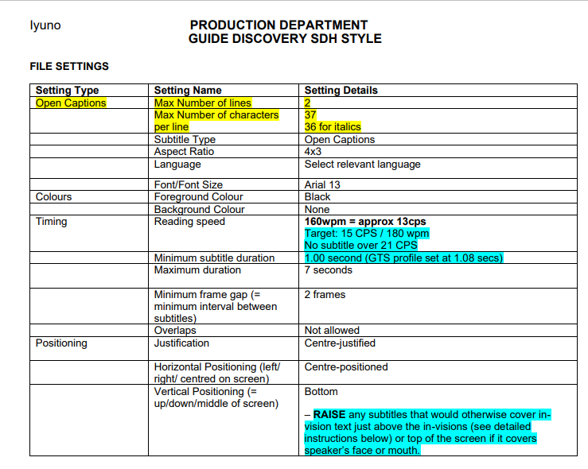

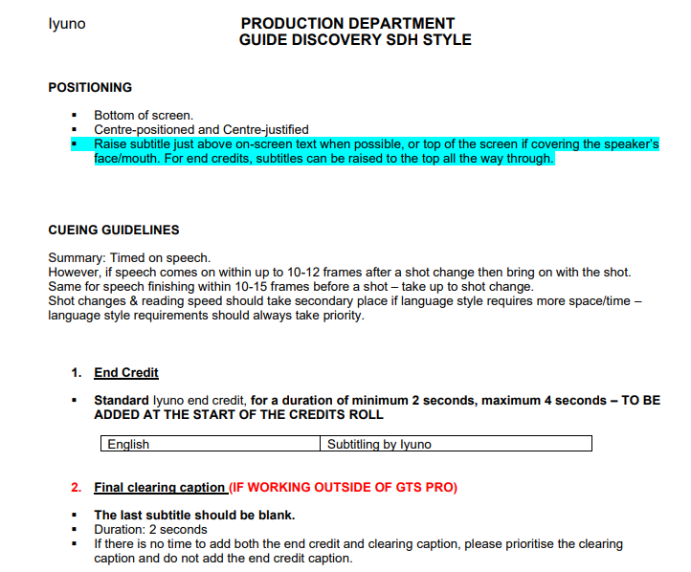

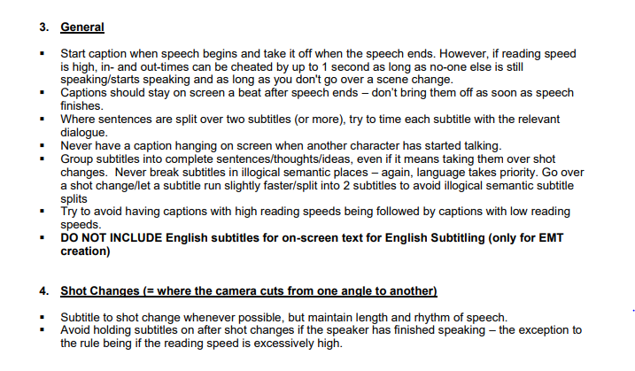

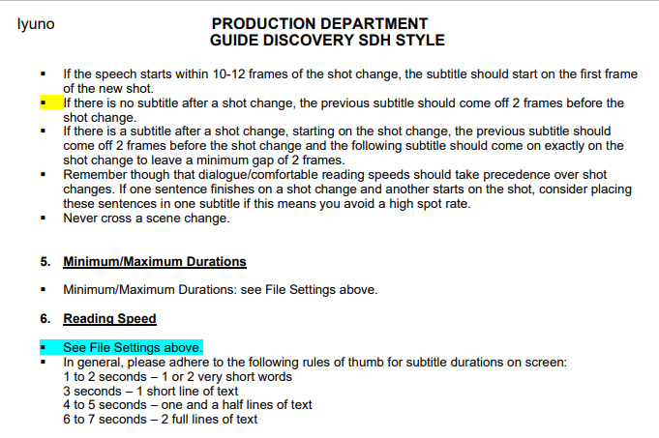

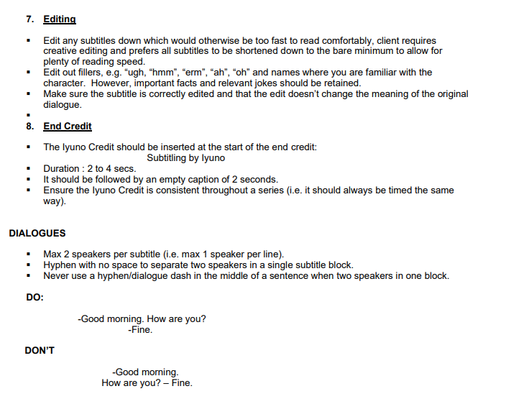

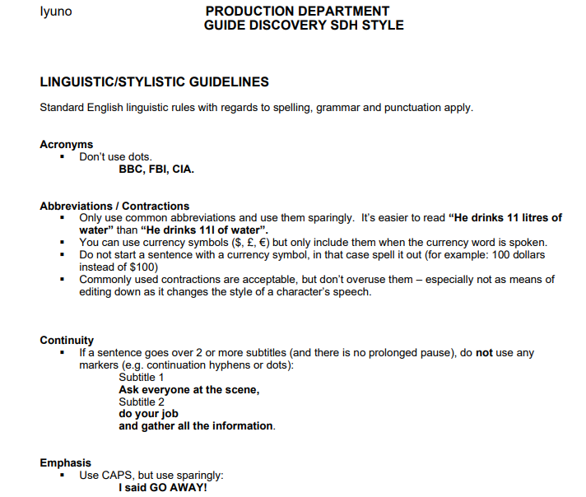

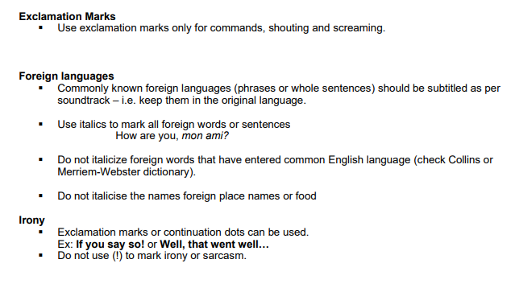

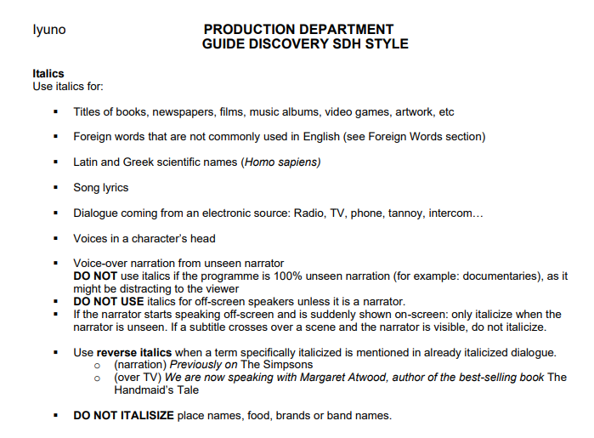

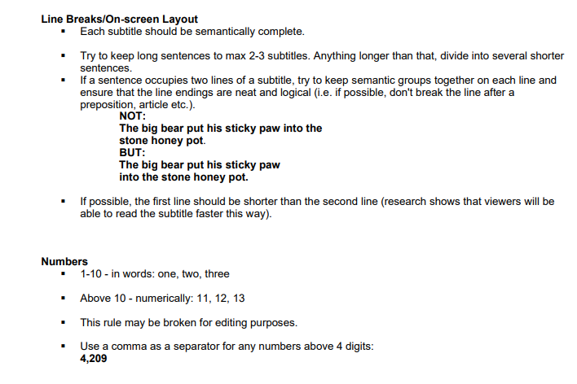

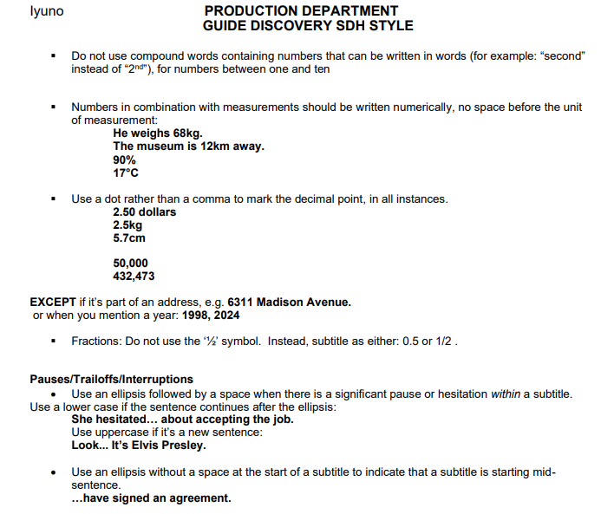

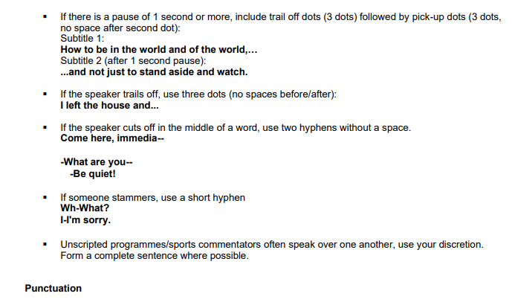

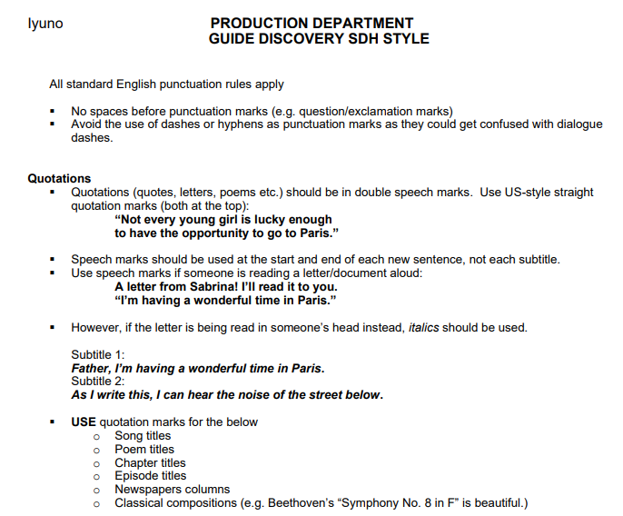

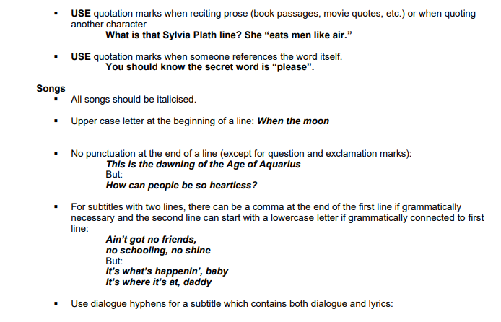

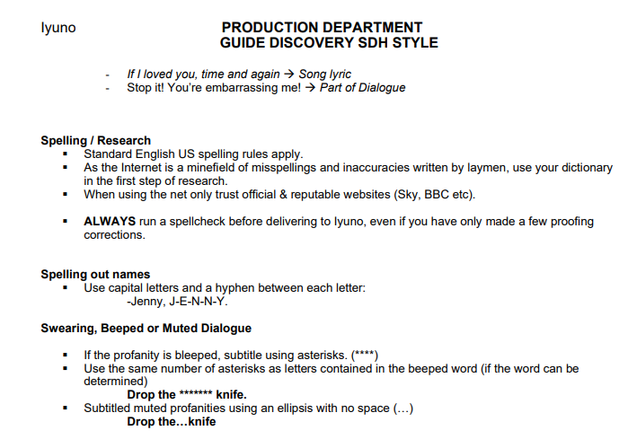

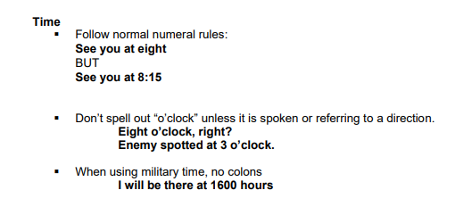

Vubiquity V2
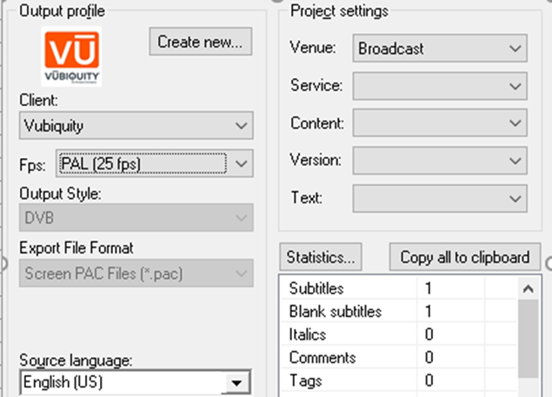
QUICK SHEET: Vubiquity
Document Properties | • Venue: Broadcast • Client: Vubiquity • Spotter ID at Comment Field • Fps: Follow the media FPS • Target Language: Refer to work order | Vubiquity V2
Cue Setup | • Minimum Interval: 0.02 • Minimum Duration: 0.21 • Maximum Duration: 7.00
Subtitle Validation | • Max Characters per line: 50 • Max Number of lines: 2
Spotting style | Unified Template
Text | Unified Template
Dialogue Format: | For two-speaker titles: begin each line with a hyphen WITHOUT space.
Punctuation: | Please use grammatically correct punctuation. Please use double hyphens "--" for interrupted sentences, ellipses "..." for trail offs and justifiably long pauses; avoid double punctuation marks "!?", "!!", etc. Always use quotation marks " " instead of apostrophes ' '. Avoid excessive use of ellipses.
Main Title or Episode Title | MAIN TITLE and EPISODE TITLE TREATMENT as per UT protocol. Tag as @m for main title and @e for episode title
Burn-in captions/narrative titles | ONSCREEN TEXT treatment as per UT protocol. - Use standard tags. Burn-ins (@^) and burn-in translations for foreign dialogue (@i) should always be subtitled. @n, @^, and @i subtitles must meet client specific minimum duration requirements. Subtitles for narratives (@n) and burn-ins (@^), should be written in ALL CAPS except for: - Written passages should mimic on-screen capitalization. (e.g., excerpts from books, magazines or newspapers, handwritten notes, social media messages, text messages, etc.) For long segments of narrative (@n) and burn-in (@^) text written in all caps in the media, the subtitles may use sentence case to improve readability. (e.g., long written passages used as prologue or epilogue) Write subtitles for burn-in translations for foreign dialogue (@i) in sentence case.
Numbers | Spell out numbers from one to nine if they start a sentence except for year, addresses. Write anything above nine as a digit. Use a comma for all numerals above 999. Other exceptions can be made to this rule so ask if you are unsure.
Reposition rule | Raise the text enough to make the underlying on-screen text clearly visible. - For single line subtitle, MAX raise three lines. - For double line subtitle, MAX raise two lines. Create a repo file.
End credits | Create an end credit file.

