Sheet1
Api Documentation
S.No | Type | Controller EndPoint | Description | Output
1 | PostMapping | http://localhost:1010/auth/register | Endpoint for user registration, handling creation of new accounts by accepting user details and storing them securely in the database. | 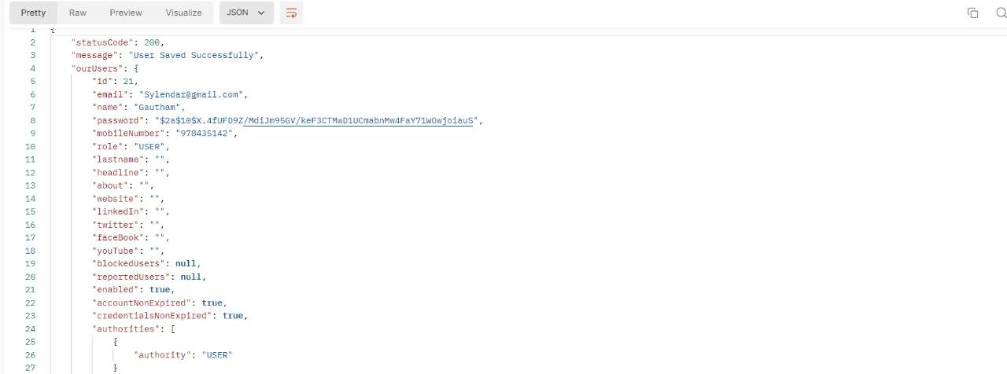

2 |  | http://localhost:1010/auth/login | 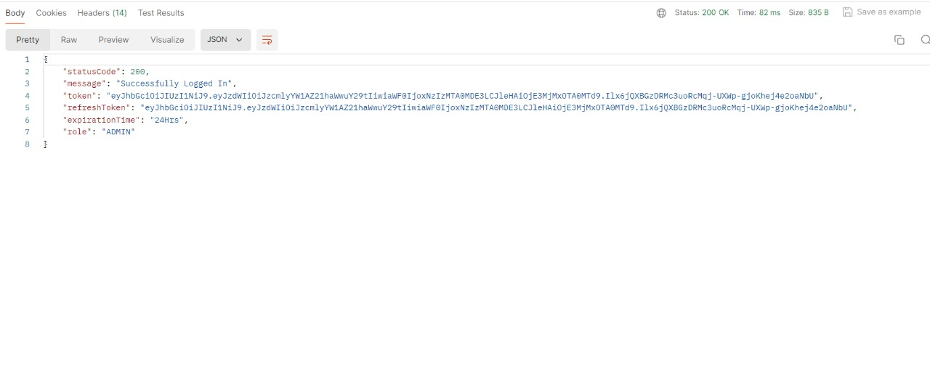 Endpoint for userlogin

3 |  | http://localhost:1010/adminuser/get-profile | Endpoint to access profile | 

4 |  | http://localhost:1010/adminuser/api/reports/{id} | Used to report about a user | 

5 |  | http://localhost:1010/adminuser/api/blocked/block/{id} | Used to block a reported user | 

6 |  | http://localhost:1010/adminuser/api/reports/get | Used to view all reports | 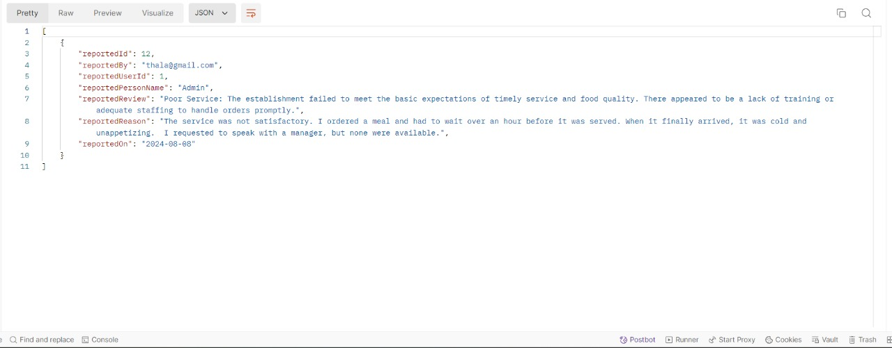

7 |  | http://localhost:1010/adminuser/api/blocked/getBlockedUser | Used to get all the blocked users | 

8 |  | http://localhost:1010/adminuser/api/reports/{id} | Used to delete a report | 

