Sheet1
Model Used | Optimizer | GPU | Training time given | No. of Epochs | Best Accuracy | Test Accuracy

ResNet50 | SGD
ResNet18 | SGD | No | 20m 38.60s | 2 | 97.8261
 | SGD | Yes | 7m 14.74s | 2 | 98.3696
 | Adam | Yes | 11m 55.41s | 3 | 86.9885
AlexNet | SGD | Yes | 5m 34.88s | 2 | 93.3504
 | SGD | No | 6m 2.73s | 2 | 95.9079
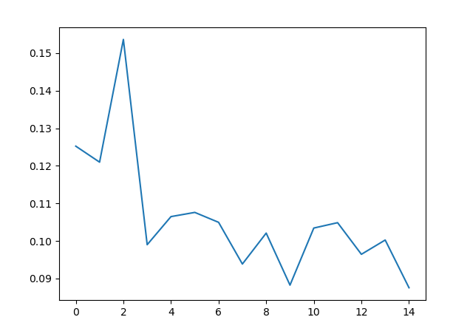
 | SGD | Yes | 33m 56.91s | 8 | 95.844
 | Adam | Yes | 2m 58.90s | 1 | 49.5205
 | Adam | Yes | 31m 11.11s | 10 | 96.5313
 | Adam | Yes | 41m 40.00s | 15 | 97.0428

