Sheet1
Age from | Age to | heightfrom | heightto | marital status | ocupation | Anul income | country | state | citizenship | physical status | Body type | Eating habit | smoking habit | drinking habit | profile created for | Mother tounge | education | Familytype | Employment
22 | 34 | 4ft 5in - 134cm | 6ft 7in - 200cm | Unmarried | Manager | Any | Any | Work permit | India | Any | Average | Vegetarian |  |  | Self | Nepali | Any | Joint family | Defence | Non-smoker | Regular smoker | $25 K

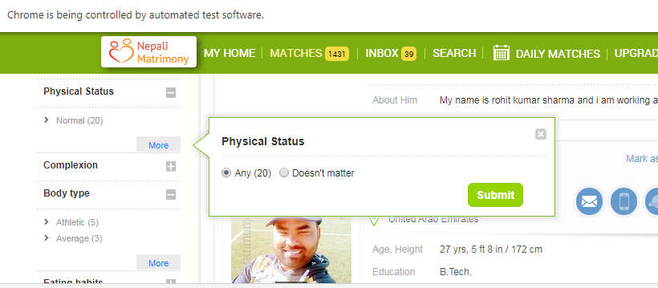
1 st line regular
2nd line regular modified
3rd line advance
4th line advance modifed
5th key word
6th line key word modified

1 | validate the subject line should be correct.
2 | validate desing and alingmnet - border.
3 | Check the logo.
4 | validate the action in mailers - accept or decline , this should be auto login and reflect in view profile.
5 | Validate the opp profile basic info like - age , height, etc.. Should be correct.
6 | Click here - this should navigate communictaion setting- email session.
7 | validate deep linking for android.
8 | check the condent without spelling mistake.
9 | validate the date in mail.
10 | check the design and alingment in mobile browsers.
11 | validate the horizontal view in mobile.
12 | validate the all navigation links in horizontal view.
13 | validate the dafault contact for every mailer-wishing your success in partner search.
14 | Best wishes - appropriate domain.
15 | validate the profile count in mailer.
16 | validate the subject line according to gendor.
17 | Member or members is singular or prual in mailers.
18 | font style and font size.
19 | validate the lines of the contant.
20 | validate the From - info@. Appropriate domain.
21 | Comma needs to divide in age, height etc…
22 | validate the avator image as per gendor.
23 | validate the fullstop for everysentence.
24 | validate the Based on action u2u mailer should be received, EI,PM and request.
25 | if you have logged in deep linking should be going to app otherwise it should go to loggin page.
26 | weeky mailers should be validate.
27 | user to user mailers should be validate.
28 | click the navigation of the opp members.
29 | validate the auto login senarios.

