knn
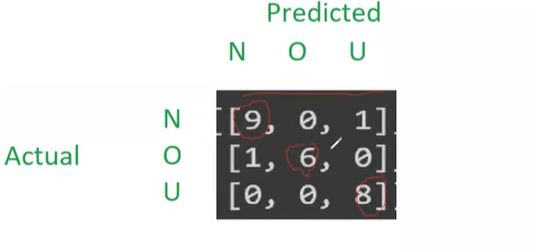
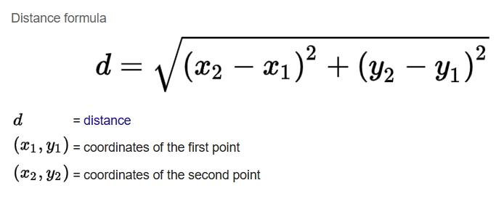
Weight(x2) | Height(y2) | Class |  |  | Distance | Rank | Class | 3classes
51 | 167 | Underweight |  |  | 14.733974345 | 18 | Underweight | 3x3 matrix
66 | 177 | Normal |  |  | 9.0049986119 | 8 | Normal
75 | 169 | Overweight |  |  | 9.3536089292 | 9 | Overweight
69 | 176 | Normal |  |  | 8.6539008545 | 7 | Normal
50 | 173 | Underweight |  |  | 16.476953602 | 24 | Underweight
82 | 170 | Overweight |  |  | 16.422241016 | 23 | Overweight
65 | 172 | Normal |  |  | 4.0607881008 | 3 | Normal
58 | 180 | Underweight | height | 168 | 14.257980222 | 17 | Underweight
68 | 162 | Overweight | weight | 65.7 | 6.4257295306 | 4 | Overweight
63 | 165 | Normal | class | ? | 4.0360872141 | 2 | Normal
52 | 174 | Underweight | k | 5 | 14.956269588 | 19 | Underweight
58 | 169 | Normal |  |  | 7.7646635471 | 5 | Normal
78 | 162 | Overweight | scatterplot for all 25 points |  | 13.685393674 | 16 | Overweight
65 | 168 | Normal |  |  | 0.7 | 1 | Normal
Height(y2) vs. Weight(x2)
62 | 183 | Underweight |  |  | 15.449595464 | 20 | Underweight
72 | 180 | Normal |  |  | 13.553228398 | 14 | Normal
80 | 180 | Overweight |  |  | 18.667886865 | 25 | Overweight
60 | 178 | Underweight |  |  | 11.510430053 | 12 | Underweight
57 | 173 | Normal |  |  | 10.034440692 | 11 | Normal
73 | 164 | Overweight |  |  | 8.3240615087 | 6 | Overweight
53 | 170 | Underweight |  |  | 12.856515858 | 13 | Underweight
74 | 182 | Normal |  |  | 16.275441622 | 22 | Normal
72 | 175 | Overweight |  |  | 9.417536833 | 10 | Overweight
53 | 163 | Normal |  |  | 13.648809472 | 15 | Normal
55 | 180 | Underweight |  |  | 16.077624203 | 21 | Underweight

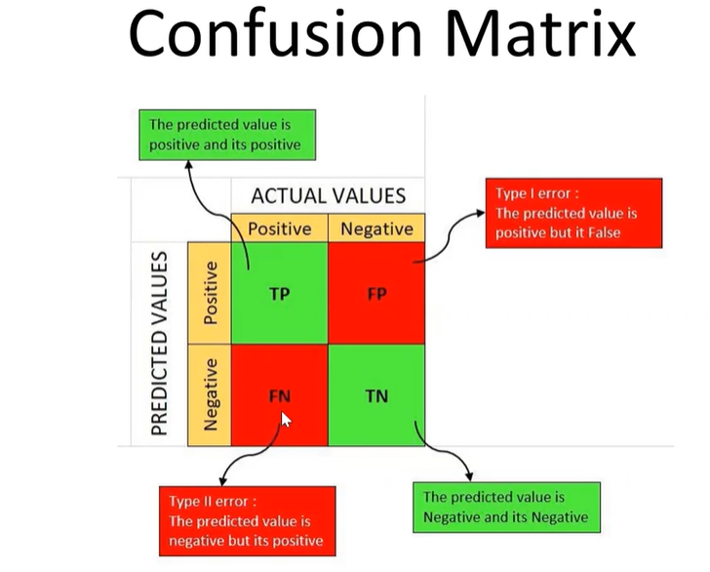
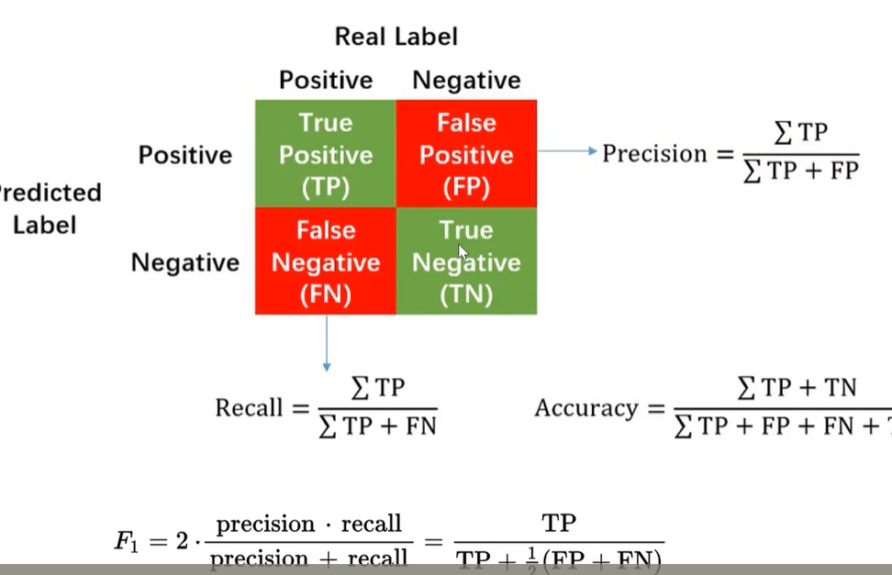

 | 2x2 matrix

