Salary_Data
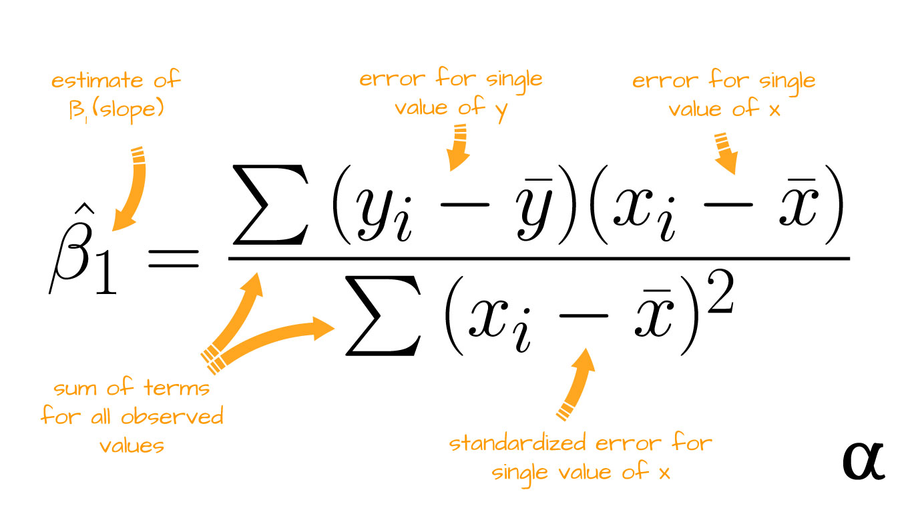
 | x | y | (x-x') | (y-y') | (x-x')^2 | (x-x')(y-y')
 | 1.1 | 39343 | -4.213333333 | -36660 | 17.75217778 | 154460.8
 | 1.3 | 46205 | -4.013333333 | -29798 | 16.10684444 | 119589.3067
 | 1.5 | 37731 | -3.813333333 | -38272 | 14.54151111 | 145943.8933
 | 2 | 43525 | -3.313333333 | -32478 | 10.97817778 | 107610.44
x=YearsExperience | 2.2 | 39891 | -3.113333333 | -36112 | 9.692844444 | 112428.6933
y=Salary | 2.9 | 56642 | -2.413333333 | -19361 | 5.824177778 | 46724.54667
 | 3 | 60150 | -2.313333333 | -15853 | 5.351511111 | 36673.27333
 | 3.2 | 54445 | -2.113333333 | -21558 | 4.466177778 | 45559.24
 | 3.2 | 64445 | -2.113333333 | -11558 | 4.466177778 | 24425.90667
 | 3.7 | 57189 | -1.613333333 | -18814 | 2.602844444 | 30353.25333
 | 3.9 | 63218 | -1.413333333 | -12785 | 1.997511111 | 18069.46667
 | 4 | 55794 | -1.313333333 | -20209 | 1.724844444 | 26541.15333
 | 4 | 56957 | -1.313333333 | -19046 | 1.724844444 | 25013.74667
 | 4.1 | 57081 | -1.213333333 | -18922 | 1.472177778 | 22958.69333
 | 4.5 | 61111 | -0.8133333333 | -14892 | 0.6615111111 | 12112.16
 | 4.9 | 67938 | -0.4133333333 | -8065 | 0.1708444444 | 3333.533333
 | 5.1 | 66029 | -0.2133333333 | -9974 | 0.04551111111 | 2127.786667
 | 5.3 | 83088 | -0.01333333333 | 7085 | 0.0001777777778 | -94.46666667
 | 5.9 | 81363 | 0.5866666667 | 5360 | 0.3441777778 | 3144.533333
 | 6 | 93940 | 0.6866666667 | 17937 | 0.4715111111 | 12316.74
 | 6.8 | 91738 | 1.486666667 | 15735 | 2.210177778 | 23392.7
 | 7.1 | 98273 | 1.786666667 | 22270 | 3.192177778 | 39789.06667
 | 7.9 | 101302 | 2.586666667 | 25299 | 6.690844444 | 65440.08
 | 8.2 | 113812 | 2.886666667 | 37809 | 8.332844444 | 109141.98
 | 8.7 | 109431 | 3.386666667 | 33428 | 11.46951111 | 113209.4933
 | 9 | 105582 | 3.686666667 | 29579 | 13.59151111 | 109047.9133
 | 9.5 | 116969 | 4.186666667 | 40966 | 17.52817778 | 171510.9867
 | 9.6 | 112635 | 4.286666667 | 36632 | 18.37551111 | 157029.1733
 | 10.3 | 122391 | 4.986666667 | 46388 | 24.86684444 | 231321.4933
 | 10.5 | 121872 | 5.186666667 | 45869 | 26.90151111 | 237907.2133
mean | 5.313333333 | 76003
 |  |  |  | sum | 233.5546667 | 2207082.8

 |  |  |  | slope(m) | 9449.962321
 |  |  | y=mx+c | intercept(c) | 25792.2002
 |  |  | c=y-mx

 |  |  |  | Exp(x) | 3.5
 |  |  |  | ExpectedSalary(y) | 58867.06832

