Main Dashboard
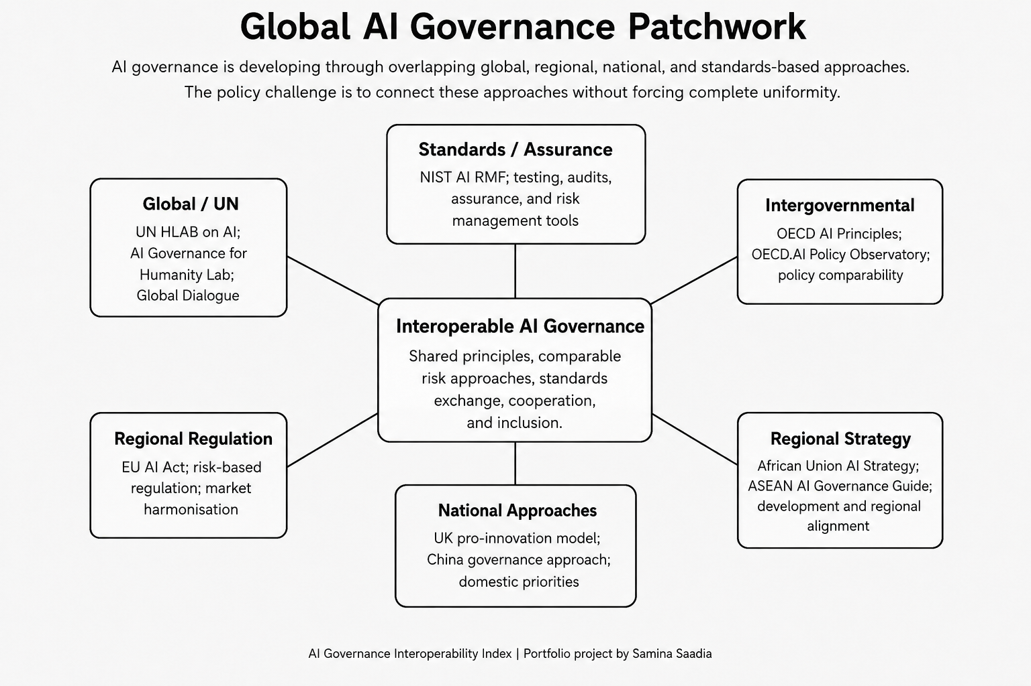 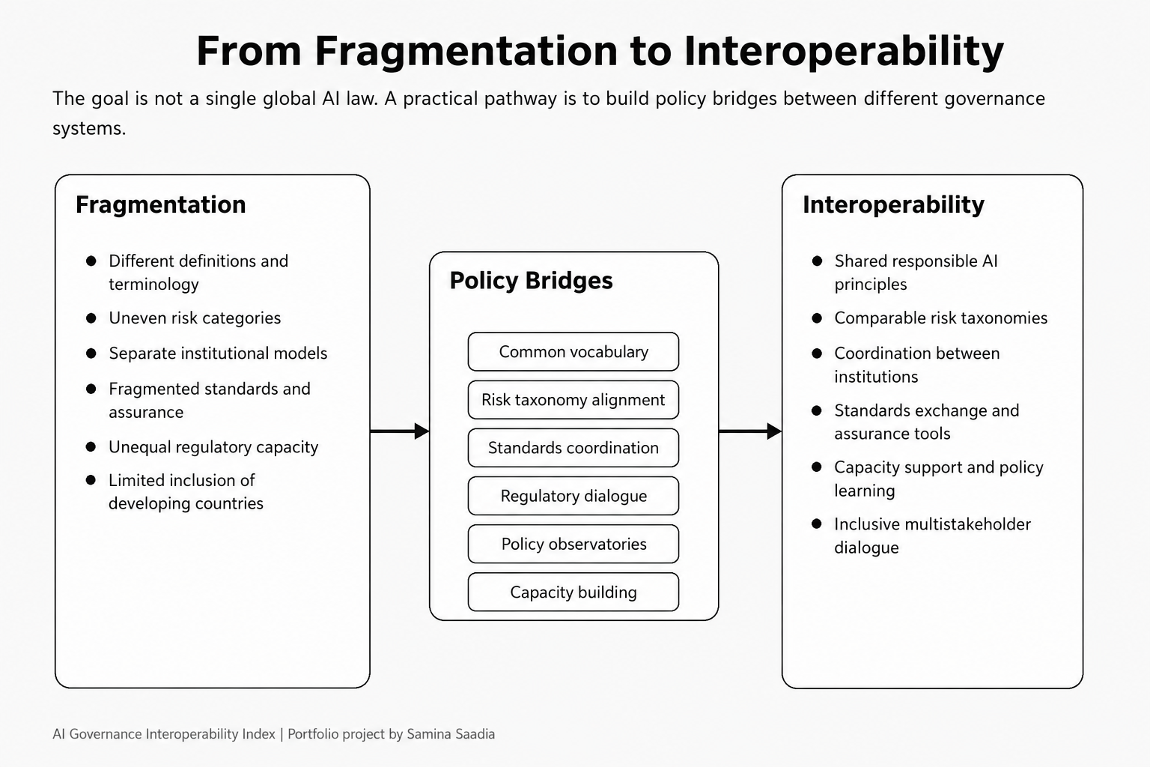 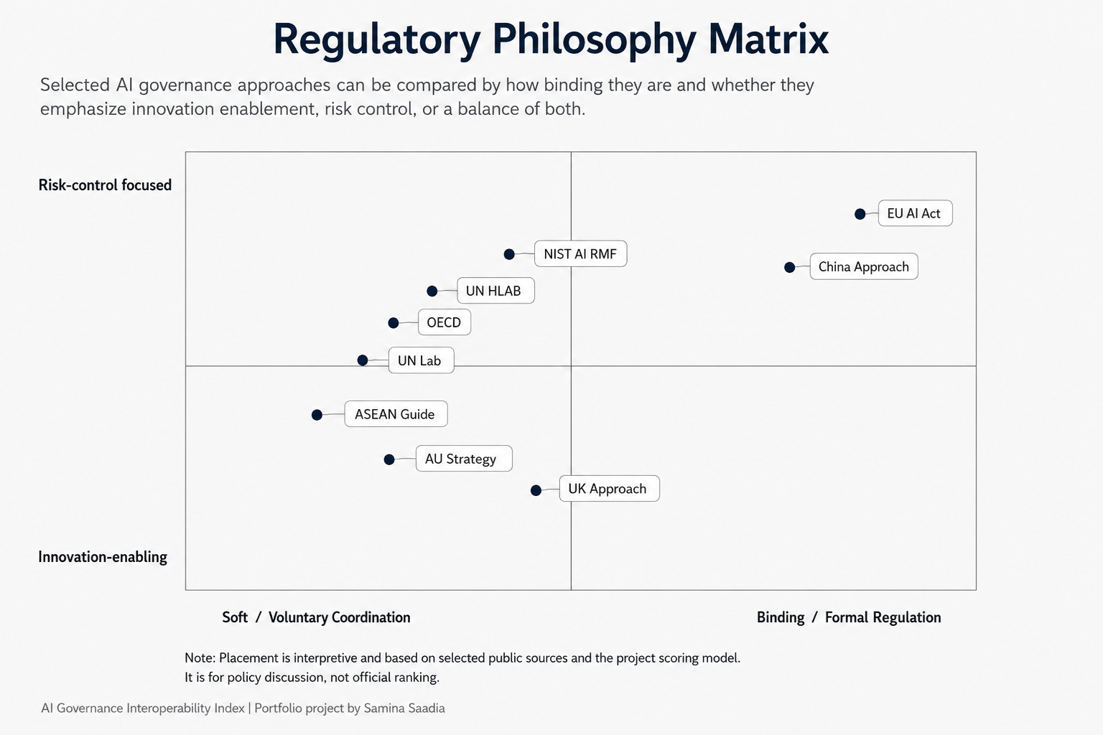 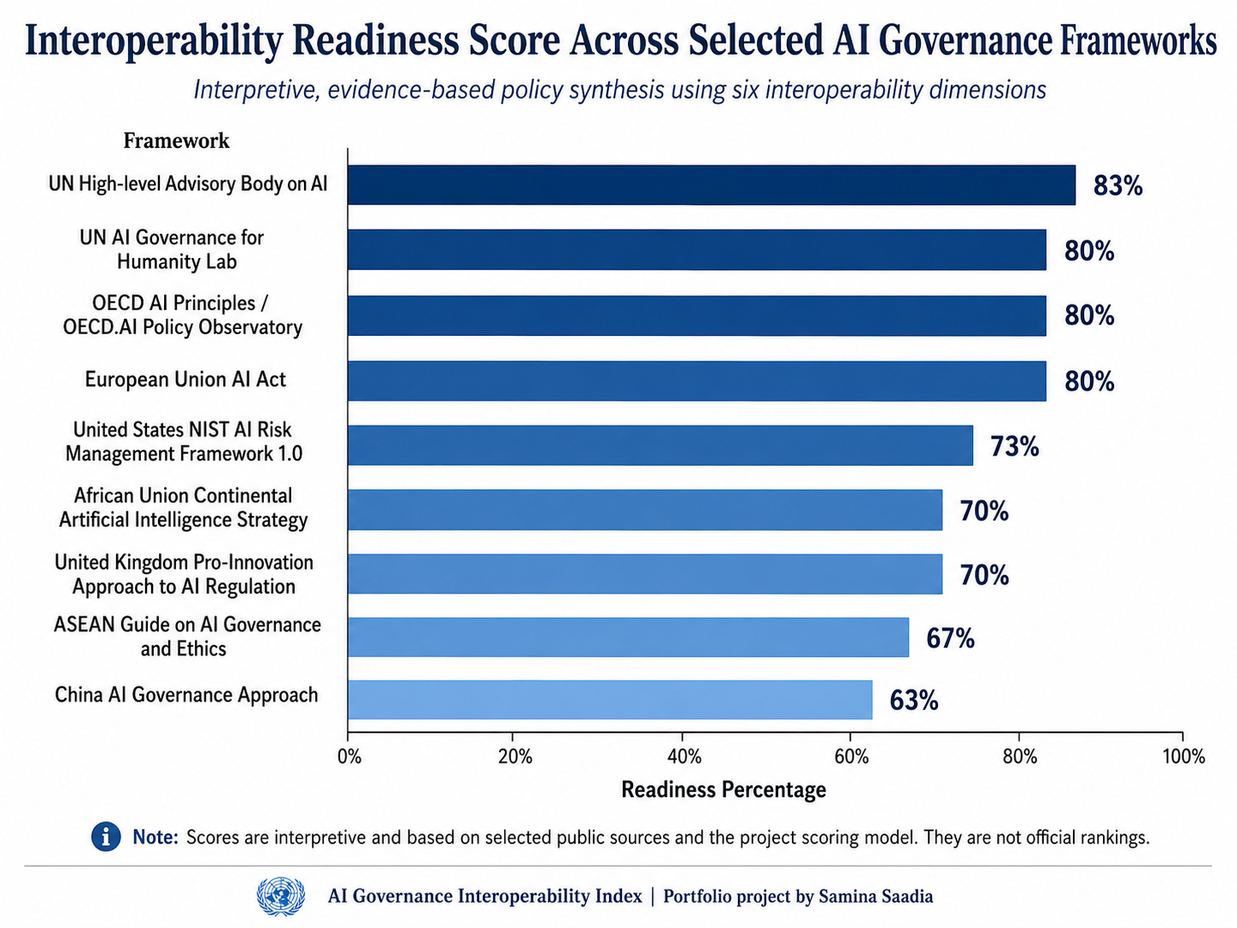
AI Governance Interoperability Index
Dashboard overview: mapping fragmentation and pathways for inclusive global AI governance

Framework Reviewed |  | Scoring Dimensions |  | Top Readiness Score |  | Average Readiness
 | 9 |  | 6 |  | 83% |  | 74%

