Main
 | Reddit
 | Ticker: | RDDT

 | Stock Price | 109.07
 | Shares | 175.58
 | MC | 19,150.51
 | Debt | 0
 | Cash | 1744.967
 | EV | 17,405.54

 |  |  |  |  |  | Upside: | Revenue growth from translating froiegn language and replicating the same model for revenue growth globally.
 |  |  |  |  |  |  | As the cost of translting per language less than 1m less than 1% of total rev
 |  |  |  |  |  |  | Having basket set for users(eg, outdoor, hiking) Accurate penatration of Ads; likely to charge more

 | Revenue Recognition |  |  |  |  | Downside:
 | Generate all of revenue through the sale of Ads on mobile applications and websites.
 | Recognize revenue only after transferring control fo promised g/s to customer
--> | only occurs when a uswer clicks on an ad contracted on a cost per click (CPC) basis
 | views an ad contracted on a cost per thousand impressions basis
 | views a video ad contracted on a cost per view basis, or on a fixed fee basis, based on ad delivery over the service period, <30days |  |  |  |  | Q&A
 |  |  |  |  | 1 | Govenrment offical account
 | For ads, reddit either take on the Principal role or Agent role. |  |  |  |  | How many more?
 | If Principal, fully control over the ad spac and content; record all revenue from the ads |  |  |  |  | Reddit Pro - same business model as Twitter?
 | If Agent, charge commission (Not material)
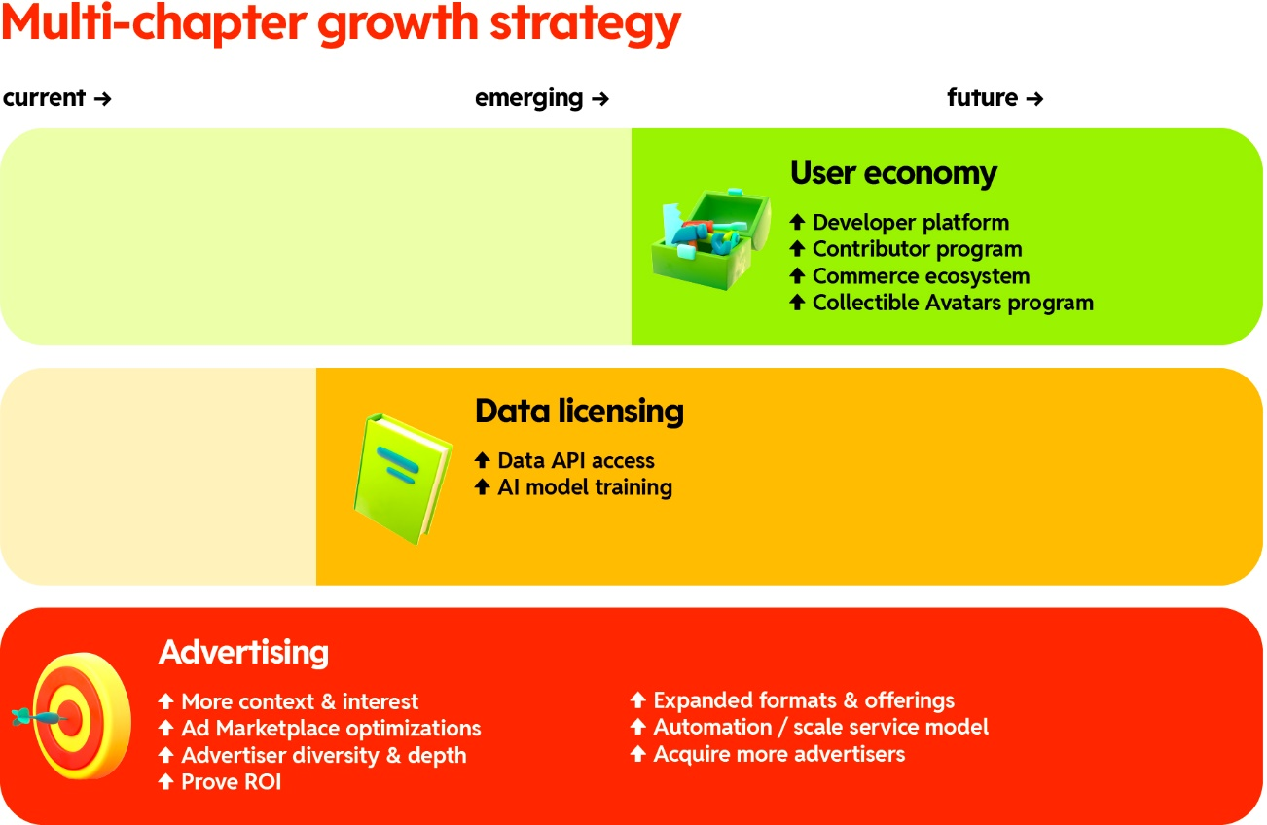
 |  |  |  |  | 2 | Google, log out DAUq Growth
 |  |  |  |  |  | Diverting traffic in the future?

 |  |  |  |  |  | Competitor:
 |  |  |  |  |  | •For Seeking Information—Google, Amazon, YouTube, Wikipedia, X, and other news sites. Some users are also turning to LLMs such as ChatGPT, Gemini, and Anthropic.
 |  |  |  |  |  | •For Entertainment—Meta (including Facebook, Instagram, Threads, and WhatsApp), YouTube, Snap, X, TikTok, Roblox, and Twitch.
 |  |  |  |  |  | •For Passions and Hobbies—Facebook Groups, Discord, X, and Pinterest.
 |  |  |  |  |  | •For Peer-to-peer Commerce and User Economy—Facebook Marketplace, Nextdoor, Craigslist, Poshmark, Etsy, and Roblox.

 | Data Licencing*
 | Charge Data API teams in 2023, 0.24$ per 1000 API calls

 | Q3 24 Earnings
 | Daily Active Uniques(DAUq) up 47% yoy to 97.2 million
 | Rev growth 68% to 348.4 m
 | NI 29.9 and net margin of 8.6%
 | Adj EBITDA 94.1 and margin of 27%
 | OCF 71.6m and FCF 70.3 |  | --> | invested 66 to net settle 1.2 million employee shares

 | Rev Guidance
 | 385 | 400
 | Adj EBITDA
 | 110 | 125
 | EBITDA margin
 | 30%

 | Hi Rev growth, low CapEx

 | AI Implementation
 | Using AI to transcirbe for foreign contry users (Europe & India) for better accessibility
 | Spanish, Portugese, Italian, German
 | x4 user
 | Machine for 30+ countries

 | Search capabilities
 | External
 | Direct
 | *finding AUTHENTIC conversation and opinion

 | Revenue Drivers:
 | Higher user, ad load, conversation adv add
 | Invesmtent in new ad product along with sales team
 | Strong gain in ad impression
 | Cost per click declined; but click though number increased
 | Channel: vertical increasing
 | COGS slows down as revenue acceleration beats COGS rate

 | 2/3 lower funnel
 | Double click in lower funnel

 | Scale: mid marker & SMB grow 80%

 | Verticals: Auto, Pharm, Fiancial services

 | AD:
 | 60% growth in adv conversion
 | Customer audience API

 | Meltwater: through Data API: Industry trend

