Sheet1
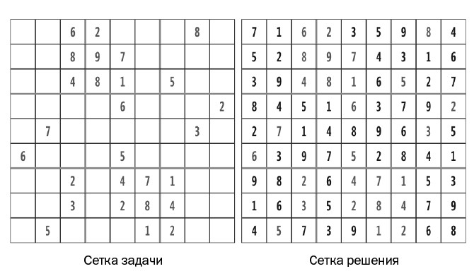
 | 0 | 1 | 2 | 3 | 4 | 5 | 6 | 7 | 8
0 | 0 | 0 | 6 | 2 | 0 | 0 | 0 | 8 | 0
1 | 0 | 0 | 8 | 9 | 7 | 0 | 0 | 0 | 0
2 | 0 | 0 | 4 | 8 | 1 | 0 | 5 | 0 | 0
3 | 0 | 0 | 0 | 0 | 6 | 0 | 0 | 0 | 2
4 | 0 | 7 | 0 | 0 | 0 | 0 | 0 | 3 | 0
5 | 6 | 0 | 0 | 0 | 5 | 0 | 0 | 0 | 0
6 | 0 | 0 | 2 | 0 | 4 | 7 | 1 | 0 | 0
7 | 0 | 0 | 3 | 0 | 2 | 8 | 4 | 0 | 0
8 | 0 | 5 | 0 | 0 | 0 | 1 | 2 | 0 | 0

 | 7 | 1 | 6 | 2 | 3 | 5 | 9 | 8 | 4
 | 5 | 2 | 8 | 9 | 7 | 4 | 3 | 1 | 6
 | 3 | 9 | 4 | 8 | 1 | 6 | 5 | 2 | 7
 | 8 | 4 | 5 | 1 | 6 | 3 | 7 | 9 | 2
 | 2 | 7 | 1 | 4 | 8 | 9 | 6 | 3 | 5
 | 6 | 3 | 9 | 7 | 5 | 2 | 8 | 4 | 1
 | 9 | 8 | 2 | 6 | 4 | 7 | 1 | 5 | 3
 | 1 | 6 | 3 | 5 | 2 | 8 | 4 | 7 | 9 | 0 | 0 | 6 | 2 | 0 | 0 | 0 | 8 | 0
 | 4 | 5 | 7 | 3 | 9 | 1 | 2 | 6 | 8 | 0 | 0 | 8 | 9 | 7 | 0 | 0 | 0 | 0
 |  |  |  |  |  |  |  |  |  | 0 | 0 | 4 | 8 | 1 | 0 | 5 | 0 | 0
 |  |  |  |  |  |  |  |  |  | 0 | 0 | 0 | 0 | 6 | 0 | 0 | 0 | 2
 |  |  |  |  |  |  |  |  |  | 0 | 7 | 0 | 0 | 0 | 0 | 0 | 3 | 0
 |  |  |  |  |  |  |  |  |  | 6 | 0 | 0 | 0 | 5 | 0 | 0 | 0 | 0
 |  |  |  |  |  |  |  |  |  | 0 | 0 | 2 | 0 | 4 | 7 | 1 | 0 | 0
 |  |  |  |  |  |  |  |  |  | 0 | 0 | 3 | 0 | 2 | 8 | 0 | 0 | 0
 |  |  |  |  |  |  |  |  |  | 0 | 5 | 0 | 0 | 0 | 1 | 2 | 0 | 0

