Sheet1
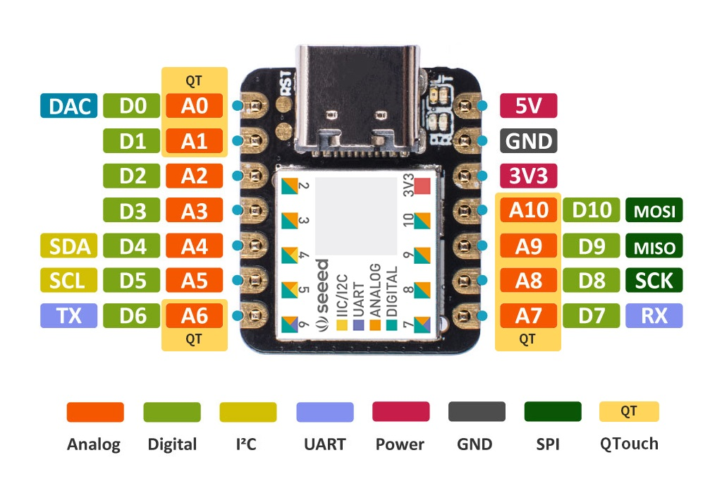
Pin(1) | I/O Pin | Supply | Type | A | B(2)(3) |  |  |  |  | C | D | E | F | G | H | Seeed Studio XIAO SAMD21 pin definitions and functions |  |  |  | BOOT
SAMD21G |  |  |  | EIC | REF | ADC | AC | PTC | DAC | SERCOM(2)(3) | SERCOM- ALT | TC(4)/TCC | TCC | COM | AC/GCLK |  |  |  |  | JTAG/SWD
1 | PA00 | VDDANA |  | EXTINT[0] |  |  |  |  |  |  | SERCOM1/ PAD[0] | TCC2/WO[0] |  |  |  |  |  |  |  | UART
2 | PA01 | VDDANA |  | EXTINT[1] |  |  |  |  |  |  | SERCOM1/ PAD[1] | TCC2/WO[1] |  |  |  |  |  |  |  | SPI
3 | PA02 | VDDANA |  | EXTINT[2] |  | AIN[0] |  | Y[0] | VOUT |  |  |  |  |  |  | A0 | D0 |  |  | ALL PWM
4 | PA03 | VDDANA |  | EXTINT[3] | ADC/VREFA DAC/VREFA | AIN[1] |  | Y[1] |  |  |  |  |  |  |  |  |  |  |  | USB
 | PB04 | VDDANA |  | EXTINT[4] |  | AIN[12] |  | Y[10] |  |  |  |  |  |  |  |  |  |  |  | Analog
 | PB05 | VDDANA |  | EXTINT[5] |  | AIN[13] |  | Y[11] |  |  |  |  |  |  |  |  |  |  |  | IIC
 | PB06 | VDDANA |  | EXTINT[6] |  | AIN[14] |  | Y[12] |  |  |  |  |  |  |  |  |  |  |  | Digital
 | PB07 | VDDANA |  | EXTINT[7] |  | AIN[15] |  | Y[13] |  |  |  |  |  |  |  |  |  |  |  | GPIO
7 | PB08 | VDDANA |  | EXTINT[8] |  | AIN[2] |  | Y[14] |  |  | SERCOM4/ PAD[0] | TC4/WO[0] |  |  |  | A6 | D6 | TX | QTouch | QTouch
8 | PB09 | VDDANA |  | EXTINT[9] |  | AIN[3] |  | Y[15] |  |  | SERCOM4/ PAD[1] | TC4/WO[1] |  |  |  | A7 | D7 | RX | QTouch | LED
9 | PA04 | VDDANA |  | EXTINT[4] | ADC/VREFB | AIN[4] | AIN[0] | Y[2] |  |  | SERCOM0/ PAD[0] | TCC0/WO[0] |  |  |  | A1 | D1
10 | PA05 | VDDANA |  | EXTINT[5] |  | AIN[5] | AIN[1] | Y[3] |  |  | SERCOM0/ PAD[1] | TCC0/WO[1] |  |  |  | A9 | D9 | MISO | QTouch
11 | PA06 | VDDANA |  | EXTINT[6] |  | AIN[6] | AIN[2] | Y[4] |  |  | SERCOM0/ PAD[2] | TCC1/WO[0] |  |  |  | A10 | D10 | MISI | QTouch
12 | PA07 | VDDANA |  | EXTINT[7] |  | AIN[7] | AIN[3] | Y[5] |  |  | SERCOM0/ PAD[3] | TCC1/WO[1] |  | I2S/SD[0] |  | A8 | D8 | SCK | QTouch
13 | PA08 | VDDIO | I2C | NMI |  | AIN[16] |  | X[0] |  | SERCOM0/ PAD[0] | SERCOM2/ PAD[0] | TCC0/WO[0] | TCC1/ WO[2] | I2S/SD[1] |  | A4 | D4 | SDA
14 | PA09 | VDDIO | I2C | EXTINT[9] |  | AIN[17] |  | X[1] |  | SERCOM0/ PAD[1] | SERCOM2/ PAD[1] | TCC0/WO[1] | TCC1/ WO[3] | I2S/ MCK[0] |  | A5 | D5 | SCL
15 | PA10 | VDDIO |  | EXTINT[10] |  | AIN[18] |  | X[2] |  | SERCOM0/ PAD[2] | SERCOM2/ PAD[2] | TCC1/WO[0] | TCC0/ WO[2] | I2S/ SCK[0] | GCLK_IO[4] | A2 | D2
16 | PA11 | VDDIO |  | EXTINT[11] |  | AIN[19] |  | X[3] |  | SERCOM0/ PAD[3] | SERCOM2/ PAD[3] | TCC1/WO[1] | TCC0/ WO[3] | I2S/FS[0] | GCLK_IO[5] | A3 | D3
19 | PB10 | VDDIO |  | EXTINT[10] |  |  |  |  |  |  | SERCOM4/ PAD[2] | TC5/WO[0] | TCC0/ WO[4] | I2S/ MCK[1] | GCLK_IO[4]
20 | PB11 | VDDIO |  | EXTINT[11] |  |  |  |  |  |  | SERCOM4/ PAD[3] | TC5/WO[1] | TCC0/ WO[5] | I2S/ SCK[1] | GCLK_IO[5]
 | PB12 | VDDIO | I2C | EXTINT[12] |  |  |  | X[12] |  | SERCOM4/ PAD[0] |  | TC4/WO[0] | TCC0/ WO[6] | I2S/FS[1] | GCLK_IO[6]
 | PB13 | VDDIO | I2C | EXTINT[13] |  |  |  | X[13] |  | SERCOM4/ PAD[1] |  | TC4/WO[1] | TCC0/ WO[7] |  | GCLK_IO[7]
 | PB14 | VDDIO |  | EXTINT[14] |  |  |  | X[14] |  | SERCOM4/ PAD[2] |  | TC5/WO[0] |  |  | GCLK_IO[0]
 | PB15 | VDDIO |  | EXTINT[15] |  |  |  | X[15] |  | SERCOM4/ PAD[3] |  | TC5/WO[1] |  |  | GCLK_IO[1]
21 | PA12 | VDDIO | I2C | EXTINT[12] |  |  |  |  |  | SERCOM2/ PAD[0] | SERCOM4/ PAD[0] | TCC2/WO[0] | TCC0/ WO[6] |  | AC/CMP[0]
22 | PA13 | VDDIO | I2C | EXTINT[13] |  |  |  |  |  | SERCOM2/ PAD[1] | SERCOM4/ PAD[1] | TCC2/WO[1] | TCC0/ WO[7] |  | AC/CMP[1]
23 | PA14 | VDDIO |  | EXTINT[14] |  |  |  |  |  | SERCOM2/ PAD[2] | SERCOM4/ PAD[2] | TC3/WO[0] | TCC0/ WO[4] |  | GCLK_IO[0]
24 | PA15 | VDDIO |  | EXTINT[15] |  |  |  |  |  | SERCOM2/ PAD[3] | SERCOM4/ PAD[3] | TC3/WO[1] | TCC0/ WO[5] |  | GCLK_IO[1]
25 | PA16 | VDDIO | I2C | EXTINT[0] |  |  |  | X[4] |  | SERCOM1/ PAD[0] | SERCOM3/ PAD[0] | TCC2/WO[0] | TCC0/WO[6] |  | GCLK_IO[2]
26 | PA17 | VDDIO | I2C | EXTINT[1] |  |  |  | X[5] |  | SERCOM1/ PAD[1] | SERCOM3/ PAD[1] | TCC2/WO[1] | TCC0/WO[7] |  | GCLK_IO[3] | A13 | PIN_LED
27 | PA18 | VDDIO |  | EXTINT[2] |  |  |  | X[6] |  | SERCOM1/ PAD[2] | SERCOM3/ PAD[2] | TC3/WO[0] | TCC0/ WO[2] |  | AC/CMP[0] | A12 | PIN_LED2
28 | PA19 | VDDIO |  | EXTINT[3] |  |  |  | X[7] |  | SERCOM1/ PAD[3] | SERCOM3/ PAD[3] | TC3/WO[1] | TCC0/ WO[3] | I2S/SD[0] | AC/CMP[1] | A11 | PIN_LED3
 | PB16 | VDDIO | I2C | EXTINT[0] |  |  |  |  |  | SERCOM5/ PAD[0] |  | TC6/WO[0] | TCC0/ WO[4] | I2S/SD[1] | GCLK_IO[2]
 | PB17 | VDDIO | I2C | EXTINT[1] |  |  |  |  |  | SERCOM5/ PAD[1] |  | TC6/WO[1] | TCC0/ WO[5] | I2S/ MCK[0] | GCLK_IO[3]
29 | PA20 | VDDIO |  | EXTINT[4] |  |  |  | X[8] |  | SERCOM5/ PAD[2] | SERCOM3/ PAD[2] | TC7/WO[0] | TCC0/ WO[6] | I2S/ SCK[0] | GCLK_IO[4]
30 | PA21 | VDDIO |  | EXTINT[5] |  |  |  | X[9] |  | SERCOM5/ PAD[3] | SERCOM3/ PAD[3] | TC7/WO[1] | TCC0/ WO[7] | I2S/FS[0] | GCLK_IO[5]
31 | PA22 | VDDIO | I2C | EXTINT[6] |  |  |  | X[10] |  | SERCOM3/ PAD[0] | SERCOM5/ PAD[0] | TC4/WO[0] | TCC0/ WO[4] |  | GCLK_IO[6]
32 | PA23 | VDDIO | I2C | EXTINT[7] |  |  |  | X[11] |  | SERCOM3/ PAD[1] | SERCOM5/ PAD[1] | TC4/WO[1] | TCC0/ WO[5] | USB/SOF 1kHz | GCLK_IO[7]
33 | PA24 | VDDIO |  | EXTINT[12] |  |  |  |  |  | SERCOM3/ PAD[2] | SERCOM5/ PAD[2] | TC5/WO[0] | TCC1/ WO[2] | USB/DM |  | A15 | PIN_USB_DM
34 | PA25 | VDDIO |  | EXTINT[13] |  |  |  |  |  | SERCOM3/ PAD[3] | SERCOM5/ PAD[3] | TC5/WO[1] | TCC1/ WO[3] | USB/DP |  | A16 | PIN_USB_DP
37 | PB22 | VDDIO |  | EXTINT[6] |  |  |  |  |  |  | SERCOM5/ PAD[2] | TC7/WO[0] |  |  | GCLK_IO[0]
38 | PB23 | VDDIO |  | EXTINT[7] |  |  |  |  |  |  | SERCOM5/ PAD[3] | TC7/WO[1] |  |  | GCLK_IO[1]
39 | PA27 | VDDIO |  | EXTINT[15] |  |  |  |  |  |  |  |  |  |  | GCLK_IO[0]
41 | PA28 | VDDIO |  | EXTINT[8] |  |  |  |  |  |  |  |  |  |  | GCLK_IO[0] | A14 | PIN_USB_HOST_ENABLE
45 | PA30 | VDDIO |  | EXTINT[10] |  |  |  |  |  |  | SERCOM1/ PAD[2] | TCC1/WO[0] |  | SWCLK | GCLK_IO[0] | SWCLK
46 | PA31 | VDDIO |  | EXTINT[11] |  |  |  |  |  |  | SERCOM1/ PAD[3] | TCC1/WO[1] |  | SWDIO(5) |  | SWDIO
 | PB30 | VDDIO | I2C | EXTINT[14] |  |  |  |  |  |  | SERCOM5/ PAD[0] | TCC0/WO[0] | TCC1/ WO[2]
 | PB31 | VDDIO | I2C | EXTINT[15] |  |  |  |  |  |  | SERCOM5/ PAD[1] | TCC0/WO[1] | TCC1/ WO[3]
 | PB00 | VDDANA |  | EXTINT[0] |  | AIN[8] |  | Y[6] |  |  | SERCOM5/ PAD[2] | TC7/WO[0]
 | PB01 | VDDANA |  | EXTINT[1] |  | AIN[9] |  | Y[7] |  |  | SERCOM5/ PAD[3] | TC7/WO[1]
47 | PB02 | VDDANA |  | EXTINT[2] |  | AIN[10] |  | Y[8] |  |  | SERCOM5/ PAD[0] | TC6/WO[0]
48 | PB03 | VDDANA |  | EXTINT[3] |  | AIN[11] |  | Y[9] |  |  | SERCOM5/ PAD[1] | TC6/WO[1]
Notes: 1. Use the SAMD21J pinout muxing for WLCSP45 package. 2. All analog pin functions are on peripheral function B. Peripheral function B must be selected to disable the digital control of the pin. 3. Only some pins can be used in SERCOM I2C mode. See the Type column for using a SERCOM pin in I2C mode. Refer to “Electrical Characteristics” on page 935 for details on the I2C pin characteristics. 4. Note that TC6 and TC7 are not supported on the SAM D21E and G devices. Refer to “Configuration Summary” on page 3 for details. 5. This function is only activated in the presence of a debugger.

