DELIVER
PROJECT: | COMPASS
DATE: | 2024-08-02
MONTH: | AUGUST

RESUME
SPRINT | EXPECTED TICKETS | STORY POINTS | STATUS OF SPRINT
CMP_SPRINT_29 | 4 | 54 | ENDED

NOTES
For SPRINT 29 were planned 4 tickets.

DEFINITION OF GOALS
GOALS | EXPECTED | STATUS
Start to prepare release on PROD environment - August 2024 | 2024-07-12 | ACHIEVED
Write the new US related to Top Transaction Banking | Select PNL Item to apply for step 2 VER BY BL | 2024-07-12 | STARTED
Creation of US for Upload of Rules | 2024-07-12 | NOT STARTED
Brainstorm on Monitoring and Performance topics | 2024-07-12 | ACHIEVED

NOTES
Started the preparation of the release of August 24th.
Brainstorming on Finance side, working on the 2nd goal

PLANNED SPRINT | 0.25
STATUS OF SPRINT | 0.75
Sprint 21 | 0.81818181818
Sprint 22 | 0.83333333333
Sprint 23 | 0.66666666667
Sprint 24 | 1.8
Sprint 25 | 1.2307692308
Sprint 26 | 1.0588235294
Sprint 27 | 2
Sprint 28 | 1.6
Sprint 29 | 0.75
METRICS
 |  |  |  | 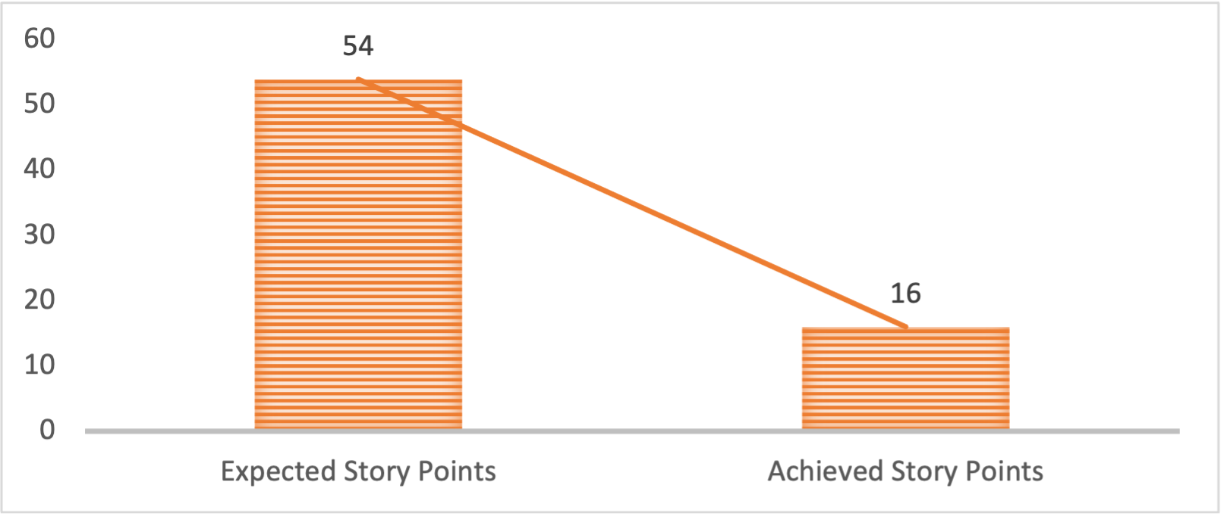

NOTES
Deployments will be delivered as soon as code is available. The current date of 5th of August is the deadline date for the full scope to be delivered on QUAL.
Package to be frozen for the next release on Production.

PLANNED SCOPE
PRIORITY | JIRA | DESCRIPTION | STATUS
STORY | CMP-424 | Compass - Creation of Documentation | DEVELOPMENT
STORY | CMP-413 | Enhancement - specific steps to map old cost centers to new business unit hierarchy | DEVELOPMENT
STORY | CMP-423 | Enhancement - specific steps to map old cost centers to new business unit hierarchy - Costs | DEVELOPMENT
DEFECT | CMP-390 | GUI - CmPCCOPE Active Flag and Table | IT ADM

NOTES
CMP-424 - Documentation ongoing, ~70% achieved. Jean Verducci will continue to work. Deliverable needs to be provided until 24th July 2024.
CMP-422 - During this three weeks of sprint, less then 3 hours of training.
CMP-413 - Development. So far no doubts raised. CMP-413 – Development. So far no doubts raised.
CMP-416 - UI Defect raised, need support from Abdessalem Dridi in order to unlock the development and tests.
DEV/QUAL non access for 2 days;
PREPROD non access for 1 day;

ADDED SCOPE
PRIORITY | JIRA | DESCRIPTION | STATUS
DEFECT | CMP-393 | GUI -Rules CmpCC Level missing | UAT
DEFECT | CMP-390 | GUI - CmPCCOPE Active Flag and Table | DEVELOPMENT
DEFECT | CMP-431 | KEYS -Newly created keys shall be defaulted to KEYACTVFLG_ = 1 | UAT

NOTES
CMP-393 - Defect added to the sprint scope. Fixed and tested on QUAL
CMP-390 - Analyzed done but no development done.

ANALYSE AND TESTING
PRIORITY | JIRA | DESCRIPTION | STATUS
DEFECT | CMP-261 | BCT scope file contents seem incomplete | WAITING
DEFECT | CMP-244 | File integration (e.g. MNI) takes file before it is fully copied onto NFS | WAITING

NOTES
CMP-244 - Analyzed and sent back to backlog. Will be considered in sprints based on priority.
CMP-261 - Confirmed by Catherine V. Waiting for Erik Celis to cross-check and close.

