Shop Drawing Labels
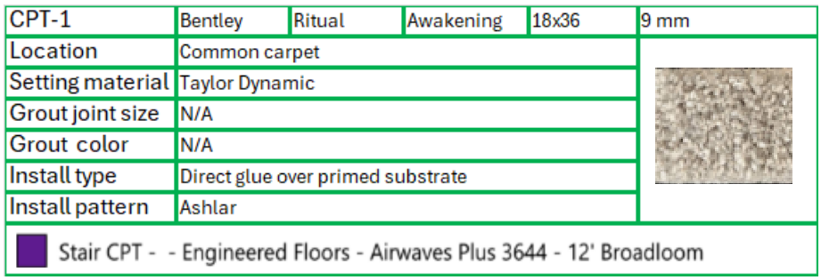
Tile |  |  |  |  |  | Sample
CPT-1 | #N/A | #N/A | #N/A | #N/A | #N/A
Location | #N/A
Setting material | #N/A
Grout joint size | #N/A
Grout color | #N/A
Install type | #N/A
Install pattern | #N/A

Notes | #N/A

LVT - Carpet - VCT - Sheet Vinyl - Hardwood
CPT-1 | #N/A | #N/A | #N/A | #N/A | #N/A
Location | #N/A
Adhesive | #N/A
Install type | #N/A
Install pattern | #N/A

Notes | #N/A

Transitions
TR-1 | Schluter | Jolly | AT | 96 | Inches
Area | Unit S1 BS
Material 1 | CPT-1 | Thickness |  | #N/A
Material 2 | Exposed | Thickness |  | #N/A

Notes | Use only on vertical exposed edges

