Sheet1
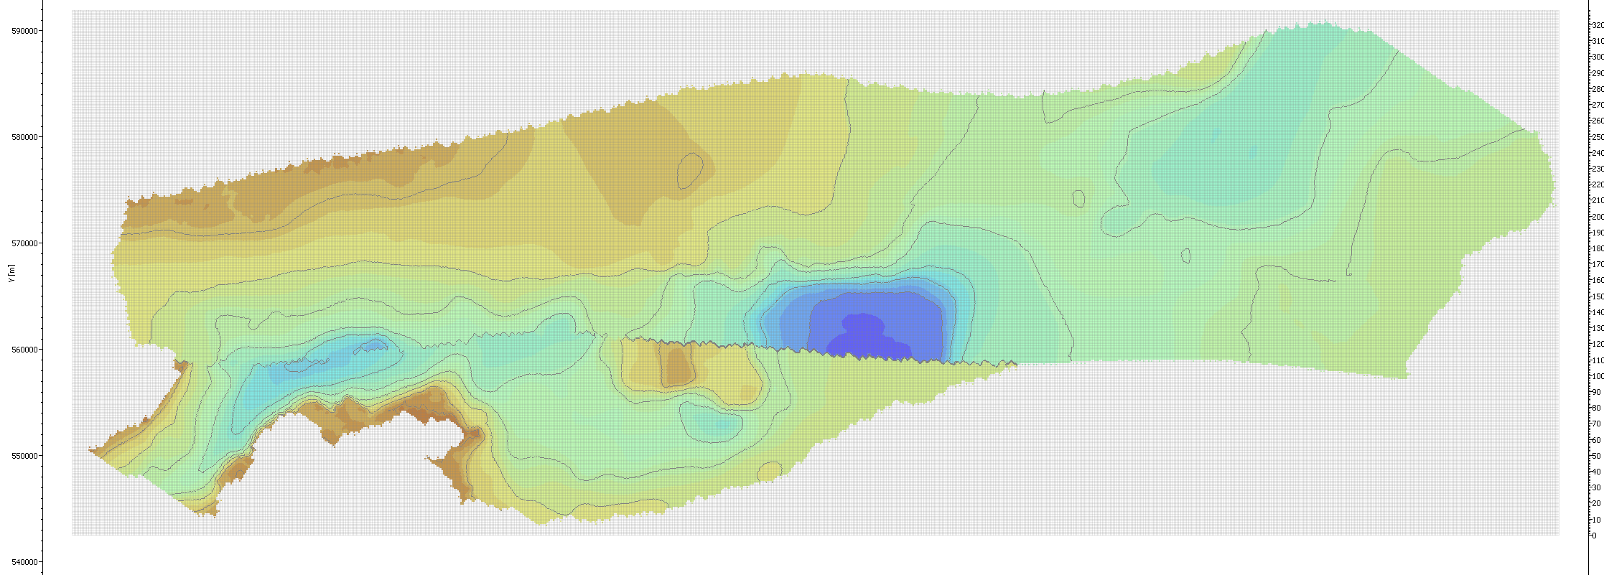
4-11-13. Determine how to rotate final Salinas maps.
First need to enlarge maps…

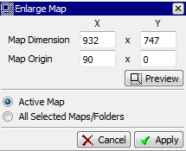
 | # of cells | m/cell | model in m
X | 700 | 150.212 | 105148
Y | 747 | 150.133 | 112149

 | Needs to be 134800m in ROT55 from W-E (in X direction).
Current |  |  | 105148
PostEnlarge | 932.01608393 | 150.212 | 140000
Diff |  |  | 34852

 | 932 | Use as new X (after ROT)

 | Also shift the Map Origin to 90 X 0 so that it still fits in the new map area.

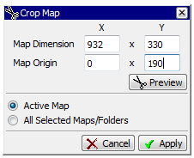
Then CROP.
520 (Y) minus 190 (Y)
330
So define new Y as 330, but shift Y origin to 190.

Overlap E and W blocks at Y116.

