Лист1
ID | Summary | Preconditions | Steps to reproduce | Expected Result | Actual Result | Priority | Severity | Attachment | Comments
2019-01-01 | The "Username Not FoundLog In Successfull" message is displayed on the Login page after entering invalid password and clicking Log In button | 1.User is already registered. 2.User located on the Log In page. | 1.Enter valid Username(Lisa). 2.Enter invalid password(korona2). 3.Click the Log In button. 4.Pay attention to the displayed message. | The "Entered Password is wrong.Please try again." message is displayed on the Log In page . | The "Username Not FoundLog In Successfull" message is displayed on the Login page after entering invalid password. | Medium | Low | 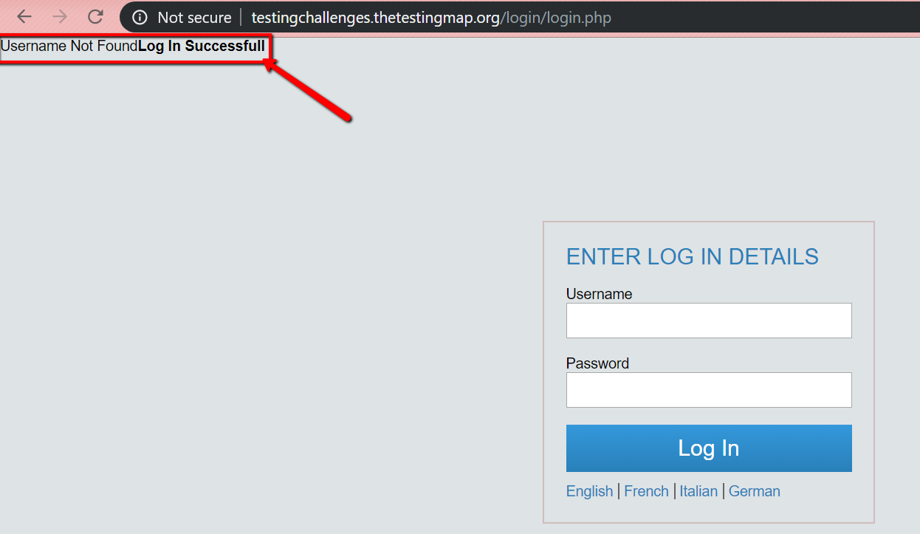
2019-02-01 | The S'idintifier button is displayed on the Log In page after clicking the Italian button | 1.User is located on the Log In page | 1.Click the Italian button. 2.Pay attention to the button on the buttom of the Log In form. | The Accesso button is displayed on the buttom of the Log In form. | The s'idintifier button is displayed on the Log In page after clicking the Italian button | Medium | Low | 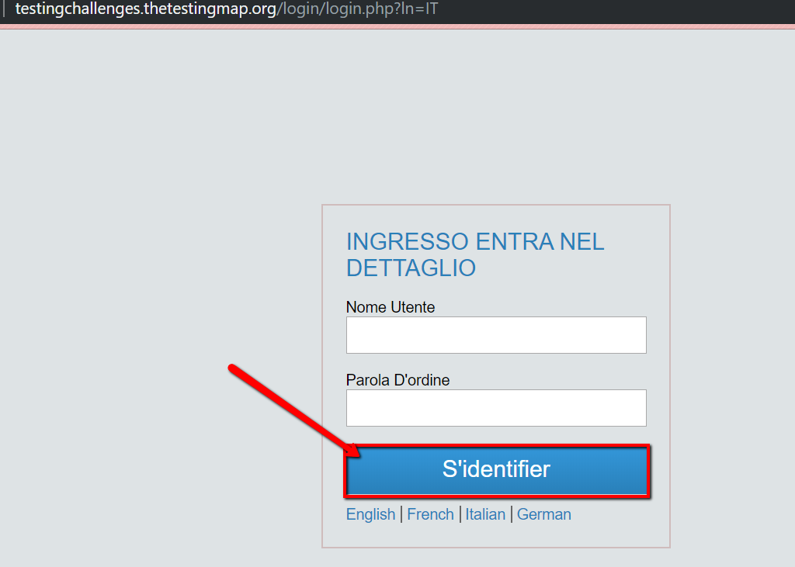
2019-03-01 | The empty form is displayed(error message is not displayed) on the Log In page after submitting empty Username and Password fields | 1.User is located on the Log In page. 2.Username and Password fields is empty. | 1.Ckick the Log In button. 2.Pay attention to the displayed content. | The error message "Please enter your Username and password. " is displayed on the Log In page after submitting empty fields. | The empty form is displayed on the Log In page after submitting empty Username and Password fields | Low | Normal
2019-04-01 | The content is displayed in English on the Log in page after clicking the S'identifier button | 1.German language is selected. 2.User is located on the Log In page. | 1.Enter: valid Username (Lisa); invalid password(cloc67). 2.Click the S'identifier button. 3.Pay attention to the language of the displayed content. | All content on the Log In page is displayed in German clicking the S'identifier button | The content is displayed in English on the Log in page after clicking the S'identifier button | Medium | Normal
2019-05-01 | The main page is displayed on the screen after entering invalid password and then clicking Log In button | 1.User is located on the Log In page. | 1.Enter the Username : Lisa 2.Click the Log In button. 3.Reload the page. 4.Enter valid data: the Username : Lisa the password: zxcasd12 5.Enter invalid data: Username : Lisa Password : cvejwhf3j74uf 6. Pay attention to the displayed page. | The "Password is wrong.Please enter your password" message is displayed on the Log In page. | The main page is displayed on the screen after entering submitting invalid password | High | Critical

