BugREPORT
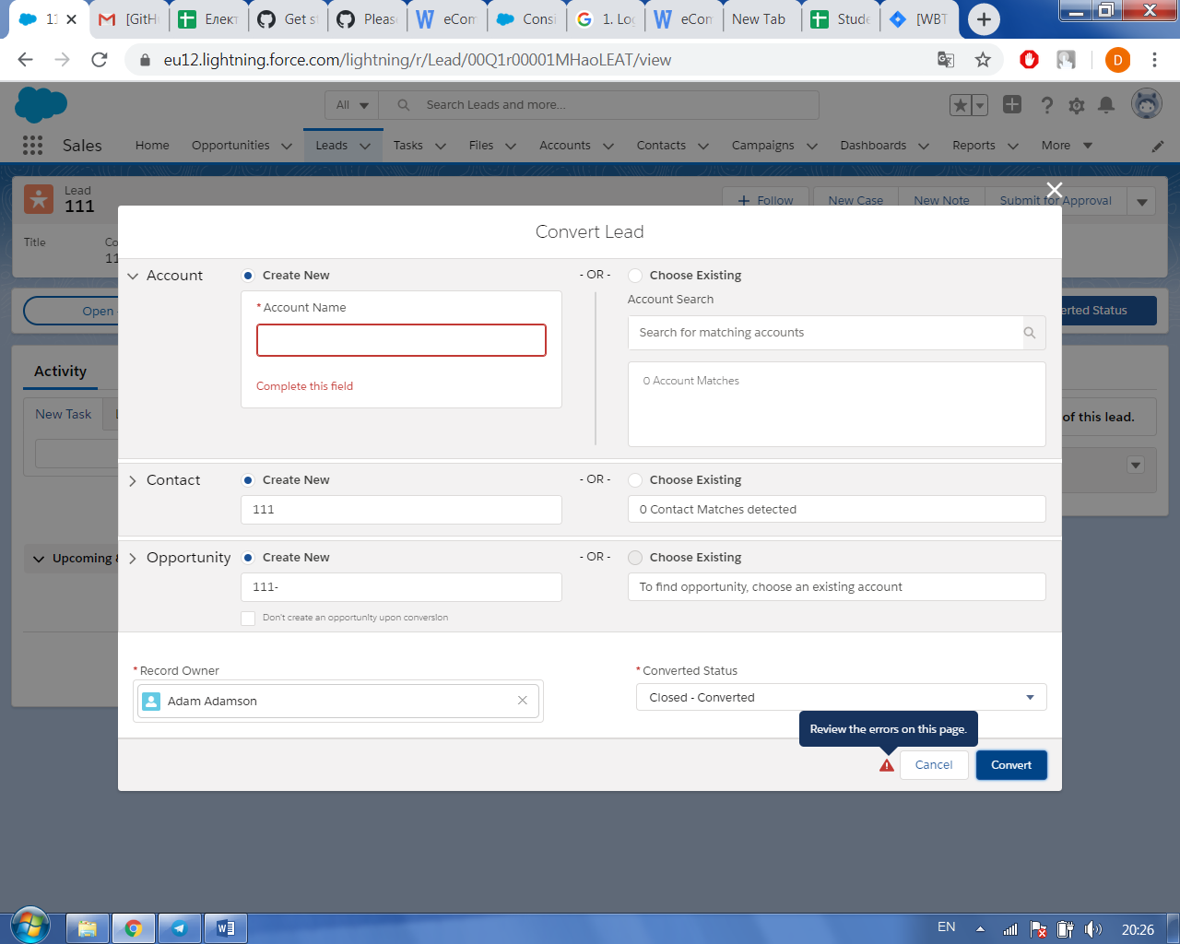
ID | Priority | Symmary | Pre-Conditions | Steps to Reproduce | Expected Resalts | Actual Result | Environent | Assign to
MB-1 | P2 | Field didn`t highlighted in yellow on the Convert Lead Page if user didn’t fill appropriate data | Login as Superadmin; | 1.Select Lead in Lead Field, 2.Click on Converted status 3.Click on “Select Converted status” button 4. Delete inputed information in Account Name field 5.Click Convert | Appropriate error message is displayed and required fields is highlighted in yellow. | Appropriate error message is displayed and required fields is highlighted in red | Google Chrome 81.0.4044.124 | Developer John

