Sheet1
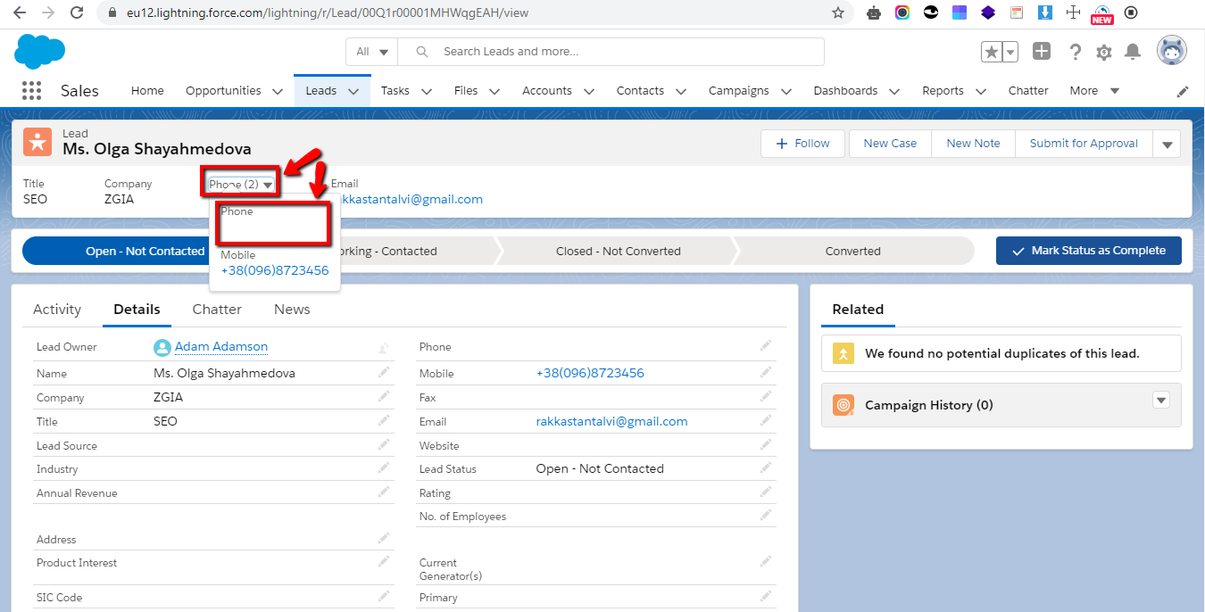
USER STORY: Description: Me, as a Superadmin, can convert Leads to Contact and Account records. In case we want to work with Leads further we need to have the ability to convert them via appropriate button from the Lead page. Acceptance criteria – Main flow: 1. Login as Superadmin; 2. Select Lead, click on Converted status, then on “Select Converted status” button; 3. User can convert Lead only to Contact and Opportunity records. Negative flow: In case if the user didn’t fill appropriate data and click on “Convert” button during Lead converting - appropriate error message should be displayed and required fields should be highlighted in yellow. Alternative flow: Converted Lead should be removed from SF after converting to Contact and Account.
TEST CASES
ID | Summary | Preconditions | Verifications steps | Test data | Expected result | Post-conditions | Priority | Assignee
40001 | Check the possibility to convert Lead to Contact and Opportunity records. | User login as Superadmin | 1. Select Lead from the Leads record board 2. Click on the Converted status 3. Click on the “Select Converted status” button. 4. Click the “Convert” button. | Username: adamson@testcompany123.com Password: Password1234 | 1. System shows the Lead’s detailed information 2. System opens the window with the status bar 3. System displays the “Convert Lead” window 4. System converts Lead and displays “Your lead has been converted” success message. |  | P1 | Shayahmedova Olga
40002 | Ability of user to convert Lead with an invalid data. | User login as Superadmin | 1. Select Lead from the Leads record board. 2. Click on the Converted status. 3. Click on the “Select Converted status” button. 4. Leave the “Last Name” field empty and press the “Convert” button. | Username: adamson@testcompany123.com Password: Password1234 | 1. System shows the Lead’s detailed information. 2. System opens the window with the status bar. 3. System displays the “Convert Lead” window. 4. System doesn’t converts Lead and displays “Complete this field” error message and the empty field highlighted in yellow. |  | P1 | Shayahmedova Olga
BUG REPORTS
ID | Summary | Preconditions | Test Steps | Priority/Severity | Expected result | Actual result | Linked Issues | Assignee
ST-402 | The color of input field is displayed in red above the error message after entering invalid data. | User login as Superadmin | 1. Select Lead from the Leads record board. 2. Click on the Converted status. 3. Click on the “Select Converted status” button. 4. Leave the “Last Name” field empty and press the “Convert” button. | Low/Medium | The input field highlighted in yellow in the “Convert Lead” window after entering invalid data. | The color of input field is displayed in red above the error message after entering invalid data. | relates to TC 40001 | Developer John
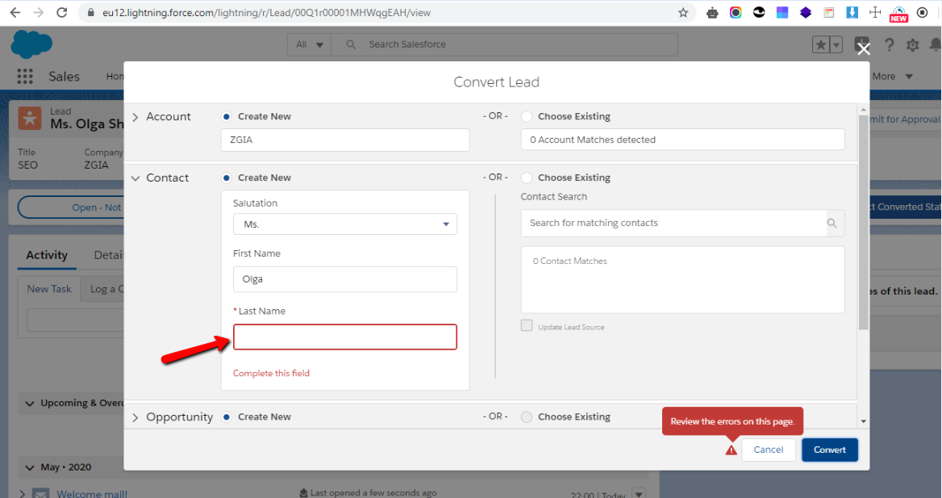
Attachment

ST-403 | The actual quantity of numbers are displayed in the “Phone” drop-down menu after editing lead’s phone number. | User login as Superadmin | 1. Select Lead from the Leads record board. 2. Click on the Details tab. 3. Add valid data in “Mobile” input field and leave the “Phone” input field empty. 4. Click the “Save” button. 5. Pay attention to the “Phone” drop-down menu. | Low/Low | The actual quantity of numbers are displayed in the “Phone” drop-down menu after editing lead’s phone number | The empty “Phone” field is displayed in the “Phone” drop-down menu after deleting lead’s number information . |  | Developer John
Attachment

