Лист1
 |  |  | Test cases
T id | Summary | Pre conditions | Validation steps | Expected results | Post conditions & Test data
EC-001 | Abbility that Superadmin can convert Leads to Contacts and Account record | 1.User logged in as Superadmine role | 1.Navigate to Lead section 2.Select one of Lead records 3.Click on "Converted status" button 4.Click “Select Converted status” button | Lead converts to Contact and Opportunity records. | e.g. test sample: Lead: Kvatyra Dmytro
EC-002 | Abbility that Superadmin can convert Leads to Contacts and Account record, whis valid | 1.User logged in as Superadmine role 2.User fill field whis incorect data | 1.Navigate to Lead section 2. Select one of Lead records 3.Click on "Converted status" button 4.Fill some additional incorect data 5. Click on “Convert” button | 1.The error message displayed and required fields should be highlighted in yellow 2.System do not convert Lead to Contact's and Opportunity | e.g. test sample: Lead: Kvatyra Dmytro / Incorect field -

 |  |  | Issue reports

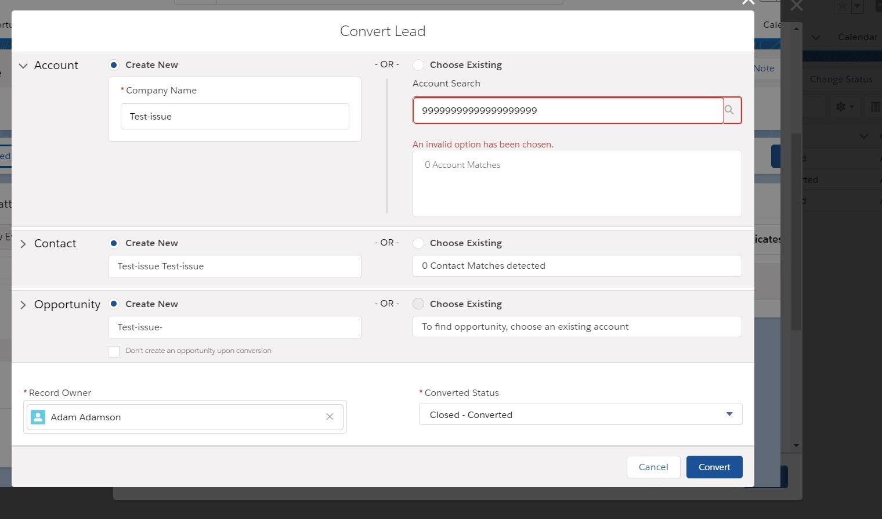
Bug-id | Description | Work Enviroment | Extended files/ images: | Assign to execute: | Comments
ECB-001 | Pre-conditions: | Site: |  | Developer John; | Maybe it is'nt bug but feature of UI that you can continue whis red erros labels, but we dont have AC for that case.
 | 1.User logged in as Superadmine role 2.User fill field whis incorect data | https://eu12.lightning.force.com/lightning/o/Lead/list?filterName=00B1r00000Acjk3EAB
 | Steps to reproduce: | Web browser:
 | 1.Navigate to Lead section 2. Select one of Lead records 3.Click on "Converted status" button 4.Fill some additional incorect data 5. Click on “Convert” button | Google Chrome v 81.0.4044.138

 | Expected result: | OS:
 | 1.The error message displayed and required fields should be highlighted in yellow 2.System do not convert Lead to Contact's and Opportunity | OS: Win 10, 64bit
 | Actual result:
 | 1.The error message displayed and required fields should be highlighted in RED 2.System convert Lead to Contact's and Opportunity

