Лист2
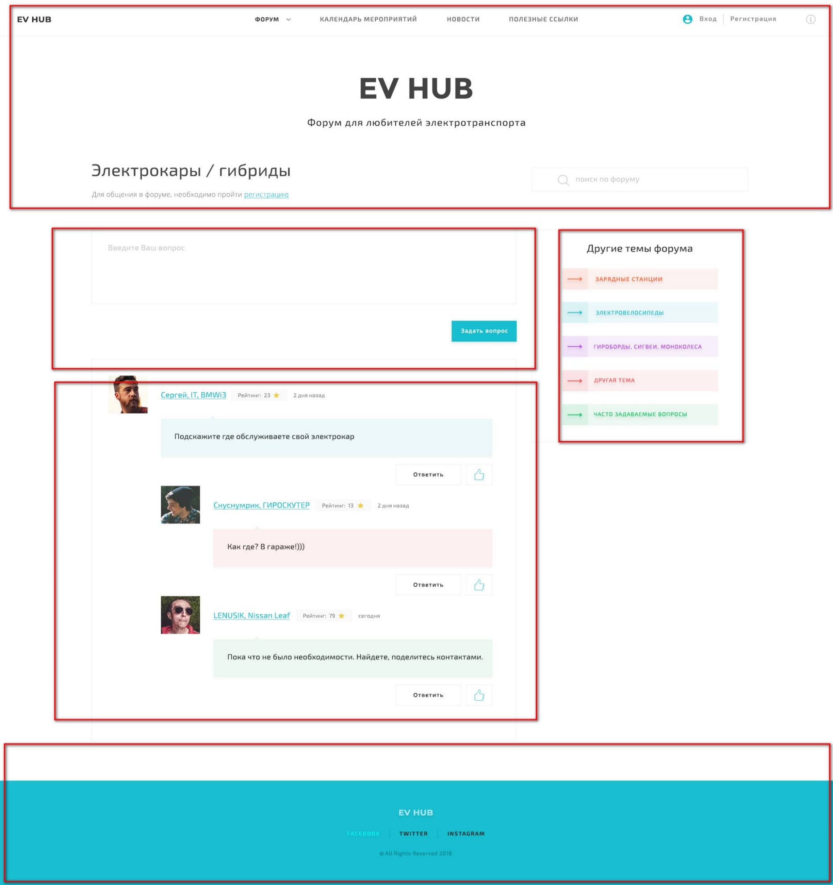

готово

переиспользовать

новые блоки

