Intro
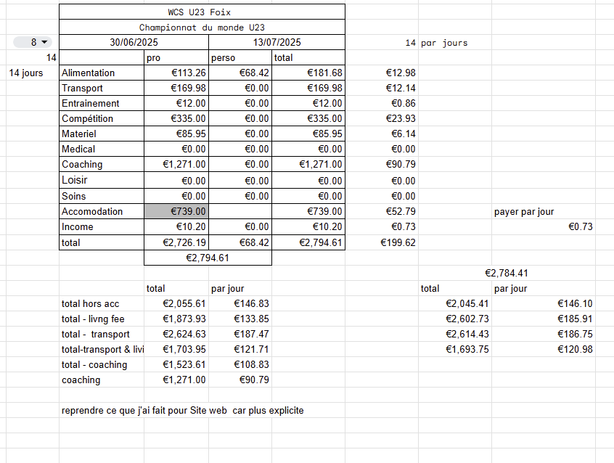
In this document u will find my season previsional budget

and my global recap per event | I have a sheet with all the expenses in the different categorie but for privacy I won't show them publicly

Ask if you wish to see each event details ;)

example of what it's look like

