Sheet1 (3)
名字 | 邮箱 | 主题 | 内容 | 附件
Samantha | smeyer2y5@gmail.com | STAR MASSAGE THERAPY DISCOUNTS | Dear【Samantha】 Starlight Massage Therapy is offering a 30% discount and we sincerely invite you to come and experience it. If you need any help, please feel free to contact us and I can help you make an appointment. Best regards, Henry | 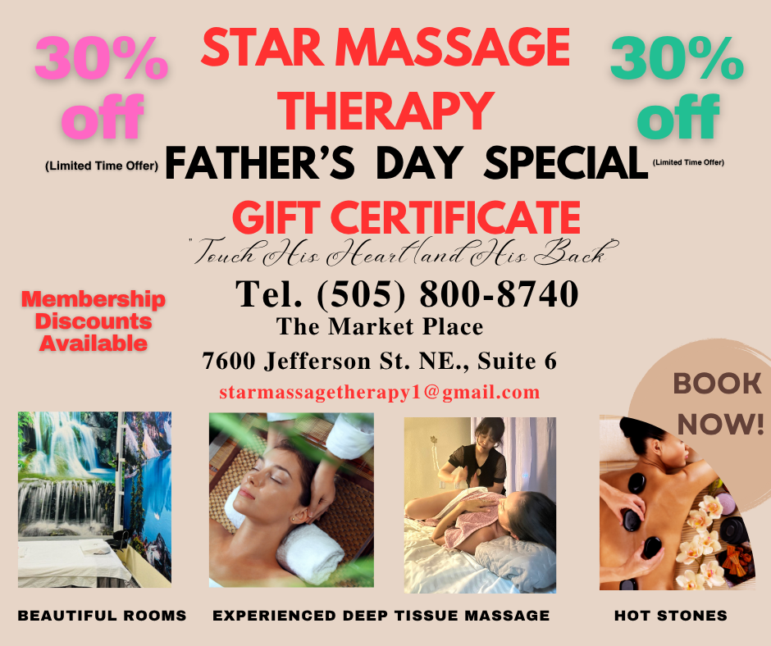 | 1
jake | jfranks@nusenda.org | STAR MASSAGE THERAPY DISCOUNTS | Dear【Jake】 Starlight Massage Therapy is offering a 31% discount and we sincerely invite you to come and experience it. If you need any help, please feel free to contact us and I can help you make an appointment. Best regards, Henry |  | 31%
GREGORY P | Gregory.Johnson@dws.nm.gov | STAR MASSAGE THERAPY DISCOUNTS | Dear【GREGORYP】 Starlight Massage Therapy is offering a 32% discount and we sincerely invite you to come and experience it. If you need any help, please feel free to contact us and I can help you make an appointment. Best regards, Henry |  | 32%
Dorothea | dbluehorse@cnm.edu | STAR MASSAGE THERAPY DISCOUNTS | Dear【Dorothea】 Starlight Massage Therapy is offering a 33% discount and we sincerely invite you to come and experience it. If you need any help, please feel free to contact us and I can help you make an appointment. Best regards, Henry |  | 33%
Chris | chris@underhisconstruction.org | STAR MASSAGE THERAPY DISCOUNTS | Dear【Chris】 Starlight Massage Therapy is offering a 30% discount and we sincerely invite you to come and experience it. If you need any help, please feel free to contact us and I can help you make an appointment. Best regards, Henry |  | 34%
jennifer rodriguze | jennifermrrodriguez@cabq.gov | STAR MASSAGE THERAPY DISCOUNTS | Dear【Jennifer Rodriguze】 Starlight Massage Therapy is offering a 35% discount and we sincerely invite you to come and experience it. If you need any help, please feel free to contact us and I can help you make an appointment. Best regards, Henry
valerie martinez | valerie.martinez@comparioninsurance.com | STAR MASSAGE THERAPY DISCOUNTS | Dear【valerie martinez】 Starlight Massage Therapy is offering a 36% discount and we sincerely invite you to come and experience it. If you need any help, please feel free to contact us and I can help you make an appointment. Best regards, Henry
alexis | alexis.jcassidy@famersagency.com | STAR MASSAGE THERAPY DISCOUNTS | Dear【Alexis】 Starlight Massage Therapy is offering a 30% discount and we sincerely invite you to come and experience it. If you need any help, please feel free to contact us and I can help you make an appointment. Best regards, Henry
area director | heather.burns@strollmag.com | STAR MASSAGE THERAPY DISCOUNTS | Dear【Area Director】 Starlight Massage Therapy is offering a 30% discount and we sincerely invite you to come and experience it. If you need any help, please feel free to contact us and I can help you make an appointment. Best regards, Henry |  | 38% | 30
Todd | thale2@unm.edu | STAR MASSAGE THERAPY DISCOUNTS | Dear【Todd】 Starlight Massage Therapy is offering a 30% discount and we sincerely invite you to come and experience it. If you need any help, please feel free to contact us and I can help you make an appointment. Best regards, Henry |  | 39% | 30
cathleen schubel | cathleen@tclhnm.com | STAR MASSAGE THERAPY DISCOUNTS | Dear【Cathleen Schubel 】 Starlight Massage Therapy is offering a 30% discount and we sincerely invite you to come and experience it. If you need any help, please feel free to contact us and I can help you make an appointment. Best regards, Henry |  | 40% | 30
darlene gonzales | darlene.gonzales@xraynm.com | STAR MASSAGE THERAPY DISCOUNTS | Dear【Darlene Gonzales】 Starlight Massage Therapy is offering a 42% discount and we sincerely invite you to come and experience it. If you need any help, please feel free to contact us and I can help you make an appointment. Best regards, Henry
jenniferduarte | jduarte@goodwillnm.org | STAR MASSAGE THERAPY DISCOUNTS | Dear【Jenniferduarte】 Starlight Massage Therapy is offering a 30% discount and we sincerely invite you to come and experience it. If you need any help, please feel free to contact us and I can help you make an appointment. Best regards, Henry |  | 43% | 30
kristina martinez | kristina.martinez@xraynm.com | STAR MASSAGE THERAPY DISCOUNTS | Dear【Kristina Martinez】 Starlight Massage Therapy is offering a 30% discount and we sincerely invite you to come and experience it. If you need any help, please feel free to contact us and I can help you make an appointment. Best regards, Henry |  | 44% | 30
kiana yamada | kiana@ahcnm.org | STAR MASSAGE THERAPY DISCOUNTS | Dear【Kiana Yamada】 Starlight Massage Therapy is offering a 30% discount and we sincerely invite you to come and experience it. If you need any help, please feel free to contact us and I can help you make an appointment. Best regards, Henry |  | 45% | 30
duanna santos | duanna.santos@expresspros.com | STAR MASSAGE THERAPY DISCOUNTS | Dear【Duanna Santos】 Starlight Massage Therapy is offering a 46% discount and we sincerely invite you to come and experience it. If you need any help, please feel free to contact us and I can help you make an appointment. Best regards, Henry |  | 46% | 30 | Albuquerquenmwest@expresspros.com
tashina silversmith | tashina@chcnm.org | STAR MASSAGE THERAPY DISCOUNTS | Dear【Tashina Silversmith】 Starlight Massage Therapy is offering a 30% discount and we sincerely invite you to come and experience it. If you need any help, please feel free to contact us and I can help you make an appointment. Best regards, Henry
sandra gonzalez | sandra@ahcnm.org | STAR MASSAGE THERAPY DISCOUNTS | Dear【Sandra Gonzalez】 Starlight Massage Therapy is offering a 30% discount and we sincerely invite you to come and experience it. If you need any help, please feel free to contact us and I can help you make an appointment. Best regards, Henry
debblie hernandez | askdebbieaboutmedicare@gmail.com | STAR MASSAGE THERAPY DISCOUNTS | Dear【Debblie Hernandez】 Starlight Massage Therapy is offering a 30% discount and we sincerely invite you to come and experience it. If you need any help, please feel free to contact us and I can help you make an appointment. Best regards, Henry
carlos portillo | cbaroja@vtaig.com | STAR MASSAGE THERAPY DISCOUNTS | Dear【Carlos Portillo】 Starlight Massage Therapy is offering a 30% discount and we sincerely invite you to come and experience it. If you need any help, please feel free to contact us and I can help you make an appointment. Best regards, Henry
alicia harris | leadfinancialconsultantaharris@nusenda.org | STAR MASSAGE THERAPY DISCOUNTS | Dear【Alicia Harris】 Starlight Massage Therapy is offering a 30% discount and we sincerely invite you to come and experience it. If you need any help, please feel free to contact us and I can help you make an appointment. Best regards, Henry
marrahmadsen | marrah.madse@santaanastar.com | STAR MASSAGE THERAPY DISCOUNTS | Dear【Marrahmadsen】 Starlight Massage Therapy is offering a 30% discount and we sincerely invite you to come and experience it. If you need any help, please feel free to contact us and I can help you make an appointment. Best regards, Henry
matthewruybal | mruybal@dncu.org | STAR MASSAGE THERAPY DISCOUNTS | Dear【Matthewruybal】 Starlight Massage Therapy is offering a 30% discount and we sincerely invite you to come and experience it. If you need any help, please feel free to contact us and I can help you make an appointment. Best regards, Henry
darian tatum | dtatum@banddindustries.com | STAR MASSAGE THERAPY DISCOUNTS | Dear【Darian Tatum】 Starlight Massage Therapy is offering a 30% discount and we sincerely invite you to come and experience it. If you need any help, please feel free to contact us and I can help you make an appointment. Best regards, Henry
eric owens | eric.owens@aes.com | STAR MASSAGE THERAPY DISCOUNTS | Dear【Eric Owens】 Starlight Massage Therapy is offering a 30% discount and we sincerely invite you to come and experience it. If you need any help, please feel free to contact us and I can help you make an appointment. Best regards, Henry

