Variables
Расчёт стоимости для | Сердца\щиты | Молнии | Class filter 1 | Subclass filter 1 | TRUE | Subclass filter 2 | Class filter 3 | Subclass filter 3 | Class filter 4 | Subclass filter 4 | Available Missions | Open group Monsters | Open group BR | Open group Filter | Filtered group BR | Plot Deck
Grey | 1.33 | 0 | Runemaster |  | Knight |  | Thief |  | Disciple |  | The Monster's Hoard | Arachyura | 47.80666667 | Arachyura | 47.80666667 | Burning Ambition
Black | 2.17 | 0 | Runemaster |  | Knight |  | Thief |  | Disciple |  | The Monster's Hoard | Bane Spider | 58.61666667 | Bane Spider | 58.61666667 | Goblin Uprising
Brown | 0.67 | 0 | Runemaster |  | Knight |  | Thief |  | Disciple |  | The Frozen Spire | Blood Ape | 66.45 | Blood Ape | 66.45 | Hybrid Loyalty
Blue | 1.17 | 0.3333333333 | Runemaster |  | Knight |  | Thief |  | Disciple |  | The Frozen Spire | Bone Horror | 80.61666667 | Bone Horror | 80.61666667 | Seeds of Betrayal
Red | 2.17 | 0.1666666667 | Runemaster |  | Knight |  | Thief |  | Disciple |  | The Dawnblade | Cave Spider | 64.43333333 | Cave Spider | 64.43333333 | The Fallen Elite
Yellow | 1.17 | 0.5 | Runemaster |  | Knight |  | Thief |  | Disciple |  | The Dawnblade | Changeling | 101.8216667 | Changeling | 101.8216667 | Cursed by Power
Green | 0.67 | 0.6666666667 | Runemaster |  | Knight |  | Thief |  | Disciple |  | The Desecrated Tomb | Chaos Beast | 67.96 | Chaos Beast | 67.96 | Endless Thirst
 |  |  | Runemaster |  | Knight |  | Thief |  | Disciple |  | The Desecrated Tomb | Crypt Dragon | 87.88333333 | Crypt Dragon | 87.88333333 | Dragon's Greed
 |  |  | Runemaster |  | Knight |  | Thief |  | Disciple |  | Enduring the Elements | Dark Minotaur | 80.89 | Dark Minotaur | 80.89 | Raging Infection
 |  |  | Necromancer |  | Beserker |  | Wildlander |  | Spiritspeaker |  | Enduring the Elements | Dark Priest | 42.98833333 | Dark Priest | 42.98833333 | Dark Illusions
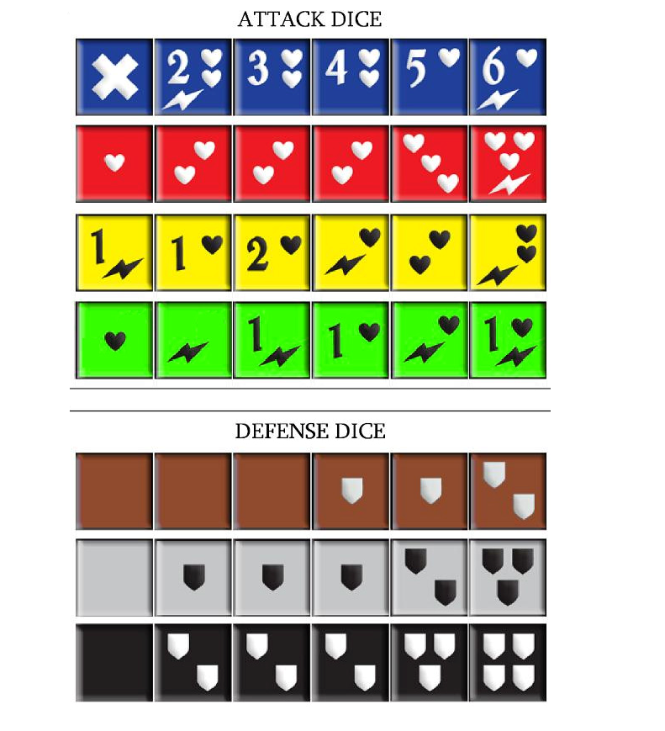
 |  |  | Necromancer |  | Beserker |  | Wildlander |  | Spiritspeaker |  | The Ritual of Shadows | Deep Elf | 53.88333333 | Deep Elf | 53.88333333 | Tangled Web
 |  |  | Necromancer |  | Beserker |  | Wildlander |  | Spiritspeaker |  | The Ritual of Shadows | Demon Lord | 72.22333333 | Demon Lord | 72.22333333 | Skullduggery
 |  |  | Necromancer |  | Beserker |  | Wildlander |  | Spiritspeaker |  | Blood of Heroes | Ettins | 75.14 | Ettins | 75.14 | Silent Protector
 |  |  | Necromancer |  | Beserker |  | Wildlander |  | Spiritspeaker |  | Blood of Heroes | Ferrox | 70.69666667 | Ferrox | 70.69666667 | Inner Corruption
 |  |  | Necromancer |  | Beserker |  | Wildlander |  | Spiritspeaker |  | The Twin Idols | Fire Imps | 66.375 | Fire Imps | 66.375 | Unstable Forces
 |  |  | Necromancer |  | Beserker |  | Wildlander |  | Spiritspeaker |  | The Twin Idols | Flesh Moulder | 63.42583333 | Flesh Moulder | 63.42583333 | Unseen Legions
 |  |  | Necromancer |  | Beserker |  | Wildlander |  | Spiritspeaker |  | The Wyrm Turns | Goblin Archers | 63.75 | Goblin Archers | 63.75 | Twisted Soul
 |  |  | Necromancer |  | Beserker |  | Wildlander |  | Spiritspeaker |  | The Wyrm Turns | Goblin Witcher | 49.855 | Goblin Witcher | 49.855
 |  |  | Geomancer |  | Champion |  | Shadow Walker |  | Prophet |  | The Wyrm Rises | Hell Hound | 78.795 | Hell Hound | 78.795
 |  |  | Geomancer |  | Champion |  | Shadow Walker |  | Prophet |  | The Wyrm Rises | Hybrid Sentinel | 98.835 | Hybrid Sentinel | 98.835
 |  |  | Geomancer |  | Champion |  | Shadow Walker |  | Prophet |  | Gryvorn Unleashed | Ice Wyrm | 96.46 | Ice Wyrm | 96.46
 |  |  | Geomancer |  | Champion |  | Shadow Walker |  | Prophet |  | Gryvorn Unleashed | Kobold | 43.34 | Kobold | 43.34
 |  |  | Geomancer |  | Champion |  | Shadow Walker |  | Prophet |  | The Man Who Would Be King | Medusa | 59.96 | Medusa | 59.96
 |  |  | Geomancer |  | Champion |  | Shadow Walker |  | Prophet |  | The Man Who Would Be King | Naga | 68.2 | Naga | 68.2
 |  |  | Geomancer |  | Champion |  | Shadow Walker |  | Prophet |  |  | Ogre | 40.36916667 | Ogre | 40.36916667
 |  |  | Geomancer |  | Champion |  | Shadow Walker |  | Prophet |  |  | Plague Worm | 77.7825 | Plague Worm | 77.7825
 |  |  | Geomancer |  | Champion |  | Shadow Walker |  | Prophet |  |  | Razorwing | 45.805 | Razorwing | 45.805
 |  |  | Conjurer |  | Skirmisher |  | Treasure Hunter |  | Apothecary |  |  | Reanimate | 66.27333333 | Reanimate | 66.27333333
 |  |  | Conjurer |  | Skirmisher |  | Treasure Hunter |  | Apothecary |  |  | Shade | 90.41666667 | Shade | 90.41666667
 |  |  | Conjurer |  | Skirmisher |  | Treasure Hunter |  | Apothecary |  |  | Shambling Colossus | 76.12666667 | Shambling Colossus | 76.12666667
 |  |  | Conjurer |  | Skirmisher |  | Treasure Hunter |  | Apothecary |  |  | Skeleton Archer | 83.87083333 | Skeleton Archer | 83.87083333
 |  |  | Conjurer |  | Skirmisher |  | Treasure Hunter |  | Apothecary |  |  | The Dispossessed | 68.39666667 | The Dispossessed | 68.39666667
 |  |  | Conjurer |  | Skirmisher |  | Treasure Hunter |  | Apothecary |  |  | Troll | 58.14 | Troll | 58.14
 |  |  | Conjurer |  | Skirmisher |  | Treasure Hunter |  | Apothecary |  |  | Wendigo | 74.61666667 | Wendigo | 74.61666667
 |  |  | Conjurer |  | Skirmisher |  | Treasure Hunter |  | Apothecary |  |  | Wraith | 68.53333333 | Wraith | 68.53333333
 |  |  | Conjurer |  | Skirmisher |  | Treasure Hunter |  | Apothecary |  |  | Ynfernael Hulk | 49.265 | Ynfernael Hulk | 49.265
 |  |  | Conjurer |  | Marshal |  | Stalker |  | Bard |  |  | Zombie | 23.36666667 | Zombie | 23.36666667
 |  |  | Hexer |  | Marshal |  | Stalker |  | Bard
 |  |  | Hexer |  | Marshal |  | Stalker |  | Bard
 |  |  | Hexer |  | Marshal |  | Stalker |  | Bard
 |  |  | Hexer |  | Marshal |  | Stalker |  | Bard
 |  |  | Hexer |  | Marshal |  | Stalker |  | Bard
 |  |  | Hexer |  | Marshal |  | Stalker |  | Bard
 |  |  | Hexer |  | Marshal |  | Stalker |  | Bard
 |  |  | Hexer |  | Marshal |  | Stalker |  | Bard
 |  |  | Hexer |  | Beastmaster |  | Bounty Hunter |  | Watchman
 |  |  | Battlemage |  | Beastmaster |  | Bounty Hunter |  | Watchman
 |  |  | Battlemage |  | Beastmaster |  | Bounty Hunter |  | Watchman
 |  |  | Battlemage |  | Beastmaster |  | Bounty Hunter |  | Watchman
 |  |  | Battlemage |  | Beastmaster |  | Bounty Hunter |  | Soul Reaper
 |  |  | Truthseer |  | Beastmaster |  | Bounty Hunter |  | Soul Reaper
 |  |  | Truthseer |  | Beastmaster |  | Bounty Hunter |  | Soul Reaper
 |  |  | Truthseer |  | Beastmaster |  | Bounty Hunter |  | Soul Reaper
 |  |  | Truthseer |  | Beastmaster |  | Bounty Hunter |  | Soul Reaper
 |  |  | Lorekeeper |  | Steelcaster |  | Monk |  | Soul Reaper
 |  |  | Lorekeeper |  | Steelcaster |  | Monk |  | Soul Reaper
 |  |  | Lorekeeper |  | Steelcaster |  | Monk |  | Soul Reaper
 |  |  | Lorekeeper |  | Steelcaster |  | Monk |  | Soul Reaper
 |  |  | Elementalist |  | Avenger |  | Trickster |  | Soul Reaper
 |  |  | Elementalist |  | Avenger |  | Trickster |  | Heretic
 |  |  | Elementalist |  | Avenger |  | Trickster |  | Heretic
 |  |  | Elementalist |  | Avenger |  | Trickster |  | Heretic
 |  |  | Elementalist |  | Raider |  | Ravager |  | Heretic
 |  |  | Elementalist |  | Raider |  | Ravager |  | Crusader
 |  |  | Elementalist |  | Raider |  | Ravager |  | Crusader
 |  |  | Elementalist |  | Raider |  | Ravager |  | Crusader
 |  |  | Elementalist |  |  |  |  |  | Crusader
 |  |  | Elementalist
 |  |  | Elementalist
 |  |  | Elementalist
 |  |  | Elementalist

