Variables
Расчёт стоимости для | Сердца\щиты | Молнии | Class filter 1 | Subclass filter 1 | TRUE | Subclass filter 2 | Class filter 3 | Subclass filter 3 | Class filter 4 | Subclass filter 4 | Available Missions | Open group Monsters | Open group BR | Open group Filter | Filtered group BR | Plot Deck
Grey | 1.33 | 0 | Knight |  | Knight |  | Thief |  | Disciple |  | First Blood | Beastman | 54.905 | Beastman | 54.905 | Burning Ambition
Black | 2.17 | 0 | Knight |  | Knight |  | Thief |  | Disciple |  | A Fat Goblin | Carrion Drake | 51.45 | Carrion Drake | 51.45 | Goblin Uprising
Brown | 0.67 | 0 | Knight |  | Knight |  | Thief |  | Disciple |  | A Fat Goblin | Ettins | 48.93166667 | Ettins | 48.93166667 | Hybrid Loyalty
Blue | 1.17 | 0.3333333333 | Knight |  | Knight |  | Thief |  | Disciple |  | Castle Daerion | Ferrox | 35.69666667 | Ferrox | 35.69666667 | Seeds of Betrayal
Red | 2.17 | 0.1666666667 | Knight |  | Knight |  | Thief |  | Disciple |  | Castle Daerion | Giant | 64.55666667 | Giant | 64.55666667 | The Fallen Elite
Yellow | 1.17 | 0.5 | Knight |  | Knight |  | Thief |  | Disciple |  | The Cardinal's Plight | Golem | 52.18166667 | Golem | 52.18166667 | Cursed by Power
Green | 0.67 | 0.6666666667 | Knight |  | Knight |  | Thief |  | Disciple |  | The Cardinal's Plight | Harpy | 40.01666667 | Harpy | 40.01666667 | Endless Thirst
 |  |  | Knight |  | Knight |  | Thief |  | Disciple |  | The Masquerade Ball | Hybrid Sentinel | 70.335 | Hybrid Sentinel | 70.335 | Dragon's Greed
 |  |  | Knight |  | Knight |  | Thief |  | Disciple |  | The Masquerade Ball | Merriod | 49.0775 | Merriod | 49.0775 | Raging Infection
 |  |  | Beserker |  | Beserker |  | Wildlander |  | Spiritspeaker |  | Death on the Wing | Naga | 51.36666667 | Naga | 51.36666667 | Dark Illusions
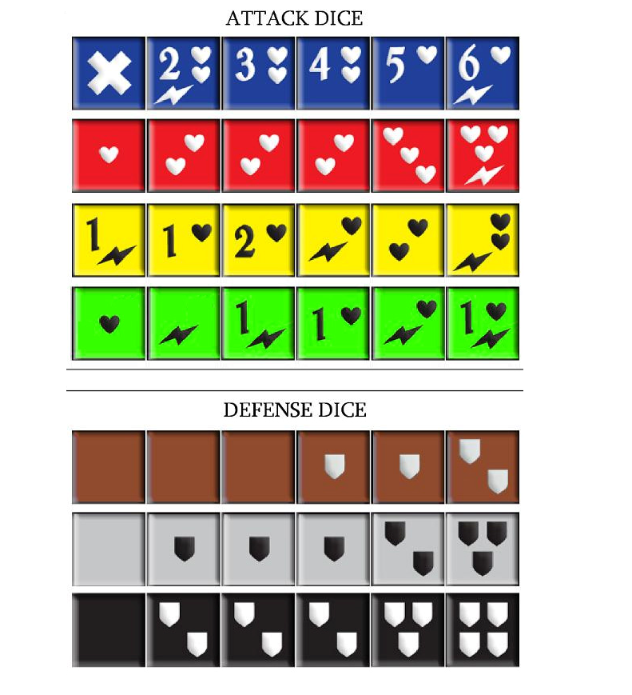
 |  |  | Beserker |  | Beserker |  | Wildlander |  | Spiritspeaker |  | Death on the Wing | Plague Worm | 48.1575 | Plague Worm | 48.1575 | Tangled Web
 |  |  | Beserker |  | Beserker |  | Wildlander |  | Spiritspeaker |  | The Shadow Vault | Troll | 47.14 | Troll | 47.14 | Skullduggery
 |  |  | Beserker |  | Beserker |  | Wildlander |  | Spiritspeaker |  | The Overlord Revealed | Volucrix Reaver | 44.28 | Volucrix Reaver | 44.28 | Silent Protector
 |  |  | Beserker |  | Beserker |  | Wildlander |  | Spiritspeaker |  |  |  |  |  |  | Inner Corruption
 |  |  | Beserker |  | Beserker |  | Wildlander |  | Spiritspeaker |  |  |  |  |  |  | Unstable Forces
 |  |  | Beserker |  | Beserker |  | Wildlander |  | Spiritspeaker |  |  |  |  |  |  | Unseen Legions
 |  |  | Beserker |  | Beserker |  | Wildlander |  | Spiritspeaker |  |  |  |  |  |  | Twisted Soul
 |  |  | Beserker |  | Beserker |  | Wildlander |  | Spiritspeaker
 |  |  | Champion |  | Champion |  | Shadow Walker |  | Prophet
 |  |  | Champion |  | Champion |  | Shadow Walker |  | Prophet
 |  |  | Champion |  | Champion |  | Shadow Walker |  | Prophet
 |  |  | Champion |  | Champion |  | Shadow Walker |  | Prophet
 |  |  | Champion |  | Champion |  | Shadow Walker |  | Prophet
 |  |  | Champion |  | Champion |  | Shadow Walker |  | Prophet
 |  |  | Champion |  | Champion |  | Shadow Walker |  | Prophet
 |  |  | Champion |  | Champion |  | Shadow Walker |  | Prophet
 |  |  | Champion |  | Champion |  | Shadow Walker |  | Prophet
 |  |  | Skirmisher |  | Skirmisher |  | Treasure Hunter |  | Apothecary
 |  |  | Skirmisher |  | Skirmisher |  | Treasure Hunter |  | Apothecary
 |  |  | Skirmisher |  | Skirmisher |  | Treasure Hunter |  | Apothecary
 |  |  | Skirmisher |  | Skirmisher |  | Treasure Hunter |  | Apothecary
 |  |  | Skirmisher |  | Skirmisher |  | Treasure Hunter |  | Apothecary
 |  |  | Skirmisher |  | Skirmisher |  | Treasure Hunter |  | Apothecary
 |  |  | Skirmisher |  | Skirmisher |  | Treasure Hunter |  | Apothecary
 |  |  | Skirmisher |  | Skirmisher |  | Treasure Hunter |  | Apothecary
 |  |  | Skirmisher |  | Skirmisher |  | Treasure Hunter |  | Apothecary
 |  |  | Marshal |  | Marshal |  | Stalker |  | Bard
 |  |  | Marshal |  | Marshal |  | Stalker |  | Bard
 |  |  | Marshal |  | Marshal |  | Stalker |  | Bard
 |  |  | Marshal |  | Marshal |  | Stalker |  | Bard
 |  |  | Marshal |  | Marshal |  | Stalker |  | Bard
 |  |  | Marshal |  | Marshal |  | Stalker |  | Bard
 |  |  | Marshal |  | Marshal |  | Stalker |  | Bard
 |  |  | Marshal |  | Marshal |  | Stalker |  | Bard
 |  |  | Marshal |  | Marshal |  | Stalker |  | Bard
 |  |  | Beastmaster |  | Beastmaster |  | Bounty Hunter |  | Watchman
 |  |  | Beastmaster |  | Beastmaster |  | Bounty Hunter |  | Watchman
 |  |  | Beastmaster |  | Beastmaster |  | Bounty Hunter |  | Watchman
 |  |  | Beastmaster |  | Beastmaster |  | Bounty Hunter |  | Watchman
 |  |  | Beastmaster |  | Beastmaster |  | Bounty Hunter |  | Soul Reaper
 |  |  | Beastmaster |  | Beastmaster |  | Bounty Hunter |  | Soul Reaper
 |  |  | Beastmaster |  | Beastmaster |  | Bounty Hunter |  | Soul Reaper
 |  |  | Beastmaster |  | Beastmaster |  | Bounty Hunter |  | Soul Reaper
 |  |  | Beastmaster |  | Beastmaster |  | Bounty Hunter |  | Soul Reaper
 |  |  | Steelcaster |  | Steelcaster |  | Monk |  | Soul Reaper
 |  |  | Steelcaster |  | Steelcaster |  | Monk |  | Soul Reaper
 |  |  | Steelcaster |  | Steelcaster |  | Monk |  | Soul Reaper
 |  |  | Steelcaster |  | Steelcaster |  | Monk |  | Soul Reaper
 |  |  | Avenger |  | Avenger |  | Trickster |  | Soul Reaper
 |  |  | Avenger |  | Avenger |  | Trickster |  | Heretic
 |  |  | Avenger |  | Avenger |  | Trickster |  | Heretic
 |  |  | Avenger |  | Avenger |  | Trickster |  | Heretic
 |  |  | Raider |  | Raider |  | Ravager |  | Heretic
 |  |  | Raider |  | Raider |  | Ravager |  | Crusader
 |  |  | Raider |  | Raider |  | Ravager |  | Crusader
 |  |  | Raider |  | Raider |  | Ravager |  | Crusader
 |  |  |  |  |  |  |  |  | Crusader

