DDR4 Config
DDR4 SDRAM Configuration
Inputs for DRAM selction are chosen here.
The table below is automatically updated from Device Spec Worksheet
 | DRAM Package Density | 16Gb
MT/s | DRAM Width (Number of DQs per ) | 4
2400 | Speed Grade | -083
 | DBI Mode enabled | 2
 | Package (only used for "Module Calc" tab) | 1

Parameter | Condition | Value | Units
 | Maximum VCC | 1.1 | V
 | Minimum VCC | 1.1 | V
 | Maximum VPP | 1.8 | V
 | Minimum VPP | 1.8 | V

 | Number of DQ strobes (DQS) per DRAM | 2
 | Number of data mask (DM) per DRAM | 1

IDD0 | Maximum VDD active precharge current | 103 | mA
IPP0 | Maximum VPP active precharge current | 8 | mA
IDD2P | Maximum precharge power-down standby current | 88 | mA
Values are extracted from "DDR4 Spec" tab and require no user input. Please confirm the numbers in that worksheet are updated prior to use.
IDD2N | Maximum precharge standby current | 92 | mA
IDD3P | Maximum active power-down standby current | 140 | mA
IDD3N | Maximum active standby current | 142 | mA
IDD3N_1BNK | Maximum active standby current with one bank open (Calculated) | 95.13 | mA
IPP3N | Maximum VPP standby current | 7.00 | mA
IDD4R | Maximum read burst current | 318.00 | mA
IPP4R | Maximum VPP read burst current | 9.00 | mA
IDD4W | Maximum write burst current | 345.00 | mA
IPP4W | Maximum VPP write burst current | 36.00 | mA
IDD5R | Maximum distributed refresh current | 200.00 | mA
IPP5R | Maximum distributed refresh Ipp current | 10.00 | mA
IDD5B | Maximum burst refresh current (calculated from IDD5R | 277 | mA
IPP5B | Maximum burst refresh Ipp current (calculated from IDD5R) | 28 | mA

tCKavg | tCK used for current measurements (see current notes) | 0.416 | ns
tRRD_S | Minimum activate-to-activate timing (different BG) | 3.3333333333 | ns
tRRD_L | Minimum activate-to-activate timing (same BG) | 3.3333333333 | ns
tRC | Spec minimum activate-to-activate timing (same bank) | 38.24 | ns
tRAS | tRAS used for IDD0 calculation | 21.61 | ns
tRFC (MIN) | Spec minimum refresh-to-refresh cycle time | 170.42 | ns
tREFI | Average periodic refresh cycle time | 12.47 | µs
tCK (MIN) | Minimum tCK cycle rate | 0.416 | ns
tCK (MAX) | Maximum tCK cycle rate | 1.9 | ns

System Config
 |  |  |  |  |  |  |  |  |  |  |  |  | 2
 |  |  | DRAM Usage Conditions in the System Environment

 |  |  | Values that require input are shown in dark green. These will be dependent on how the system accesses the DRAM. |  |  |  | Values that require input are shown in white field or in drop box. These will be dependent on how the system accesses the DRAM.
 |  |  | Calculated values in light green; do not make entries in these slots |  |  |  | READ I/O Power |  |  |  |  |  |  | WRITE I/O Power
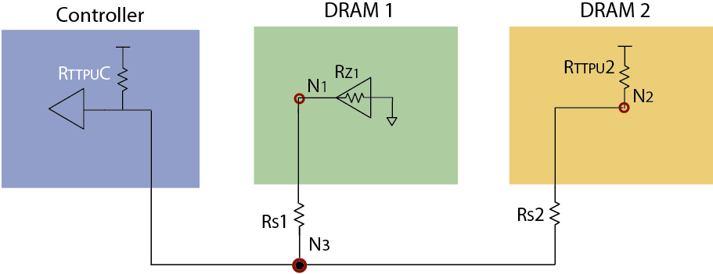
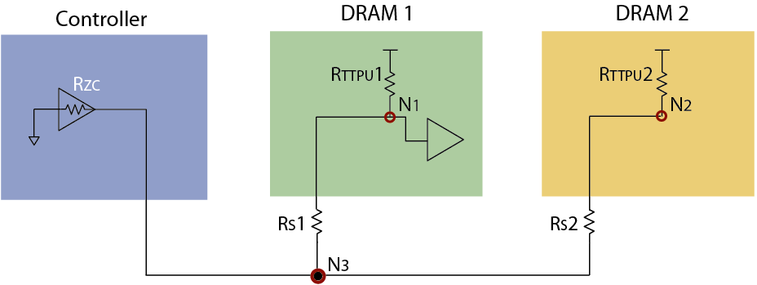
 |  |  | System VDD | 1.2 | V | ERROR, VCC too High
 | CLK default can be written over, Spare formula -> |  | System VPP | 2.5 | V | ERROR, VPP too High
 |  | 1200.5 | System CK frequency (data rate /2) | 1200 | MHz | DDR4-2400 Base
 |  |  | Burst length | 8 |  | must be either BC 4 or BL8

 |  | PdqRD | DDR4 SDRAM output power per individual DQ on this DRAM during READs from this DRAM | 8.6 | mW | This value is the DRAM I/O power plus module series resistor power per DQ. The calculator to the right will estimate and populate the entries to the left
Select DIMM usage conditions or user-defined conditions from drop-down box below. GS conditions are for 1DPC only |  | PdqWR | DDR4 SDRAM termination power per individual DQ during WRITEs to this DRAM | 4.4 | mW
 |  | PdqRDoth | DDR4 SDRAM termination power per individual DQ during READs from other DRAM Rank* | 1.2 | mW | This value is the termination power plus module series resistor power per DQ. The calculator to the right will estimate and populate the entries to the left |  | Enter values in dark blue boxes below |  |  |  |  | 0 = Disabled |  | Enter values in dark blue boxes below |  |  |  |  | 0 = Disabled
 |  | PdqWRoth | DDR4 SDRAM termination power per individual DQ during WRITEs to other DRAM Rank* | 0.0 | mW |  |  | RTTuC= | 50 | Rz1= | 34 | RTTu2= | 240 |  | RzC= | 34 | RTTu1= | 240 | RTTu2= | 0
Google Stress 2RX4/2Rx8 RDIMM | User Defined Usage Conditions |  |  | Google Stress 2RX4/2Rx8 RDIMM |  | <- Pulled from DIMM usage conditions table to the left |  |  |  | Rs1= | 15 | Rs2= | 15 |  |  |  | Rs1= | 15 | Rs2= | 15
4.8% |  | BNK_PRE% | The percentage of time that all banks on the DRAM are in a precharged state (per RANK) | 0.0% |  | #REF! |  | VDDq= | 1.200 |  |  |  |  |  | VDDq= | 1.200
0.0% |  | CKE_LO_PRE% | The percentage of the all bank precharge time for which CKE is held LOW | 0.0% |  |  |  | Calculated values in green boxes below |  |  |  |  |  |  | Calculated values in green boxes below
0.0% |  | CKE_LO_ACT% | The percentage of the at least one bank active time for which CKE is held LOW | 0.0% |  | #REF! |  | N3= (mV) | 648 | N1= (mV) | 449 | N2= (mV) | 680 |  | N3= (mV) | 141 | N1= (mV) | 203 | N2= (mV) | 0
0.0% |  | PH% | Page hit rate | #REF! |  |  |  | RTTPUC = (mW) | 6.1 | Rz = (mW) | 5.9 | RTTd2 = (mW) | 1.1 |  | RzC = (mW) | 0.6 | RTTPUd1 = (mW) | 4.1 | RTTPUd2 = (mW) | 0.0
27.0% |  | RDsch% | The percentage of clock cycles which are outputting read data from the DRAM (per RANK) | #REF! |  | #REF! |  |  |  | Rs1 = (mW) | 2.6 | Rs2= (mW) | 0.1 |  |  |  | Rs1= (mW) | 0.3 | Rs2= (mW) | NoRTT2
50.0% |  | RD Data % low | Percentage of bits to toggle low each Read strobe edge | 0.0% |  | Adjust accordingly; suggest using 50%
13.0% |  | WRsch% | The percentage of clock cycles which are inputting write data to the DRAM (per RANK) | 30.0% |  | #REF!
50.0% |  | WR Data % low | Percentage of bits to toggle low each Write strobe edge | 0.0% |  | Adjust accordingly; suggest using 50%
27.0% |  | termRDsch% | The percentage of clock cycles which are terminating read data to another DRAM Rank* | 0.0% |  | * must be 0% for a 1-rank system
13.0% |  | termWRsch% | The percentage of clock cycles which are terminating write data to another DRAM Rank* | 0.0% |  | * must be 0% for a 1-rank system
124.00 |  | System tRC | Actual system tRC | 124.00 | ns | Needed to derate ACT power (calculated from JEDEC IDD0/3N/2N patterns which use spec min tRC)
 |  | tRRDsch* | The average time between ACT commands to this DRAM (includes ACT to same or different banks in the same DRAM device) | #REF! | ns | This time is calculated from page hit rate read/write bus utilization. No entry is necessary.

Summary
16Gb DDR4 SDRAM with 4 DQs and a -083 Speed Grade, DBI enabled

Power Consumption By DRAM
 |  | #REF!
 | Psys Power Consumption Summary
 |  |  | Total | VDD | VPP
 | ACT |  | #REF! | #REF! | #REF! | mW
 |  | Activate Power | #REF! | #REF! | #REF! | mW | VDD Activate Power | #REF!
 | RD |  | #REF! | #REF! | #REF! | mW | VPP Activate Power | #REF!
 | WR |  | 37.1 | 36.5 | 0.6 | mW | VDD RD/WR/Term Power | #REF!
 | READ I/O |  | #REF! | #REF! | #REF! | mW | VPP RD/WR/Term Power | #REF!
 | Write ODT |  | 0.0 | 0.0 | 0.0 | mW | VDD Background Power | 87.2
 |  | RD/WR/Term Power | #REF! | #REF! | #REF! | mW | VPP Background Power | 8.9
 | ACT_STBY |  | 93.8 | 85.0 | 8.7 | mW
 | PRE_STBY |  | 0.0 | 0.0 | 0.0 | mW
 | ACT_PDN |  | 0.0 | 0.0 | 0.0 | mW
 | PRE_PDN |  | 0.0 | 0.0 | 0.0 | mW
 | REF |  | 2.3 | 2.2 | 0.1 | mW
 |  | Background Power | 96.1 | 87.2 | 8.9 | mW
 | Total DDR4 SDRAM Power |  | #REF! | #REF! | #REF! | mW
 | TERM 2nd rank |  | 0.0 | 0.0 | 0.0 | mW
Power Consumption Breakout

 |  |  |  | VDD | VPP
 |  | ACT | #REF! | #REF! | #REF!
 |  | RD | #REF! | #REF! | #REF!
 |  | WR | 37.1 | 36.5 | 0.6
 |  | READ I/O | #REF! | #REF! | #REF!
 |  | Write ODT | 0.0 | 0.0 | 0.0
 |  | ACT_STBY | 93.8 | 85.0 | 8.7
 |  | PRE_STBY | 0.0 | 0.0 | 0.0
 |  | ACT_PDN | 0.0 | 0.0 | 0.0
 |  | PRE_PDN | 0.0 | 0.0 | 0.0
 |  | REF | 2.3 | 2.2 | 0.1
 |  | TERM 2nd rank | 0.0 | 0.0 | 0.0

System is operating at 1200.48019207683 MHz clock with VDD = 1.2V and VPP=2.5V.
#REF!
#REF!
 | #REF! | MB/sec
Read Bandwidth | 360 | MB/sec
Write Bandwidth | 0 | MB/sec
Term

Module Calc
Required Inputs for Module configuration
Total Module Rank Quantity | 1
Module Type | RDIMM | DIMM Power Calculation
ECC | yes | DDR4 Config | Package | DIMM Type | Data Rate MT/s | Device Power (mW) |  |  | Total # Ranks | Average DIMM Power (W)
Pulled from "DDR4 Config"
Package Config | x4 |  |  |  |  | Total Active Power | Power standby | Power Terminate
Package Density (Gb) | 16
Package Type | SDP | x4 | SDP | RDIMM | 2400 | #REF! | 96.1 | 0.0 | 1 | #REF!
Calculated based on DIMM inputs and package density
Non-ECC Packages per rank | 16 | Important - Make sure the "System Config" tab usage conditions are configured correctly for your DIMM
Module Density (GB) | 32 | #REF!
Non-DRAM Component Power | 0.50
ECC Packages per rank | 2

From "Summary" Tab
16Gb DDR4 4 DQs -083 Speed
 | Total
ACT | #REF!
Activate Power | #REF!
RD | #REF!
WR | 37.1
READ I/O | #REF!
Write ODT | 0.0
RD/WR/Term Power | #REF!
ACT_STBY | 93.8
PRE_STBY | 0.0
ACT_PDN | 0.0
PRE_PDN | 0.0
REF | 2.3
DDR4 SDRAM Power | #REF!
Background Power | 96.1
TERM 2nd rank | 0.0

