Sheet
RESULT
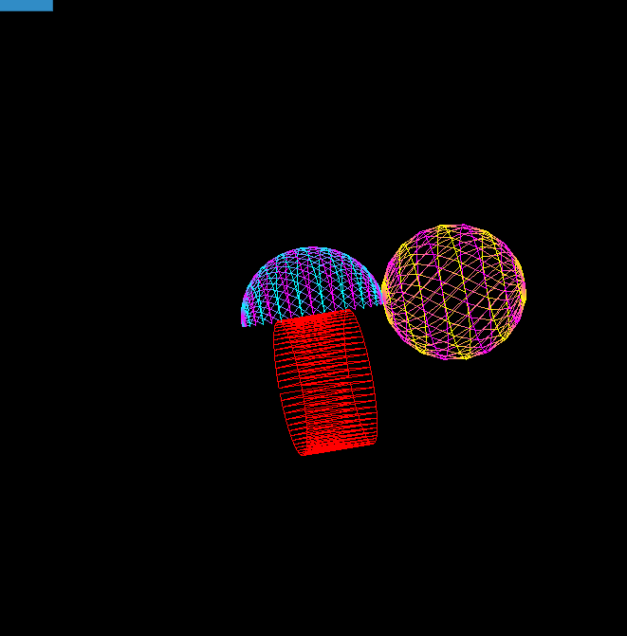

Created by Pavel Stashchenko, group 10701118

