Счет
ZHEJIANG GAMMA TRADING CO.,LTD

浙江伽玛中国银行汇款路径 |  | INV:GT3281 dd March 28, 2025 Agent: LLC "IT GROUP " under contract GT121/1 dd March 28, 2025 129226, Russia Moscow, ext. Rostokino Municipal District, Agricultural Street, 11, building 3, floor/room 1/II, room 1(PM 115) registration number 1227700266463
BANK’S INFORMATION (银行信息)
BANK NAME (银行名称): BANK OF CHINA HAICHENG SUB-BRANCH WENZHOU ZHEJIANG
BANK MOB(银行电话): 86-577-55590866 /85222522 |  | Buyer: LLC "RADOST" 117208, Russia Moscow, inner-city territory of the city of federal significance municipal district chertanovo severnoye, chertanovskaya st., 7a, room 26p registration number 1227700266463
BANK’S ADDRESS (银行地址): 209-216# ZHONGXINNAN ROAD, HAICHENG TOWN, LONGWAN
DISTRICT, WENZHOU, ZHEJIANG, CHINA

Product description | Quantity, psc | Price,RMB | Total,RMB

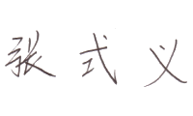



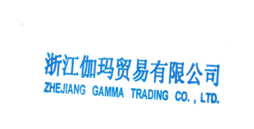

 |  | Total | ¥-
Payment terms: Payment terms: 100% prepayment Delivery conditions: CPT Bishkek |  | Total,RUB | 1,701,540.00 ₽
BENEFICIARY’S INFORMATION (收款人信息)
USD A/C NO. (美元账户号码): 397475795838 EUR A/C NO. (欧元账户号码): 397475795850
SWIF CODE():BKCHCNBJ92B ACCOUNT NAME (账户名称): ZHEJIANG GAMMA TRADING CO.,LTD
BENEFICIARY’S ADDRESS (收款人地址): ROOM201,NO.1166LONGRUI AVENUE,HAICHENG STREET,ECONOMIC AND TACHNOLOGICAL DEVELOPMENT ZONE,WENZHOU,ZHEJIANG PROVINCE
Name of Company's Legal Representative:ZHANG SHIYI

