total
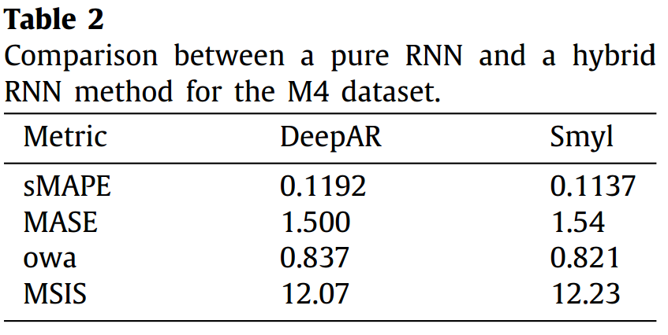
Method | M4 Hourly |  |  |  | M4 Daily |  |  |  | M4 Weekly |  |  |  | M4 Monthly |  |  |  | M4 Quarterly |  |  |  | M4 Yearly |  |  |  | Total
 | OWA | MASE | sMAPE | N | OWA | MASE | sMAPE | N | OWA | MASE | sMAPE | N | OWA | MASE | sMAPE | N | OWA | MASE | sMAPE | N | OWA | MASE | sMAPE | N | OWA | MASE | sMAPE | N
ARIMA | 0.577 | 2.557 | 0.176 | 414 | 1.044 | 3.410 | 0.032 | 4227 | 0.931 | 2.527 | 0.087 | 359 | 0.903 | 0.930 | 0.134 | 48000 | 0.898 | 1.232 | 0.103 | 24000 | 0.892 | 3.402 | 0.152 | 23000 | 0.901 | 1.679 | 0.126 | 100000
ETS | 0.852 | 0.943 | 0.140 | 414 | 0.996 | 3.253 | 0.030 | 4227 | 0.932 | 2.556 | 0.087 | 359 | 0.915 | 0.948 | 0.135 | 48000 | 0.891 | 1.371 | 0.110 | 24000 | 0.903 | 3.444 | 0.154 | 23000 | 0.906 | 1.718 | 0.129 | 100000
ETSARIMA | 0.667 | 1.824 | 0.173 | 414 | 1.005 | 3.271 | 0.031 | 4227 | 0.906 | 2.471 | 0.084 | 359 | 0.882 | 0.909 | 0.130 | 48000 | 0.877 | 1.141 | 0.101 | 24000 | 0.873 | 3.341 | 0.148 | 23000 | 0.880 | 1.624 | 0.123 | 100000
DeepAR | 0.519 | 1.136 | 0.106 | 414 | 1.041 | 3.369 | 0.032 | 4227 | 0.876 | 2.459 | 0.077 | 359 | 0.961 | 1.037 | 0.136 | 48000 | 0.884 | 1.170 | 0.101 | 24000 | 0.830 | 3.228 | 0.139 | 23000 | 0.910 | 1.668 | 0.123 | 100000
DeepState | 0.635 | 1.251 | 0.137 | 414 | 1.194 | 3.884 | 0.037 | 4227 | 0.934 | 2.940 | 0.075 | 359 | 0.998 | 1.054 | 0.145 | 48000 | 1.041 | 1.358 | 0.117 | 24000 | 0.942 | 3.645 | 0.159 | 23000 | 0.999 | 1.839 | 0.136 | 100000

 |  |  |  |  |  |  |  |  |  | Januschowski et al.

