Sheet1
Test Name | Step 1. | Expected | Observed | Step 2. | Expected | Observed | Pass/Fail

Verify Upload Button Functionality | Go to the homepage for Dav3i (http://localhost/dav3i/). Click the begin button at the bottom of the page. | Dav3i should load. And you should see the graph section and map section. There should be a button labeled "Upload" that is next to a button labeled "Help". | The page loads, and the button is position as it should be. | Click on the button labeled "Upload". | 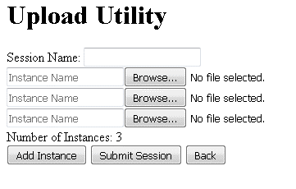 The upload page loads (http://localhost/dav3i/upload/data_upload.html). The page should look like this: | The page matches what is seen. | Pass
Back Button Text | Follow the instructions for the "Verify Upload Button Functionality" test. Click on the button labeled "Back". | The homepage for Dav3i should load, and you should directly see the graph section and heatmap, without clicking the "Begin" button on the overlay. | The page is set to what is looked like prior to clicking the "Upload" button from the Dav3i homepage. |  |  |  | Pass
Add Instance Test | Follow the instructions for the "Verify Upload Button Functionality" test. Click on the button labeled "Add Instance". | A new row should appear, similar as the other rows. This row should also have a textbox with a placeholder of "Instance Name", a file selector button labeled "Browse...", and a file selector label with the text "No file selected." | A new row appears, as expected. |  |  |  | Pass
Submit Session Test. | Follow the instructions for the "Verify Upload Button Functionality" test. Add a name to the session and 3 instances. Also, select a properly formatted zip file with properly formatted csv files. | The textboxes should be filled with the names you've selected, and the file selectors should have the files you selected. | The information is correct. | Click the button labeled "Submit Session". | The parse page should load and you should see output from the server as follows: Session Name, number of instances, database connected to, the instance number, instance name, the file that is read, the subfiles and their respective stats. At the end of each instance should be the number of rows read, and the number of rows inserted. At the end of the session, the time it took to upload should display in seconds. | The page the description from the expected column. | Pass

