main_sheet
 |  | cluster | seq | pic_path | proportion, % | TAREAN annotation | proportion, % | KA25, % | KK06, % | homology to other sequences in this work | task | share of cluster consensus covered | homology to repeat-related sequences in Nucleotide DB | task | share of cluster consensus covered
Paired reads | 2500000 | Putative satellites (high confidence)
% reads in clusters | 74 | KA25KK6(1to2)_CL15_TR_1_x_339nt | TTTTTTAAACTTATTTGAACTCCAGACTTTTTGTGTGTTCAAAATGCACCATTCAAAGCCACATCATCAATTTTCAACCC TTTCTGACTTCATTTGTTATTTTTCATGCATTTACTAATTATTTTGAGCTATAAGACCCTAAAATTGAAAAGCATTTCAA ATGAACTCTGAAAAGGTTGAAAGTTGGCATGGTATCATCATTTCACCCACATAGCATGTGCAAAAAAGTAGAGAGGGTTA CGGCAAAAACTGGATGCACTTCGTGTACAAAATGGACAATCTCTTTCGAAGTATCAGGGTTTCGGACGAGAACTCATCTG TTACACGGGCACTTCAATG | 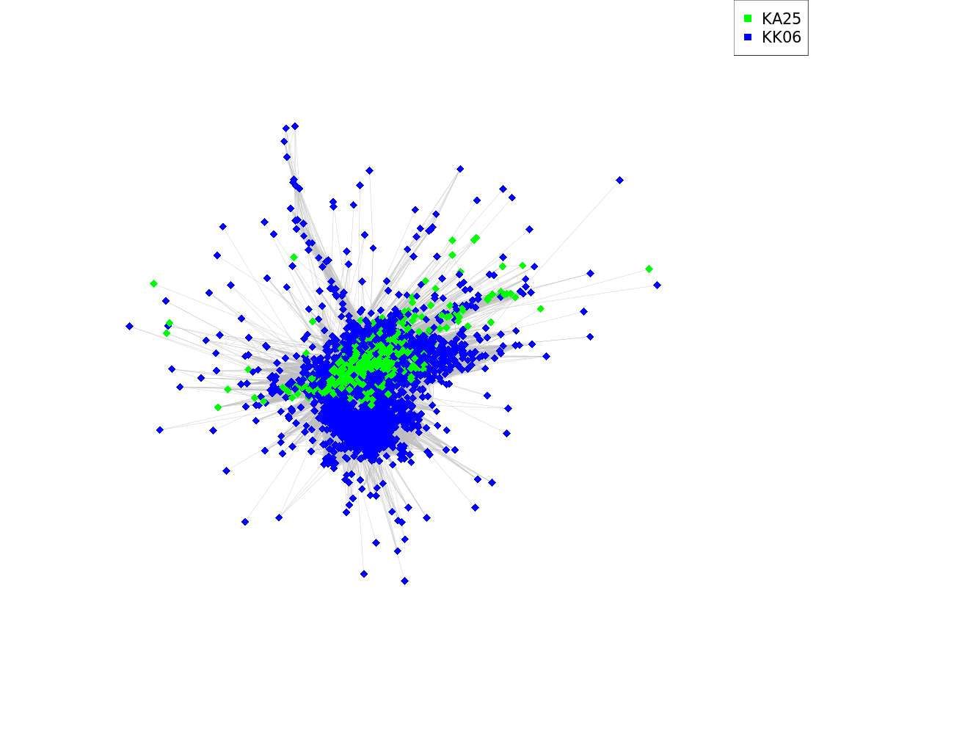 | 0.811 | All/repeat | 0.811 | 10.93 | 89.07 | A.comosa KA16_CL115_TR_1_x_337nt | megablast | 0.986 | AB003255.1 Aegilops triuncialis var. triuncialis DNA... | megablast | 0.986
 |  |  |  |  |  |  |  |  |  | A.crassa KA27_CL2_TR_1_x_343nt | megablast | 1.000 | AB022723.1 Psathyrostachys juncea DNA tandem repetitive... | megablast | 0.997
 |  |  |  |  |  |  |  |  |  | *KA25,KK1,KK3,KK6 | blastn | NOT FOUND | AH014393.2 Hordeum vulgare subsp. vulgare transposons... | megablast | 0.986
 |  |  |  |  |  |  |  |  |  |  |  |  | D30736.1 Aegilops squarrosa repetitive DNA sequence... | megablast | 0.986
 |  |  |  |  |  |  |  |  |  |  |  |  | HM536207.1 Hordeum vulgare clone pHv-1123 repeat... | megablast | 0.959
 |  | KA25KK6(1to2)_CL53_TR_1_x_379nt | GTGTGTGTGTGCATGTGTAAAGTCTTCCAGATCATGATAATTAGAAGTCCTATCATCTCAATTCCCCGATACCTTTCCAA CACCTATGAAAATTACTCAAACGGAGCTCGTTCTGACTCACGTTGATAGTCTCGTTCAATACCCTCTATAGGGTGAATTT TGTCTTTTCTCTGTTCACCGATTCTTCCCTAATGTGAGCCTAACACCATGTTGTACCCAGTCCATGGTCAAGGCGCATAT TTCTGCAGACCATACGGATGAGTTGGCCCATAAAATTTCGAGCTGTAAGTGCGAAATCGTTCATTTTTTCAATCTTCCGA TCCATTTTTGAGGGCACGAACGGCCTTTTTTGGGCTAGATATTTTCTGTGCGCGTGCTC | 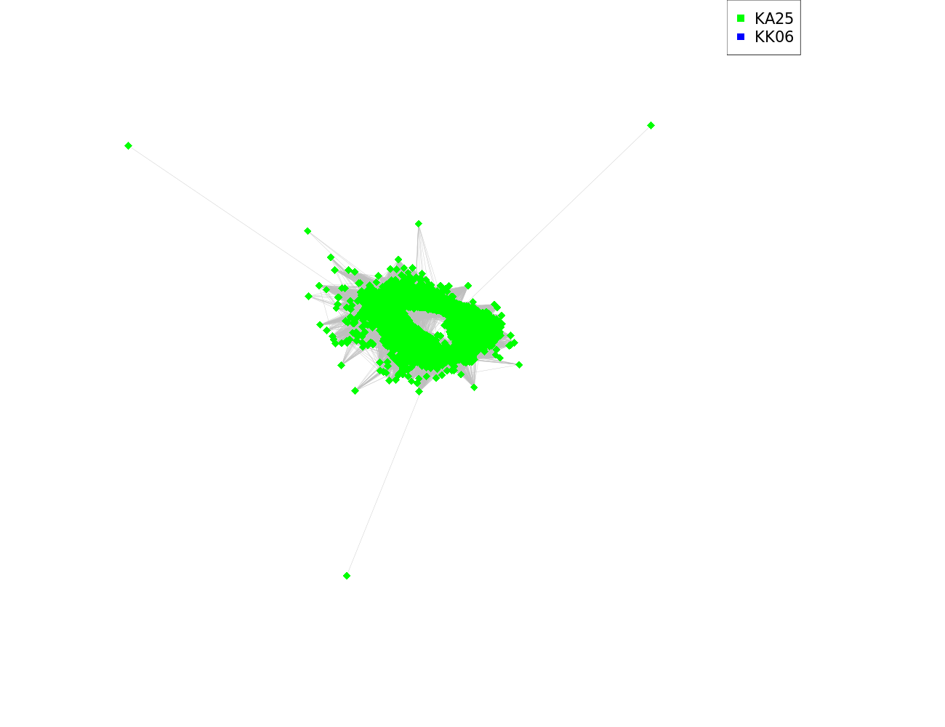 | 0.469 | All/repeat/satellite | 0.469 | 100.00 | 0.00 | KA25KK6(1to2)_CL67_TR_1_x_376nt | blastn | 0.945 | AB016971.1 Leymus racemosus DNA repeat sequence... | megablast | 1.000
 |  |  |  |  |  |  |  |  |  | A.crassa KA27_CL239_TR_1_x_376nt | blastn | 0.833 | AB074439.1 Haynaldia villosa repeat region clone:pDv24... | megablast | 0.995
 |  |  |  |  |  |  |  |  |  | *KA25,KK1,KK3,KK6 | blastn | NOT FOUND | U91645.1 Agropyron cristatum strain Hycrest primer... | megablast | 1.000
 |  |  |  |  |  |  |  |  |  |  |  |  | AF472572.1 Haynaldia villosa tandem repeat sequence... | megablast | 0.781
 |  |  |  |  |  |  |  |  |  |  |  |  | DQ481543.1 Thinopyrum bessarabicum strain PI531711 clone... | dc-megablast | 0.983
 |  | KA25KK6(1to2)_CL67_TR_1_x_376nt | GGGTTTGTGTGCACGTATTTCAAATCATACGGACCTAAAAATTAGAAGTCATTCCATCTTTATTCCCCTAGAGCCTTCCA GCAGTTCCTAAACCGCTCCAGTCGGAGCACGTTATCATTCTTGTTAGTTCTGAGTGAATTCCCTCGGTATGATCATTCTT TCATCAGTTTGTTCCCCGTTTCTTCTCTAGTCTGAGCCTAGCACACTATTCTAGCTATCCATGGGTGTGGCTCGTAACAC CTGATGACCAAACGGATCTACGGCACCATCGAATCTCAAACTTTAACTGCCAAAACTTTTGTTTTTCATCCTGTAGTCCC TTTTAGAATTACTAAACGTCCTTTTTTGGGCCGAGATTTCCAGGAACGCTTTCTCG | 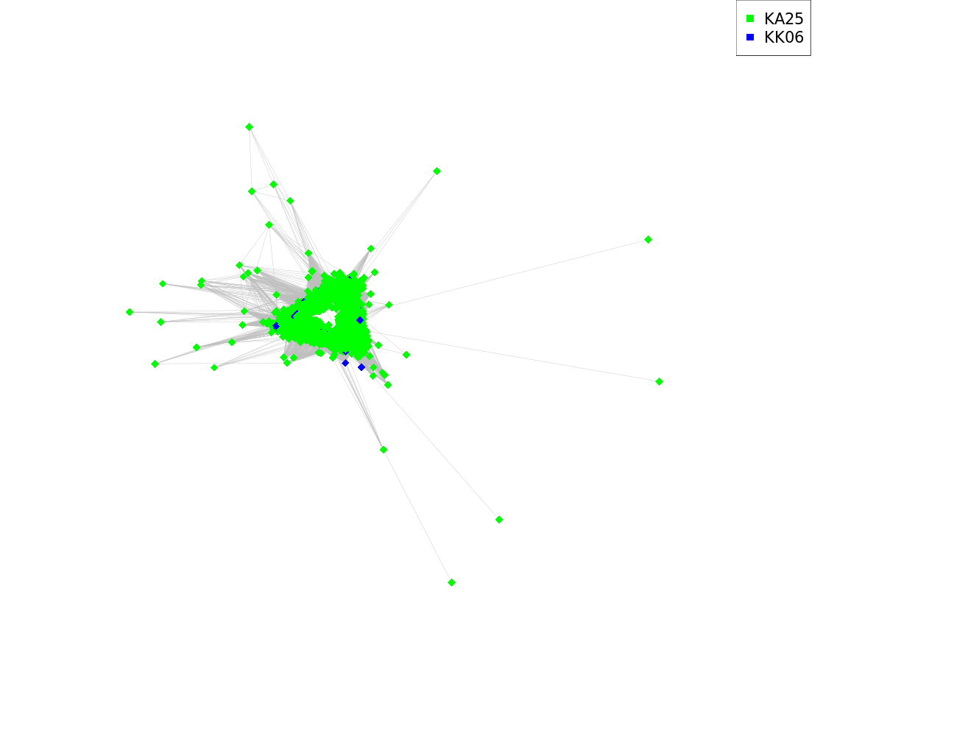 | 0.435 | All/repeat/satellite | 0.435 | 98.61 | 1.39 | A.crassa KA27_CL239_TR_1_x_376nt | megablast | 0.999 | AY082346.1 Aegilops speltoides clone p1783g12 tandem... | dc-megablast | 0.998
 |  |  |  |  |  |  |  |  |  | KA25KK6(1to2)_CL53_TR_1_x_379nt | blastn | 0.943 | AY117400.1 Aegilops speltoides subtelomeric repeat Spelt52.1... | dc-megablast | 0.895
 |  |  |  |  |  |  |  |  |  | *KA25,KK1,KK3,KK6 | blastn | NOT FOUND | AB074442.1 Haynaldia villosa repeat region clone:pDv19... | blastn | 0.942
 |  |  |  |  |  |  |  |  |  |  |  |  | DQ481545.1 Agropyron cristatum strain PI536010 clone... | blastn | 0.934
 |  |  |  |  |  |  |  |  |  |  |  |  | EU333404.1 Secale cereale pSc200 tandem repeat... | blastn | 0.972
 |  | KA25KK6(1to2)_CL113_TR_1_x_118nt | CGAAGTGATTTCCATGGTTGACGAACCCCGAGGTGCGTTTACGTGTCGGTCATCAACACTCGCAGTTTTGGCCGATTCTG GCCCGTTTCGTGGACTATTACTCACTGTTTTGGGGTCC | 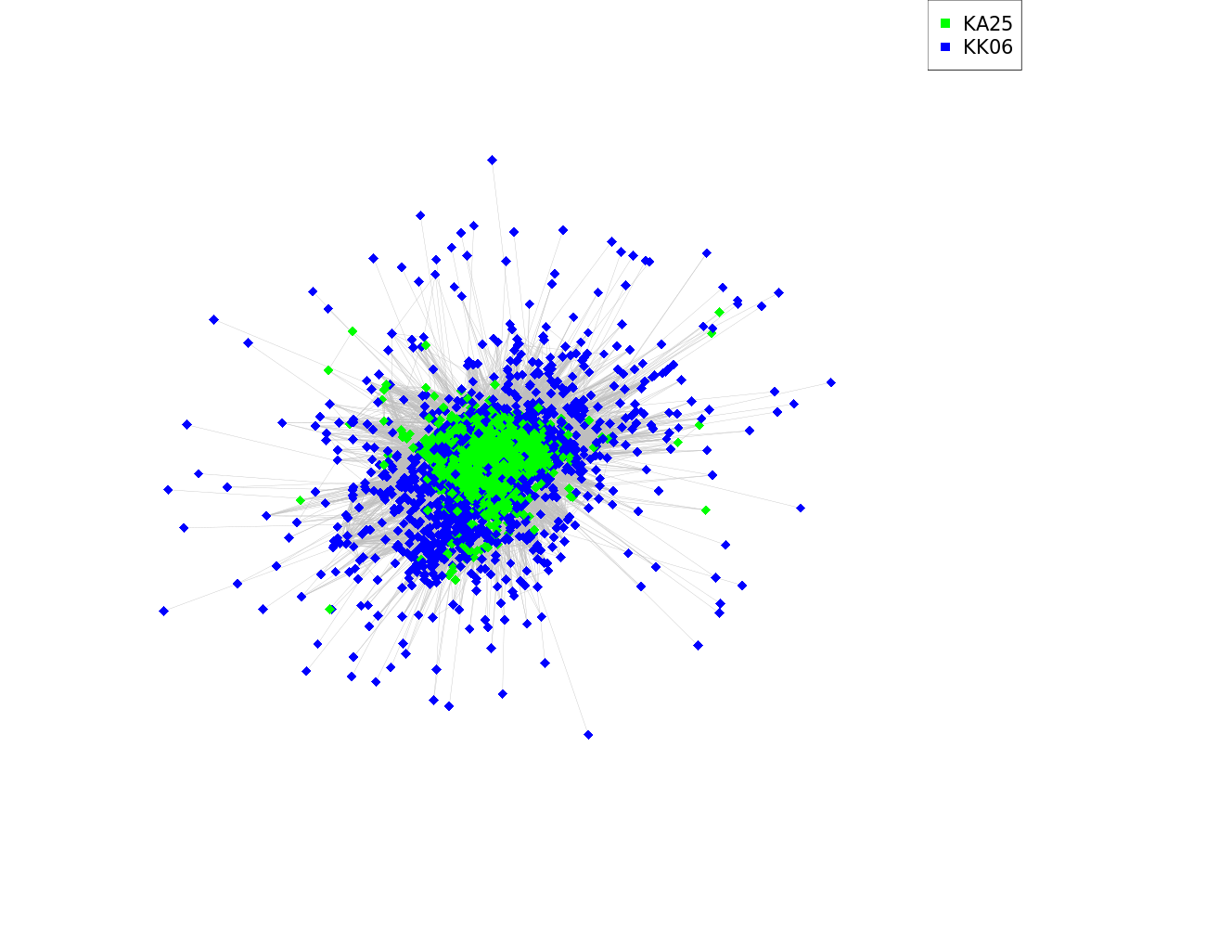 | 0.264 | All/repeat/satellite | 0.264 | 66.83 | 33.17 | A.comosa KA16_CL130_TR_1_x_119nt | megablast | 0.992 | KF719093.1 Secale cereale strain J-1-1 tandem... | megablast | 0.983
 |  |  |  |  |  |  |  |  |  | A.crassa KA27_CL159_TR_1_x_118nt | megablast | 0.994 | KT724938.1 Secale cereale clone BAC 84C15... | megablast | 0.992
 |  |  |  |  |  |  |  |  |  | A.comosa KA16_CL160_TR_1_x_118nt | blastn | 0.845 | AJ517227.1 Hordeum brachyantherum satellite DNA p2542-2213... | dc-megablast | 1.000
 |  |  |  |  |  |  |  |  |  | *KA25,KK1,KK3,KK6 | blastn | NOT FOUND | AM285293.1 Secale cereale AFLP marker E-ACT/M-CAA/303... | dc-megablast | 0.921
 |  |  |  |  |  |  |  |  |  |  |  |  | AY551004.1 Triticum aestivum RAPD marker Pm6-X1... | dc-megablast | 0.997
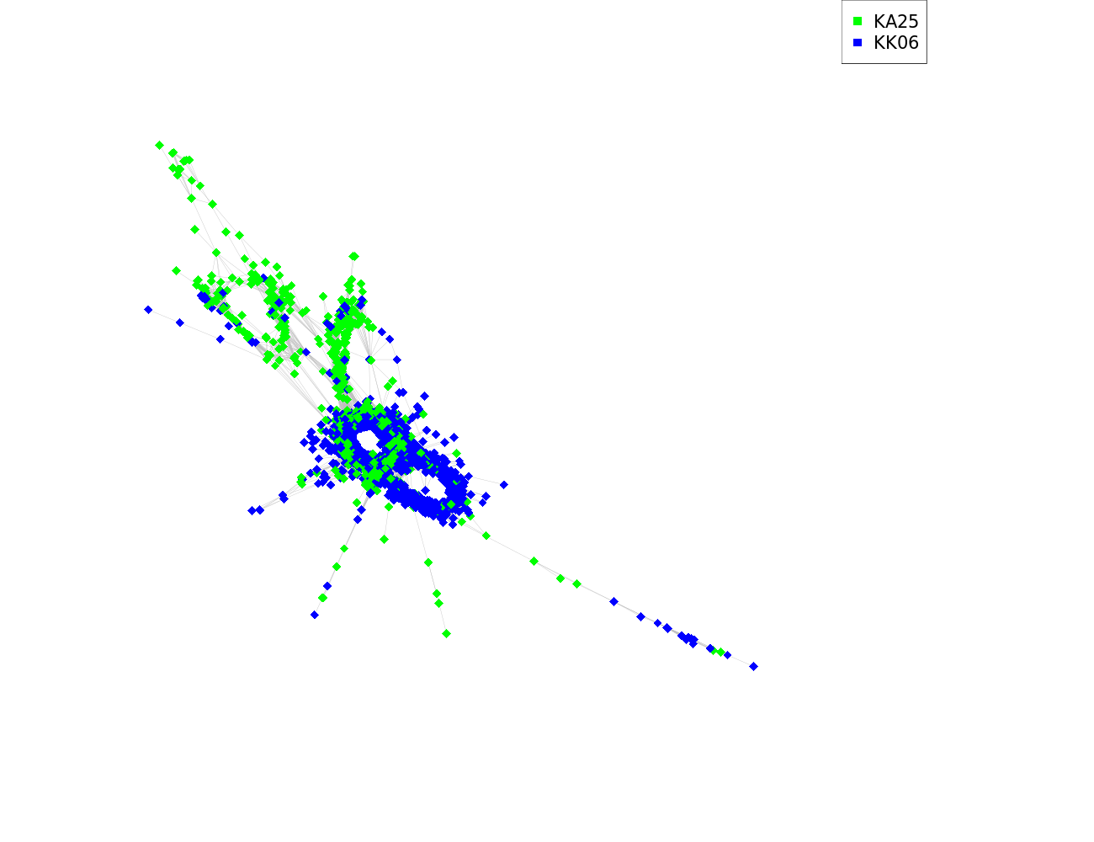
 |  | KA25KK6(1to2)_CL141_TR_1_x_333nt | AGACGCGTGCCGCCTCTTCGGACATGCCACCACACCACCCCGCATGTATGAGGGCCCGGTGCGACGCTCCGGTGGCATTG CTACCCCCCAGGGCCCCCGTCCCGCCTAACCCTGTAGCGTTTGACCACGGGATCTAGCCCTTTGACTTTGCACGGACGGG CTTTGACCAGTGGACCTCTCCACCCGGTTGTGTTAGGTCAGCCCATAGGAACACTTTGGAGCAACATCCGGGCCAGACCC ACAGCAAGATCCCCTCCGTGTAGACCCGACGCGTCCGTTTCCCCCCTCCAGGTGCCGGCGGCGGCGCCGTCCGTGAGGGG GGGCACACCCCGG |  | 0.186 | All/repeat/satellite | 0.186 | 15.03 | 84.97 | A.comosa KA16_CL145_TR_1_x_328nt | megablast | 0.998 | KC290905.1 Triticum aestivum clone pTa-465 FISH-positive... | megablast | 1.000
 |  |  |  |  |  |  |  |  |  | A.crassa KA27_CL121_TR_1_x_333nt | megablast | 1.000 | EF560592.1 Triticum turgidum subsp. durum retrotransposon... | dc-megablast | 0.978
 |  |  |  |  |  |  |  |  |  | *KA25,KK1,KK3,KK6 | blastn | NOT FOUND
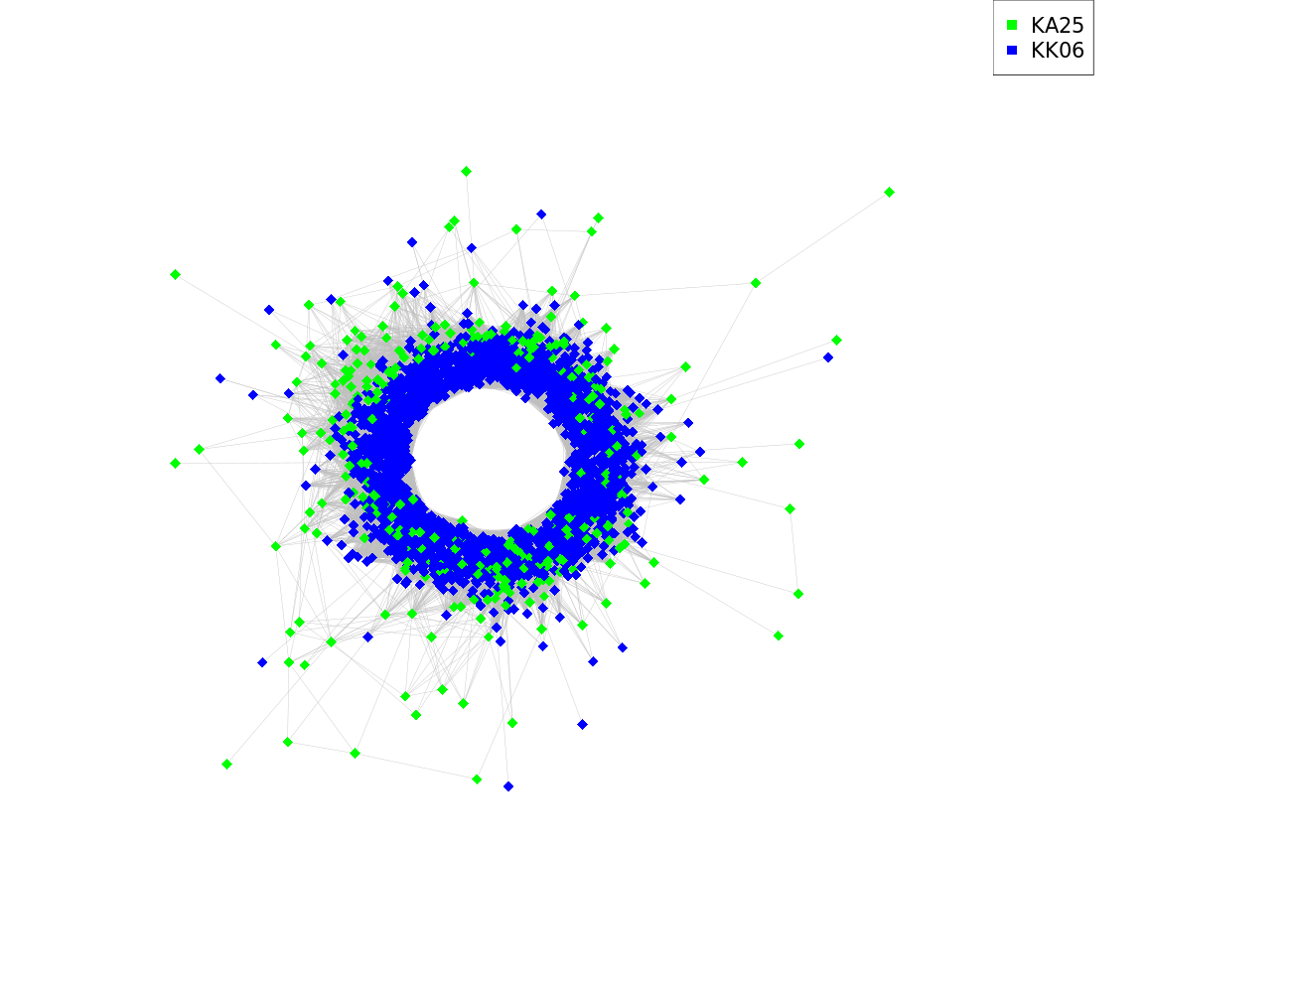
 |  | KA25KK6(1to2)_CL170_TR_1_x_369nt | GTCACAAACGTTTTGACTACTTGTGGAGCCAAAACGGACTCCGTATGAGTCAGATATCCATGTTTCAGTTAACACTGCGC AAAACTGATTCCGAACGACAGTTACAGACTAGTTCTTGTGTAGTTGCATTCGATTTTTTCCATTCTACTTCACTAAACAT CTCCATATGAGATCCAATTACTTGTAGGGAAATGCAAGAGACCTCAGTTATGATGATGCACTAGGTCCATAGCTGGGACT TTGTGTATGTTCTCGAAATGCGTTTGTCGAGTGCTCATTAAGAAAGTTTCTATACAAGTTTCTGAACGAACTCCTTAAGA AAAGTTCTCCAAAAGTTCCCTATGAAAGAATCCTTTGAAGCATCTGGTC |  | 0.107 | All/repeat/satellite | 0.107 | 11.69 | 88.31 | A.comosa KA16_CL223_TR_1_x_369nt | megablast | 1.000 | AY249985.1 Aegilops tauschii clone 4P6-14 tandem... | megablast | 1.000
 |  |  |  |  |  |  |  |  |  | A.crassa KA27_CL147_TR_1_x_369nt | megablast | 1.000 | MG323512.1 Agropyron cristatum clone ACRI_TR_CL78 satellite... | megablast | 0.993
 |  |  |  |  |  |  |  |  |  | *KA25,KK1,KK3,KK6 | blastn | NOT FOUND | MK256652.1 Aegilops tauschii microsatellite P170 sequence... | megablast | 0.718
 |  | KA25KK6(1to2)_CL195_TR_1_x_317nt | GACTCCGCCAAATGGCACGAAACTTTTTCCGCACGTTGGCATCACCCTCAACAGCACCCACGCCAGTTTGCATATTTTTC CGACGCTCGATGCATTTCCTAGGATTTTCCCCGTGAAAATGCCGTAAAACACTGGCCGGACGTGACGCAACGTTCGTTTT GTGTCTGTTTTCGTTCCAACCTTGCGTGGGGCCCTACGTAGGCCGTGCCCGCATGTCCGACCACTTTGGTGCAATTGCAT GCATGCGATCACGTACCCCCAGTGCAACCAGCTTCTTTACGGTCTACCGGAGGGGGGTTCCCGACTACTTTTTTTTT | 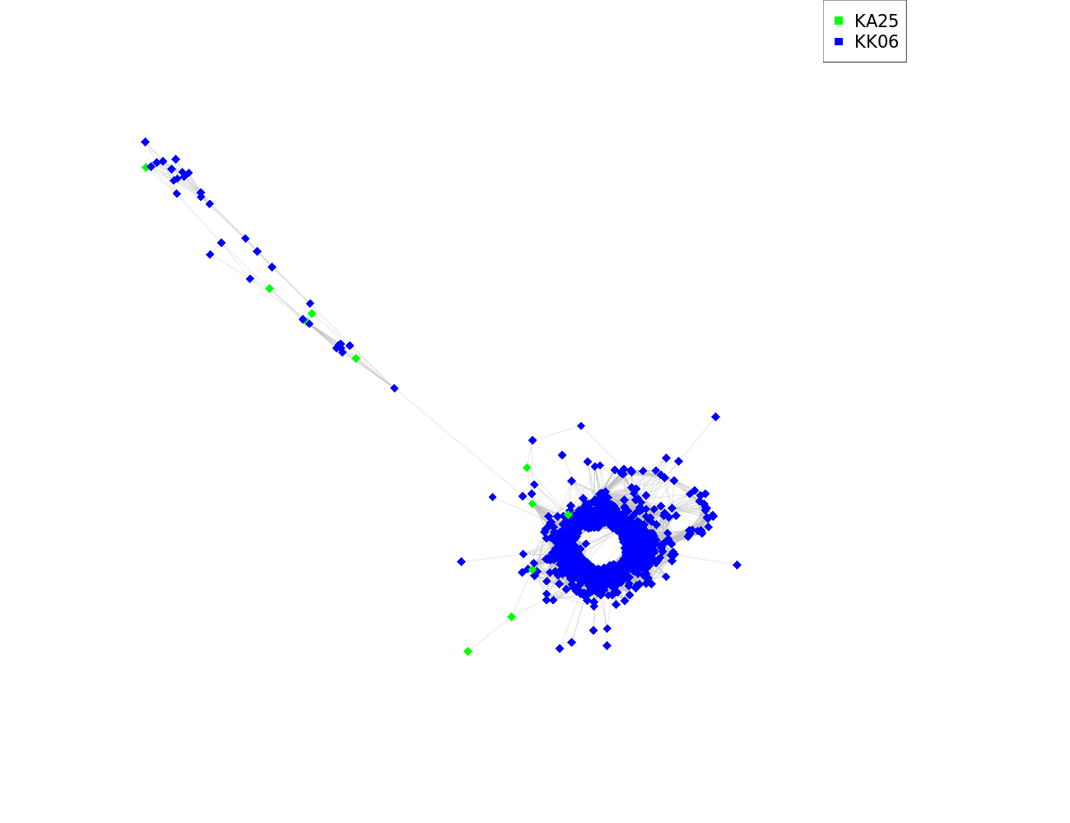 | 0.059 | All/repeat/satellite | 0.059 | 0.75 | 99.25 | A.comosa KA16_CL206_TR_1_x_319nt | megablast | 0.997 | AF139201.1 Triticum aestivum clone p451 genomic... | megablast | 0.994
 |  |  |  |  |  |  |  |  |  | A.crassa KA27_CL185_TR_1_x_316nt | megablast | 0.999 | AF087828.1 Triticum aestivum genomic repeat region... | dc-megablast | 0.933
 |  |  |  |  |  |  |  |  |  | A.crassa KA27_CL215_TR_1_x_320nt | dc-megablast | 0.933
 |  |  |  |  |  |  |  |  |  | KA25KK6(1to2)_CL228_TR_1_x_320nt | blastn | 0.933
 |  |  |  |  |  |  |  |  |  | *KA25,KK1,KK3,KK6 | blastn | NOT FOUND
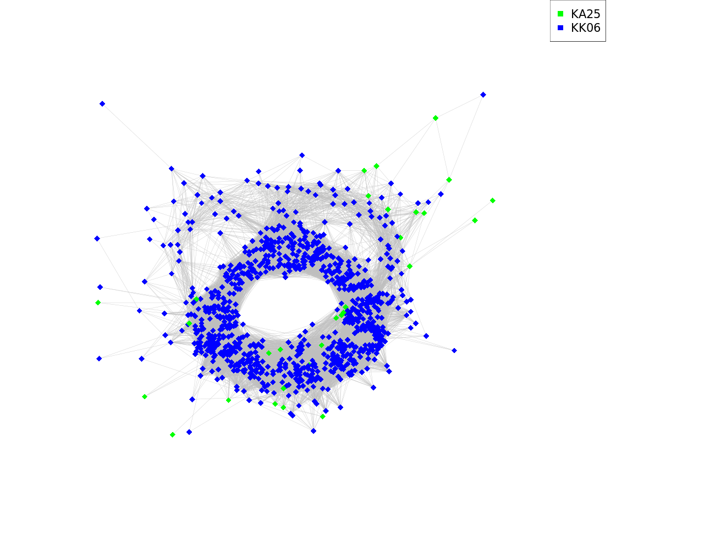
 |  | KA25KK6(1to2)_CL212_TR_1_x_319nt | GAGCGAGTTTGGCGGATGCGACGGAGAGACGTACGACCGAGGGTCCCCTCCACCCATACCGAAACCACCGGCTTCCACAG CAAGTGCCCGTGCGGTTTGCCGGAATGCACCCAACTTTTGCCAGCGCGTGTGGGGACCCGCCCGGGTACCGCACGCCAGA GATGAACGAAATCCGACTACGAACGCACGTTGCGTCACGTCCGGGCAGTGTTTTCGGGGTTTTCGGCCCGGAAAATCATA GAAAATCCGTAGAGCGTCGAAACGCGACAAATTTTGGCGTGCGTGCCCTGCATGGTCACTGTGGCCCGTGGAAAAAAAT |  | 0.036 | All/repeat/satellite | 0.036 | 3.34 | 96.66 | A.crassa KA27_CL202_TR_1_x_319nt | megablast | 1.000 | AH013688.3 Aegilops tauschii transposon XJ complete... | megablast | 1.000
 |  |  |  |  |  |  |  |  |  | A.comosa KA16_CL206_TR_1_x_319nt | dc-megablast | 0.806
 |  |  |  |  |  |  |  |  |  | *KA25,KK1,KK3,KK6 | blastn | NOT FOUND
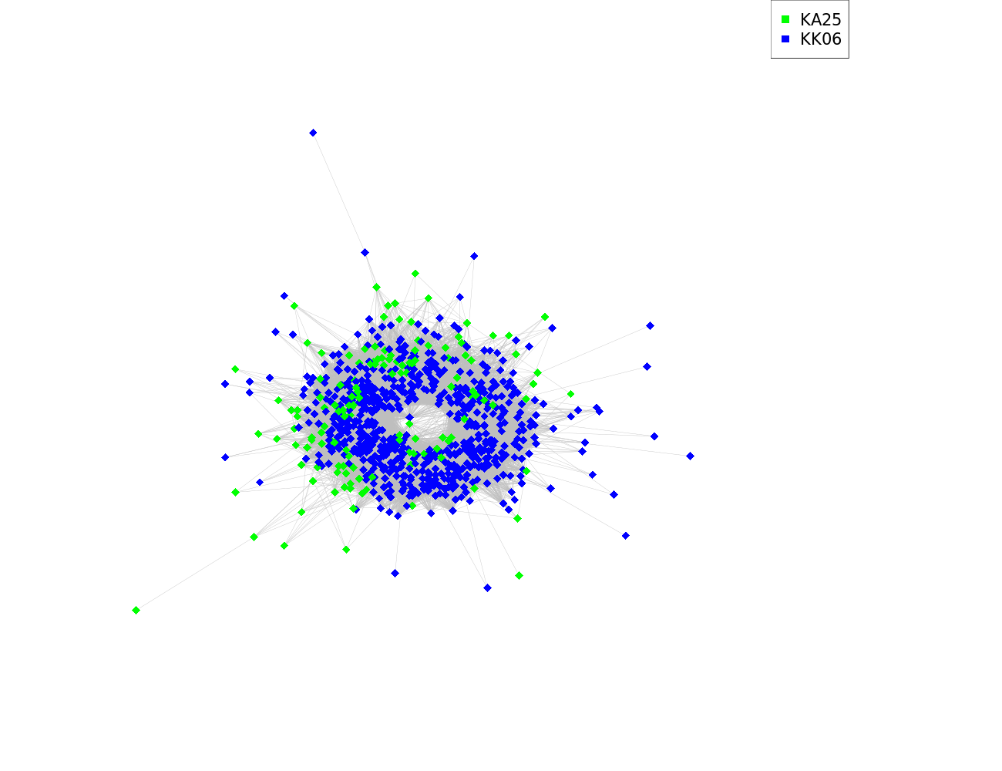
 |  | KA25KK6(1to2)_CL221_TR_1_x_178nt | ACCGTGCAGTTGACTTTTTTTCTGCCCAAACCATCGCTAACAACTTCCGTTCACAAACTTTTCTCAAAATAGGTCTCCAT ATATTACCTCTCTTTGTGAATTTTGCCCCGAAACCCTGCCACTAACGCTCTCGAACAAAGCCTCCATAGAAAGTCCTCCG TAACTGCCTTTTCAAGCC |  | 0.030 | All/repeat/satellite | 0.030 | 18.52 | 81.48 | A.crassa KA27_CL204_TR_1_x_178nt | megablast | 1.000
 |  |  |  |  |  |  |  |  |  | *KA25,KK1,KK3,KK6 | blastn | NOT FOUND
 |  | KA25KK6(1to2)_CL228_TR_1_x_320nt | CAACGTGCGTTTGGTGCCCGAATTCGTTCAAATCTTGCGTGGGGTCCTAAGATGGGCATGCCCACTGCCTCCCAAAATTG GGTGACATTTCATGCATGCCACCTCGTACCACCTATGCAACCGGCACTGATCGGATATGAAGGAGGTCAGCTCCGTACTG CGTTTTCTTTTCTGACTCAGCCGGTGGACCCCAAACTTTTTCCACACGCCCGCATCACCAGGGCCATCATGCGTGCAAGT TTTCATAATTTTTCGAGACCGTATGAATTTCTTATGGTTTTCTCCGTGAAACGCACCGAAAACACTGACCGGGCGTGACG | 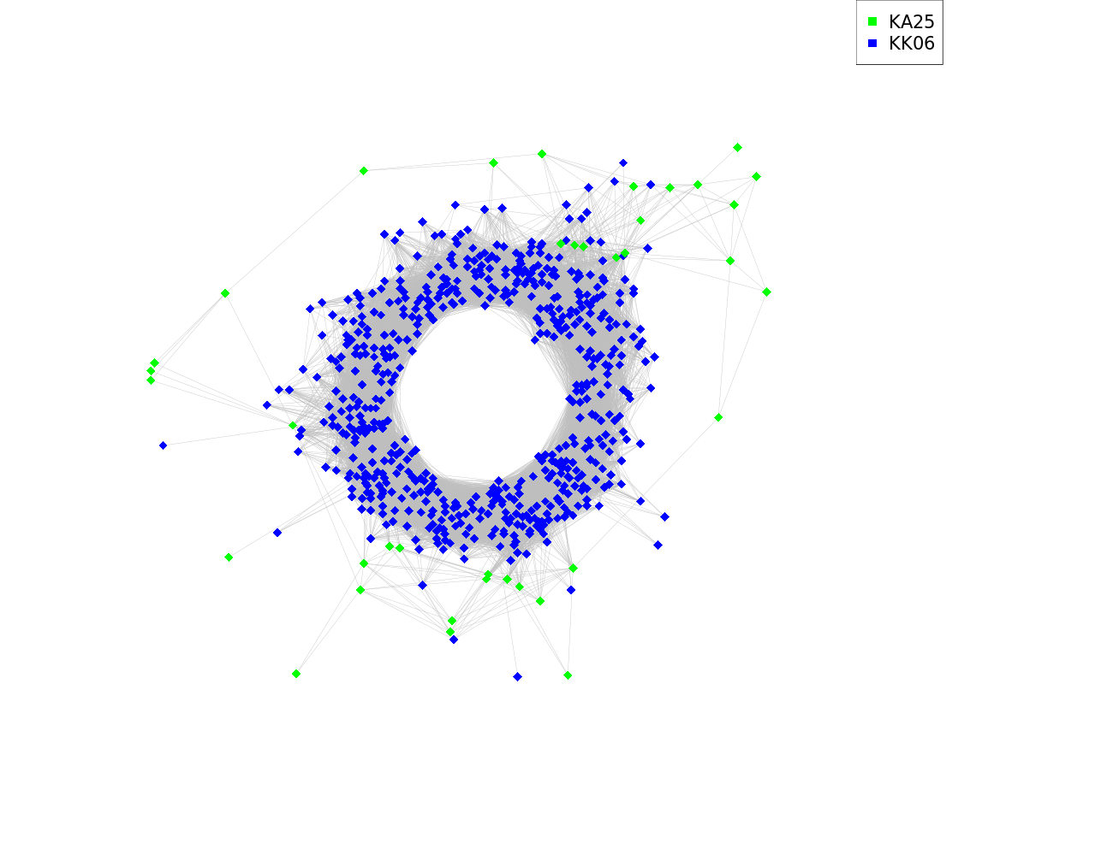 | 0.025 | All/repeat/satellite | 0.025 | 6.16 | 93.84 | A.crassa KA27_CL215_TR_1_x_320nt | megablast | 1.000 | AF087828.1 Triticum aestivum genomic repeat region... | megablast | 1.000
 |  |  |  |  |  |  |  |  |  | A.comosa KA16_CL206_TR_1_x_319nt | blastn | 1.000 | AF139201.1 Triticum aestivum clone p451 genomic... | megablast | 1.000
 |  |  |  |  |  |  |  |  |  | KA25KK6(1to2)_CL195_TR_1_x_317nt | blastn | 1.000
 |  |  |  |  |  |  |  |  |  | A.crassa KA27_CL185_TR_1_x_316nt | blastn | 1.000
 |  |  |  |  |  |  |  |  |  | *KA25,KK1,KK3,KK6 | blastn | NOT FOUND
 |  | KA25KK6(1to2)_CL230_TR_1_x_568nt | TCAAAGTACCCTCAAATTCAGCGTTAAGCAGGACTTTTTGGCCCTGAAAGTCAAAGAACATGATTCGCCGCTGCTTTTCG AACAAGTTTCTGAACCCATTTGCACTTCCTTTTGAATGAAATTCTAGATATTACGTTGATTATAGACATTAGTCACCCCG GTAGGGACAAATGTTGCTTTCTGTACATGCTCTATGATCCGGGAAATCCCATTTGGCCGTAAATTCAAGTAAATCCAGCG CCTATAAGCCTTATACTCCTTGTTTTCGCCGTGTGGCATGGTGTAACTTATGTGTCTGACAGCCATGAACCAAAGGGCAT TCCTAGCATCAGTCAATATATATGTGCAAACAATATCTCCAGTATTGAGGACACAAAATTTTAGGGCATTGCAGAGAAAA GCGTCACGGGAAACTGAAATTCTTTCAAGGACTGCCATATAATGGACCGGTGCACACTAGAACGGTCATAACTTTGTCAT TCGGAGTCCGTTTCGGACCCACAAGTACTCAAAATGCTCCCGGCGAGCGTGCGAATCCAAAAAATACTCCCAGCTTGCGC CAGGAGGC | 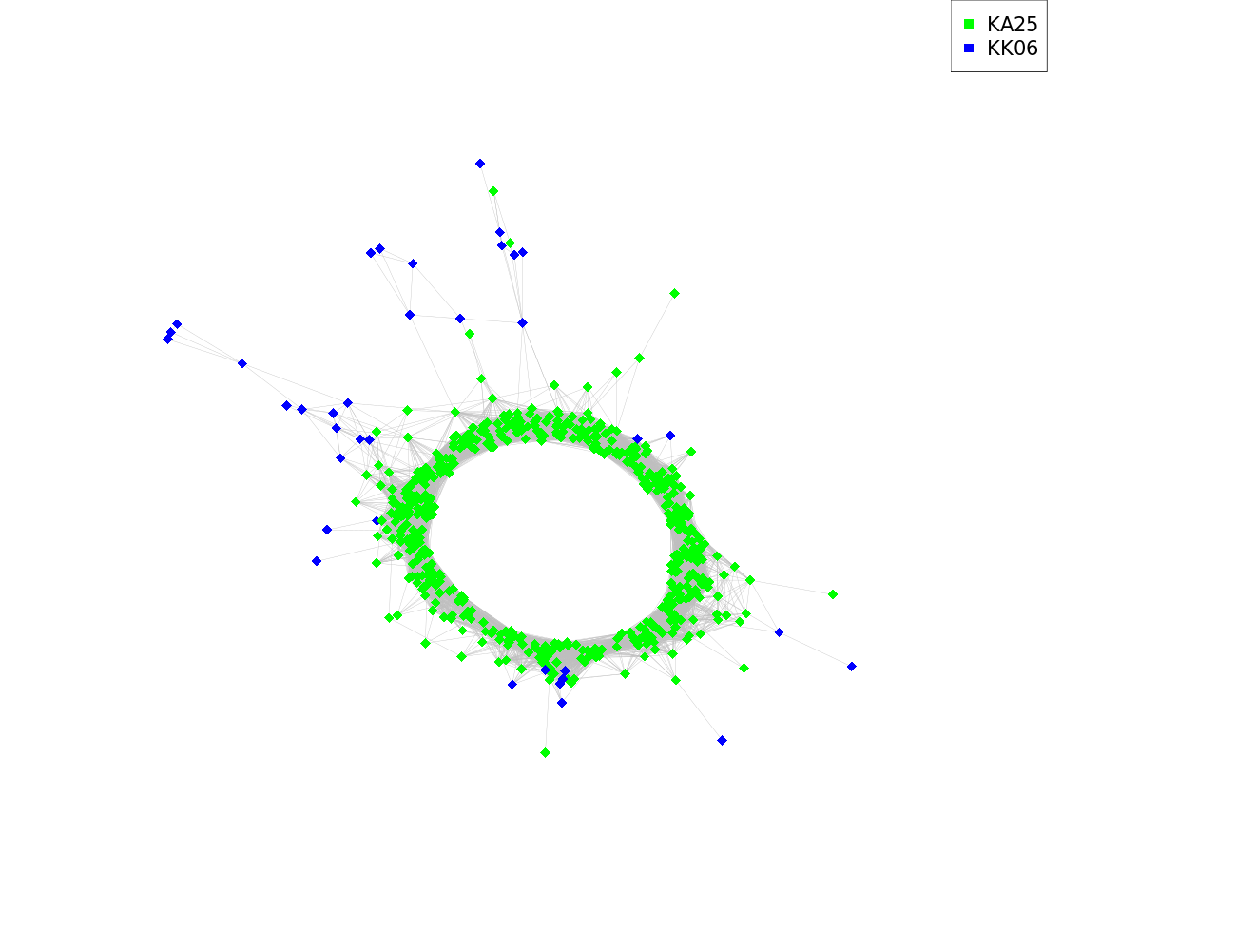 | 0.023 | All/repeat/satellite | 0.023 | 93.43 | 6.57 | *KA25,KA27,KK1,KK3,KK6 | blastn | NOT FOUND | AB016967.1 Leymus racemosus DNA repeat sequence... | megablast | 0.998
 |  |  |  |  |  |  |  |  |  |  |  |  | AB077234.1 Triticum aestivum DNA TaiI-family tandem... | megablast | 0.997
 |  |  |  |  |  |  |  |  |  |  |  |  | FJ904940.1 Secale cereale clone BAC 126/C20... | megablast | 1.000
 |  |  |  |  |  |  |  |  |  |  |  |  | MN161205.1 Triticum aestivum clone CentT566 satellite... | megablast | 0.998
 |  |  |  |  |  |  |  |  |  |  |  |  | AB037168.1 Triticum aestivum DNA repeat sequence... | dc-megablast | 0.985
 |  | KA25KK6(1to2)_CL235_TR_1_x_553nt | GTTCCAGACGATTTTATGTTTGAAGTATACTCTGCCACCCTCTACCACCCTTCCGTGAGCTCACCTACGGACTGATATAT GGACAATAACATATAGAACAATGCACCATCCTTCCATTACAAACTAGAAAGACTACAGGTTCAGTCACGACACAAGGAGG AGGCTCTTCGTTGCATCGTAACCGAAGAATTCATGCTTTACATGGTCTATCACCCATCCCGCTACCACCCTCACGTTTTC ACCAGCGGATGCATTATTCTTGGATCATAAAGTACATAACAGTTCATCCTCACTCCATTTATGCACTCGAAAAATTATAG GTCATTCTGAATGGTGCAAGATGGCTCGTCGGTGCGATCAACTTACCTTGAAAGTTGTATTCACGGTCTGTCCCGCGATG TTGTATCCATAAACCGGCCACAATTTGGCCATGAAAACTCCATTGGAGCTCCATGACCCGCCAAAACGATCACAACCAAA AGTTGTATGCGCCCGTAACCCACTCGCCGGCTTCGACAACATTTCGGAGGCAAGATCCGGCTTGTAAAATTGA | 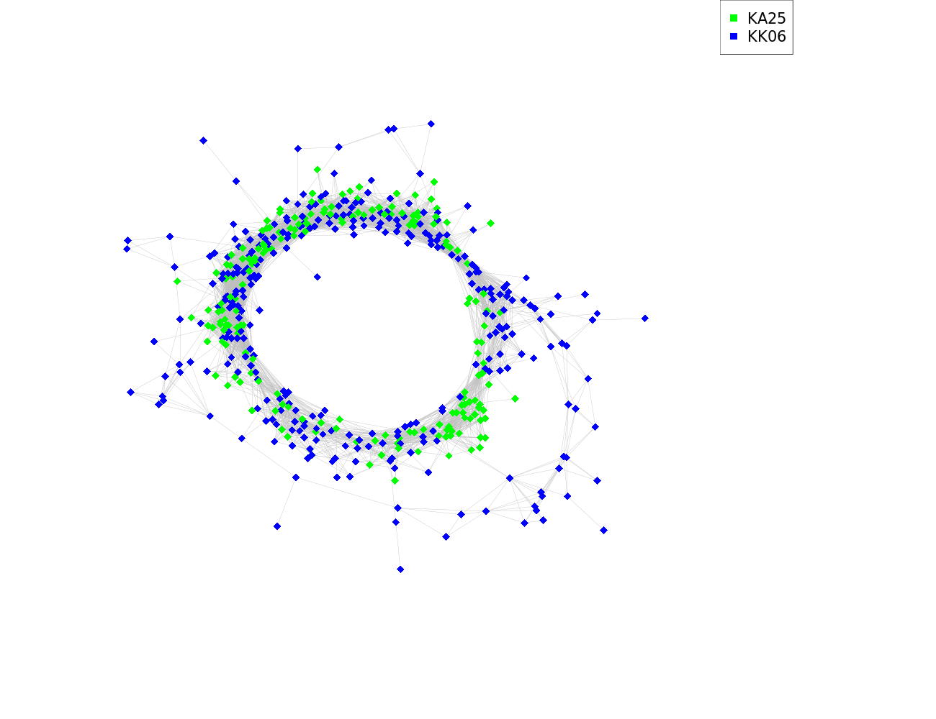 | 0.020 | All/repeat/satellite | 0.020 | 37.70 | 62.30 | *KA25,KK1,KK3,KK6 | blastn | NOT FOUND | MN161206.1 Triticum aestivum clone CentT550 satellite... | dc-megablast | 0.997
 |  |  |  |  |  |  |  |  |  | A.crassa KA27_CL236_TR_1_x_553nt | megablast | 1.000 | EU333405.1 Secale cereale pSc250 tandem repeat... | blastn | 1.000
 |  |  |  |  |  |  |  |  |  |  |  |  | JF893454.1 Secale cereale clone BAC 122/F3... | blastn | 1.000
 |  |  |  |  |  |  |  |  |  |  |  |  | KT724944.1 Secale cereale clone BAC 122F3... | blastn | 1.000
 |  | Putative satellites (low confidence)
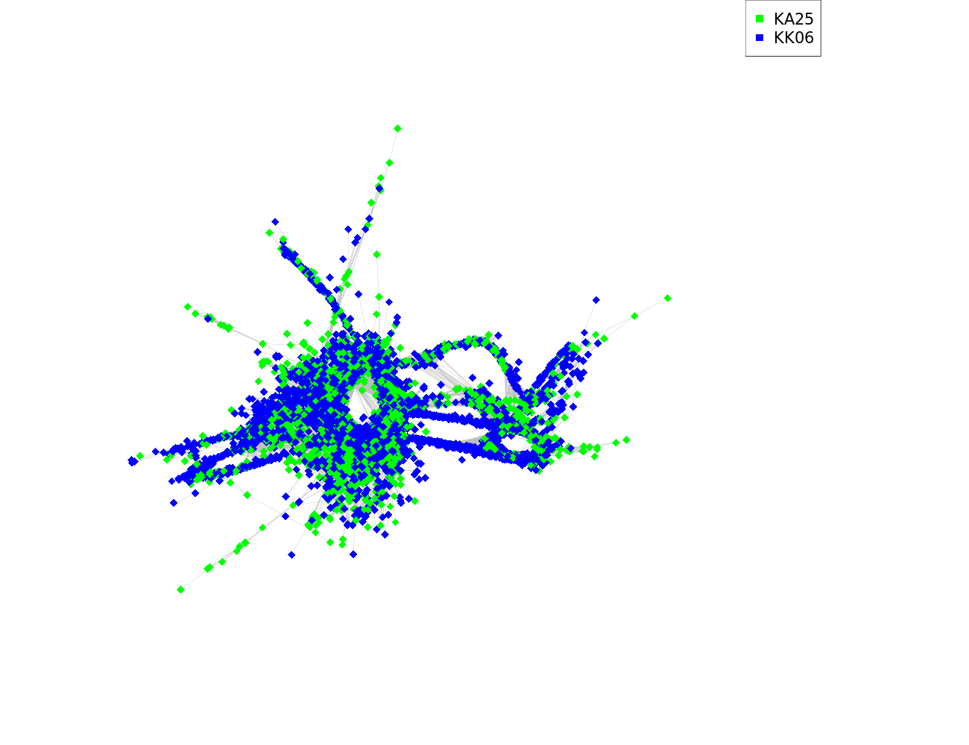
 |  | KA25KK6(1to2)_CL27_TR_1_x_584nt | AGTCAATATGAACGATTCTAGCTCCAGTGACCGTAGGATGTCCATCCAACGGCCGTAGTGCTTCTTCAACCTCTGGTCTT CTTGCTCCAGCCGCCCAAACCAGCGCCGGTCGTGCCGCCTGCTCCTGCCTCCCGTGGCCGGCTGTGCTGCCGCGCAGGCC TCACCGCCCCCTACTACTCCCACCGCTGGCCAGGCCATCCCTCTACTCACCCACACCTCCTGTTATTCTCCGGCGACGGC AGCCTCACACCGCAGCCGAACCAGTGAACCCTCGTACTCCTCTCCGCGTGGGCATCCACTGCCGCGTCTTCCCCGGCTCC GCGTCGTCCCCTTCCTAGGCCTCGCCGTCGTCCACCGCCCTGGTGCTCTCGGCGCGGCGTGGTCAACGTGGTCAACGAAC GACTTCCATCGGAAGAGGACTGTACGTGGAGAGGCTGACAGCTGGGTCCACGGCCGCAGCAAGGAAGTGCCTCCTTATTA CGCGCAAAATAATGAATCCTCCACCTGACAGCTGGGACCCACCATAGTGGGAGGCTGACTTGTGGGCCTACTAAGTTGAC GGGGACGGAGGGCTTTGTCAACTT |  | 0.675 | All/repeat | 0.675 | 17.85 | 82.15 | A.comosa KA16_CL38_TR_1_x_584nt | megablast | 1.000
 |  |  |  |  |  |  |  |  |  | A.crassa KA27_CL6_TR_1_x_584nt | megablast | 1.000
 |  |  |  |  |  |  |  |  |  | *KA25,KK1,KK3,KK6 | blastn | NOT FOUND
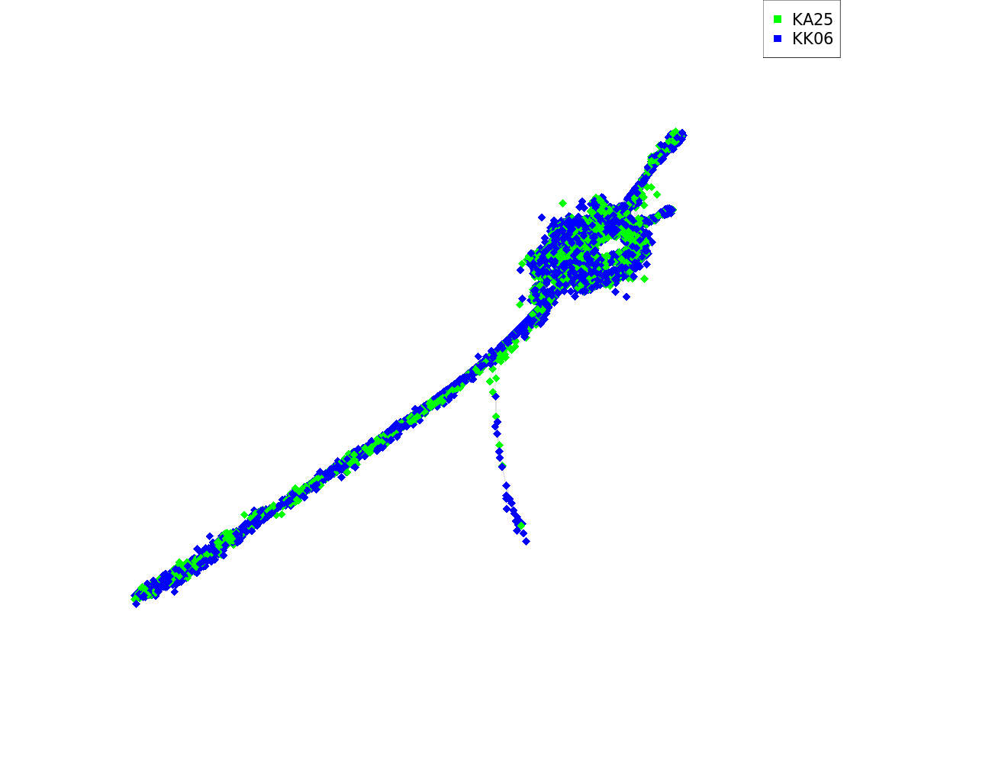
 |  | KA25KK6(1to2)_CL68_TR_1_x_251nt | ACATCTCCCCTACTCCACCATCACAGGTGCTTGCTCTAACTTGGCAGAGTGATATTGGTTGCATCTTTCATATGGTGTCT AGCTTGTATTGCTTCTAATTTGTTGAAATGCCTTCTGCTTAGTTTACACATCATACCTGTGAATATGACATGCCTTCCTG TTTTTCGTACATATTACATCCTCCTATCATGCGATTGTCTTACATCAAAGTACTGCTCTTGTGTATCCCGCATCAATCAC TTATGATGAGC |  | 0.431 | All/repeat | 0.431 | 25.54 | 74.46 |  |  |  | AF120172.1 Aegilops bicornis RAPD-generated marker sequence... | dc-megablast | 0.793
 |  | KA25KK6(1to2)_CL166_TR_1_x_504nt | GTGTCCATGCCGTGAGACCAATATGTTTGAAAATTCCTTCTAATTTACTGCACATGGAATTAACTCGCACACAAGTACAC AAATATGATTTTTCAAACCGTTATGGTTAGCCGTTGCATGTAGATGTAGTTCAAATTTGAATTACGGTCATTAAATGGCT AGAAAATCACTTAAATGTCTTTAAAAGGTCAAATGACCCCTGAAATTTTCCAAATTTTCACATGACAGTTGTATTAGTGC ACGTTAAACGTAGAAAAAAATTGAAGGCCGTAAGAGGAAGCTATCTCCCGTTCGTCATCAAACATGCATTGTTCCCTCTC GGAACCACGAGCCTTCTAGTGAGTTGCTCCGGTTTGTGAGGGGTGTGTGTCCAAACTTTCGTCAAACATGCCAATTTTTT TACCACATCATCTTGGTGGCATGACATTACATCAAGCAAGGTTTCATGTGTTTCTGATCATTTTTTAATTTTTTGGAATT AAAATGCCATGGCACTCCATGCAT | 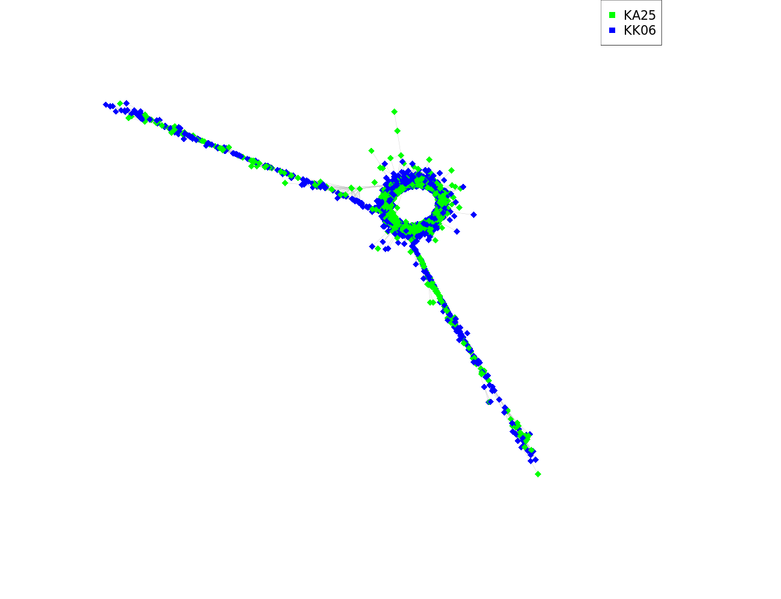 | 0.114 | All/repeat/satellite | 0.114 | 35.92 | 64.08 | A.comosa KA16_CL168_TR_1_x_504nt | megablast | 1.000 | KC290912.1 Triticum aestivum clone pTa-451 FISH-positive... | blastn | 0.919
 |  |  |  |  |  |  |  |  |  | A.comosa KA16_CL82_TR_1_x_505nt | blastn | 0.983
 |  |  |  |  |  |  |  |  |  | KA25KK6(1to2)_CL30_TR_1_x_505nt | blastn | 0.983
 |  |  |  |  |  |  |  |  |  | A.crassa KA27_CL14_TR_1_x_488nt | blastn | 0.835
 |  |  |  |  |  |  |  |  |  | *KA25,KK1,KK3,KK6 | blastn | NOT FOUND
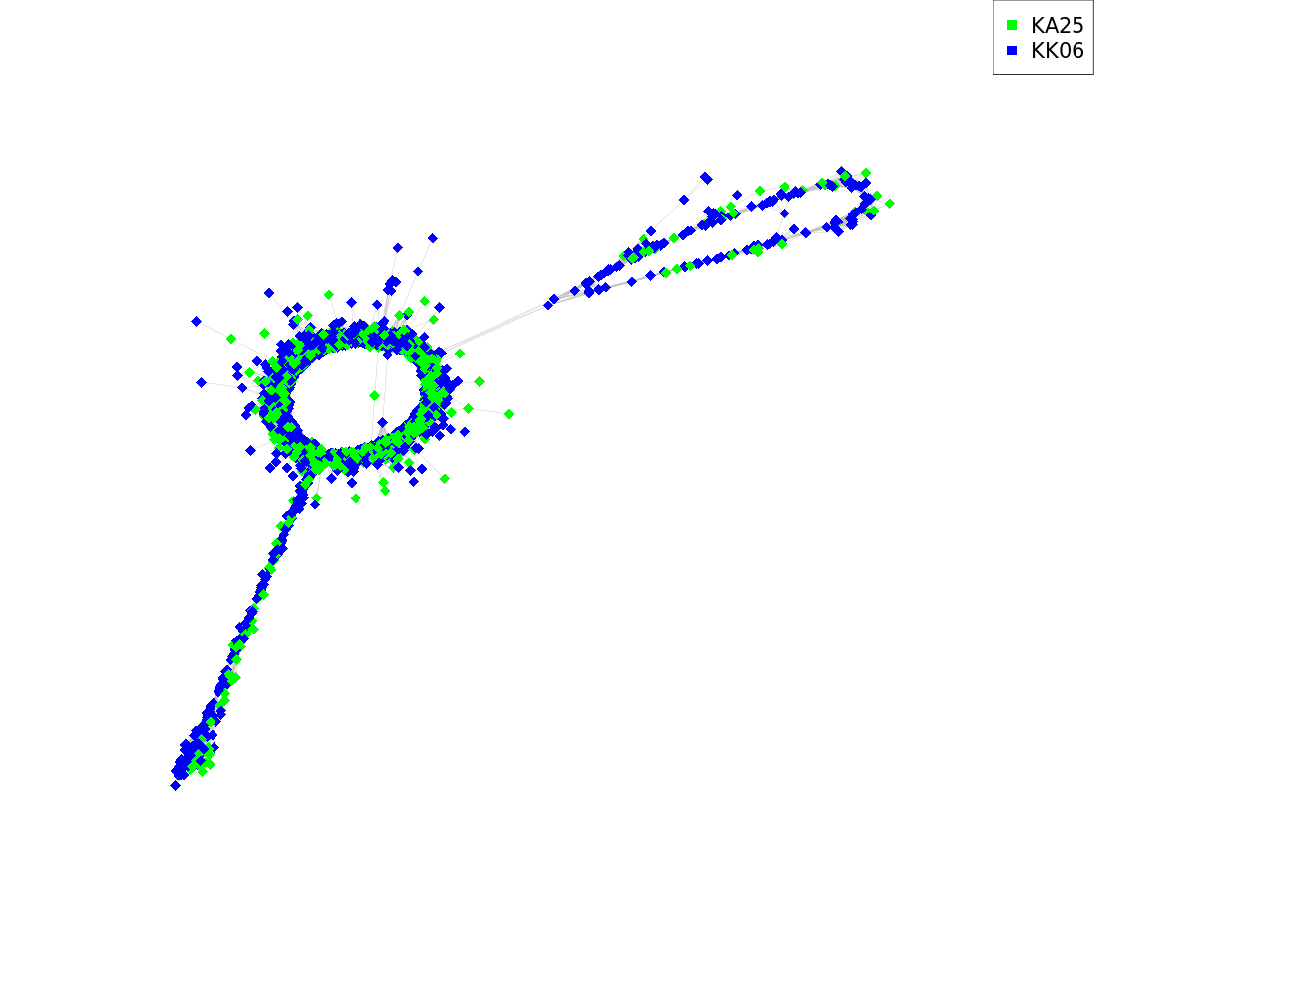
 |  | KA25KK6(1to2)_CL169_TR_1_x_662nt | GGACCTACCATATATTTGTTGCAAAATTGGACCAAATCAATTTTCTAAAATACTAGGCCATATTTAATGCACAATTGACC AAATGGTTGGGTGTCAAAAGTTTTGATCCACCTCTGGTGAAAAAGACAAATTTCCGCCGATTCAGTAGGAAGCGGGTCAA ATTTGAACTGCAGCTGCCTCATAGTTTGCTCTTTATTTTTTCCAAAAATCATTTCTAGGTACATAAGTATCTATTTAATC AGAGAAACACCAAAAAATTTCCAAGATTCAACCACTAGCTAGGAACGGTCATGCCCGCCGTTTTGACCGCATTTTGAAAC GGGCATAAAAAATTCAAAAAAAATCAAAAAATTGGAAAACCTTCGCATTGTGTCATTATATGTGACCAAGTTACCAGGAA AAATAATAAACTTGTAATACGGCAATTATTTTAAAAAAGTGTTCTCAGAAATGAGCTATCATGTGTGAAGATTCATGGCT TTCAAGCCAAATGATCAATCTTATGGCCACATTCATGGCATAGTTTGTTCAAATGATCTCATATTGTGCACAAGGGTGCA TCTTGGAATGGCAAACAATGTTGCCTAAGGAAGTTTTCATTTTCTTTGGACGAAAAATTCATTTTCCATTTTTCGAGTGC CCAAAATGAGTTTTTTTGTGAA |  | 0.108 | All/repeat/satellite | 0.108 | 28.65 | 71.35 | A.comosa KA16_CL243_TR_1_x_652nt | dc-megablast | 0.935 | MG323513.1 Agropyron cristatum clone ACRI_TR_CL80 satellite... | megablast | 1.000
 |  |  |  |  |  |  |  |  |  | *KA25,KA27,KK1,KK3,KK6 | blastn | NOT FOUND | KX390719.1 Agropyron cristatum clone pAcP27 transposon... | megablast | 0.920
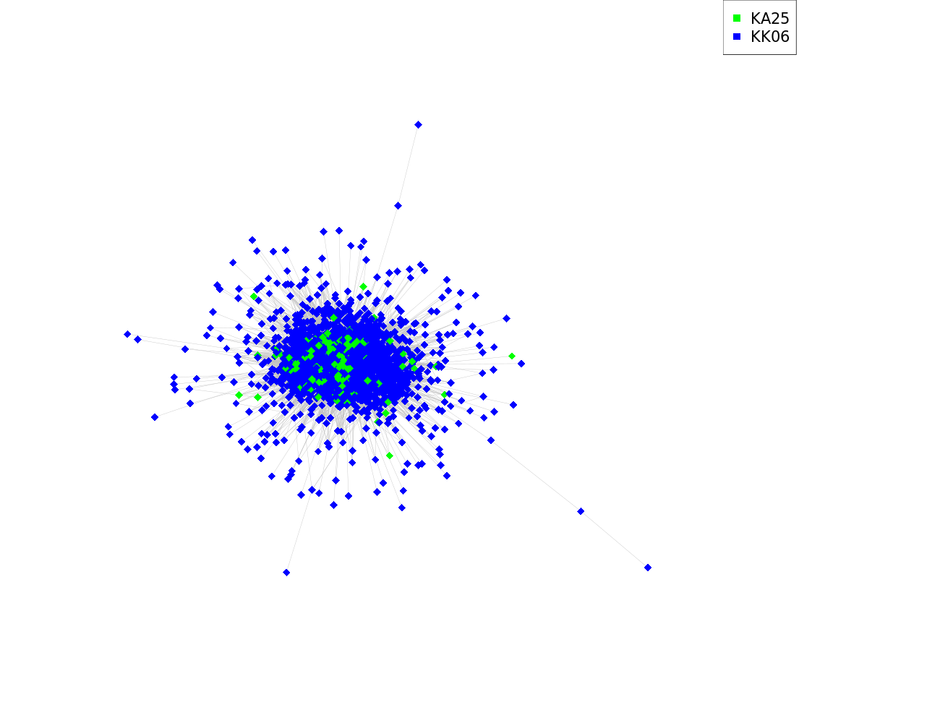
 |  | KA25KK6(1to2)_CL186_TR_1_x_90nt | GCAGTGGTGTCACGTGCTCGTCTCGGCGTCCGTCGTCGCTACCGCGACGACGTCCGCCTCGACTCGCGTTACCCTAAGAT AGACAGGGTG |  | 0.074 | All/repeat/satellite | 0.074 | 7.00 | 93.00 | A.comosa KA16_CL199_TR_1_x_90nt | megablast | 1.000 | KC290899.1 Triticum aestivum clone pTa-551 FISH-positive... | megablast | 0.959
 |  |  |  |  |  |  |  |  |  | A.crassa KA27_CL210_TR_1_x_90nt | megablast | 1.000 | MK283665.1 Aegilops speltoides isolate AesTR-126 satellite... | dc-megablast | 0.933
 |  |  |  |  |  |  |  |  |  | *KA25,KK1,KK3,KK6 | blastn | NOT FOUND
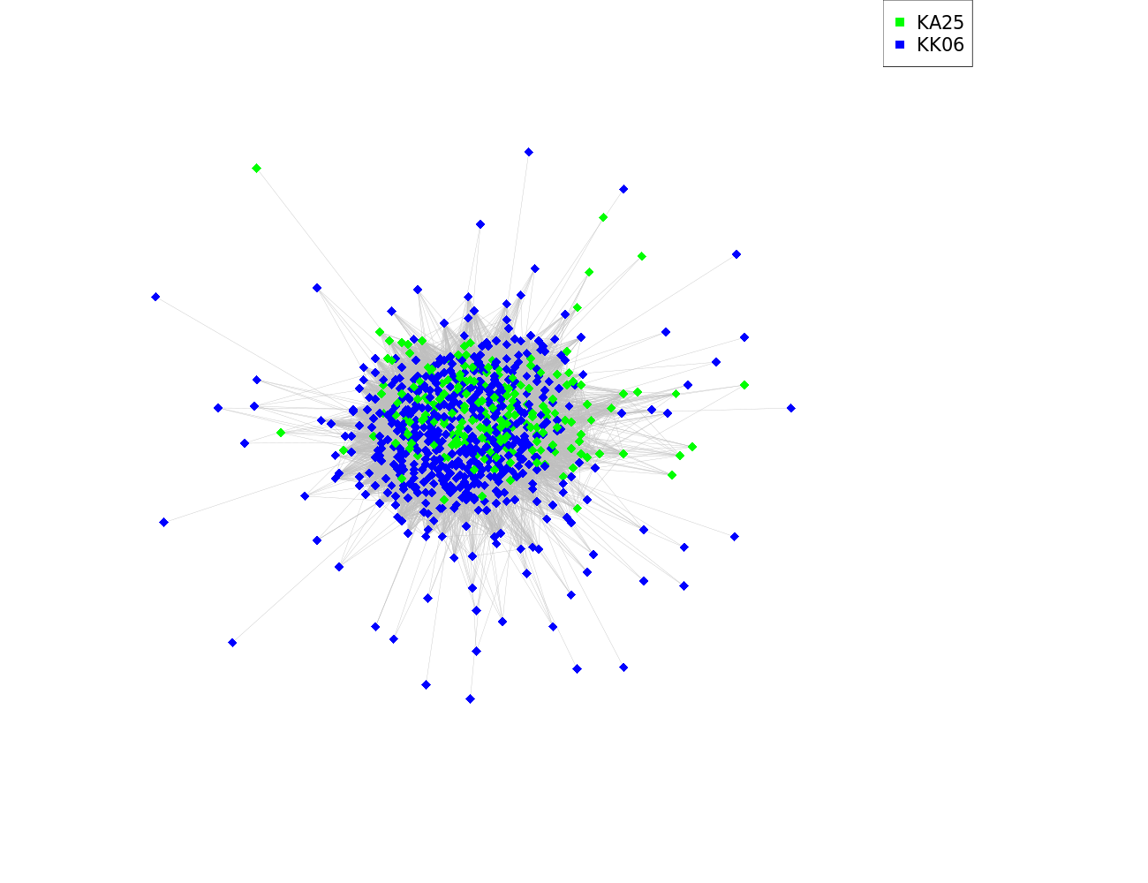
 |  | KA25KK6(1to2)_CL225_TR_1_x_44nt | AACCTAGTACAAATAATTTTACACTAGAGTTGAACTAGCTCTAT |  | 0.027 | All/repeat/satellite | 0.027 | 27.90 | 72.10 | A.crassa KA27_CL209_TR_1_x_44nt | megablast | 0.977
 |  |  |  |  |  |  |  |  |  | *KA25,KK1,KK3,KK6 | blastn | NOT FOUND
 |  | Putative LTR elements
 |  | KA25KK6(1to2)_CL30_TR_1_x_505nt | TGTTGTGAGAAGCTCTGGTTTGTGAGAAGCATATACCCAAACCTGCCCCAAATGGGACAAAATTTTTACCACGGCATGTT GATGCCGCTCCATGATAGCATGCCAAGTTTCATGAATTTCAGACGAGTTTTGGATTTACTAGAATTTAAAAACCAGGCAT CTCAATGTTTTGCCGGCAATCAACGGTGCCCTGGTGTTTGAAATTCATTCCCATTTCTTGCATGGGACCTAAGCATGCAC CCAAGGACACATATTTGATTTTTCAACCAATTTATATGCACTGGAGCATGTGCATGTAGTTCAAATTTGAATTATGCACA TAAATGCATTGAAAACTCAGTTAATGCATAAAAATGTCCAAACGAACCCCGAAAAATCACAAAAATTAACACAACACTCC TGTTGTTCTATGTTGACACGAGAAAAAAATTTGAAAGCAATAAGAGGCAATGGATATCGTTTCGTCCCCAAAGGTGGGAC GTTCCCTACCGAAAACCATCATGCT | 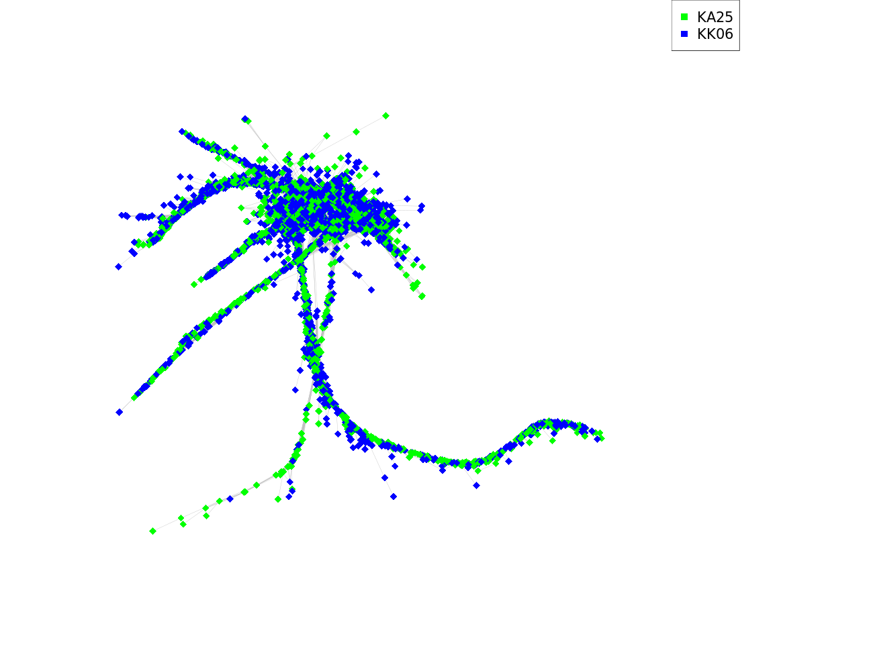 | 0.644 | All | 0.644 | 20.98 | 79.02 | A.comosa KA16_CL82_TR_1_x_505nt | megablast | 1.000 | KC290912.1 Triticum aestivum clone pTa-451 FISH-positive... | dc-megablast | 0.987
 |  |  |  |  |  |  |  |  |  | A.crassa KA27_CL14_TR_1_x_488nt | megablast | 0.987
 |  |  |  |  |  |  |  |  |  | A.comosa KA16_CL168_TR_1_x_504nt | blastn | 0.959
 |  |  |  |  |  |  |  |  |  | KA25KK6(1to2)_CL166_TR_1_x_504nt | blastn | 0.959
 |  |  |  |  |  |  |  |  |  | *KA25,KK1,KK3,KK6 | blastn | NOT FOUND

