main_sheet
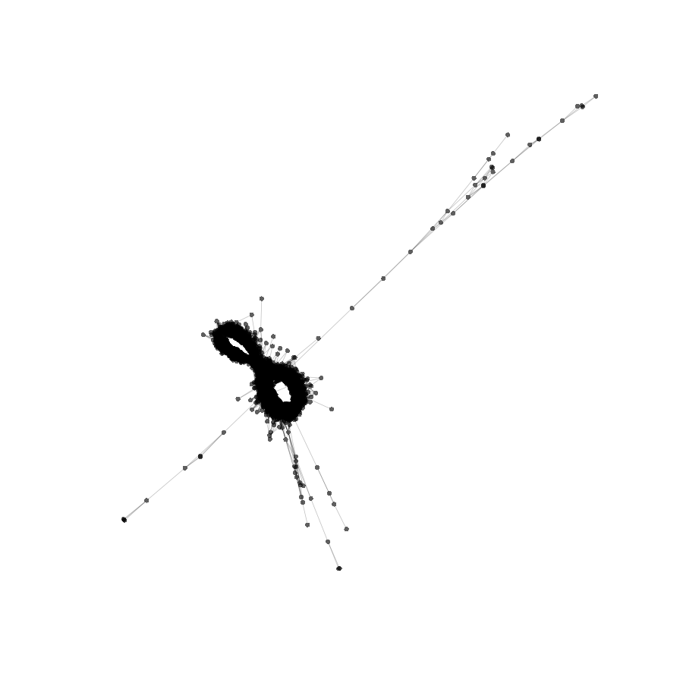
A.crassa |  | cluster | seq | pic_path | proportion, % | TAREAN annotation | proportion, % | homology to other sequences in this work | task | share of cluster consensus covered | homology to repeat-related sequences in Nucleotide DB | task | share of cluster consensus covered
Paired reads | 2000000 | Putative satellites (high confidence)
% reads in clusters | 77 | KA27_CL121_TR_1_x_333nt | AGACGCGTGCCGCCTCTTCGGACATGCCACCACACCACCCCGCATGTATGAGGGCCCGGTGCGACGCTCCGGTGGCATTG CTACCCCCCGAGGCCCCCGTCCCGCCTAACCCTGTAGCGTTTGACCACGGGATCTAGCCCTTTGACTTTGCACGGACGGG CTTTGACCAGTGGACCTCTCCACCCGGTTGTGTTAGGTCAGCCCATAGGAACACTTTGGAGCAACATCCGGGCCAGACCC ACAATAATATCCCCTCCGTGTAGACCCGACGCGTCCGTTTCCCCCCTCCAGGTGCCGGCGGCGGCGCCGTCCGTGAGGGG GGGCACACCCCGG |  | 0.231 | All/repeat/satellite | 0.231 | A.comosa KA16_CL145_TR_1_x_328nt | megablast | 0.998 | KC290905.1 Triticum aestivum clone pTa-465 FISH-positive... | megablast | 1.000
 |  |  |  |  |  |  |  | KA25KK6(1to2)_CL141_TR_1_x_333nt | megablast | 1.000 | EF560592.1 Triticum turgidum subsp. durum retrotransposon... | dc-megablast | 0.978
 |  |  |  |  |  |  |  | *KA25,KK1,KK3,KK6 | blastn | NOT FOUND

 |  | KA27_CL147_TR_1_x_369nt | TTTCATAGGGAACTTTTGGAGAACTTTTCTTAAGGAGTTCGTTCAGAAACTTGTATAGAAACTTTCTTAATGAGCACTCG ACAAACGCATTTCGAGAACATACACAAAGTCCCAGCTATGGACCTAGTGCATCATCATAACTGAGGTCTCTTGCATTTCC CTACAAGTAATTGGATCTCATATGGAGATGTTTAGTGAAGTAGAATGGAAAAAATCGAATGCAACTACACAAGAACTAGT CTGTAACTGTCGTTCGGAATCAGTTTTGCGCAGTGTTAACTGAAACATGGATATCTGACTCATACGGAGTCCGTTTTGGC TCCACAAGTAGTCAAAACGTTTGTGACGACCAGATGCTTCAAAGGATTC |  | 0.174 | All/repeat/satellite | 0.174 | A.comosa KA16_CL223_TR_1_x_369nt | megablast | 1.000 | AY249985.1 Aegilops tauschii clone 4P6-14 tandem... | megablast | 1.000
 |  |  |  |  |  |  |  | KA25KK6(1to2)_CL170_TR_1_x_369nt | megablast | 1.000 | MG323512.1 Agropyron cristatum clone ACRI_TR_CL78 satellite... | megablast | 0.998
 |  |  |  |  |  |  |  | *KA25,KK1,KK3,KK6 | blastn | NOT FOUND | MK256652.1 Aegilops tauschii microsatellite P170 sequence... | megablast | 0.718
 |  | KA27_CL159_TR_1_x_118nt | CTCACCGTTTTGGGGTCCCAAAGCGATTTCCATGGTTGTCGAACCCCAAGGTGCGCTTACGTGTCGGTCATCAACACTCG CAGTTTTGGCCGATTCTGGCCCGTTTCGTGGACTATTA | 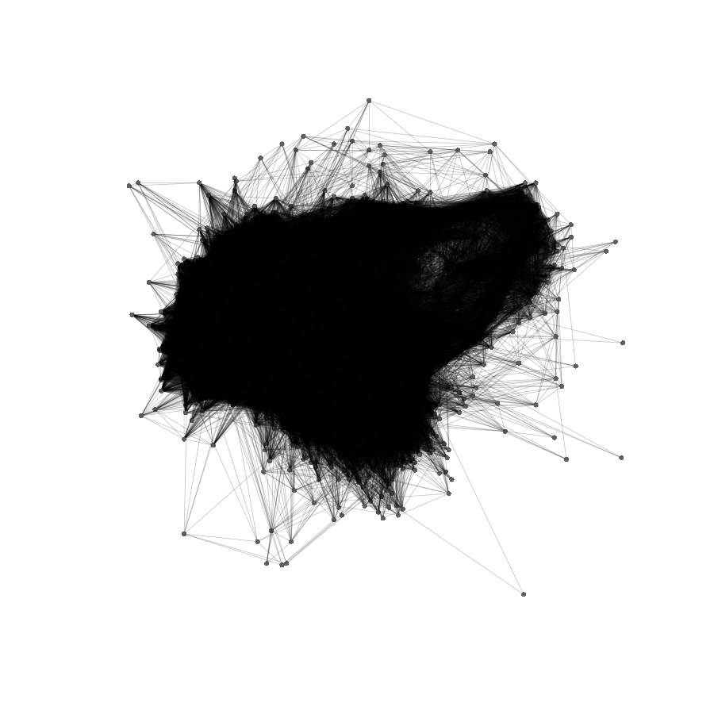 | 0.134 | All/repeat/satellite | 0.134 | A.comosa KA16_CL130_TR_1_x_119nt | megablast | 1.000 | AM285293.1 Secale cereale AFLP marker E-ACT/M-CAA/303... | megablast | 1.000
 |  |  |  |  |  |  |  | KA25KK6(1to2)_CL113_TR_1_x_118nt | megablast | 1.000 | AY551004.1 Triticum aestivum RAPD marker Pm6-X1... | megablast | 1.000
 |  |  |  |  |  |  |  | A.comosa KA16_CL160_TR_1_x_118nt | blastn | 0.791 | KC290896.1 Triticum aestivum clone pTa-86 FISH-positive... | megablast | 1.000
 |  |  |  |  |  |  |  | *KA25,KK1,KK3,KK6 | blastn | NOT FOUND | KF719093.1 Secale cereale strain J-1-1 tandem... | megablast | 1.000
 |  |  |  |  |  |  |  |  |  |  | KT724938.1 Secale cereale clone BAC 84C15... | megablast | 0.901
 |  | KA27_CL165_TR_1_x_73nt | CCCCGAGTGGGAGGGTTGCTCACCACTCGGTAGGATTTTTCAAACTTAGGCGAGTACTGGACTGCAGCTAAGC |  | 0.124 | All/repeat | 0.124 | A.comosa KA16_CL100_TR_1_x_73nt | dc-megablast | 1.000 | AH012974.2 Aegilops tauschii strain TA1649 transposon... | megablast | 1.000
 |  |  |  |  |  |  |  | *KA25,KK1,KK3,KK6 | blastn | NOT FOUND | X85383.1 H.vulgare repeated DNA sequence... | megablast | 1.000
 |  |  |  |  |  |  |  |  |  |  | KY014099.1 Triticum aestivum clone pMD-566 microsatellite... | dc-megablast | 1.000
 |  |  |  |  |  |  |  |  |  |  | MK256650.1 Aegilops tauschii microsatellite P332 sequence... | dc-megablast | 1.000
 |  |  |  |  |  |  |  |  |  |  | KC290903.1 Triticum aestivum clone pTa-458 FISH-positive... | blastn | 0.973

 |  | KA27_CL178_TR_1_x_46nt | CGCGCGTCGCCACTCGGTTGGTCACCTCATCACCACTCGGCCGCCC |  | 0.095 | All/repeat/satellite | 0.095 | A.comosa KA16_CL164_TR_1_x_46nt | megablast | 1.000
 |  |  |  |  |  |  |  | *KA25,KK1,KK3,KK6 | blastn | NOT FOUND
 |  | KA27_CL185_TR_1_x_316nt | ACTCCGCCAAATGGCACGAAACTTTTTCCACACGTTGGCATCACCCTCAACAGCACCCACGCCAGTTTGCATATTTTTCC GACGCTCGATGCATTTCCTAGGATTTTCCCGGTGAAAATGCCCTAAAACACTGGCCGGACGTGACGCAACGTTCGTTTTG TGTCCGTTTTCGTTCCAACCTTGCGTGGGGCCCTACGTAGGCCGTGCCCGCATGTCTACCCACTTTGGTGCAATTGCATG CATGCGATCACGTACCCCTAGTGCAACGAGCTTCGTTTCGGTCTACCGGAGGGGGGTTCCCAACTACTTTTTTTTG |  | 0.085 | All/repeat/satellite | 0.085 | A.comosa KA16_CL206_TR_1_x_319nt | megablast | 0.998 | AF139201.1 Triticum aestivum clone p451 genomic... | megablast | 0.994
 |  |  |  |  |  |  |  | KA25KK6(1to2)_CL195_TR_1_x_317nt | megablast | 0.999 | AF087828.1 Triticum aestivum genomic repeat region... | dc-megablast | 0.929
 |  |  |  |  |  |  |  | A.crassa KA27_CL215_TR_1_x_320nt | dc-megablast | 0.929 | AH013688.3 Aegilops tauschii transposon XJ complete... | blastn | 0.812
 |  |  |  |  |  |  |  | KA25KK6(1to2)_CL228_TR_1_x_320nt | blastn | 0.929
 |  |  |  |  |  |  |  | *KA25,KK1,KK3,KK6 | blastn | NOT FOUND

 |  | KA27_CL199_TR_1_x_311nt | AAAACCTTGGAAACCTAGCTTTGTTTGTGCAAGAGATCATGTGTGCCAAAATTGAGGTGATTTGGAGGTGGTCGAAAAAA TCACCGCATTCCGGAGGGACCATTTGGTCTAACTTAAGCCATTTTTTGAACAAAGGTGATTTTTTCCACCACCTCCAAAT CACCCAATTTCTCTATGACACGGTGACCCACATGTGCCAAACATGTCCATGAAAGAAAATTTGGAAAAAATATATTTTAC AATGCCCCCTTGAGGTATAGACCGATGTTTTGATCAGTCAGTCTAGAGGGCAGTATAAATTCAAAAAAAAT |  | 0.058 | All/repeat/satellite | 0.058 | A.comosa KA16_CL233_TR_1_x_312nt | megablast | 0.998
 |  |  |  |  |  |  |  | *KA25,KK1,KK3,KK6 | blastn | NOT FOUND

 |  | KA27_CL202_TR_1_x_319nt | GAGCGAGTTTGGCGGATGCGACGGAGAGACGTACGACCGAGGGTCCCCTCCACCCATACCGAAACCACCGGCTTCCACAG CAAGTGCCCGTGCGGTTTGCCGGAATGCACCCAACTTTTGCCAGCGCGTGTGGGGACCCGCCCGGGTACCGCACGCCAGA GATGAACGAAATCCGACTACGAACGCACGTTGCGTCACGTCCGGGCAGTGTTTTCGGGGTTTTCGGCCCGGAAAATCATA GAAAATCCGTAGAGCGTCGAAACGCGACAAATTTTGGCGTGCGTGCCCTGCATGGTCACTGTGGCCCGTGGAAAAAAAT |  | 0.052 | All/repeat/satellite | 0.052 | KA25KK6(1to2)_CL212_TR_1_x_319nt | megablast | 1.000 | AH013688.3 Aegilops tauschii transposon XJ complete... | megablast | 1.000
 |  |  |  |  |  |  |  | A.comosa KA16_CL206_TR_1_x_319nt | dc-megablast | 0.806
 |  |  |  |  |  |  |  | *KA25,KK1,KK3,KK6 | blastn | NOT FOUND

 |  | KA27_CL204_TR_1_x_178nt | TGCCCAAACCATCGCTAACAACTTCCGTTCACAAACTTTTCTCAAAATAGGTCTCCATATATTACCTCTCTTTGTGAATT TTGCCCCGAAACCCTGCCACTAACGCTCTCGAACAAAGCCTCCATAGAAAGTCCTCCGTAACTGCCTTTTCAAGCCACCG TGCAGTTGACTTTTTTTC |  | 0.048 | All/repeat/satellite | 0.048 | KA25KK6(1to2)_CL221_TR_1_x_178nt | megablast | 1.000
 |  |  |  |  |  |  |  | *KA25,KK1,KK3,KK6 | blastn | NOT FOUND

 |  | KA27_CL209_TR_1_x_44nt | AGTGTAAAATTATTTGTACTAGCTTATAGAGCTAGTTCAACTCT |  | 0.039 | All/repeat/satellite | 0.039 | KA25KK6(1to2)_CL225_TR_1_x_44nt | megablast | 1.000
 |  |  |  |  |  |  |  | *KA25,KK1,KK3,KK6 | blastn | NOT FOUND
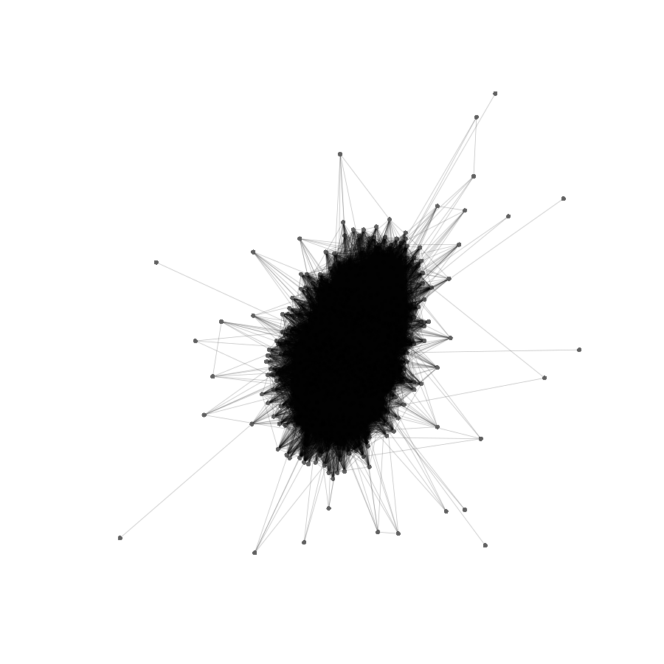
 |  | KA27_CL210_TR_1_x_90nt | GCGGACGTCGTCGCGGTAGCGACGACGGACGCCGAGACGAGCACGTGACACCACTGCCACCCTGTCTATCTTAGGGTAAC GCGAGTCGAG |  | 0.039 | All/repeat/satellite | 0.039 | A.comosa KA16_CL199_TR_1_x_90nt | megablast | 1.000 | KC290899.1 Triticum aestivum clone pTa-551 FISH-positive... | megablast | 1.000
 |  |  |  |  |  |  |  | KA25KK6(1to2)_CL186_TR_1_x_90nt | megablast | 1.000 | MK283665.1 Aegilops speltoides isolate AesTR-126 satellite... | megablast | 0.967
 |  |  |  |  |  |  |  | *KA25,KK1,KK3,KK6 | blastn | NOT FOUND
 |  | KA27_CL215_TR_1_x_320nt | GTCAGTGTTTTCGGTGCGTTTCACGGAGAAAACCATAAGAAATTCATACGGTGTCGGAAAATTATGAAAACTTGCACGCA TGATGGCCCTGGTGATGCGGGCGTGTGGAAAAAGTTTGGGGTCCACCGGCTGAGTCAGAAAAGAAAACGCAGTACGGAGC TGACCTCCTTCATATCCGATCAGTGCCGGTTGCATGGGTGGTACGAGGTGGCATGCATGAAATGTCACCCAATTTTGGGA GGCAGTGGGCATGCCCATCTTAGGGCCCCACGCAAGATTTGAACGAATTCGGACACCAAACGCACGTTGCGTCACGCCCG |  | 0.033 | All/repeat/satellite | 0.033 | KA25KK6(1to2)_CL228_TR_1_x_320nt | megablast | 1.000 | AF087828.1 Triticum aestivum genomic repeat region... | megablast | 1.000
 |  |  |  |  |  |  |  | A.comosa KA16_CL206_TR_1_x_319nt | dc-megablast | 0.998 | AF139201.1 Triticum aestivum clone p451 genomic... | megablast | 1.000
 |  |  |  |  |  |  |  | KA25KK6(1to2)_CL195_TR_1_x_317nt | dc-megablast | 0.998
 |  |  |  |  |  |  |  | A.crassa KA27_CL185_TR_1_x_316nt | dc-megablast | 0.998
 |  |  |  |  |  |  |  | *KA25,KK1,KK3,KK6 | blastn | NOT FOUND
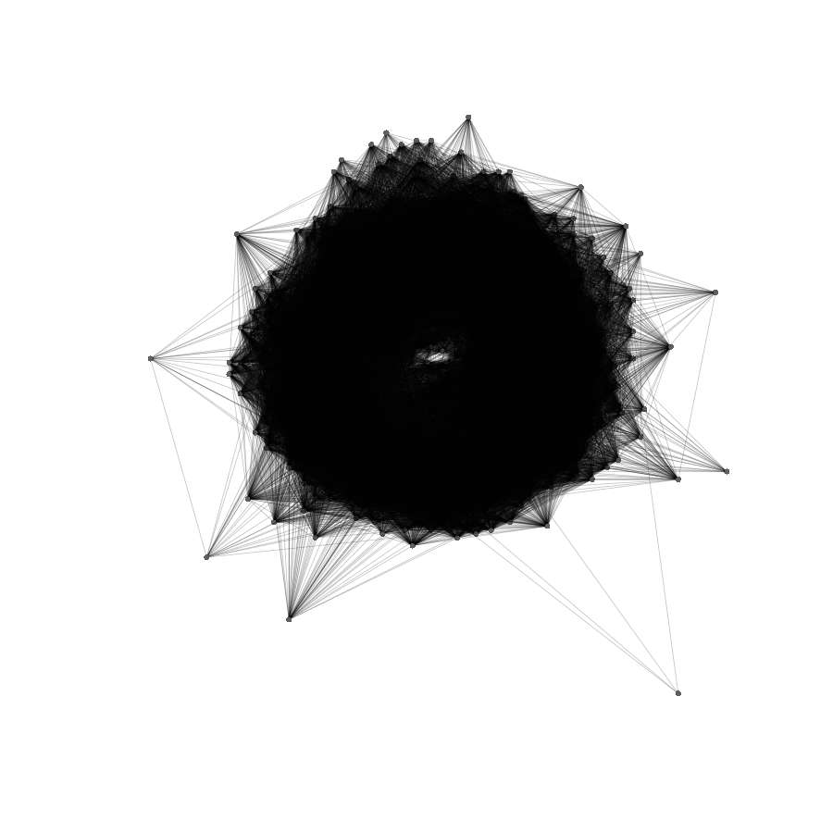
 |  | KA27_CL232_TR_1_x_145nt | CATAGGTCGAAGTGTGTGTTGGTCGTGCAGCGTGCTGGTTCGTGCGGCGCGTTGTCCGTCGTGGTGTGACACGGCGCCTC CGGCGCGAGGGAACCTCCTGCTCGCCTTCGGCTCGTTTAATTTTCATAAACATCTTGAAGGGGGG |  | 0.020 | All/repeat/satellite | 0.020
 |  | KA27_CL239_TR_1_x_376nt | AATTCCTGGAAATCTCGGCCCAAAAAAGGACGTTTAGTAATTCTAAAAGGGACTACAGGATGAAAAACAATAGTTTTGGC AGTTAAAGTTTGAGATTCGATGGTGCCGTAAATCCGTTTGGTCATCAGGTGTTACGAGCCACACCCATGGATAGCTAGAA TAGTGTGTTAGGCTCAGGCTAGAGCAGAAACGGGGAACAAACTGATGAAAGAATGATCATACCGAGGGAATTCACTCAGA ACTAACAAGAATGATAACGTGCTCCGACTGGAGCGGTTTAGGAACTGCTGGAAGGCTCTAGGGGAATAAAGATGGAATGA CTTCTAATTTTTAGGTCCGTATGATTTGAAATACTTGCACACAAACCGCGAGAAAG |  | 0.016 | All/repeat/satellite | 0.016 | KA25KK6(1to2)_CL67_TR_1_x_376nt | megablast | 0.998 | AY082346.1 Aegilops speltoides clone p1783g12 tandem... | dc-megablast | 0.998
 |  |  |  |  |  |  |  | KA25KK6(1to2)_CL53_TR_1_x_379nt | blastn | 0.831 | DQ481545.1 Agropyron cristatum strain PI536010 clone... | dc-megablast | 0.790
 |  |  |  |  |  |  |  | *KA25,KK1,KK3,KK6 | blastn | NOT FOUND | J01264.1 rye (s.cereale) heterochromatin repetitive sequences... | dc-megablast | 0.944
 |  |  |  |  |  |  |  |  |  |  | MG323511.1 Agropyron cristatum clone ACRI_TR_CL20 satellite... | dc-megablast | 0.983
 |  |  |  |  |  |  |  |  |  |  | AY117400.1 Aegilops speltoides subtelomeric repeat Spelt52.1... | dc-megablast | 0.888

 |  | KA27_CL245_TR_1_x_1315nt | TGAGAGAGCGGGGGCGGGAGATCCAAAAACGGAGATCGGGTGGGAAAACAAAATTTAGGCGATATTACGAATTTCTAGCG GGAAACGAAATTTAATGTGGGACAGCAAAATTTGGCGGGCTGGTGGTGCTTCCCGCGGACCACTTACAGAAGTTTGTGAC CCCGAGAGATAATAATCCAAGCGGCGGCGGCTTTGCCACCGCTAAGCCATTTTTGCGCGCTTTCCCATAGTTTTACCCTC ATTTTTGACAAGTATGGAACCCCCATCAAATTTTTCTCGTGCCTGCACTGTTTTTAGGCCTTGGTATCCGTTTTGATACA CGTGCCATCATAGTAAAAAAATAGTAATATTTGTTTTCCGGCGGGAAACGCTCGTTAGCGTTCTAGGGTGGTTCTAGATA TGCCAACCGGGCTTGCAGAGCCGGACAATTTGGCCGTGAACCCTTTTATTCTACCCGTGTCCGTCCTGACGAACTGAACC GACGGCCATGCCACATGGGCCGTAGTCACGGGGTTCTCGTGGGCTTTGGGTCTTTAAGTAACGCGGGACGTACAAGTCCC CGGTCATCGGCTCCCCGAGATCTTTCGAACGGATCCGGATATTCCGCGGTCGTAGCTCGTGTGCTCAAGATGCGGAGTCG TCCCGGGGCTATCTTCGAACCGGAACCGTTGACACGATCGGATGCATTCGACCCGAGCCGGCCTTTGTTGAAATAGAGCG CACCGTTCATCGCCGTACGGCGTCTCTCCAAAAAGGAGAGAATAAACATAGAAGACGCATATCTTAAATTAAACAAAAAT CACGGGGGAGGCCATGTAGTCGGTCGATCTTCATGTGAGTCAAAGAGTGGTGACATGATGGCTTCGCGTTTGCAATTGTT TCGGTACATAGGACGTTGCATGCATGCATGCATGTAGTTGAACATGACACCATGTATAAGCCTATCGTGTATGTCTAGAT AGGGTAGGAGAGAAGGGGGCCACGAACGAGTTGGAATGTCGCCATGTCAAAGGAATTAACGGTAAACGGACAAGAATTCC CGCCCACACAATGCGCAAGGCACGAGTCCTCCGGTAATACAACAATCCGGGAGCTTCCCAATGGATCCGGAATCGCCTCG ATCGGAGCTCGTGTGCTCAAGATGCGGAGCCTTCCCCGAGGCCGTATTTCGTCGGGGTCGTGATTGCATGCATGCAACCG GGTCCGGGATAGCGTGTGTGGGTGTGTGTATGTGTGTGTGCCAAAAGTGAGCGTATAGTACATCATTGCACGGTGTTCAT AAAAAAACATAAGACGGAGAGAGAGAGAGAGAGAG |  | 0.013 | All/repeat/satellite | 0.013
 |  | Putative satellites (low confidence)
 |  | KA27_CL2_TR_1_x_343nt | GTCATTTACCGATTTGTTTAGAGAGCTAAATGACGGTGAAATTGAAAATCACTACAAAATGAACTCTGAAAAGGTTGAAA GTTGGCATGGTATCATCATTTCACCCACATAGCATGTGCAAGAAAGTAGAGAGGGTTACGGCAAAAACTGGATGCACTTC GTGTACAAAACGGACAATCTCTTTCGAAGTATCAGGGTTTCGGACGAGAACTCATCTGTTACACGGGCACTTCAATGTTT TTTAAACTTATTTGAACTCCAGCCTATTTTTGCGTTCAGTATGCATCATTCAAAGCGACGTCATCAATTTCCAACACGTT CTGACATCATTTGCTGTTTTTCA | 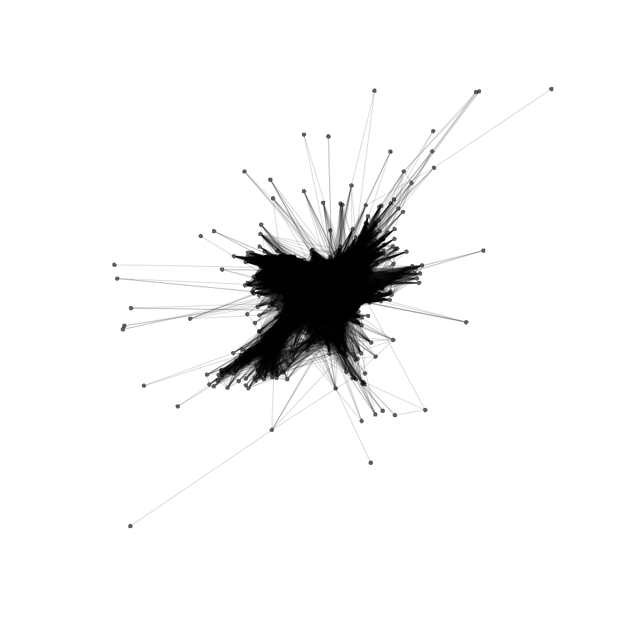 | 1.153 | All/repeat | 1.153 | A.comosa KA16_CL115_TR_1_x_337nt | megablast | 0.998 | AB003255.1 Aegilops triuncialis var. triuncialis DNA... | megablast | 0.979
 |  |  |  |  |  |  |  | KA25KK6(1to2)_CL15_TR_1_x_339nt | megablast | 0.979 | AB022723.1 Psathyrostachys juncea DNA tandem repetitive... | megablast | 0.998
 |  |  |  |  |  |  |  | *KA25,KK1,KK3,KK6 | blastn | NOT FOUND | AH014393.2 Hordeum vulgare subsp. vulgare transposons... | megablast | 0.997
 |  |  |  |  |  |  |  |  |  |  | D30736.1 Aegilops squarrosa repetitive DNA sequence... | megablast | 0.979
 |  |  |  |  |  |  |  |  |  |  | HM536207.1 Hordeum vulgare clone pHv-1123 repeat... | megablast | 0.997
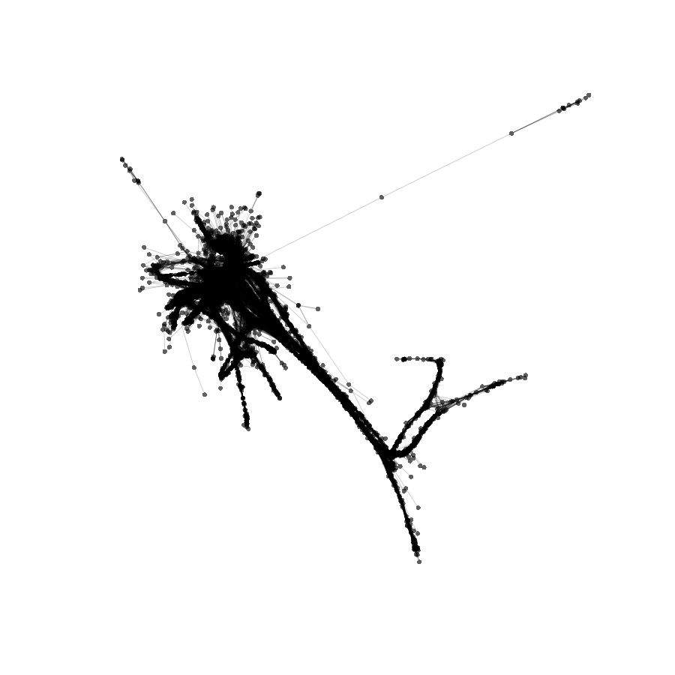
 |  | KA27_CL6_TR_1_x_584nt | GGGGACGGAGGGCTTTGTCAACTTAGTCAATATGAACGATTCTAGCTCCAGTGACCGTTGGATGTCCATCCAACGGCCGT AGTGCTTCTTCAACCTCTGGTCTTCTTGCTCCAGCCGCCCAAACCAGCGCCGGTCGTGCCGCCTGCTCCTGCCTCCCGTG GCCGGCTGTGCTGCCGCGGAGGCCTCACCGCCCCCTACTACTCCCACCGCTGGCCAGGCCATCCCTCTACTCACCCACAC CCCCTGTTATTCTGCGGCGACGGCAGCCTCACACCGCAGCCGAACCAGTGAACCCTCGTACTCCTCTCCGCGTGGGCATC CACTGCCGCGTCTTCCCCGGCTCCGCGTCGTCCCCTTCCTAGGCCTCGCCGTCGTCCACCGCCCTGGTGCTCTCGGCGCG GCGTGGTCAACGTGGTCAACGAACGACTTCCATCGGAAGTGGACTGTACGTGGAGAGGCTGACAGCTGGGTCCACGGCCG CAGCAAGGAAGTGCCTCCTTATTACGCGCAAAAAAATGAATCCTCCACCTGACAGCTGGGACCCACCATAGTGGGAGGCT GACTTGTGGGCCTACTAAGTTGAC |  | 1.015 | All/repeat | 1.015 | A.comosa KA16_CL38_TR_1_x_584nt | megablast | 1.000
 |  |  |  |  |  |  |  | KA25KK6(1to2)_CL27_TR_1_x_584nt | megablast | 1.000
 |  |  |  |  |  |  |  | *KA25,KK1,KK3,KK6 | blastn | NOT FOUND
 |  | KA27_CL236_TR_1_x_553nt | TCCGTGAGCTCACCTACGGACTGATATATGGACAATAACATATAGAACAATGCACCATCCTTCCATTACAAACTAGAAAG ACTACAGGTTCAGTCACGACACAAGGAGGAGGCTCTTCGTTGCATCGAAACCCAAGAATTGATGCTTTACATGGTCAATC ACCCATCTCGCTACCACCCTCACGTTTTCACCAGCGGATGCATTATTCTTGGATCATAAAGTACATAACAGTTCATCCTC ACTCCATTTATGCACTCGAAAAATTATAGGTCATTCCGAATGGTGCAAGATGGCTCGTCGGTGCGATCAACTTACCTTGA AAGTTGTATTCACGGTCTGTCCCGCGATGTTGTATCCATAAAACGGCAACAATTTTGCCACAAAAACTCCATTGGAGCTC CATGACCCGCCAAAACAATCACAACCAAAAGTTGTATGCGCCCGTAACCCACTCGCGGGCTTCGACAACATTTCGGAGGC AAGATCCGGCTTGTAAAATTGAGTTCCGGACGATTTTATGCTTGAAGTATACTCTGCCACCCTCTACCACCCT |  | 0.017 | All/repeat/satellite | 0.017 | A.comosa KA16_CL140_TR_1_x_552nt | megablast | 1.000 | MN161206.1 Triticum aestivum clone CentT550 satellite... | dc-megablast | 0.993
 |  |  |  |  |  |  |  | KA25KK6(1to2)_CL235_TR_1_x_553nt | megablast | 1.000 | EU333405.1 Secale cereale pSc250 tandem repeat... | blastn | 0.999
 |  |  |  |  |  |  |  | *KA25,KK1,KK3,KK6 | blastn | NOT FOUND | JF893454.1 Secale cereale clone BAC 122/F3... | blastn | 0.999
 |  |  |  |  |  |  |  |  |  |  | KT724944.1 Secale cereale clone BAC 122F3... | blastn | 0.998
 |  | Putative LTR elements
 |  | KA27_CL14_TR_1_x_488nt | ATTTGAAAGCAATAAGAGGCAATGGATATCGTTTCGTCCCCAAAGGTGGGACGTTCCCTACCGAAAACCATCATGCTTGT TGTGAGAAGCTTATACCCAAACCTGCCCCAAATGGGACAAAATTTTTACCACGGCATGTTGATGCCGCTCCATGATAGCA TGCCAAGTTTCATGAATTTCAGACGAGTTTTGGATTTACTAGAATTTAAAAACCAGGCATCTCAATGTTTTGCCGGCAAT CAACGGTGCCCTGGTGTTTGAAATTCATTCCCATTTCTTGCATGGGACCTAAGCATGCACCCAAGGACACAGATTTGATT TTTCAACCAATTTATATGCACTGGAGCATGTGCATGTAGTTCAAATTTGAATTATGCACATAAATGCATTGAAAACTCAG TTAATGCATAAAAATGTCCAAACGAACCCCGAAAAATCACAAAAATTCACACAACACTCCTGTTGTTCTATGTTGACACG AGAAAAAA |  | 0.854 | All | 0.854 | A.comosa KA16_CL82_TR_1_x_505nt | megablast | 1.000 | KC290912.1 Triticum aestivum clone pTa-451 FISH-positive... | dc-megablast | 0.926
 |  |  |  |  |  |  |  | KA25KK6(1to2)_CL30_TR_1_x_505nt | megablast | 1.000
 |  |  |  |  |  |  |  | A.comosa KA16_CL168_TR_1_x_504nt | blastn | 0.909
 |  |  |  |  |  |  |  | KA25KK6(1to2)_CL166_TR_1_x_504nt | blastn | 0.909
 |  |  |  |  |  |  |  | *KA25,KK1,KK3,KK6 | blastn | NOT FOUND

