Sheet3
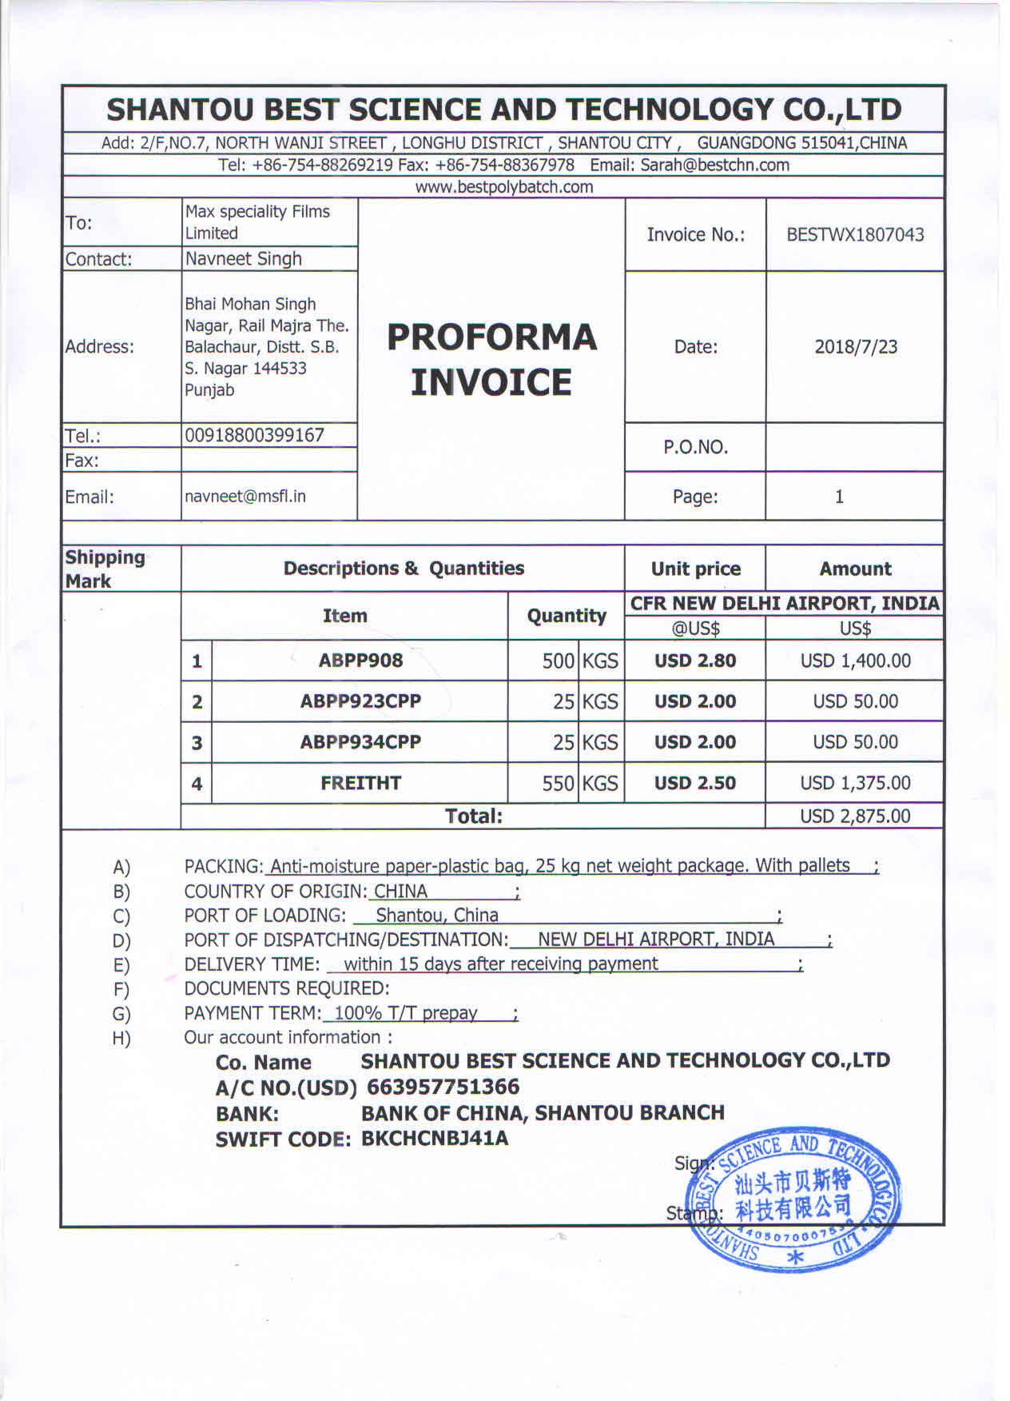

GRADE | QTY | RATES | USD
ABPP908 | 500 | 3 | 1500
ABPP23CPP | 25 | 2 | 50
ABPP934CPP | 25 | 2 | 50
FREIGHT | 550 | 2.5 | 1375
 |  |  | 2975
DISCOUNT |  |  | 100
Total |  |  | 2875

