18 core skills
Design Immersion Skill Badges |  |  |  |  | SteamHead Teaching Materials

Heart |  | Head |  | Hand

Inspire | Empathize | Define | Ideate | Prototype | Testing

Workshop | Interviews | User Stories | Sketching | Work Plan | Gather Feedback
 |  |  |  |  | 

Service | Field Research | Roleplay | Story Boarding | Physical Prototype | Reflection
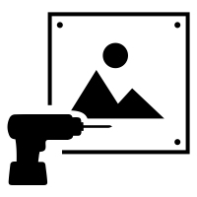 |  |  |  | 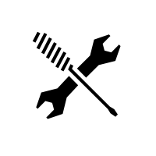 | 

Digital Storytelling | Empowered Searcher | Mind Map | Brain Storm | Digital Prototype | Beta Test


Physical Prototyping |  |  | Digital Prototyping

Hand Crafts | Power Tools | Automated Fabrication | Circuit Design | Media | Coding

Hand Tools | Power Carpentry | Simple Printers | Simple PCBs | Photo Editing | Hacking
 | 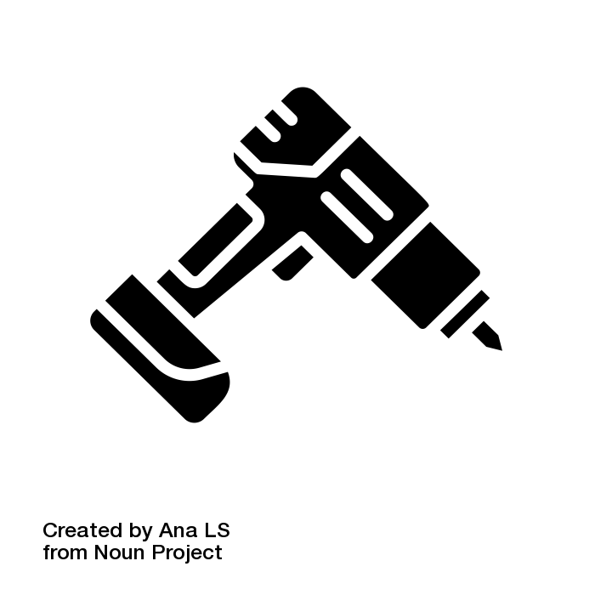 |  | voice recorder beatbox, electronic sythesizer, BIY arduino board |  | Download and modify programs or media

Block Circuits | Power Stitch Craft | Laser Cutter | Microprocessors | Vector Artwork | App Design
 |  |  |  | Use 2D vector editing programs to create designs including art, infographics, and design elements.

Card Craft | Electro Craft | 3D Printer | Electronic Sensors | 3D Modeling | Robotics Coding
Manipulating cardboard, foam core, and card stock is a core prototyping skill! Start simple, and keep adding projects (forever) | Solder wires, use heat guns, and power supplies while making projects |  | Light, motion, and sound to start, more sensors possible | 3D drawing of a physical model, using measurements | 

Stitch Craft | Metal Working | CNC Drill | Breadboards | Videography | iOT App Design
Measure, outline, cut, sew, dye and print onto fabric to create softgoods! | 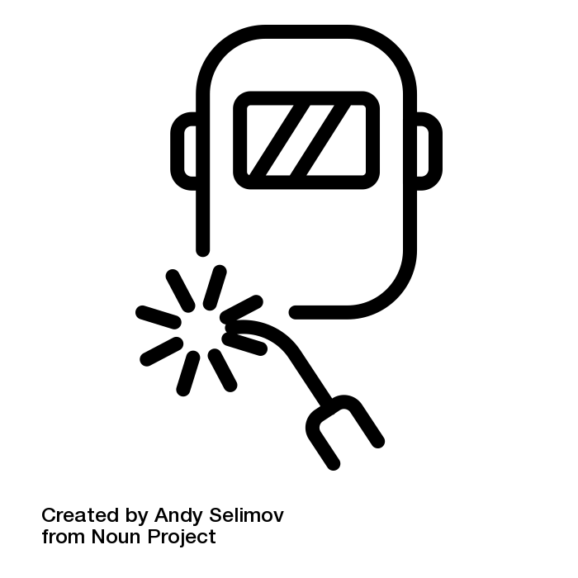 | 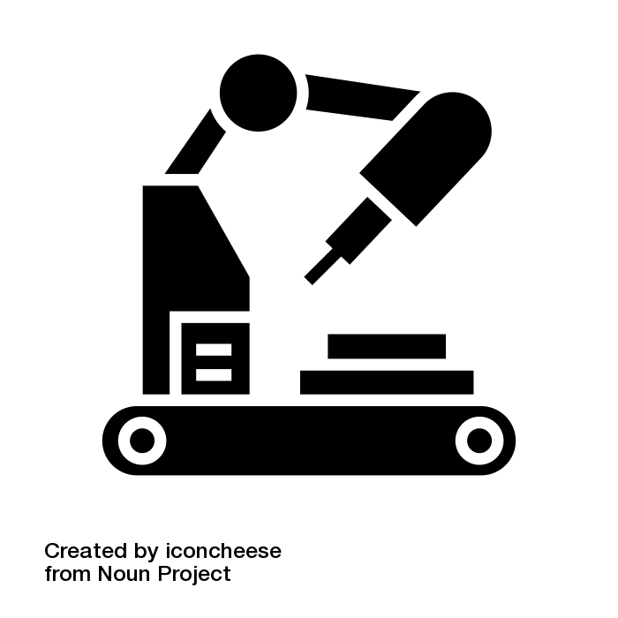 | Custom circuit design |  | Design a game or application that sends and receives data over the internet

