HW
 | 1. MATERIAL PROPERTIES:

 | Modulus of Elasticity: |  | E = | 29000 | ksi
 |  |  | G = | 11200 | ksi
 | Yield Strength: |  | Fy = | 50 | ksi
 |  |  | Fu = | 70 | ksi

 | Problem 4.18:

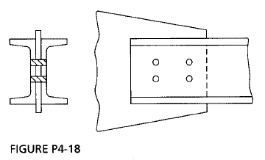

 | Plate |  | Fy = | 50 | ksi
 |  |  | Qty = | 1
 | Plate Width: |  | wtp = | 9 | in
 | Plate Thickness: |  | ttp = | 0.75 | in

 | Required:
 | a) | Select C10 channels for tension member

 | Method:
 | i) | Determine Controlling Load Combination
 | ii) | Check for limit states
 | iii) | Check slenderness Ratio

 | Solution:

 | Member Length |  | L = | 25 | ft
 | Dead Load |  | DL= | 120 | kip |  |  | 120 | kip
 | Live Load |  | LL= | 275 | kip |  |  | 275 | kip
 | Factors |  | ft= | 0.9 |  |  | Wt= | 1.5
 |  |  | fr= | 0.75 |  |  | Wt= | 2
 | Number of Members |  |  | 2 |  |  |  |  |  | Reference: | AISC 14th
 |  |  |  |  |  |  |  |  |  | Section | Eq/Fig/Table/Notes
 |  | LRFD |  |  |  |  | ASD

 | 1) | Demand: |  |  |  |  | Demand:
 | Load |  | Pu = | 584 | kip |  | Pa = | 395 | kip
 | Yielding: |  | Ag = | 12.98 | in2 |  | Ag = | 5.27 | in2
 | Area/Member |  | Arqd = | 6.49 | in2 |  | Arqd = | 2.63 | in2

 | 2) | Capacity: |  |  |  |  | Capacity:

 | Member Selected: |  |  | C10X30 |  |  |  | C10X30

 | Web Thickness: |  | twch | 0.673 | in |  | twch | 0.673 | in
 |  |  | Ach | 8.81 | in2 |  | Ach | 8.81 | in2
 | Eccentricity |  | xbar | 0.649 | twch |  | xbar | 0.649 | twch
 |  |  | rmin | 1.22 | in |  | rmin | 1.22 | in | AISC | Table | 1-16

 | i) | Gross Section Yielding: |  |  |  |  | Gross Section Yielding:
 |  |  | Ag= | 17.62 | in2 |  | Ag= | 17.62 | in2
 |  |  | Pn= | 881.00 | kip |  | Pn= | 881.00 | kip
 |  |  | ftPn= | 792.90 | kip |  | ftPn= | 587.33 | kip

 | ii) | Tensile Rupture Strength: |  |  |  |  | Tensile Rupture Strength:

 | Connection: |  |  |  |  |  | Connection:
 | # Bolts/Channel/Area: |  |  | 2 | Units |  |  | 2 | Units
 | Bolt Size: |  | f= | 0.875 | in |  | f= | 0.875 | in
 | Area bolt holes: |  | Ah = | 2.69 | in2 |  | Ah = | 2.69 | in2

 | Channel Section Strength |  |  |  |  |  | Channel Section Strength
 | Nominal Area |  | An= | 14.93 | in2 |  | An= | 14.93 | in2
 | Shear Lag |  | U= | 0.84 |  |  | U= | 0.84
 | Effective Area |  | Ae= | 12.51 | in2 |  | Ae= | 12.51 | in2
 | Nominal Strength |  | Pn= | 875.42 | kip |  | Pn= | 875.42 | kip
 | Capacity |  | ftPn= | 656.56 | kip |  | Pn/W= | 437.71 | kip

 | iii) | Design Check: |  |  |  |  | Design Check: |  |  | Design Check
 | Tension Strength |  |  | OK |  |  |  | OK
 | Slenderness Ratio: |  |  | OK |  |  |  | OK

 |  | LRFD: | 2 - | C10X30 |  | ASD: | 2 - | C10X30 |  | ANSWER

 | 6.22. MATERIAL PROPERTIES:

 | Modulus of Elasticity: |  | E = | 29000 | ksi
 |  |  | G = | 11200 | ksi
 | Yield Strength: |  | Fy = | 36 | ksi
 |  |  | Fu = | 70 | ksi
 | Problem 6.22:
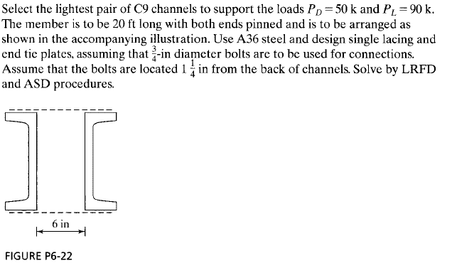

 | Required:
 | a) | Select C9 channels for compression member
 | b) | Design Single Lacing For Channels
 | c) | Design End Tie Plates
 | Method:
 | i) | Determine Controlling Load Combination
 | ii) | Check for limit states
 | iii) | Check slenderness Ratio
 | Solution:

 | Member Length |  | L = | 20 | ft
 | Dead Load |  | DL= | 50 | kip |  |  | 50 | kip
 | Live Load |  | LL= | 90 | kip |  |  | 90 | kip
 | Factors |  | ft= | 0.9 |  |  | Wt= | 1.5
 |  |  | fr= | 0.75 |  |  | Wt= | 2
 | Number of Members |  |  | 2 | Units
 | Distance between members |  |  | 6 | in |  |  |  |  | Reference: | AISC 14th
 |  |  |  |  |  |  |  |  |  | Section | Eq/Fig/Table
 | PART A: DESIGN OF CHANNELS |  |  |  |  |  |  |  |  | E

 |  | LRFD |  |  |  |  | ASD

 | 1) | Demand: |  |  |  |  | Demand:
 | Load |  | Pu = | 204 | kip |  | Pa = | 140 | kip
 | Compression:
 | Assume |  | K = | 1 |  |  | K = | 1
 |  |  | KL/r = | 80 |  |  | KL/r = | 80
 |  |  | fFcr = | 25 | ksi |  | fFcr = | 25 | ksi | AISC | Table | 4-22
 | Area required: |  | Ag = | 8.16 | in2 |  | Ag = | 5.60 | in2
 | Area/Member |  | Arqd = | 4.08 | in2 |  | Arqd = | 2.80 | in2

 | 2) | Capacity: |  |  |  |  | Capacity:

 | Member Selected: |  |  | C9X15 |  |  |  | C9X15 |  | AISC | Table | 1-1

 | Web Thickness: |  | twch | 0.285 | in |  | twch | 0.285 | in | AISC | Table | 1-1
 |  |  | Ach | 4.41 | in2 |  | Ach | 4.41 | in2 | AISC | Table | 1-1
 | Eccentricity |  | xbar | 0.586 | in |  | xbar | 0.586 | in | AISC | Table | 1-1
 | Mom. Inertia, x |  | Ixch | 51 | in4 |  | Ixch | 51 | in4 | AISC | Table | 1-1
 | Mom. Inertia, y |  | Iych | 1.91 | in4 |  | Iych | 1.91 | in4 | AISC | Table | 1-1
 | Radius of Gyration, x: |  | rxw = | 3.4 | in |  | rxw = | 3.4 | in | AISC | Table | 1-1
 | Radius of Gyration, y |  | ryw = | 0.659 | in |  | ryw = | 0.659 | in | AISC | Table | 1-1

 | Built Up Section |  |  |  |  |  | Built Up Section
 | Distance to centroid |  | dx = | 0 | in |  | dx = | 0 | in
 | Distance to centroid |  | dy = | 3.59 | in |  | dy = | 3.59 | in
 | Mom. Inertia, x |  | Ixch | 102.00 | in4 |  | Ixch | 102.00 | in4
 | Mom. Inertia, y |  | Iych | 117.24 | in4 |  | Iych | 117.24 | in4
 | Smallest |  | Imin | 102.00 | in4 |  | Imin | 102.00 | in4
 |  |  | rmax | 3.40 | in |  | rmax | 3.40 | in
 |  |  | KL/r = | 70.6 |  |  | KL/r = | 70.6 |  | AISC | Table | 4-22
 |  |  | fFcr = | 24.88 | ksi |  | Fcr/W = | 16.58 | ksi | Interpolation
 |  |  | fPn= | 219.44 | kip |  | Pn/W= | 146.24 | kip

 | iii) | Design Check: |  |  |  |  | Design Check: |  |  | Design Check
 | Compressive Strength |  |  | OK |  |  |  | OK

 |  | LRFD: | 2 - | C9X15 |  | ASD: | 2 - | C9X15 |  | ANSWER

 | PART B: DESIGN OF SINGLE LACING

 | Lacing Check:
 | Boltline distance from channel |  |  | 1.25 | in |  | dc = | 1.25 | in | Min | Table | J3.4
 | Distance between bolt lines |  |  | 8.5 | in |  | db = | 8.5 | in
 | Angle between Laces |  |  | 60 | deg |  | angle = | 60 | deg
 | Length of Lace |  |  | 9.8 | in |  | length = | 9.8 | in
 | Smallest Radius of Gyration |  |  | 0.659 | in |  | rmin = | 0.659 | in
 | Stiffness per Lace |  |  | 14.9 |  |  | klace = | 14.9
 | Stiffness of Member: |  |  | 70.6 |  |  | kmember = | 70.6
 | Check: |  | Klace<Kmember ? | OK |  |  |  | OK

i | Demand Force on lacing bar:
 | Shear Force |  | Vu = | 4.39 | kip |  | Va = | 2.92 | kip
 | Force per side |  | Vu/2 = | 2.19 | kip |  | Vu/2 = | 1.46 | kip
 | Compressive Force: |  | Pc = | 2.53 |  |  | Pc = | 1.69 |  | Demand Force

ii | Capacity
 | Design of bar:
 | Width |  | b = | 1 | in |  | b = | 1 | in
 | Thickness |  | t = | 0.25 | in |  | t = | 0.25 | in | Trial
 | Area |  | A = | 0.25 | in2 |  | A = | 0.25 | in2
 | Moment of Inertia |  | I = | 0.00 | in4 |  | I = | 0.00 | in4
 | Radius of Gyration |  | r = | 0.07 | in |  | r = | 0.07 | in
 | Assume |  | K = | 1 |  |  | K = | 1
 |  |  | KL/r = | 135.8 |  |  | KL/r = | 39.2 |  | AISC | Table | 4-22
 | Capacity Strength |  | fFcr = | 12.21 | ksi |  | Fcr/W = | 16.58 | ksi | Capacity | Interpolation
 | Area required: |  | Ag = | 0.207 | in2 |  | Ag = | 0.10 | in2
 | Width Required: |  | brqd = | 0.829 | in |  | brqd = | 0.407 | in
 | Min Width |  | bmin = | 2.5 | in |  | bmin = | 2.5 | in
 | Width: |  | b = | 2.5 | in |  | b = | 2.5 | in
 | Length of Bars: |  | L = | 12.3 | in |  | L = | 9.8 | in
 | Length: |  | L = | 12.5 | in |  | L = | 12.5 | in
 |  | LRFD: |  |  |  | ASD
 |  | 0.25 | 2.5 | 12.5 | in | 0.25 | 2.5 | 12.5 | in | ANSWER

 | PART C: DESIGN OF END TIE PLATES

 | Minimum length |  |  | 8.5 | in |  |  | 8.5 | in
 | Minimum thickness |  |  | 0.17 | in |  |  | 0.17 | in
 | Minimum Width |  |  | 11 | in |  |  | 8.5 | in
 |  | LRFD: |  |  |  | ASD
 |  | 3/16 | 8.5 | 12 | in2 | 3/16 | 8.5 | 12 | in2 | ANSWER
 | 7.5. MATERIAL PROPERTIES:

 | Modulus of Elasticity: |  | E = | 29000 | ksi
 |  |  | G = | 11200 | ksi
 | Yield Strength: |  | Fy = | 50 | ksi
 |  |  | Fu = | 70 | ksi

 | Problem 7.5:
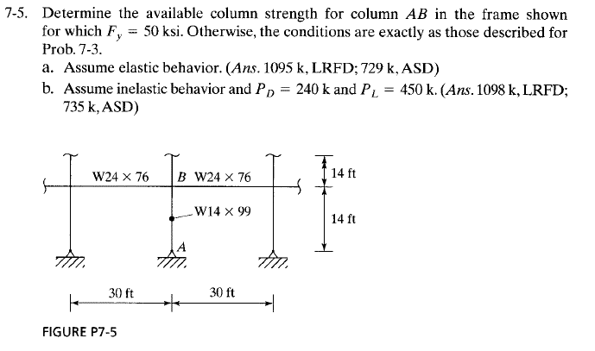

 | Required:
 | a) | Available column strength for elastic behavior
 | b) | Available column strength for inelastic behavior
 | Method:
 | i) | Determine Member Stiffness, Joint Rotational Stiffness and Effective Length Factor
 | ii) | Determine Strength
 | iii) | Determine Stiffness Reduction factor and Strength
 | Solution:

 | BRACED-FRAME INFORMATION:

 | # | Member | Section | Length | I | E | Support end A | Support end B | Stiffness
 |  |  | (Shape) | (ft) | (in4) | (Msi) |  | (kip.ft) | (kip.ft)
 | 0 | No Member | 0 | 0 | 0 | 0 | 0 | 0 | 0
 | 1 | Column AB | W14X99 | 14 | 1110 | 29 | Pin | Normal | 2299285.7143
 | 2 | Column BC | W14X99 | 14 | 1110 | 29 | Pin | Normal | 2299285.7143
 | 3 | Beam BR | W24X76 | 30 | 2100 | 29 | Pin | Normal | 2030000
 | 4 | Beam BL | W24X76 | 30 | 2100 | 29 | Pin | Normal | 2030000

 | DETERMINATION OF EFFECTIVE LENGTH FACTOR K (BRACED)

 | # | End | Support | C1 | C2 | B1 | B2 | Rotational Stiffness | K
 | (#) | (type) | Units |  | (Shape) | (ft) | (in4) | (kip.ft)
 | 0 | A | Pin |  |  |  |  | 10.00 | 1.81 | App. 7 | Fig. | C-A-7.1
 |  | B | Normal | 1 | 0 | 3 | 4 | 0.566
 |  | LRFD |  |  |  |  | ASD

 | 1) | Demand: |  |  |  |  | Demand:
 |  |  | K = | 1.81 |  |  | K = | 1.81 |  | Determined above
 |  |  | rx/ry = | 1.66 |  |  | rx/ry = | 1.66
 |  |  | KL/r = | 15.27 | ft |  | KL/r = | 15.27 | ft
 | Capacity |  | ftPn= | 1095.00 | ft |  | Pn/W= | 729.00 | ft | ANSWER | Table | 4-1

 | PART B: INELASTIC DESIGN |  |  |  |  |  |  |  |  | E

 | Dead Load |  | DL= | 240 | kip |  |  | 240 | kip
 | Live Load |  | LL= | 450 | kip |  |  | 450 | kip
 | Factors |  | ft= | 0.9 |  |  | Wt= | 1.5
 |  |  | fr= | 0.75 |  |  | Wt= | 2

 |  | LRFD |  |  |  |  | ASD

 | 1) | Demand: |  |  |  |  | Demand:
 | Load |  | Pu = | 1008 | kip |  | Pa = | 690 | kip

 | 2. Stiffness Reduction Factor

 | Member Shape: |  | W | W14X99 |  |  | W | W14X99

 |  |  | Ag= | 29.1 | in2 |  | Ag= | 29.1 | in2
 |  |  | Fy = | 50 | ksi |  | Fy = | 50 | ksi
 |  |  | Py = | 1455 | kip |  | Py = | 1455 | kip
 |  |  | a = | 1 |  |  | a = | 1.6

 | Ratio: |  | aPu/Py= | 0.693 |  |  | aPu/Py= | 0.759
 | Factor |  | tb= | 0.851 |  |  | tb= | 0.732

 | Rotational Stiffness |  | G = | 0.48 |  |  | G = | 0.41
 |  |  | K = | 1.79 |  |  | K = | 1.77 |  | Determined above
 |  |  | rx/ry = | 1.66 |  |  | rx/ry = | 1.66
 |  |  | KL/r = | 15.10 | ft |  | KL/r = | 14.93 | ft
 | Capacity |  | ftPn= | 1098.00 | ft |  | Pn/W= | 735.00 | ft | ANSWER | Table | 4-1

 | 7.6. MATERIAL PROPERTIES:

 | Modulus of Elasticity: |  | E = | 29000 | ksi
 |  |  | G = | 11200 | ksi
 | Yield Strength: |  | Fy = | 50 | ksi
 |  |  | Fu = | 70 | ksi

 | Problem 7.6:

 | Required:
 | a) | Available column strength for elastic behavior
 | b) | Available column strength for inelastic behavior
 | Method:
 | i) | Determine Member Stiffness, Joint Rotational Stiffness and Effective Length Factor
 | ii) | Determine Strength
 | iii) | Determine Stiffness Reduction factor and Strength
 | Solution:

 | BRACED-FRAME INFORMATION:

 | # | Member | Section | Length | I | E | Support end A | Support end B | Stiffness
 |  |  | (Shape) | (ft) | (in4) | (Msi) |  | (kip.ft) | (kip.ft)
 | 0 | No Member | 0 | 0 | 0 | 0 | 0 | 0 | 0
 | 1 | Column AB | W12X87 | 14 | 740 | 29 | Pin | Normal | 1532857.1429
 | 2 | Column BC | W12X87 | 14 | 740 | 29 | Pin | Normal | 1532857.1429
 | 3 | Beam BR | W24X76 | 30 | 2100 | 29 | Pin | Normal | 2030000
 | 4 | Beam BL | W24X76 | 30 | 2100 | 29 | Pin | Normal | 2030000

 | DETERMINATION OF EFFECTIVE LENGTH FACTOR K (BRACED)

 | # | End | Support | C1 | C2 | B1 | B2 | Rotational Stiffness | K
 | (#) | (type) | Units |  | (Shape) | (ft) | (in4) | (kip.ft)
 | 0 | A | Pin |  |  |  |  | 10.00 | 1.76 | App. 7 | Fig. | C-A-7.1
 |  | B | Normal | 1 | 0 | 3 | 4 | 0.378
 |  | LRFD |  |  |  |  | ASD

 | 1) | Demand: |  |  |  |  | Demand:
 |  |  | K = | 1.76 |  |  | K = | 1.76 |  | Determined above
 |  |  | rx/ry = | 1.75 |  |  | rx/ry = | 1.75
 |  |  | KL/r = | 14.08 | ft |  | KL/r = | 14.08 | ft
 | Capacity |  | ftPn= | 922.00 | ft |  | Pn/W= | 614.00 | ft | ANSWER | Table | 4-1

 | PART B: INELASTIC DESIGN |  |  |  |  |  |  |  |  | E

 | Dead Load |  | DL= | 225 | kip |  |  | 225 | kip
 | Live Load |  | LL= | 375 | kip |  |  | 375 | kip
 | Factors |  | ft= | 0.9 |  |  | Wt= | 1.5
 |  |  | fr= | 0.75 |  |  | Wt= | 2

 |  | LRFD |  |  |  |  | ASD

 | 1) | Demand: |  |  |  |  | Demand:
 | Load |  | Pu = | 870 | kip |  | Pa = | 600 | kip

 | 2. Stiffness Reduction Factor

 | Member Shape: |  | W | W12X87 |  |  | W | W12X87

 |  |  | Ag= | 25.6 | in2 |  | Ag= | 25.6 | in2
 |  |  | Fy = | 50 | ksi |  | Fy = | 50 | ksi
 |  |  | Py = | 1280 | kip |  | Py = | 1280 | kip
 |  |  | a = | 1 |  |  | a = | 1.6

 | Ratio: |  | aPu/Py= | 0.680 |  |  | aPu/Py= | 0.750
 | Factor |  | tb= | 0.871 |  |  | tb= | 0.750

 | Rotational Stiffness |  | G = | 0.33 |  |  | G = | 0.42
 |  |  | K = | 1.75 |  |  | K = | 1.74 |  | Determined above
 |  |  | rx/ry = | 1.75 |  |  | rx/ry = | 1.75
 |  |  | KL/r = | 14.00 | ft |  | KL/r = | 13.92 | ft
 | Capacity |  | ftPn= | 925.00 | ft |  | Pn/W= | 617.00 | ft | ANSWER | Table | 4-1

 | 7.10. MATERIAL PROPERTIES:

 | Modulus of Elasticity: |  | E = | 29000 | ksi
 |  |  | G = | 11200 | ksi
 | Yield Strength: |  | Fy = | 50 | ksi
 |  |  | Fu = | 70 | ksi

 | Problem 7.10:

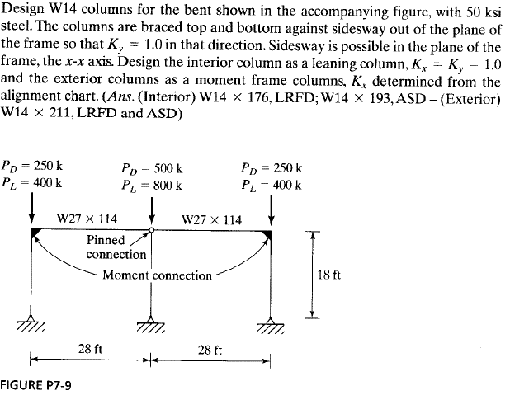

 | Required:
 | a) | Design W14 columns for the frame in Figure P7-9 above (interior)
 | b) | and Exterior
 | Method:
 | i) | Determine Member Stiffness, Joint Rotational Stiffness and Effective Length Factor
 | ii) | Determine Strength
 | iii) | Determine Stiffness Reduction factor and Strength

 | Solution:

 | MOMENT-FRAME INFORMATION:

 | # | Member | Section | Length | I | E | Support end A | Support end B | Stiffness
 |  |  | (Shape) | (ft) | (in4) | (Msi) |  | (kip.ft) | (kip.ft)
 | 0 | No Member | 0 | 0 | 0 | 0 | 0 | 0 | 0
 | 1 | Exterior Column | W14X176 | 18 | 2140 | 29 | Fixed | Normal | 3447777.7778 | LRFD/ASD
 | 2 | Interior Column | W14X176 | 18 | 2140 | 29 | Pin | Normal | 3447777.7778 | LRFD
 | 3 | Interior Column ASD | W14X193 | 18 | 2400 | 29 | Pin | Normal | 3866666.6667 | ASD
 | 4 | Beam BR | W27X114 | 28 | 4080 | 29 | Pin | Normal | 2112857.1429 | Adjusted for pin end
 | 5 | Beam BL | W27X114 | 28 | 4080 | 29 | Pin | Normal | 2112857.1429 | Adjusted | page | 16.1-514

 | DETERMINATION OF EFFECTIVE LENGTH FACTOR K (MOMENT)

 | # | End | Support | C1 | C2 | B1 | B2 | Rotational Stiffness | K
 | (#) | (type) | Units |  | (Shape) | (ft) | (in4) | (kip.ft)
 | 1 | A | Fixed |  |  |  |  | 1.00 | 1.4 | App. 7 | Fig. | C-A-7.2
 |  | B | Normal | 1 | 0 | 0 | 5 | 1.63 | 1
 | 2 | A | Pin |  |  |  |  | 10.00 | 1 | Given, x
 |  | B | Normal | 2 | 0 | 4 | 5 | 0.816 | 1 | Given, y
 | 3 | A | Pin |  |  |  |  | 10.00 | 1 | Given, x
 |  | B | Normal | 3 | 0 | 4 | 5 | 0.915 | 1 | Given, y

 | PART A: INTERIOR COLUMN |  |  |  |  |  |  |  |  | E

 | Dead Load |  | DL= | 500 | kip |  |  | 500 | kip
 | Live Load |  | LL= | 800 | kip |  |  | 800 | kip
 | Factors |  | ft= | 0.9 |  |  | Wt= | 1.5
 |  |  | fr= | 0.75 |  |  | Wt= | 2

 |  | LRFD |  |  |  |  | ASD

 | 1) | Demand: |  |  |  |  | Demand:
 | Load |  | Pu = | 1880 | kip |  | Pa = | 1300 | kip | Demand
 |  |  | KLy = | 18.00 | ft |  | KLy = | 18.00 | ft | From factors above
 | 2) | Capacity | ftPn= | 1890.00 | ft |  | Pn/W= | 1380.00 | ft | Capacity | Table | 4-1
 | 3) | Design Check: |  |  |  |  | Design Check: |  |  | Design Check
 | Strength |  |  | OK |  |  |  | OK

 | Use |  | LRFD: | W14X176 |  |  | ASD: | W14X193 |  | ANSWER

 | PART B: EXTERIOR COLUMN |  |  |  |  |  |  |  |  | E

 | Dead Load |  | DL= | 250 | kip |  | DL= | 250 | kip
 | Live Load |  | LL= | 400 | kip |  | LL= | 400 | kip
 | Leaning Column Load |  | LCL = | 940 | kip |  | LCL = | 650 | kip
 | Factors |  | ft= | 0.9 |  |  | Wt= | 1.5
 |  |  | fr= | 0.75 |  |  | Wt= | 2

 |  | LRFD |  |  |  |  | ASD

 | 1) | Demand: |  |  |  |  | Demand:
 | Leaning Load |  | Pu = | 1880 | kip |  | Pa = | 1300 | kip
 | Individual Load |  | Pu = | 940 | kip |  | Pa = | 650 | kip

 | Individual Load
 |  |  | KLy = | 0.00 | ft |  | KLy = | 0.00 | ft | From factors above
 | 2) | Capacity | ftPn= | 1890.00 | ft |  | Pn/W= | 1270.00 | ft | Capacity
 | 3) | Design Check: |  |  |  |  | Design Check: |  |  | Design Check
 | Strength |  |  | OK |  |  |  | OK

 | Leaning Load
 |  |  | Kx = | 1.40 |  |  | Kx = | 1.40
 |  |  | rx/ry = | 1.6 |  |  | rx/ry = | 1.6
 | Equivalent K |  | KL/r = | 0.00 | ft |  | KL/r = | 0.00 | ft
 | 2) | Capacity | ftPn= | 1980.00 | kip |  | Pn/W= | 1317.00 | kip | Capacity | Table | 4-1
 | 3) | Design Check: |  |  |  |  | Design Check: |  |  | Design Check
 | Strength |  |  | OK |  |  |  | OK

 | Use |  | LRFD: | ft= |  |  | ASD: | ft= |  | ANSWER

 | Problem 7.11:

 | Required:
 | a) | Design W14 columns for the frame in Figure P7-9 above (interior)
 | b) | and Exterior
 | Method:
 | i) | Determine Member Stiffness, Joint Rotational Stiffness and Effective Length Factor
 | ii) | Determine Strength
 | iii) | Determine Stiffness Reduction factor and Strength

 | Solution:

 | MOMENT-FRAME INFORMATION:

 | # | Member | Section | Length | I | E | Support end A | Support end B | Stiffness
 |  |  | (Shape) | (ft) | (in4) | (Msi) |  | (kip.ft) | (kip.ft)
 | 0 | No Member | 0 | 0 | 0 | 0 | 0 | 0 | 0
 | 1 | Bottom Column | W14X109 | 15 | 1240 | 29 | Fixed | Normal | 2397333.3333
 | 2 | Top Column | W14X90 | 13 | 999 | 29 | Pin | Normal | 2228538.4615
 | 3 | Beam Bottom | W18X50 | 25 | 800 | 29 | Moment | Moment | 928000
 | 4 | Beam Top | W18X55 | 25 | 890 | 29 | Moment | Moment | 1032400

 | DETERMINATION OF EFFECTIVE LENGTH FACTOR K (MOMENT)

 | # | End | Support | C1 | C2 | B1 | B2 | Rotational Stiffness | K
 | (#) | (type) | Units |  | (Shape) | (ft) | (in4) | (kip.ft)
 | 1 | A | Fixed |  |  |  |  | 1.00 | 1.7 | App. 7 | Fig. | C-A-7.2
 |  | B | Normal | 1 | 2 | 0 | 3 | 4.98 | 1 | Given, y

 | EXTERIOR COLUMN |  |  |  |  |  |  |  |  | E

 | Dead Load |  | DL= | 250 | kip |  | DL= | 250 | kip | Given
 | Live Load |  | LL= | 500 | kip |  | LL= | 500 | kip | Given
 | Leaning Column Load |  | LCL = | 0 | kip |  | LCL = | 0 | kip | No Leaning Columns
 | Factors |  | ft= | 0.9 |  |  | Wt= | 1.5
 |  |  | fr= | 0.75 |  |  | Wt= | 2

 |  | LRFD |  |  |  |  | ASD

 | 1) | Demand: |  |  |  |  | Demand:
 | Leaning Load |  | Pu = | 1100 | kip |  | Pa = | 750 | kip
 | Individual Load |  | Pu = | 1100 | kip |  | Pa = | 750 | kip

 | Individual Load
 |  |  | KLy = | 15.00 | ft |  | KLy = | 15.00 | ft | From factors above
 | 2) | Capacity | ftPn= | 1210.00 | kip |  | Pn/W= | 808.00 | kip | Capacity | Table | 4-1
 | 3) | Design Check: |  |  |  |  | Design Check: |  |  | Design Check
 | Strength |  |  | OK |  |  |  | OK
 | Leaning Load
 |  |  | Kx = | 1.70 |  |  | Kx = | 1.70
 |  |  | rx/ry = | 1.67 |  |  | rx/ry = | 1.67
 | Equivalent K |  | KL/r = | 15.27 | ft |  | KL/r = | 15.27 | ft
 | 2) | Capacity | ftPn= | 1205.00 | kip |  | Pn/W= | 803.00 | kip | Capacity | Table | 4-1
 | 3) | Design Check: |  |  |  |  | Design Check: |  |  | Design Check
 | Strength |  |  | OK |  |  |  | OK

 | Use |  | LRFD: | W14X109 |  |  | ASD: | W14X109 |  | ANSWER

HW2
1. MATERIAL PROPERTIES:

Modulus of Elasticity: |  | E = | 29000 | ksi
 |  | G = | 11200 | ksi
Yield Strength: |  | Fy = | 50 | ksi

Problem 9.25:

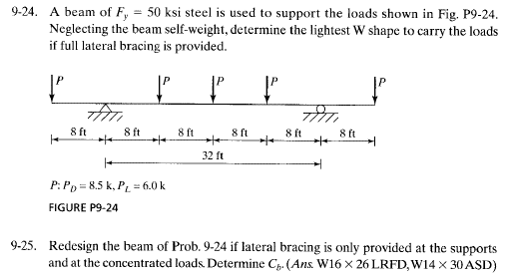

Required: | a) | Select C10 channels for tension member

Method: | i) | Determine Controlling Load Combination
 | ii) | Check for limit states
 | iii) | Check slenderness Ratio

Solution:
i) | Pu = | #REF! | #REF!

ii) | Gross Section Yielding: |  |  |  | Tensile Rupture Strength:
 | Ag= | #REF! | in2 |  | An= | #REF! | in2
 | Pn= | #REF! | #REF! |  | U= | #DIV/0!
 | ftPn= | #REF! | #REF! |  | Pn= | #REF! | #REF!
 |  |  |  |  | ftPn= | #REF! | #REF!

iii) | Slenderness Ratio:

Problem 9.32:

Required: | a) | Select C10 channels for tension member

Method: | i) | Determine Controlling Load Combination
 | ii) | Check for limit states
 | iii) | Check slenderness Ratio

Solution:
i) | Pu = | #REF! | #REF!

ii) | Gross Section Yielding: |  |  |  | Tensile Rupture Strength:
 | Ag= | 0.00 | in2 |  | An= | 0.00 | in2
 | Pn= | #REF! | #REF! |  | U= | #DIV/0!
 | ftPn= | #REF! | #REF! |  | Pn= | #REF! | #REF!
 |  |  |  |  | ftPn= | #REF! | #REF!

iii) | Slenderness Ratio:

Problem 10.9:

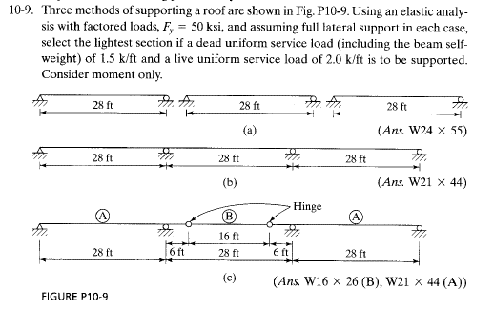

Required: | a) | Select C10 channels for tension member

Method: | i) | Determine Controlling Load Combination
 | ii) | Check for limit states
 | iii) | Check slenderness Ratio

Solution:
i) | Pu = | #REF! | #REF!

ii) | Gross Section Yielding: |  |  |  | Tensile Rupture Strength:
 | Ag= | #REF! | in2 |  | An= | #REF! | in2
 | Pn= | #REF! | #REF! |  | U= | #DIV/0!
 | ftPn= | #REF! | #REF! |  | Pn= | #REF! | #REF!
 |  |  |  |  | ftPn= | #REF! | #REF!

iii) | Slenderness Ratio:

Problem 10.17:

Required: | a) | Select C10 channels for tension member

Method: | i) | Determine Controlling Load Combination
 | ii) | Check for limit states
 | iii) | Check slenderness Ratio

Solution:
i) | Pu = | #REF! | #REF!

ii) | Gross Section Yielding: |  |  |  | Tensile Rupture Strength:
 | Ag= | 0.00 | in2 |  | An= | 0.00 | in2
 | Pn= | #REF! | #REF! |  | U= | #DIV/0!
 | ftPn= | #REF! | #REF! |  | Pn= | #REF! | #REF!
 |  |  |  |  | ftPn= | #REF! | #REF!

iii) | Slenderness Ratio:

Problem 10.24:
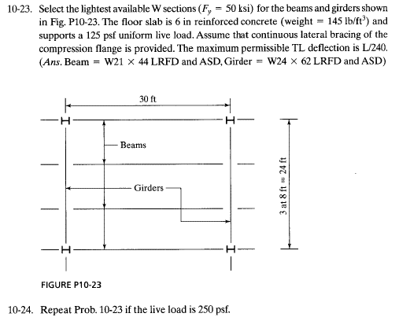

Required: | a) | Select C10 channels for tension member

Method: | i) | Determine Controlling Load Combination
 | ii) | Check for limit states
 | iii) | Check slenderness Ratio

Solution:
i) | Pu = | #REF! | #REF!

ii) | Gross Section Yielding: |  |  |  | Tensile Rupture Strength:
 | Ag= | 0.00 | in2 |  | An= | 0.00 | in2
 | Pn= | #REF! | #REF! |  | U= | #DIV/0!
 | ftPn= | #REF! | #REF! |  | Pn= | #REF! | #REF!
 |  |  |  |  | ftPn= | #REF! | #REF!

iii) | Slenderness Ratio:

Problem 10.27:
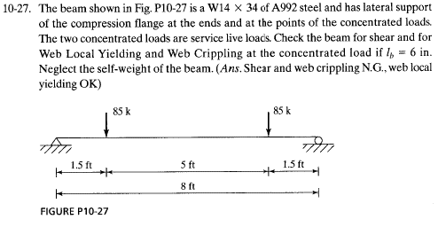

Required: | a) | Select C10 channels for tension member

Method: | i) | Determine Controlling Load Combination
 | ii) | Check for limit states
 | iii) | Check slenderness Ratio

Solution:
i) | Pu = | #REF! | #REF!

ii) | Gross Section Yielding: |  |  |  | Tensile Rupture Strength:
 | Ag= | #REF! | in2 |  | An= | #REF! | in2
 | Pn= | #REF! | #REF! |  | U= | #DIV/0!
 | ftPn= | #REF! | #REF! |  | Pn= | #REF! | #REF!
 |  |  |  |  | ftPn= | #REF! | #REF!

iii) | Slenderness Ratio:

Problem 10.28:
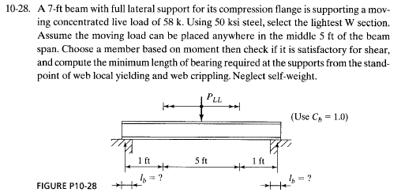

Required: | a) | Select C10 channels for tension member

Method: | i) | Determine Controlling Load Combination
 | ii) | Check for limit states
 | iii) | Check slenderness Ratio

Solution:
i) | Pu = | #REF! | #REF!

ii) | Gross Section Yielding: |  |  |  | Tensile Rupture Strength:
 | Ag= | 0.00 | in2 |  | An= | 0.00 | in2
 | Pn= | #REF! | #REF! |  | U= | #DIV/0!
 | ftPn= | #REF! | #REF! |  | Pn= | #REF! | #REF!
 |  |  |  |  | ftPn= | #REF! | #REF!

iii) | Slenderness Ratio:

Problem 10.30:

Required: | a) | Select C10 channels for tension member

Method: | i) | Determine Controlling Load Combination
 | ii) | Check for limit states
 | iii) | Check slenderness Ratio

Solution:
i) | Pu = | #REF! | #REF!

ii) | Gross Section Yielding: |  |  |  | Tensile Rupture Strength:
 | Ag= | #REF! | in2 |  | An= | #REF! | in2
 | Pn= | #REF! | #REF! |  | U= | #DIV/0!
 | ftPn= | #REF! | #REF! |  | Pn= | #REF! | #REF!
 |  |  |  |  | ftPn= | #REF! | #REF!

iii) | Slenderness Ratio:

Problem 10.31:

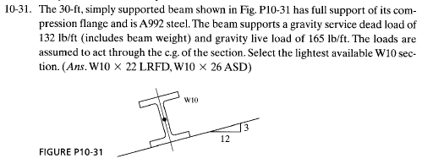

 |  | Story Shear
ALLOWED DEFLECTIONS | 0 | 1
hsx | 0.015

Required: | a) | Select C10 channels for tension member

Method: | i) | Determine Controlling Load Combination
 | ii) | Check for limit states
 | iii) | Check slenderness Ratio

Solution:
i) | Pu = | #REF! | #REF!

ii) | Gross Section Yielding: |  |  |  | Tensile Rupture Strength:
 | Ag= | 0.00 | in2 |  | An= | 0.00 | in2
 | Pn= | #REF! | #REF! |  | U= | #DIV/0!
 | ftPn= | #REF! | #REF! |  | Pn= | #REF! | #REF!
 |  |  |  |  | ftPn= | #REF! | #REF!

iii) | Slenderness Ratio:

Problem 10.32:

Required: | a) | Select C10 channels for tension member

 |  | Story Shear
ALLOWED DEFLECTIONS | 0 | 1
hsx | 0.015
Method: | i) | Determine Controlling Load Combination
 | ii) | Check for limit states
 | iii) | Check slenderness Ratio

Solution:
i) | Pu = | #REF! | #REF!
 |  | Story Shear
ALLOWED DEFLECTIONS | 0 | 1
hsx | 0.015
ii) | Gross Section Yielding: |  |  |  | Tensile Rupture Strength:
 | Ag= | #REF! | in2 |  | An= | #REF! | in2
 | Pn= | #REF! | #REF! |  | U= | #DIV/0!
 | ftPn= | #REF! | #REF! |  | Pn= | #REF! | #REF!
 |  |  |  |  | ftPn= | #REF! | #REF!

iii) | Slenderness Ratio:

Story Shear in Direction of t |  | H = | #N/A | kip
 |  | a = | #N/A |  |  | LRFD
Lateral Deflection |  | DH = | 0.215 | in
Fact. Story Drift Limit |  | DH/L = | #DIV/0!

6. MEMBER CAPACITY: |  |  |  |  |  | Eq. E3-1

Axial Capacity |  | f.Pn = | 0.0 | ksi

Flexure Capacity
Along axis x: |  | Zone = | 1
 |  | Cb = | #N/A
Flexure Capacity, x |  | Mcx = | 0.0 | kip.ft
Along axis y: |  | Fy.Zy = | #REF! |  |  |  |  | Eq. | F6-1
 |  | 1.6Fy.Sy = | #REF! |  |  |  |  | Eq. | F6-1
Flexure Capacity, y |  | Mcy = | #REF! | kip.ft
 |  |  |  |  |  | Reference: |  | AISC 14th
 |  |  |  |  |  | Section |  | Eq/Fig/Table/Notes
7. APPROXIMATE SECOND ORDER ANALYSIS: |  |  |  |  |  | C

Along axis x: |  |  |  |  |  | DAM: | Use reduced stiffness per C2.3
 |  | tb = | #N/A |  |  | Apply to all |  | C | 2.3(2)
Type of Curvature: |  |  | Single
Smaller 1st-O End Mom: |  | M1 = | -1
Larger 1st-O End Mom: |  | M2 = | 1
Modif. Coefficient, x: |  | Cmx = | 1 |  |  | App. 8 |  | Eq. | A-8-4
Elastic Buckling Strength, x: |  | Pex = | #N/A | kip |  | App. 8 |  | Eq. | A-8-5
Amplification Factor |  | B1x = | #N/A |  |  | App. 8 |  | Eq. | A-8-3
Factor Check: |  |  | #N/A |  |  | Check

Along axis y:
 |  | tb = | 1 |  |  | Apply to all |  | C | 2.3(2)
Type of Curvature: |  |  | Single
Smaller 1st-O End Mom: |  | M1 = | -1
Larger 1st-O End Mom: |  | M2 = | 1
Modif. Coefficient, y |  | Cmy = | 1 |  |  | App. 8 |  | Eq. | A-8-4
Elastic Buckling Strength |  | Pey = | #VALUE! | kip |  | App. 8 |  | Eq. | A-8-5
Amplification Factor |  | B1y = | #N/A |  |  | App. 8 |  | Eq. | A-8-3
Factor Check: |  |  | #N/A |  |  | Check

Calculate P-D Amplification Factor:

Along axis x:
 |  | Rm = | #DIV/0! |  |  |  |  |  | A-8-8
 |  | Pe-story = | #DIV/0! | kip |  |  |  |  | A-8-7
 |  | B2x = | #N/A |  |  |  |  |  | A-8-6
2nd-Order Axial Strength |  | Pr = | #N/A | kip |  |  |  |  | A-8-2
2nd-Order Mom. Strength |  | Mrx = | #N/A | kip.ft |  |  |  |  | A-8-1

Along axis y:
 |  | Rmy = | #DIV/0! |  |  |  |  |  | A-8-8
 |  | Pe-storyY = | #DIV/0! | kip |  |  |  |  | A-8-7
 |  | B2y = | #N/A |  |  |  |  |  | A-8-6
2nd-Order Axial Strength |  | Pry = | #N/A | kip |  |  |  |  | A-8-2
2nd-Order Mom. Strength |  | Mry = | #N/A | kip.ft |  |  |  |  | A-8-1

8. COMBINED FORCES INTERACTION EQUATION: |  |  |  |  |  | GTS

Check Pr/Pc |  | Pr/Pc = | #N/A
Pr/Pc ≥ 0,2 |  |  | #N/A | #N/A |  |  |  | Eq. | H.1-1a
Pr/Pc < 0,2 |  |  | #N/A | #N/A |  |  |  | Eq. | H.1-1b
Design Check |  |  |  | #N/A |  |  |  | Eq. | #N/A

Info & Loads
GIVEN:

Number of Floors: |  | 2

ASSUMPTIONS:

 |  |  |  |  |  |  |  |  | Reference: |  | Excel
 |  |  |  |  |  |  |  |  | Section |  | Eq/Fig/Table/Notes
1. MEMBERS FOR ANALYSIS |  |  |  |  |  |  |  |  | Information

 |  |  |  |  |  | No translation |  |  | Lateral Translation
Member Ref. | Frame | Floor | Member | Section | Length | Axial Load | Moment (x) | Moment (y) | Axial Load | Moment (x) | Moment (y) | Lateral Deflection
(#) | (type) | Units |  | (Shape) | (ft) | Pnt (kip) | Mntx (kip.ft) | Mnty (kip.ft) | Plt (kip) | Mltx (kip.ft) | Mltx (kip.ft) | DH (in)
11 | Braced | First | Column | W8X40 | 30 | 109 | 3.4 | 0 | 0.01 | 179 | 0 | 0.215
10 | Braced | First | Column | W8X40 | 30
11 | Braced | First | Column | W8X40 | 30
10 | Braced | First | Column | W8X40 | 30
13 | Moment | First | Column | W8X40 | 30
12 | Moment | First | Column | W8X40 | 30
5 | Moment | First | Beam | W24X68 | 24
6 | Moment | First | Beam | W24X68 | 24
13 | Moment | First | Column | W8X40 | 30
12 | Moment | First | Column | W8X40 | 30
 |  | Story Shear
ALLOWED DEFLECTIONS | 0 | 1
hsx | 0.015
16 | Moment | Roof | Beam | W18X40 | 24
17 | Moment | Roof | Beam | W18X40 | 24

 |  |  |  |  |  |  |  |  | Reference: |  | AISC 14th
 |  |  |  |  |  |  |  |  | Section |  | Eq/Fig/Table/Notes
2. LOADS

Member Ref. | Frame | Floor | Pstory | Pmf | Lateral Shear (H) | a | Gravity Load | Notional Load
(#) | (type) | Units | (kip) | (kip) | (kip) | (LRFD) | (kip) | (kip)
1-B | Braced | First | 3643.2 | 227 | 34 | 1 | 214 | 0.43
1-M | Moment | First | 3643.2 | 1 | 4 | 1 | 214 | 0.43
2-B | Braced | Roof | 1500 | 2 | 5 | 1 | 470 | 0.94
2-M | Moment | Roof | 1500 | 7 | 6 | 1 | 470 | 0.94

3. DETERMINATION OF LATERAL-TORSIONAL BUCKLING FACTOR Cb |  |  |  |  |  |  |  |  | F |  | Eq. | F1-1

Member Ref. | Frame | Floor | Member | Section | Length | Mmax | M.25 | M.5 | M.75 | Cb | K
(#) | (type) | Units |  | (Shape) | (ft) | (kip.ft) | (kip.ft) | (kip.ft) | (kip.ft)
11 | Braced | First | Column | W8X40 | 30 | 500.00 | 270.13 | 440.24 | 285.65 | 1.34
10 | Braced | First | Column | W8X40 | 30 | 500.00 | 270.13 | 440.24 | 285.65 | 1.34
11 | Braced | First | Column | W8X40 | 30 | 500.00 | 270.13 | 440.24 | 285.65 | 1.34
10 | Braced | First | Column | W8X40 | 30 | 500.00 | 270.13 | 440.24 | 285.65 | 1.34
13 | Moment | First | Column | W8X40 | 30 | 500.00 | 270.13 | 440.24 | 285.65 | 1.34
12 | Moment | First | Column | W8X40 | 30 | 500.00 | 270.13 | 440.24 | 285.65 | 1.34
5 | Moment | First | Beam | W24X68 | 24 | 500.00 | 270.13 | 440.24 | 285.65 | 1.34
6 | Moment | First | Beam | W24X68 | 24 | 500.00 | 270.13 | 440.24 | 285.65 | 1.34
13 | Moment | First | Column | W8X40 | 30 | 500.00 | 270.13 | 440.24 | 285.65 | 1.34
12 | Moment | First | Column | W8X40 | 30 | 500.00 | 270.13 | 440.24 | 285.65 | 1.34
16 | Moment | Roof | Beam | W18X40 | 24 | 500.00 | 270.13 | 440.24 | 285.65 | 1.34
17 | Moment | Roof | Beam | W18X40 | 24 | 500.00 | 270.13 | 440.24 | 285.65 | 1.34

4. DETERMINATION OF EFFECTIVE LENGTH FACTOR K (BRACED) |  |  |  |  |  |  |  |  | Appendix 7 |  | Eq. | C-A-7-1

Member Ref. | Frame | Floor | Member | Section | Length | Moment of Inertia | Modulus of Elasticity | Support end A | Support end B | Stiffness | K
(#) | (type) | Units |  | (Shape) | (ft) | (in4) | (ksi) |  | (kip.ft) | (kip.ft)
0 | 0 | 0 | 0 | 0 | 0 | 500 | 270 |  | 285.65 | =H102*I102/(G102*144)
0 | 0 | 0 | 0 | 0 | 0 | 500 | 270 |  | 285.65 | 440.24
0 | 0 | 0 | 0 | 0 | 0 | 500 | 270 |  | 285.65 | 440.24
0 | 0 | 0 | 0 | 0 | 0 | 500 | 270 |  | 285.65 | 440.24
0 | 0 | 0 | 0 | 0 | 0 | 500 | 270 |  | 285.65 | 440.24
0 | 0 | 0 | 0 | 0 | 0 | 500 | 270 |  | 285.65 | 440.24
0 | 0 | 0 | 0 | 0 | 0 | 500 | 270 |  | 285.65 | 440.24
0 | 0 | 0 | 0 | 0 | 0 | 500 | 270 |  | 285.65 | 440.24
2. LOADS | 0 | 0 | 0 | 0 | 0 | 500 | 270 |  | 285.65 | 440.24
0 | 0 | 0 | 0 | 0 | 0 | 500 | 270 |  | 285.65 | 440.24
0 | 0 | 0 | 0 | 0 | 0 | 500 | 270 |  | 285.65 | 440.24
Member Ref. | Frame | Floor | Pstory | Pmf | Lateral Shear (H) | 500 | 270 |  | 285.65 | 440.24

4. DETERMINATION OF EFFECTIVE LENGTH FACTOR K (MOMENT) |  |  |  |  |  |  |  |  | Appendix 7 |  | Eq. | C-A-7-2

Member Ref. | End | Support | Column 1 | Column 2 | Beam 1 | Beam 2 | Beam 3 | Beam 4 | Rotational Stiffness (G) | K | K
(#) | (type) | Units |  | (Shape) | (ft) | (in4) | (ksi) | (kip.ft) | (kip.ft)
0 | A | =J102
 | B | 285.65 | 11 | 10 |  |  |  |  | #N/A

1. RESULTS |  |  |  |  |  |  |  |  | F

Member Ref. | Frame | Floor | Member | Pre-Section | Length | New-Section
(#) | (type) | Units |  | (Shape) | (ft)
11 | Braced | First | Column | W8X40 | 30
10 | Braced | First | Column | W8X40 | 30
11 | Braced | First | Column | W8X40 | 30
10 | Braced | First | Column | W8X40 | 30
13 | Moment | First | Column | W8X40 | 30
12 | Moment | First | Column | W8X40 | 30
5 | Moment | First | Beam | W24X68 | 24
6 | Moment | First | Beam | W24X68 | 24
13 | Moment | First | Column | W8X40 | 30
12 | Moment | First | Column | W8X40 | 30
 |  | Story Shear
ALLOWED DEFLECTIONS | 0 | 1
hsx | 0.015
16 | Moment | Roof | Beam | W18X40 | 24
17 | Moment | Roof | Beam | W18X40 | 24

