Beer
WindowSize | MSE
166 | 2739
165 | 2623
164 | 60133 | N | 476
163 | 1245 | serieslenght | 333
162 | 1454 | trainSize | 333
161 | 1484 | horizon | 143
160 | 2158 | confidenceLevel | 0.95
159 | 2691
158 | 1490
157 | 4316 | Best MSE | 121
156 | 5027 | Best WindowSize | 128
155 | 4069
154 | 253
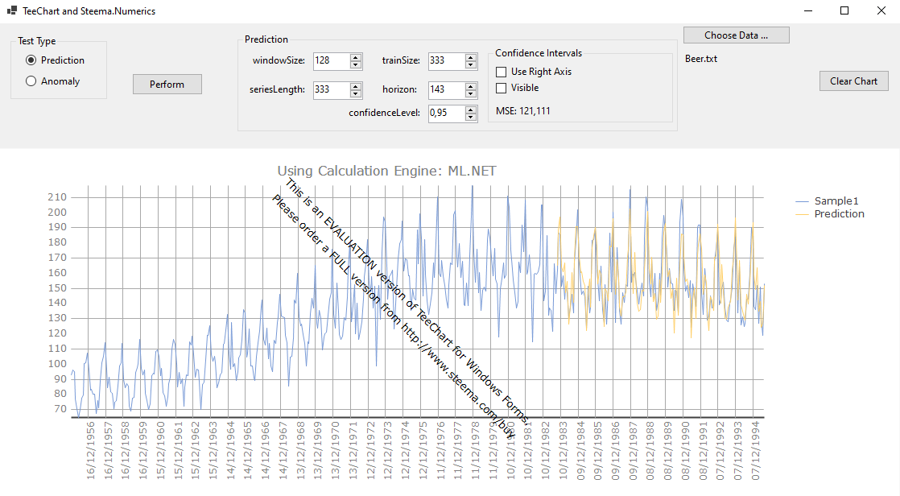
153 | 263
152 | 19162
151 | 14318
150 | 236
149 | 949571
148 | 1449
147 | 243
146 | 247
145 | 241
144 | 169
143 | 152
142 | 167
141 | 168
140 | 156
139 | 150
138 | 149
137 | 144
136 | 145
135 | 141
134 | 141
133 | 127
132 | 122
131 | 122
130 | 126
129 | 121
128 | 121
127 | 128
126 | 121
125 | 124
124 | 122
123 | 124
122 | 124
121 | 2173
120 | 1762
119 | 2069
118 | 2217
117 | 2786
116 | 2734
115 | 2333
114 | 129
113 | 235
112 | 196
111 | 169
110 | 463
109 | 226
108 | 259
107 | 234
106 | 158
105 | 183
104 | 167
103 | 155
102 | 371
101 | 493
100 | 687
99 | 1139
98 | 530
97 | 819
96 | 1044
95 | 725
94 | 876
93 | 135
92 | 133
91 | 169
90 | 149
89 | 2439
88 | 2461
87 | 2474
86 | 169
85 | 180
84 | 2476
83 | 2519
82 | 229
81 | 211
80 | 177
79 | 200
78 | 2407
77 | 196
76 | 155
75 | 170
74 | 183
73 | 181
72 | 2232
71 | 186
70 | 170
69 | 196
68 | 210
67 | 156
66 | 148
65 | 143
64 | 136
63 | 1953
62 | 141
61 | 193
60 | 184
59 | 195
58 | 195
57 | 169
56 | 232
55 | 1942
54 | 1966
53 | 244
52 | 1886
51 | 1904
50 | 1801
49 | 2020
48 | 2041
47 | 1979
46 | 1882
45 | 2091
44 | 1886
43 | 2264
42 | 2177
41 | 1327
40 | 2239
39 | 1819
38 | 1905
37 | 2943
36 | 2804
35 | 3103
34 | 3329
33 | 1589
32 | 2867
31 | 2576
30 | 1518
29 | 1486
28 | 1446
27 | 1439
26 | 1410
25 | 1343
24 | 1323
23 | 1233
22 | 1554
21 | 1231
20 | 1379
19 | 1084
18 | 1513
17 | 1097
16 | 1248
15 | 1127
14 | 1212
13 | 1149
12 | 914
11 | 549
10 | 551
9 | 914
8 | 878
7 | 502
6 | 608
5 | 581
4 | 546
3 | 516
2 | 465

Births
WindowSize | MSE
58 | 1.297
57 | 1.272
56 | 1.009 | N | 168
55 | 1.563 | serieslenght | 118
54 | 0.758 | trainSize | 118
53 | 1.549 | horizon | 50
52 | 1.511 | confidenceLevel | 0.95
51 | 1.645
50 | 1.767
49 | 1.268 | Best MSE | 0.758
48 | 1.318 | Best WindowSize | 54
47 | 1.362
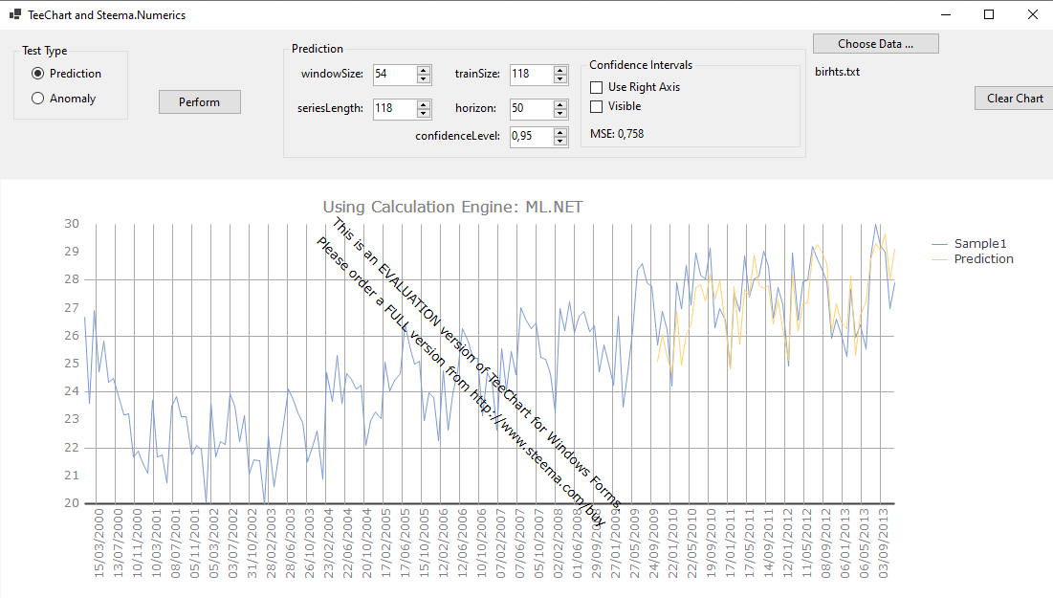
46 | 1.481
45 | 1.515
44 | 1.529
43 | 2.313
42 | 1.718
41 | 1.727
40 | 1.854
39 | 1.762
38 | 1.527
37 | 1.439
36 | 3.117
35 | 2.596
34 | 3.019
33 | 1.855
32 | 1.251
31 | 1.982
30 | 2.011
29 | 1.721
28 | 1.654
27 | 1.191
26 | 1.251
25 | 1.164
24 | 1.286
23 | 1.196
22 | 1.288
21 | 1.459
20 | 1.371
19 | 1.324
18 | 1.901
17 | 1.488
16 | 1.568
15 | 5.886
14 | 5.719
13 | 1.833
12 | 2.913
11 | 186.085
10 | 8.736
9 | 23.695
8 | 27.978
7 | 381.705
6 | 19.911
5 | 3.035
4 | 3.642
3 | 3.928
2 | 1.934

Electric
WindowSize | MSE
138 | 627
137 | 280
136 | 1241 | N | 397
135 | 3166 | serieslenght | 278
134 | 1250 | trainSize | 278
133 | 1315 | horizon | 119
132 | 1242 | confidenceLevel | 0.95
131 | 1289
130 | 1279
129 | 1306 | Best MSE | 25
128 | 1334 | Best WindowSize | 73
127 | 1308
126 | 1238
125 | 1255
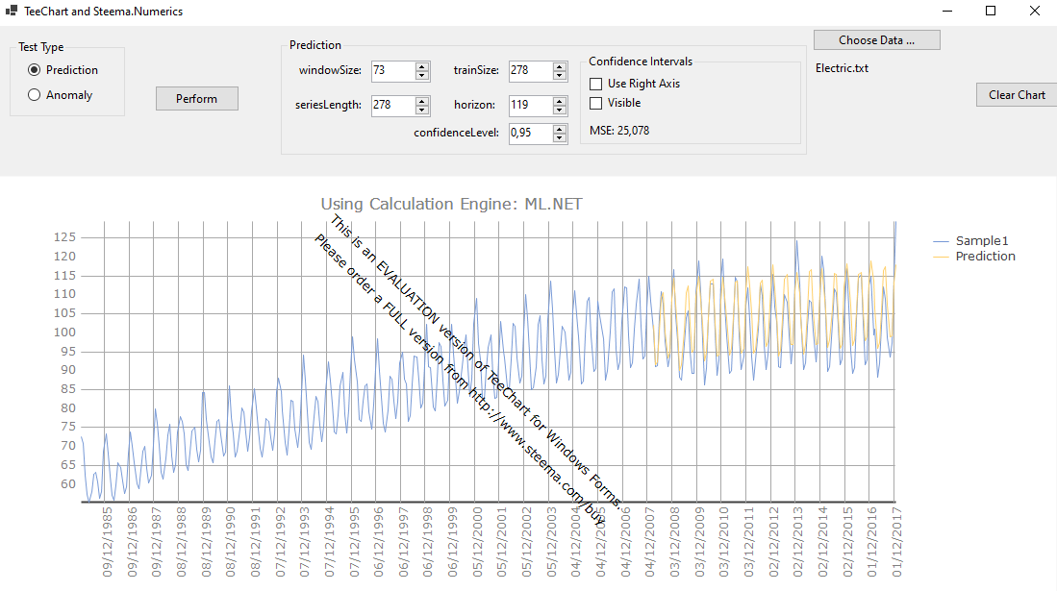
124 | 1243
123 | 1263
122 | 1253
121 | 1259
120 | 1251
119 | 1245
118 | 146
117 | 160
116 | 1050
115 | 1062
114 | 1063
113 | 1055
112 | 1057
111 | 1010
110 | 986
109 | 25
108 | 916
107 | 911
106 | 897
105 | 868
104 | 853
103 | 876
102 | 863
101 | 796
100 | 755
99 | 735
98 | 81
97 | 28
96 | 27
95 | 718
94 | 27
93 | 27
92 | 28
91 | 28
90 | 31
89 | 32
88 | 35
87 | 37
86 | 36
85 | 35
84 | 36
83 | 35
82 | 36
81 | 38
80 | 37
79 | 38
78 | 32
77 | 32
76 | 34
75 | 34
74 | 27
73 | 25
72 | 31
71 | 32
70 | 33
69 | 34
68 | 37
67 | 30
66 | 44
65 | 31
64 | 37
63 | 35
62 | 37
61 | 52
60 | 178
59 | 34
58 | 33
57 | 162
56 | 206
55 | 33
54 | 32
53 | 30
52 | 30
51 | 31
50 | 39
49 | 171
48 | 37
47 | 36
46 | 39
45 | 48
44 | 45
43 | 57
42 | 41
41 | 36
40 | 33
39 | 26
38 | 173
37 | 216
36 | 37
35 | 212
34 | 211
33 | 213
32 | 46
31 | 34
30 | 213
29 | 211
28 | 212
27 | 214
26 | 207
25 | 211
24 | 190
23 | 44
22 | 200
21 | 203
20 | 60
19 | 48
18 | 111
17 | 197
16 | 54
15 | 211
14 | 208
13 | 210
12 | 201
11 | 189
10 | 180
9 | 155
8 | 155
7 | 273
6 | 316
5 | 266
4 | 3211
3 | 375
2 | 186

Normal
WindowSize | MSE
58 | 15.8
57 | 15.6
56 | 15.9 | N | 168
55 | 15.1 | serieslenght | 118
54 | 8.9 | trainSize | 118
53 | 11.1 | horizon | 50
52 | 21.3 | confidenceLevel | 0.95
51 | 10.8
50 | 10.7
49 | 10.4 | Best MSE | 8.6
48 | 13.9 | Best WindowSize | 25
47 | 14.4
46 | 17.8
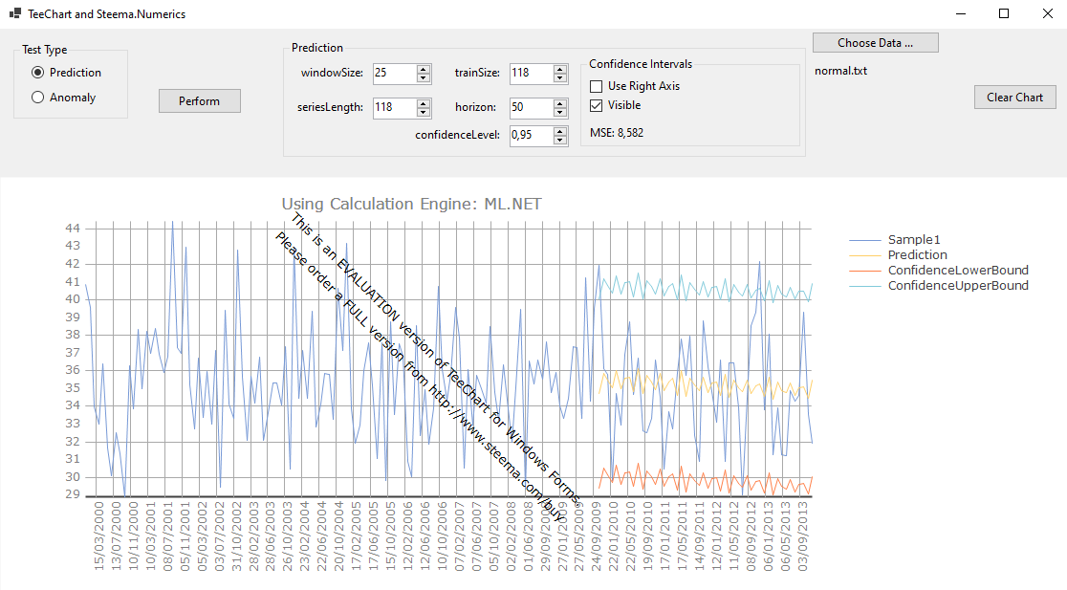
45 | 11.9
44 | 10.7
43 | 11.4
42 | 11.1
41 | 10.3
40 | 12.4
39 | 9.9
38 | 11.8
37 | 11.8
36 | 9.5
35 | 8.9
34 | 9.1
33 | 9.4
32 | 8.6
31 | 10.7
30 | 8.6
29 | 8.6
28 | 10.1
27 | 8.8
26 | 8.8
25 | 8.6
24 | 10.7
23 | 8.8
22 | 8.9
21 | 9.3
20 | 9.9
19 | 10.3
18 | 10.7
17 | 11.3
16 | 12.2
15 | 12.8
14 | 11.4
13 | 20.4
12 | 14.3
11 | 15.5
10 | 15.8
9 | 15.1
8 | 15.2
7 | 16.1
6 | 17.1
5 | 15.8
4 | 14.3
3 | 18.1
2 | 11.5

Rain
WindowSize | MSE
34 | 80.5
33 | 87.3
32 | 83.2 | N | 100
31 | 86.4 | serieslenght | 70
30 | 95.2 | trainSize | 70
29 | 92.7 | horizon | 30
28 | 87.6 | confidenceLevel | 0.95
27 | 48.7
26 | 44.9
25 | 38.1 | Best MSE | 26.7
24 | 46.2 | Best WindowSize | 2
23 | 47.1
22 | 38.9
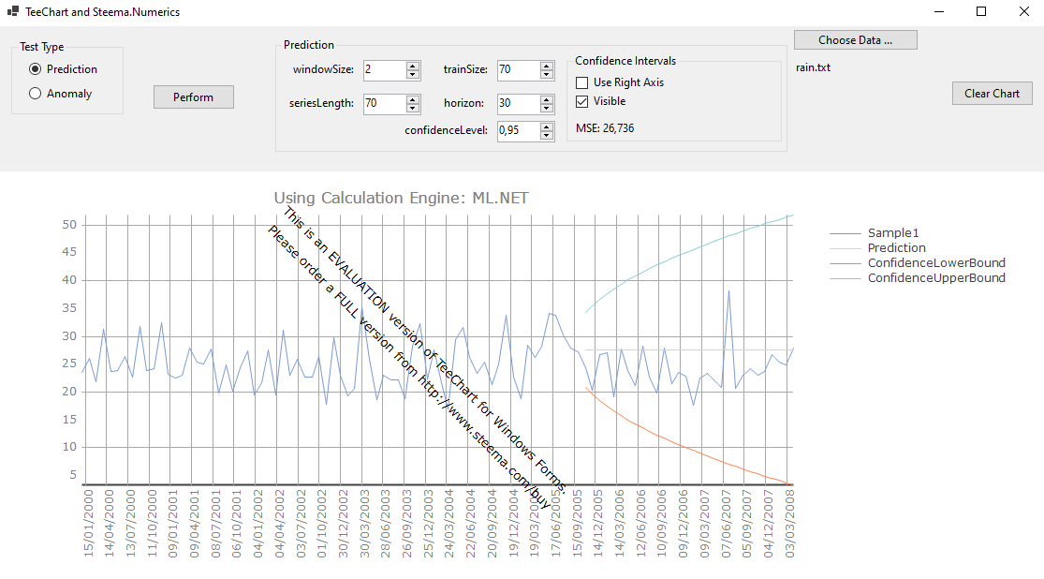
21 | 40.3
20 | 40.4
19 | 39.9
18 | 36.1
17 | 46.7
16 | 43.6
15 | 42.6
14 | 48.9
13 | 42.8
12 | 42.8
11 | 43.8
10 | 40.1
9 | 56.1
8 | 87.1
7 | 68.2
6 | 73.5
5 | 69.1
4 | 68.1
3 | 38.3
2 | 26.7

