Sheet1
COLUMN | ROW

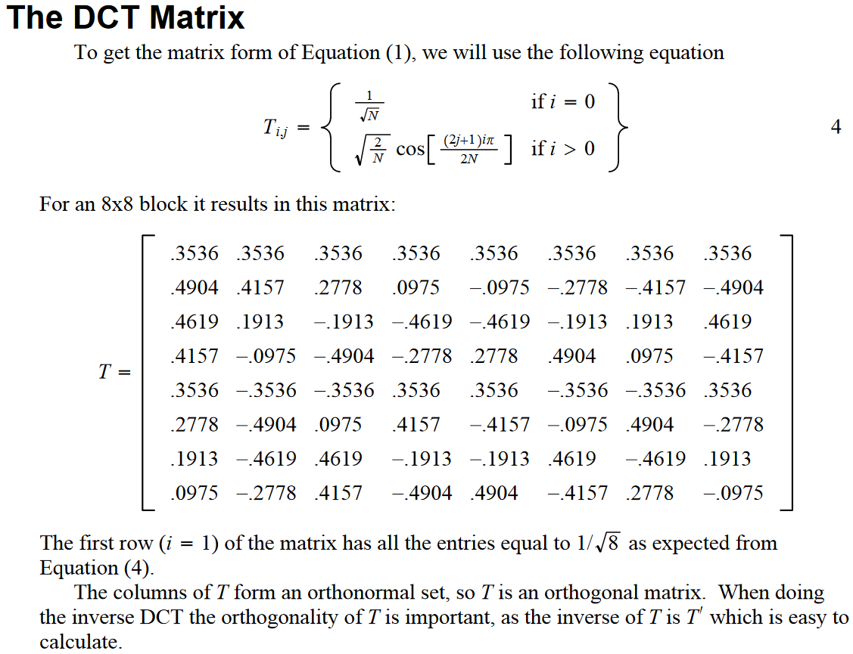
I | J | Value
0 | 0 | 0.3536
1 | 0 | 0.3536
2 | 0 | 0.3536
3 | 0 | 0.3536
4 | 0 | 0.3536
5 | 0 | 0.3536
6 | 0 | 0.3536
7 | 0 | 0.3536

0 | 1 | 0.4904
1 | 1 | 0.4157
2 | 1 | 0.2778
3 | 1 | 0.0975
4 | 1 | -0.0975
5 | 1 | -0.2778
6 | 1 | -0.4157
7 | 1 | -0.4904

0 | 2 | 0.4619
1 | 2 | 0.1913
2 | 2 | -0.1913
3 | 2 | -0.4619
4 | 2 | -0.4619
5 | 2 | -0.1913
6 | 2 | 0.1913
7 | 2 | 0.4619

0 | 3 | 0.4157
1 | 3 | -0.0975
2 | 3 | -0.4904
3 | 3 | -0.2778
4 | 3 | 0.2778
5 | 3 | 0.4904
6 | 3 | 0.0975
7 | 3 | -0.4157

0 | 4 | 0.3536
1 | 4 | -0.3536
2 | 4 | -0.3536
3 | 4 | 0.3536
4 | 4 | 0.3536
5 | 4 | -0.3536
6 | 4 | -0.3536
7 | 4 | 0.3536

0 | 5 | 0.2778
1 | 5 | -0.4904
2 | 5 | 0.0975
3 | 5 | 0.4157
4 | 5 | -0.4157
5 | 5 | -0.0975
6 | 5 | 0.4904
7 | 5 | -0.2778

0 | 6 | 0.1913
1 | 6 | -0.4619
2 | 6 | 0.4619
3 | 6 | -0.1913
4 | 6 | -0.1913
5 | 6 | 0.4619
6 | 6 | -0.4619
7 | 6 | 0.1913

0 | 7 | 0.0975
1 | 7 | -0.2778
2 | 7 | 0.4157
3 | 7 | -0.4904
4 | 7 | 0.4904
5 | 7 | -0.4157
6 | 7 | 0.2778
7 | 7 | -0.0975

