ITEM1DS
 |  | MZ Aspiratori S.P.A. |  |  |  |  |  |  |  | Date |  |  |  | 28/01/2026 |  |  |  |  |  |  | page |  |  | 1/4
 |  |  |  |  |  |  |  |  |  | offer n° |  |  |  |  |  |  |  |  |  |  | project
 |  | VIA A.CERTANI 7 |  |  |  |  |  |  |  | From |  |  |  | Steven Zweegers
 |  | 40054 BUDRIO (BO) |  |  |  |  |  |  |  | address |  |  |  | Algolweg 2, 3821 BH Amersfoort
 |  | TEL +39 051 801981 |  |  |  |  |  |  |  | reference |  |  |  |  |  |  |  |  |  |  | Int. reference
 |  | FAX +39 051 802974 |  |  |  |  |  |  |  | telephone |  |  |  |  |  |  |  |  |  |  | fax
 |  |  |  |  |  |  |  |  |  | e-mail |  |  | steven@slingerlandtechniek.nl
 |  |  |  |  |  |  |  |  |  | Customer
http://www.mzaspiratori.eu |  |  |  |  |  |  |  |  |  | address
info@mzaspiratori.com |  |  |  |  |  |  |  |  |  | reference |  |  |  |  |  |  |  |  |  |  | Int. reference
commerciale@mzaspiratori.com |  |  |  |  |  |  |  |  |  | telephone |  |  |  |  |  |  |  |  |  |  | fax
ordini@mzaspiratori.com |  |  |  |  |  |  |  |  |  | e-mail
ITEM1 |  |  |  |  |  |  |  |  |  | Document printed by Aeraulica - Dimensions and performances can be changed without prior notice
Type and characteristics of the requested machine |  |  |  |  |  |  |  |  |  |  |  |  |  |  |  | performance on |  |  |  |  |  |  |  |  | Outlet
Flow rate |  |  |  |  |  |  |  |  |  |  |  |  |  |  |  | Capacity (Normal) |  |  |  |  |  |  |  |  |  |  |  |  | [Nm3/h]
Total pressure |  |  |  |  |  |  |  |  |  |  |  |  |  |  |  | Static pressure
Working fluid temperature |  |  |  |  |  |  | 60 |  |  |  |  | [°C] |  |  |  | Fluid specific weight |  |  |  |  |  |  |  |  | 1,059 |  |  |  | [Kg/m3]
Installation altitude |  |  |  |  |  |  | 0 asl |  |  |  |  | [m] |  |  |  | Specific weight std |  |  |  |  |  |  |  |  | 1,204 |  |  |  | [Kg/m3]
Temperature |  |  |  |  | 60 |  |  |  | 20 |  |  |  |  | [°C] |  | Model Selected |  |  |  |  |  |  |  |  | GF 710/2-A-II
Altitude |  |  |  |  | 0 |  |  |  | 0 |  |  |  |  | [m]
Humidity |  |  |  |  | 0 |  |  |  | 0 |  |  |  |  | [%] |  |  |  |  |  |  |  |  |  |  | Execution |  |  | E04
Fluid specific weight |  |  |  |  | 1,059 |  |  |  | 1,204 |  |  |  |  | [Kg/m3] |  | Installation Type |  |  |  | D - Ducted inlet and ducted outlet
Total pressure |  |  |  |  | 5927 |  |  |  | 6735 |  |  |  |  | [Pa] |  | Revolution fan speed |  |  |  |  |  |  |  |  |  |  | 2916 |  | [rpm]
Static pressure |  |  |  |  | 5363 |  |  |  | 6095 |  |  |  |  | [Pa] |  | Orientation |  |  |  |  |  |  |  |  |  |  | RD 0
Flow rate |  |  |  |  | 27000 |  |  |  | 27000 |  |  |  |  | [m3/h] |  | Sound power LwA |  |  |  |  |  |  |  |  |  |  | 100,83 |  | [db(A)]
Capacity (Normal) |  |  |  |  | 22137 |  |  |  | 25158 |  |  |  |  | [Nm3/h] |  | Sound pressure at mt.1,5 - 1/2 sf in open field |  |  |  |  |  |  |  |  |  |  | 87,53 |  | [db(A)]
Power dem. at shaft |  |  |  |  | 50,406 |  |  |  | 57,284 |  |  |  |  | [kW] |  | Pipings |  |  | s>3mm = +3dB; 1mm<s<3mm = +4,5dB ; s<1mm = +6dB
Motor power demand |  |  |  |  | 50,406 |  |  |  | 57,284 |  |  |  |  | [kW] |  | Fan efficiency |  |  |  |  |  | Outlet |  |  |  |  | 88,18 |  | %
Characteristics of chosen motor |  |  |  |  |  |  |  |  |  |  |  |  |  |  | Motor efficiency IEC 60034-30 |  |  |  |  |  |  |  | IE3 |  | PD2 impeller |  |  | 11 |  | kgm2
Code | 280S02-50/std3P |  |  |  |  |  |  |  |  | shape |  |  | B3 |  | Efficiency |  |  | 95 |  | 95 |  |  | 94 |  | PD2 needed |  |  | 10,6 |  | kgm2
Rated power |  |  |  | 75 |  | [kW] | n° poles |  |  | 2 | rpm |  | 2975 |  | Load |  |  | 100% |  | 75% |  |  | 50% |  | PD2 motor |  |  | 59,4 |  | kgm2
ErP 2009/125/CE Regulament (UE) N. 327/2011 |  |  |  |  |  |  |  |  |  |  |  | Notes
Efficiency grade |  |  |  |  |  | 64 |  | N |  |  |  |  |  |  | 82,1 |  |  | Total efficiency |  |  |  |  |  |  |  |  | 83,89 |  | %
Impeller type |  |  | backward blades |  |  |  |  | Type of test |  |  |  | B/total |  |  | Flow rate |  | 25812,63 |  |  | [m3/h] |  |  | Pressure |  |  | 5601 |  |  | [Pa]
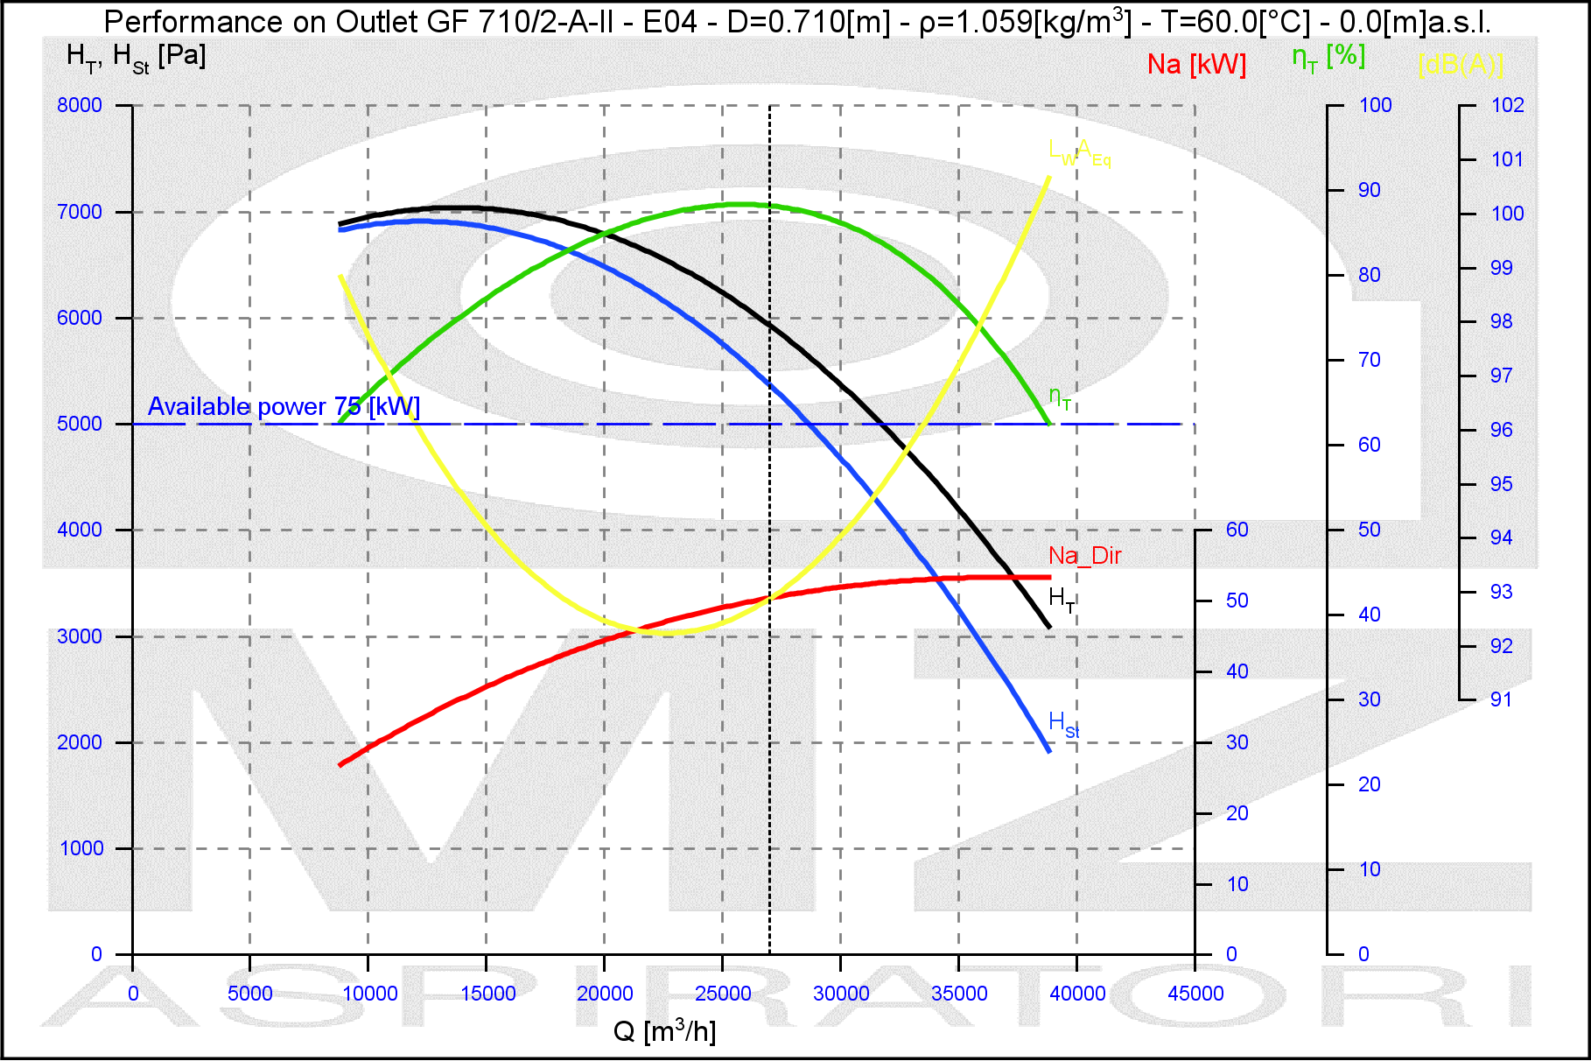
NOTE
Rpm Limit |  | 3200 Rpm

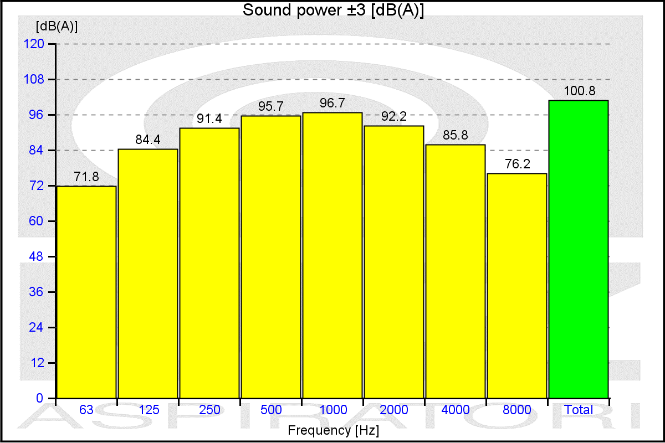
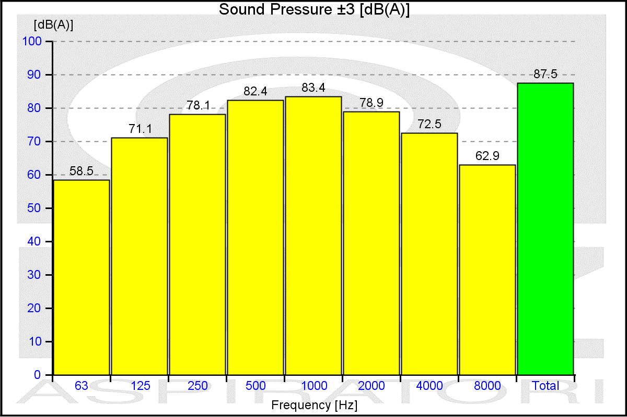

values of the noise of fan obtained in ambient not reverberant with inlet and outlet ducts fully insulated

ITEM1MS
 |  | MZ Aspiratori S.P.A. |  |  |  |  |  | Date |  |  | 28/01/2026 |  |  |  |  | page |  | 3/4
 |  |  |  |  |  |  |  | offer n° |  |  |  |  |  |  |  | project
 |  | VIA A.CERTANI 7 |  |  |  |  |  | From |  |  | Steven Zweegers
 |  | 40054 BUDRIO (BO) |  |  |  |  |  | address |  |  | Algolweg 2, 3821 BH Amersfoort
 |  | TEL +39 051 801981 |  |  |  |  |  | reference |  |  |  |  |  |  |  | Int. reference
 |  | FAX +39 051 802974 |  |  |  |  |  | telephone |  |  |  |  |  |  |  | fax
 |  |  |  |  |  |  |  | e-mail |  | steven@slingerlandtechniek.nl
 |  |  |  |  |  |  |  | Customer
http://www.mzaspiratori.eu |  |  |  |  |  |  |  | address
info@mzaspiratori.com |  |  |  |  |  |  |  | reference |  |  |  |  |  |  |  | Int. reference
commerciale@mzaspiratori.com |  |  |  |  |  |  |  | telephone |  |  |  |  |  |  |  | fax
ordini@mzaspiratori.com |  |  |  |  |  |  |  | e-mail
ITEM1 |  |  |  |  |  |  |  | Document printed by Aeraulica 2.0 - Dimensions and performances can be changed without prior notice

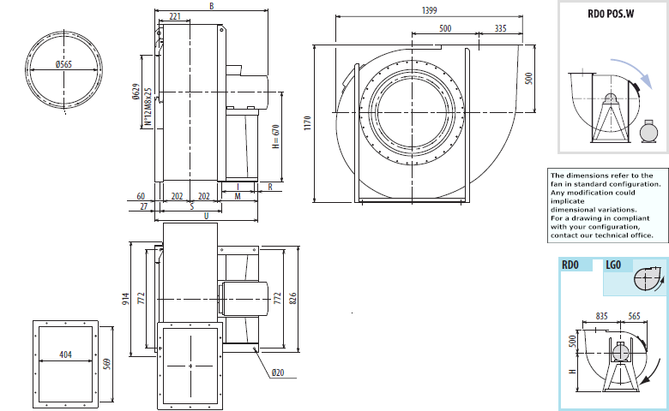

Indicative measures in the standard configuration. For detailed information contact your reference.
Indicative value of weight including standard motor.
B | I |  | H |  | H1 |  | H2 |  | M |  |  | R |  | S | U |  | PD2 | kg
1284 | 591 |  | 670 |  | 500 |  | 850 |  | 690 |  |  | 39 |  | 497 | 1154 |  | 11 | 760

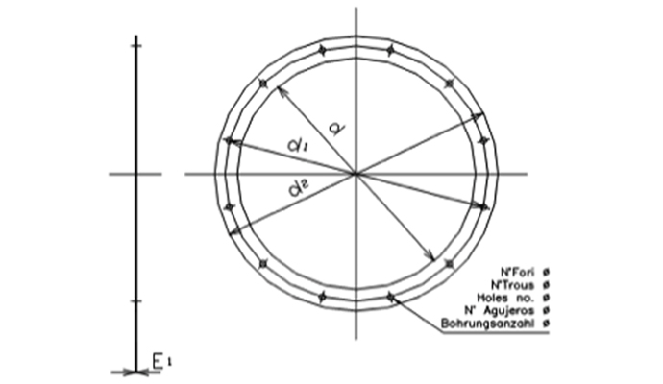
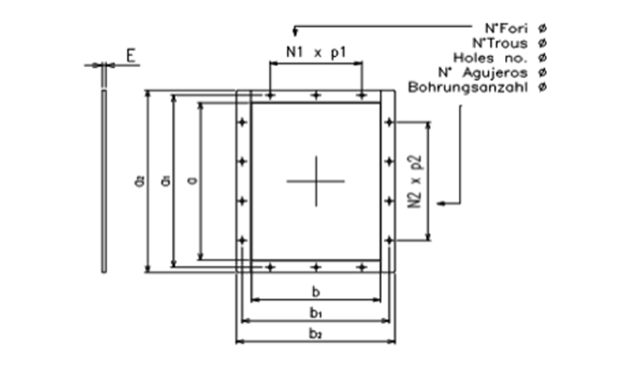

Cod |  | dxn° |  | d1 |  | d2 |  | Φ |  | E1 |  |  | Cod |  | axb |  | a1 | b1 | a2 | b2
0565 A |  | 565x12 |  | 629 |  | 665 |  | 14 |  | 4 |  |  | 0569x0404 |  | 569x404 |  | 629 | 464 | 669 | 504

 |  |  |  |  |  |  |  |  |  |  |  |  | N1xp |  | N2xp |  | n° | Φ | E
 |  |  |  |  |  |  |  |  |  |  |  |  | 2x160 |  | 3x160 |  | 14 | 14 | 4

CVGB
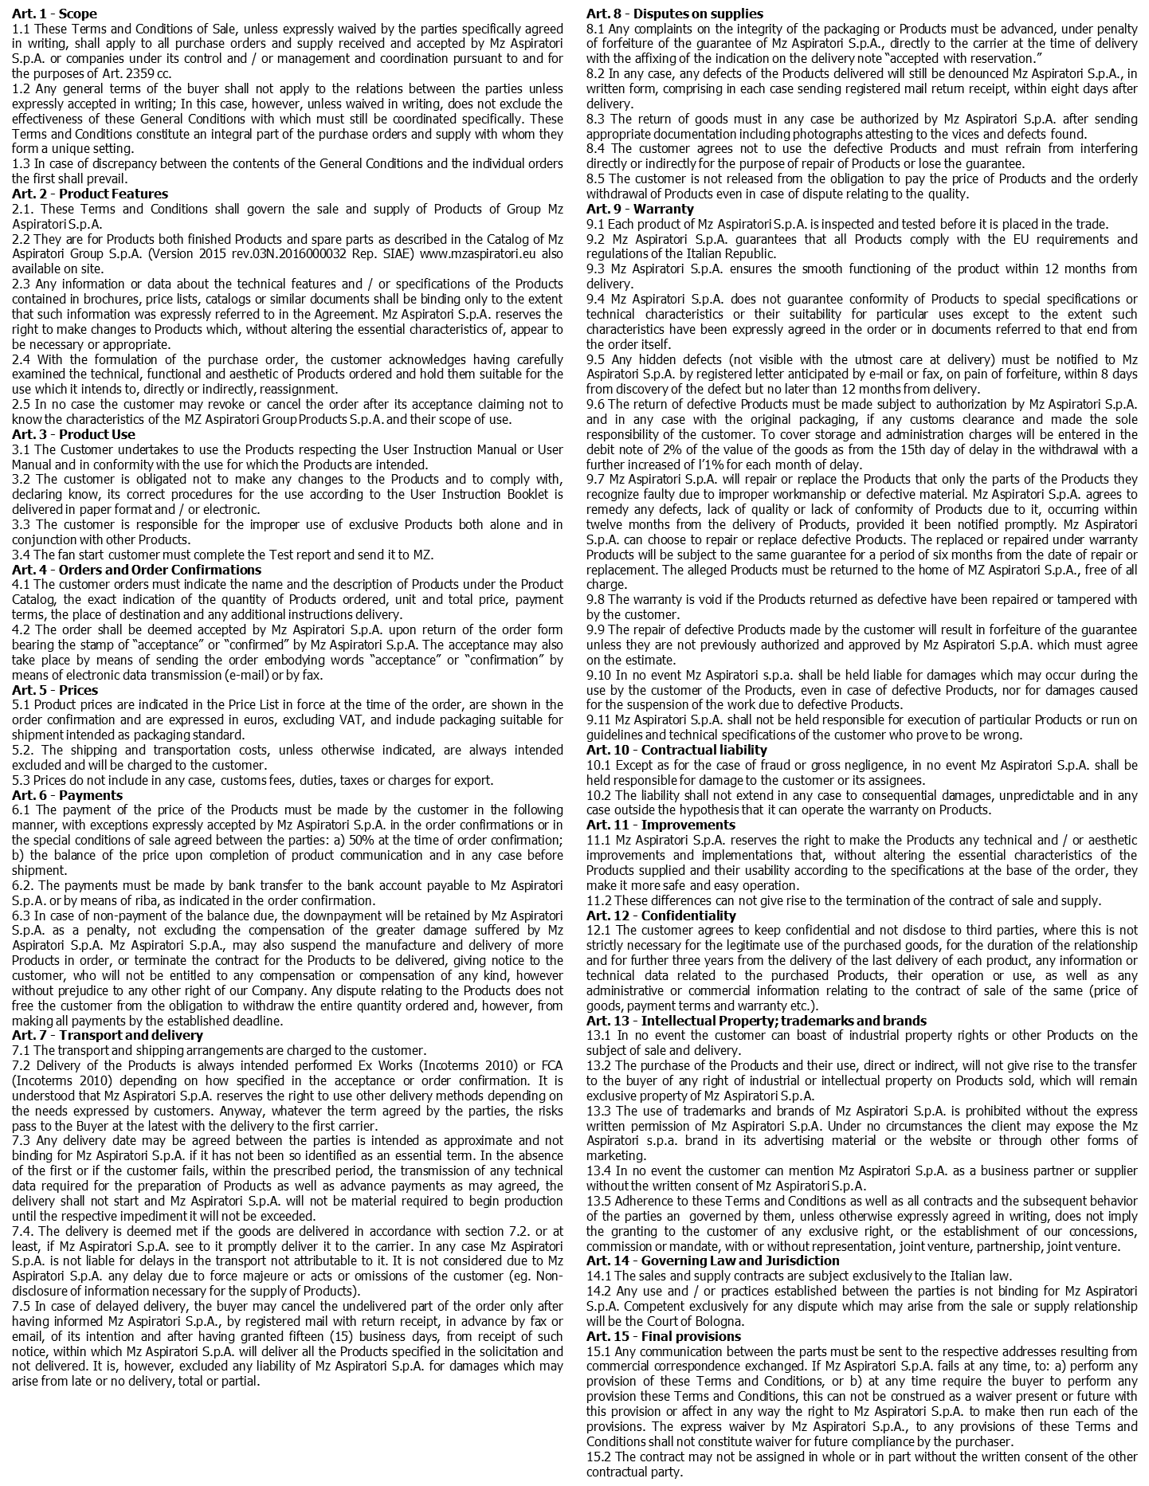
 | date | 28/01/2026 | page | 4/4
 | offer n° |  | order n°

GENERAL TERMS AND CONDITIONS OF SALE OF MZ ASPIRATORI S.p.A. GROUP

