ITEM1DS
 |  | MZ Aspiratori S.P.A. |  |  |  |  |  |  |  | Date |  |  |  | 11/02/2026 |  |  |  |  |  |  | page |  |  | 1/4
 |  |  |  |  |  |  |  |  |  | offer n° |  |  |  |  |  |  |  |  |  |  | project
 |  | VIA A.CERTANI 7 |  |  |  |  |  |  |  | From |  |  |  | Steven Zweegers
 |  | 40054 BUDRIO (BO) |  |  |  |  |  |  |  | address |  |  |  | Algolweg 2, 3821 BH Amersfoort
 |  | TEL +39 051 801981 |  |  |  |  |  |  |  | reference |  |  |  |  |  |  |  |  |  |  | Int. reference
 |  | FAX +39 051 802974 |  |  |  |  |  |  |  | telephone |  |  |  |  |  |  |  |  |  |  | fax
 |  |  |  |  |  |  |  |  |  | e-mail |  |  | steven@slingerlandtechniek.nl
 |  |  |  |  |  |  |  |  |  | Customer
http://www.mzaspiratori.eu |  |  |  |  |  |  |  |  |  | address
info@mzaspiratori.com |  |  |  |  |  |  |  |  |  | reference |  |  |  |  |  |  |  |  |  |  | Int. reference
commerciale@mzaspiratori.com |  |  |  |  |  |  |  |  |  | telephone |  |  |  |  |  |  |  |  |  |  | fax
ordini@mzaspiratori.com |  |  |  |  |  |  |  |  |  | e-mail
ITEM1 |  |  |  |  |  |  |  |  |  | Document printed by Aeraulica - Dimensions and performances can be changed without prior notice
Type and characteristics of the requested machine |  |  |  |  |  |  |  |  |  |  |  |  |  |  |  | performance on |  |  |  |  |  |  |  |  | Inlet
Flow rate |  |  |  |  |  |  | 5400 |  |  |  |  | [m3/h] |  |  |  | Capacity (Normal) |  |  |  |  |  |  |  |  | 4710 |  |  |  | [Nm3/h]
Total pressure |  |  |  |  |  |  |  |  |  |  |  |  |  |  |  | Static pressure |  |  |  |  |  |  |  |  | 4500 |  |  |  | [Pa]
Working fluid temperature |  |  |  |  |  |  | 40 |  |  |  |  | [°C] |  |  |  | Fluid specific weight |  |  |  |  |  |  |  |  | 1,127 |  |  |  | [Kg/m3]
Installation altitude |  |  |  |  |  |  | 0 asl |  |  |  |  | [m] |  |  |  | Specific weight std |  |  |  |  |  |  |  |  | 1,204 |  |  |  | [Kg/m3]
Temperature |  |  |  |  | 40 |  |  |  | 20 |  |  |  |  | [°C] |  | Model Selected |  |  |  |  |  |  |  |  | GR 560/2-I
Altitude |  |  |  |  | 0 |  |  |  | 0 |  |  |  |  | [m]
Humidity |  |  |  |  | 0 |  |  |  | 0 |  |  |  |  | [%] |  |  |  |  |  |  |  |  |  |  | Execution |  |  | E04
Fluid specific weight |  |  |  |  | 1,127 |  |  |  | 1,204 |  |  |  |  | [Kg/m3] |  | Installation Type |  |  |  | D - Ducted inlet and ducted outlet
Total pressure |  |  |  |  | 4522 |  |  |  | 4831 |  |  |  |  | [Pa] |  | Revolution fan speed |  |  |  |  |  |  |  |  |  |  | 2960 |  | [rpm]
Static pressure |  |  |  |  | 4400 |  |  |  | 4700 |  |  |  |  | [Pa] |  | Orientation |  |  |  |  |  |  |  |  |  |  | LG 0
Flow rate |  |  |  |  | 5400 |  |  |  | 5400 |  |  |  |  | [m3/h] |  | Sound power LwA |  |  |  |  |  |  |  |  |  |  | 98,47 |  | [db(A)]
Capacity (Normal) |  |  |  |  | 4710 |  |  |  | 5032 |  |  |  |  | [Nm3/h] |  | Sound pressure at mt.1,5 - 1/2 sf in open field |  |  |  |  |  |  |  |  |  |  | 85,17 |  | [db(A)]
Power dem. at shaft |  |  |  |  | 9,28 |  |  |  | 9,913 |  |  |  |  | [kW] |  | Pipings |  |  | s>3mm = +3dB; 1mm<s<3mm = +4,5dB ; s<1mm = +6dB
Motor power demand |  |  |  |  | 9,28 |  |  |  | 9,913 |  |  |  |  | [kW] |  | Fan efficiency |  |  |  |  |  | Inlet |  |  |  |  | 73,1 |  | %
Characteristics of chosen motor |  |  |  |  |  |  |  |  |  |  |  |  |  |  | Motor efficiency IEC 60034-30 |  |  |  |  |  |  |  | IE3 |  | PD2 impeller |  |  | 2,4 |  | kgm2
Code | 160MB2-50/std3 |  |  |  |  |  |  |  |  | shape |  |  | B3 |  | Efficiency |  |  | 92 |  | 92 |  |  | 91 |  | PD2 needed |  |  | 2,4 |  | kgm2
Rated power |  |  |  | 15 |  | [kW] | n° poles |  |  | 2 | rpm |  | 2960 |  | Load |  |  | 100% |  | 75% |  |  | 50% |  | PD2 motor |  |  | 16,9 |  | kgm2
ErP 2009/125/CE Regulament (UE) N. 327/2011 |  |  |  |  |  |  |  |  |  |  |  | Notes
Efficiency grade |  |  |  |  |  | 64 |  | N |  |  |  |  |  |  | 74,2 |  |  | Total efficiency |  |  |  |  |  |  |  |  | 74,32 |  | %
Impeller type |  |  | backward blades |  |  |  |  | Type of test |  |  |  | B/total |  |  | Flow rate |  | 7821,72 |  |  | [m3/h] |  |  | Pressure |  |  | 3770 |  |  | [Pa]
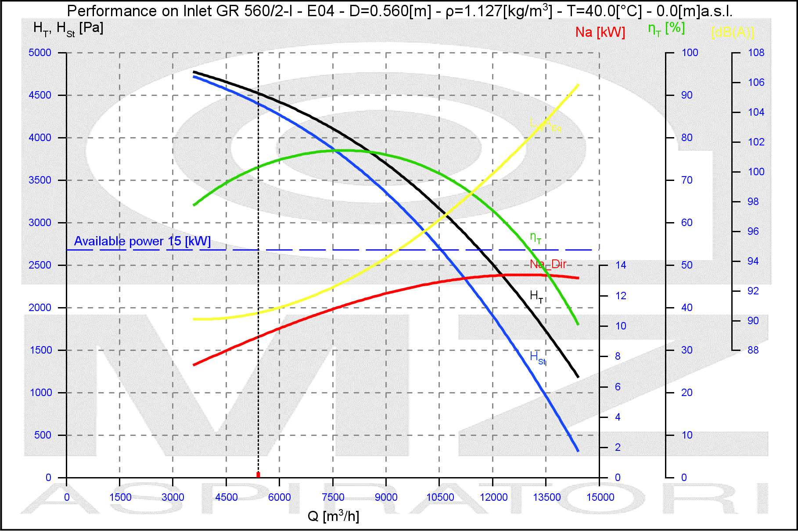
NOTE
Rpm Limit |  | 3200 Rpm

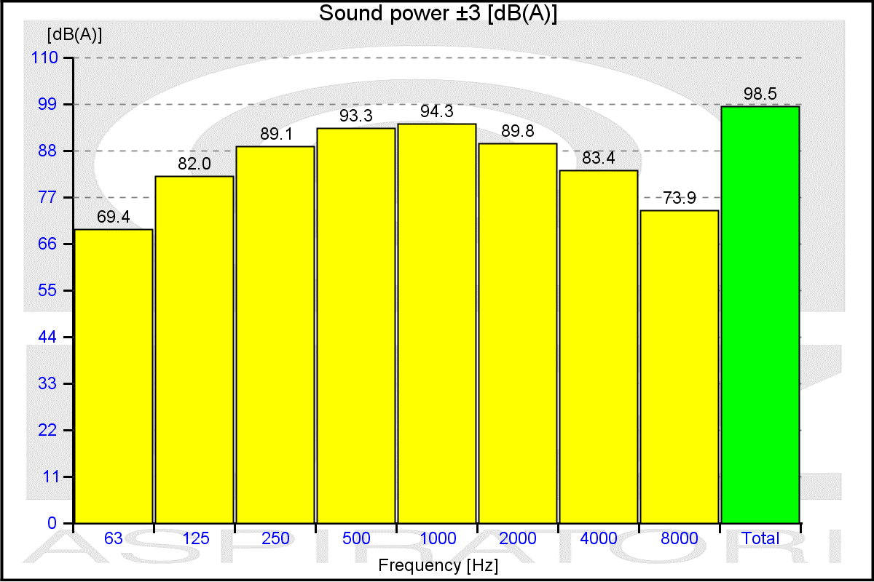
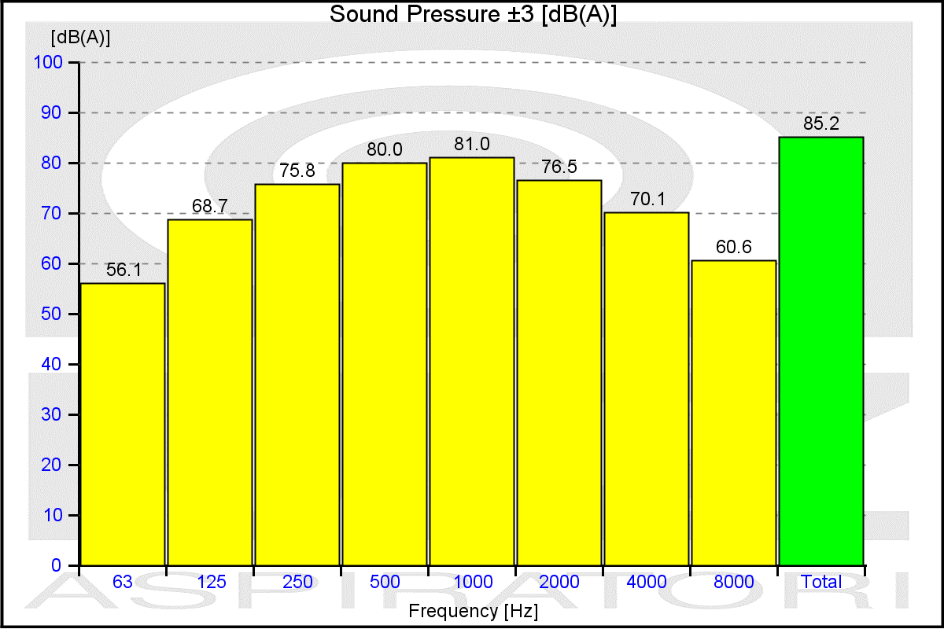

values of the noise of fan obtained in ambient not reverberant with inlet and outlet ducts fully insulated

ITEM1MS
 |  | MZ Aspiratori S.P.A. |  |  |  |  |  | Date |  |  | 11/02/2026 |  |  |  |  | page |  | 3/4
 |  |  |  |  |  |  |  | offer n° |  |  |  |  |  |  |  | project
 |  | VIA A.CERTANI 7 |  |  |  |  |  | From |  |  | Steven Zweegers
 |  | 40054 BUDRIO (BO) |  |  |  |  |  | address |  |  | Algolweg 2, 3821 BH Amersfoort
 |  | TEL +39 051 801981 |  |  |  |  |  | reference |  |  |  |  |  |  |  | Int. reference
 |  | FAX +39 051 802974 |  |  |  |  |  | telephone |  |  |  |  |  |  |  | fax
 |  |  |  |  |  |  |  | e-mail |  | steven@slingerlandtechniek.nl
 |  |  |  |  |  |  |  | Customer
http://www.mzaspiratori.eu |  |  |  |  |  |  |  | address
info@mzaspiratori.com |  |  |  |  |  |  |  | reference |  |  |  |  |  |  |  | Int. reference
commerciale@mzaspiratori.com |  |  |  |  |  |  |  | telephone |  |  |  |  |  |  |  | fax
ordini@mzaspiratori.com |  |  |  |  |  |  |  | e-mail
ITEM1 |  |  |  |  |  |  |  | Document printed by Aeraulica 2.0 - Dimensions and performances can be changed without prior notice

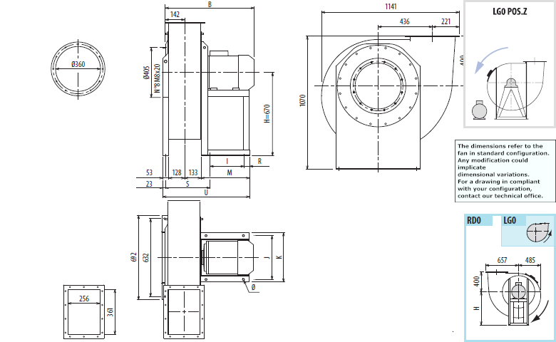

Indicative measures in the standard configuration. For detailed information contact your reference.
Indicative value of weight including standard motor.
B | I |  | H |  | H1 |  | H2 |  | J |  |  | K |  | M | Q |  | S | U | Φ | PD2
792 | 337 |  | 670 |  | 400 |  | 670 |  | 395 |  |  | 440 |  | 446 | 54 |  | 340 | 754 | 14 | 2,4

kg
240

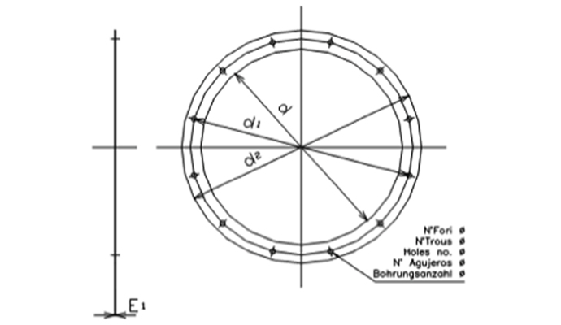
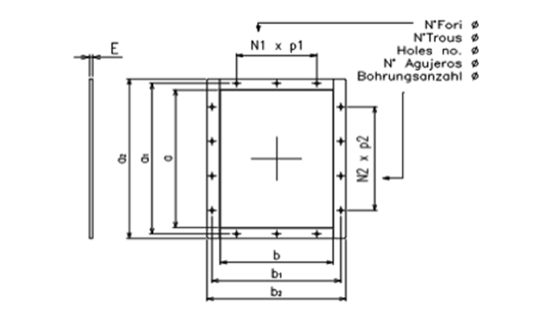

Cod |  | dxn° |  | d1 |  | d2 |  | Φ |  | E1 |  |  | Cod |  | axb |  | a1 | b1 | a2 | b2
0360 A |  | 360x8 |  | 405 |  | 440 |  | 12 |  | 4 |  |  | 0361x0256 |  | 361x256 |  | 405 | 300 | 441 | 336

 |  |  |  |  |  |  |  |  |  |  |  |  | N1xp |  | N2xp |  | n° | Φ | E
 |  |  |  |  |  |  |  |  |  |  |  |  | 1x125 |  | 2x125 |  | 10 | 12 | 4

CVGB
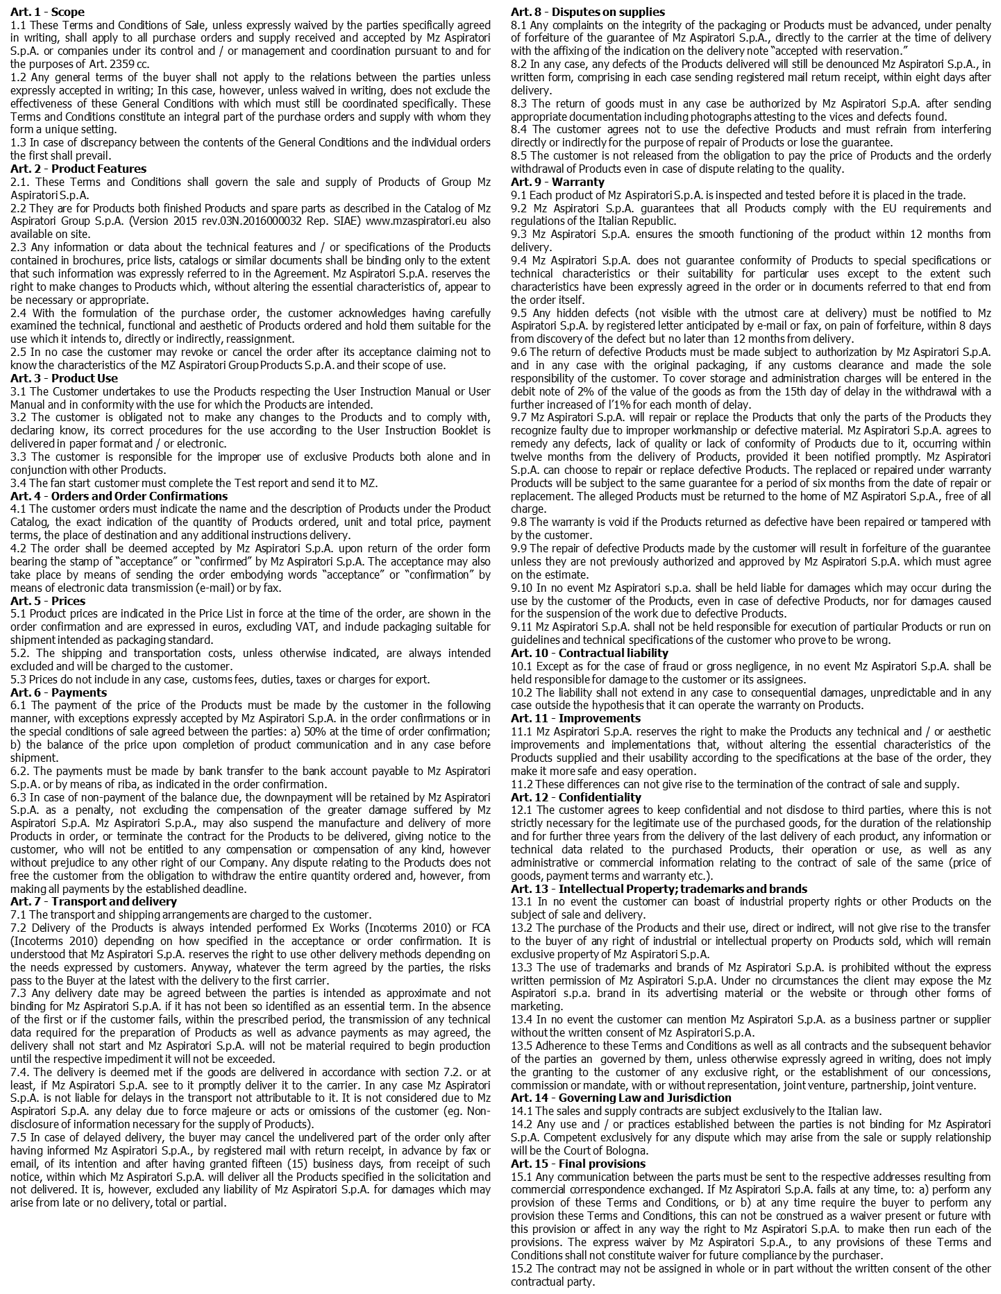
 | date | 11/02/2026 | page | 4/4
 | offer n° |  | order n°

GENERAL TERMS AND CONDITIONS OF SALE OF MZ ASPIRATORI S.p.A. GROUP

