Sheet1
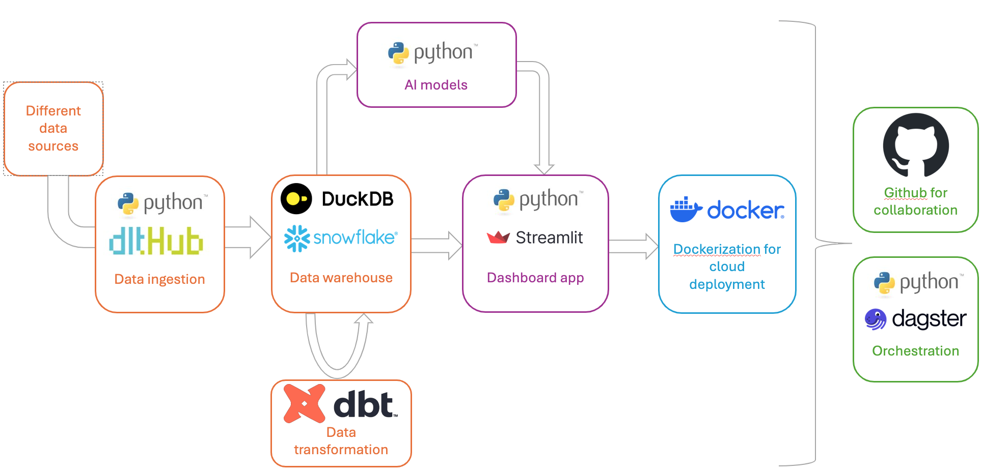
Data product: dashboard app

From POC to production

Components | Data source | Dashboard app
Technology | - csv files - API data | - use sample data in csv files - create streamlit dashboard with python | -> local development? -> sample data? -> etc

Components |  | Datawarehouse | Dashboard app
Technology |  | - duckdb - snowflake | - use data warehouse - create streamlit dashboard with python | -> single source of truth -> additional features of dw choices, like security and time travel etc -> snowflake better for RBAC (role based access control) -> where the data in dw from?

Components | Data source | Data ingestion | Data warehouse | Dashboard app
Technology | -csv files - API data | - dlt (coded in python) | - duckdb - or snowflake | - use datawarehouse data - create streamlit dashboard with python | -> move data from data source to dw -> raw data arrive staging area of dw -> staging schema or db -> downstream application needs transformed data instead?

Components | Data source | Data ingestion | Data warehouse | Data transformation | Dashboard app
Technology | -csv files - API data | - dlt (coded in python) | - duckdb - or snowflake | - dbt core | - use datawarehouse data - create streamlit dashboard with python | -> dbt takes data from dw staging schema -> transform -> write to transformed/production schema in dw

Components | Data source | Data ingestion | Data warehouse | Data transformation | AI models | Dashboard app
Technology | -csv files - API data | - dlt (coded in python) | - duckdb - or snowflake | - dbt core | - LLM | - use datawarehouse data - create streamlit dashboard with python | -> AI as additional feature -> local development?

Components | Data source | Data ingestion | Data warehouse | Data transformation | AI models | Dashboard app | Cloud deployment
Technology | -csv files - API data | - dlt (coded in python) | - duckdb - or snowflake | - dbt core | - LLM | - use datawarehouse data - create streamlit dashboard with python | - docker - amazon or azure | ->work individual? github project, issues, tasks, branches, pull reuqest etc ->scheduling/orchestration? dagster

