Summary
 | CRREM Pathways
 | Summary of CRREM Pathways
 | Version: V2.04 - 28th August 2025: Update Terms of Use, Inclusion of USA & Canada, Update of Emission Factors

 | Terms of Use By downloading, accessing, or using the CRREM Pathways and/or the CRREM Risk Assessment Tool, you acknowledge and accept these Terms of Use and Disclaimer. If you do not agree with any part of these terms, you must not download or use the tool or dataset(s). Terms of Use and Disclaimer 1 GENERAL USE AND DISCLAIMER 1.1 The CRREM Pathways and the CRREM Risk Assessment Tool are provided by the CRREM Foundation in good faith and for general information purposes only. Use of the pathways and/or the tool is subject to these Terms of Use and Disclaimer. All use is strictly at your own risk. 1.2 To the fullest extent permitted by applicable law, the CRREM Foundation disclaims any and all liability for damages of any kind, regardless of the legal theory on which such liability may be based. 1.3 All software, documentation, Pathways and underlying datasets are provided “as is”, without warranty of any kind, express or implied. The CRREM Foundation does not guarantee correctness, completeness, or suitability for any specific purpose. There is no obligation to provide support, maintenance, or updates. 2 PERMITTED USE 2.1 Only users who use the CRREM Pathways and/or tool for their own internal risk assessments, including for their own internal business purposes are permitted to use the CRREM Pathways and/or tool free of charge. For the avoidance of any doubt, the foregoing may include publication of results in reports. 2.2 Notwithstanding the provisions of article 2.1., only Consultants conducting external assessments for their clients are currently also allowed to use the tool and pathways free of charge, although their use is for the commercial interests of their clients and thus not (only) for internal business purposes. 2.3 Use for the purposes mentioned in articles 2.1 and 2.2 remains free until further notice. 2.4 The CRREM Foundation reserves the right to modify these conditions, introduce licensing, or restrict certain uses

The document comes with separate sheets for

 | Summary
1 | Global CO2 Pathway
2 | CO2 Intensity Pathways (kgCO2/m²*yr)*
3 | Energy Use Intensity Pathways (kWh/m²*yr)
4 | All GHG Intensity Pathways (kgCO2e/m²*yr)
5 | USA & Canada summary
6 | CO2 Intensity Pathways USA & Canada (kgCO2/m²*yr)*
7 | Energy Use Intensity Pathways USA & Canada (kWh/m²*yr)
8 | Grid Emissionfactors Europe
9 | Grid Emissionfactors APAC
10 | Grid Emissionfactors USA & Canada
* | The CRREM CO2 pathways encompass all carbon dioxide equivalent (CO2e) emissions, with the specific exclusion of fluorinated gases (f-gases)

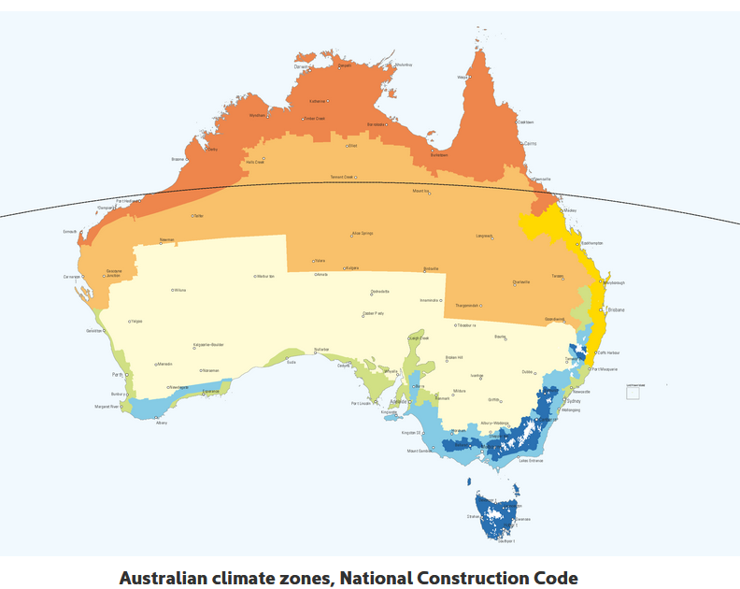
Country codes
AT | Austria | SK | Slovakia
BE | Belgium | SI | Slovenia
BG | Bulgaria | ES | Spain | Australia Sub-Regional Pathways
CY | Republic of Cyprus | SE | Sweden |  | Climate Zones
CZ | Czech Republic | UK | United Kingdom | 1 | Hot humid summer, warm winter
DK | Denmark | HR | Croatia | 2 | Warm humid summer, mild winter
EE | Estonia | CH | Switzerland | 3 | Hot dry summer, cool winter
FI | Finland | NO | Norway | 4 | Hot dry summer, warm winter
FR | France | AUS | Australia | 5 | Warm temperate
DE | Germany | BRA | Brazil | 6 | Mild temperate
EL | Greece | CAN | Canada | 7 | Cool temperate
HU | Hungary | CHI | China | 8 | Alpine
IE | Ireland | HK | Hong Kong
IT | Italy | IND | India
LV | Latvia | JAP | Japan
LT | Lithuania | MAL | Malaysia
LU | Luxembourg | MEX | Mexico
MT | Malta | NZL | New Zealand
NL | Netherland | PHI | Philippines
PL | Poland | SGP | Singapore
PT | Portugal | KOR | South Korea
RO | Romania | USA | USA

1 - Global CO2
CRREM Global Downscaling Sector

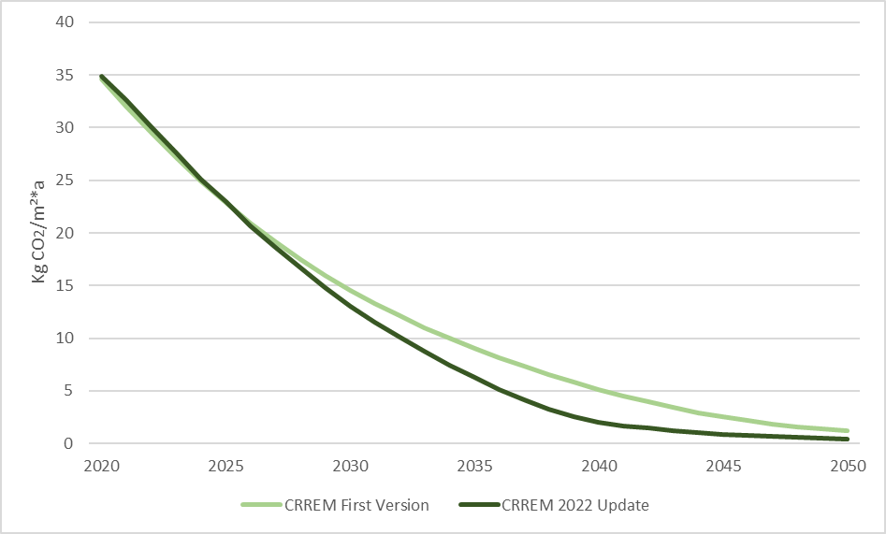
 | Global building stock - Floor area | Global.CO2.1.5D/m² (excluding DL) | Global carbon emission pathways on square meter basis (CO2-only) of 1.5°C scenario
 | (m²) | 1.5°C target
 |  | kgCO2/m²
2020 | 244,100,000,068 | 34.9
2021 | 248,163,220,060 | 32.7
2022 | 252,554,960,060 | 30.1
2023 | 257,255,090,068 | 27.6
2024 | 262,243,480,076 | 25.1
2025 | 267,500,000,076 | 22.9
2026 | 273,004,520,076 | 20.7
2027 | 278,736,910,076 | 18.6
2028 | 284,677,040,068 | 16.7
2029 | 290,804,780,060 | 14.8
2030 | 297,100,000,076 | 13.1
2031 | 303,542,570,068 | 11.6
2032 | 310,112,360,060 | 10.1
2033 | 316,789,240,068 | 8.7
2034 | 323,553,080,076 | 7.5
2035 | 330,383,750,076 | 6.3
2036 | 337,261,120,076 | 5.1
2037 | 344,165,060,076 | 4.1
2038 | 351,075,440,068 | 3.2
2039 | 357,972,130,076 | 2.5
2040 | 364,835,000,068 | 2.0 | Global building sector CO2e intensity pathways
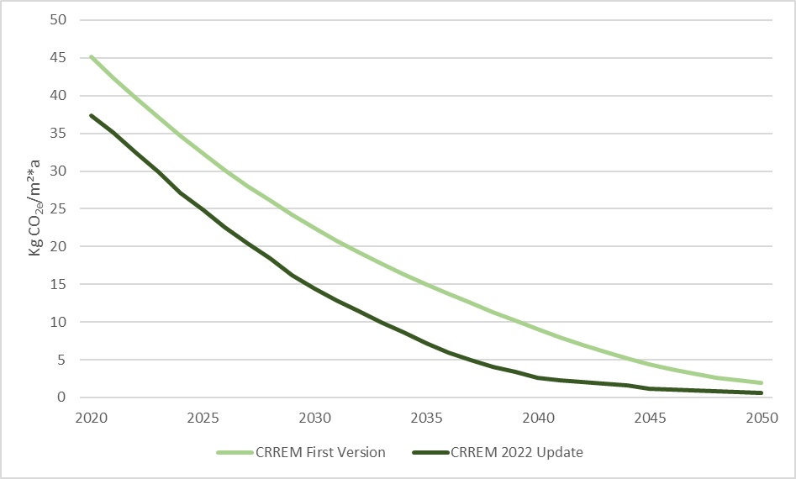
2041 | 371,643,920,060 | 1.7
2042 | 378,378,760,076 | 1.4
2043 | 385,019,390,060 | 1.2
2044 | 391,545,680,076 | 1.1
2045 | 397,937,500,076 | 0.9
2046 | 404,174,720,076 | 0.8
2047 | 410,237,210,076 | 0.7
2048 | 416,104,840,076 | 0.6
2049 | 421,757,480,060 | 0.5
2050 | 427,175,000,076 | 0.4

5 - USA & Canada summary
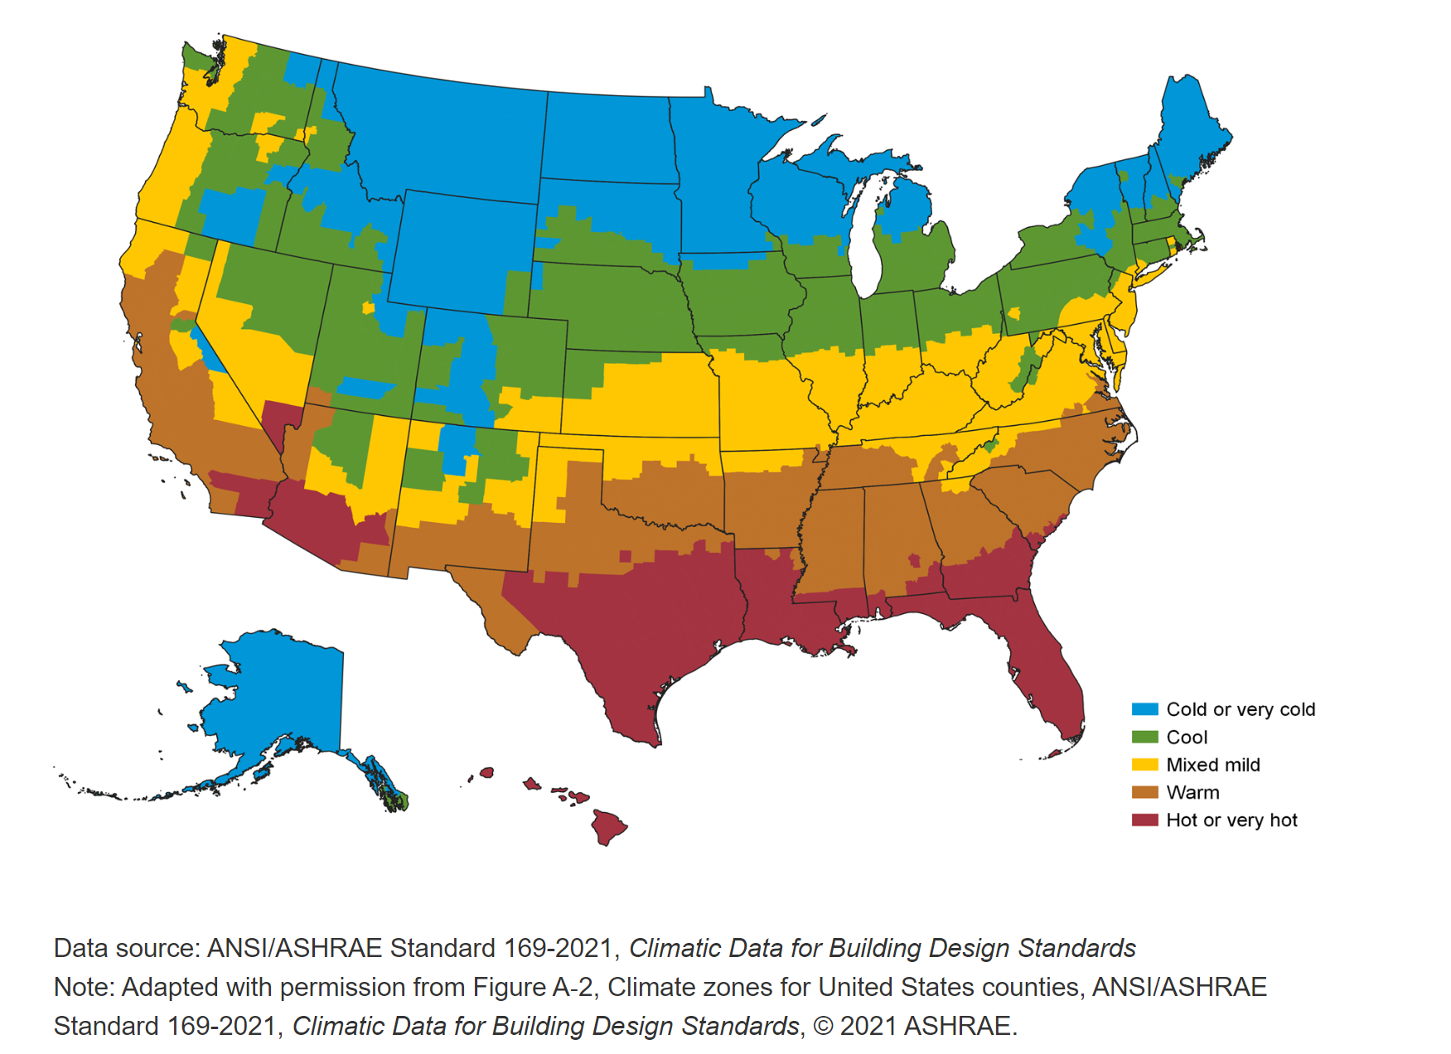
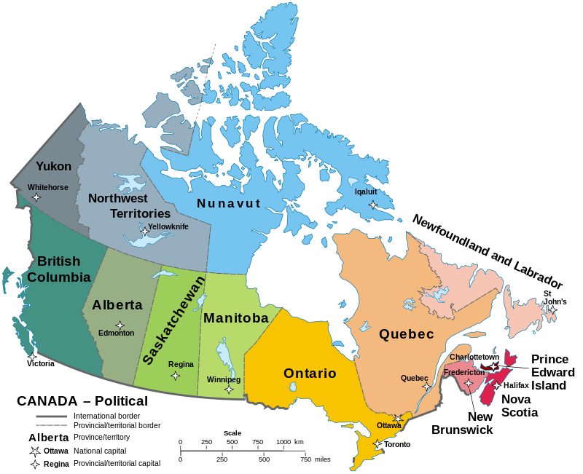
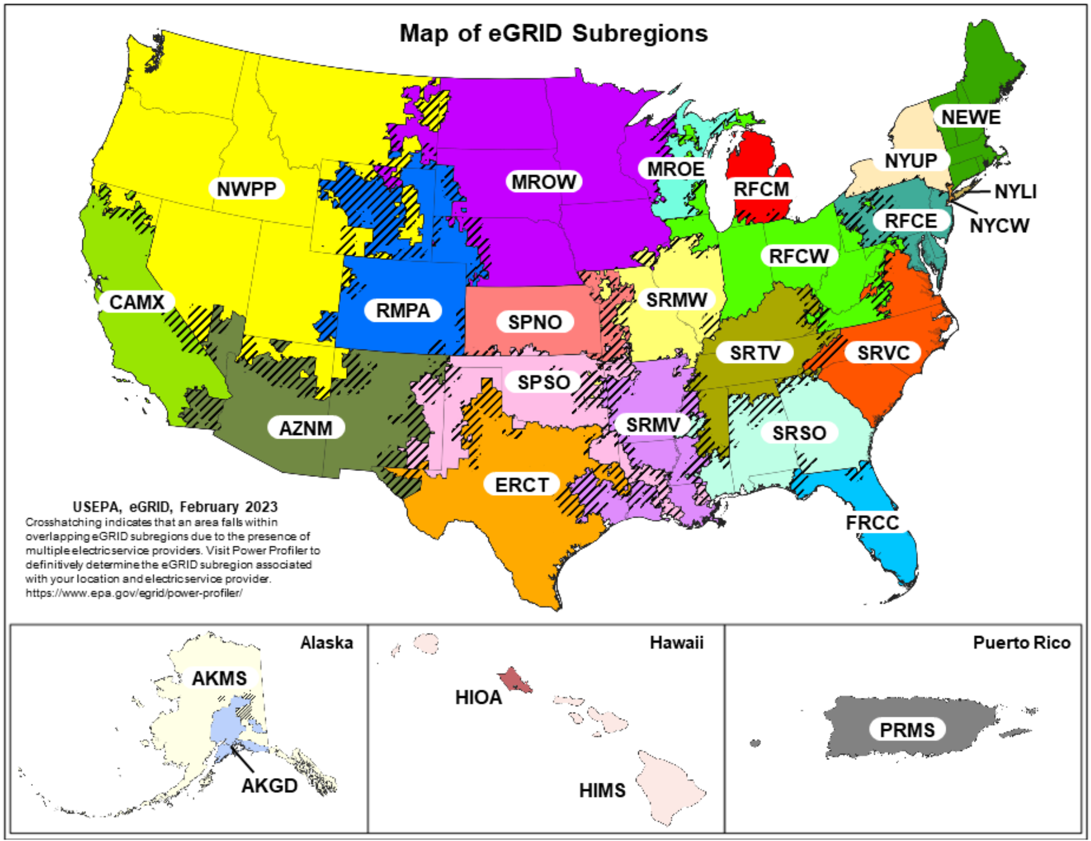
CRREM US and CAN Pathways
The CRREM Pathways for the United States and Canada are available in different units. CO2 intensity pathways in (kgCO2/sf*yr) and EUI Pathways in (kBtu/sf*yr) are available on the dedicated Pathway file on our website.

U.S. climate zones for 2018 CBECS: | CAN Geographic Divisions:

