Data
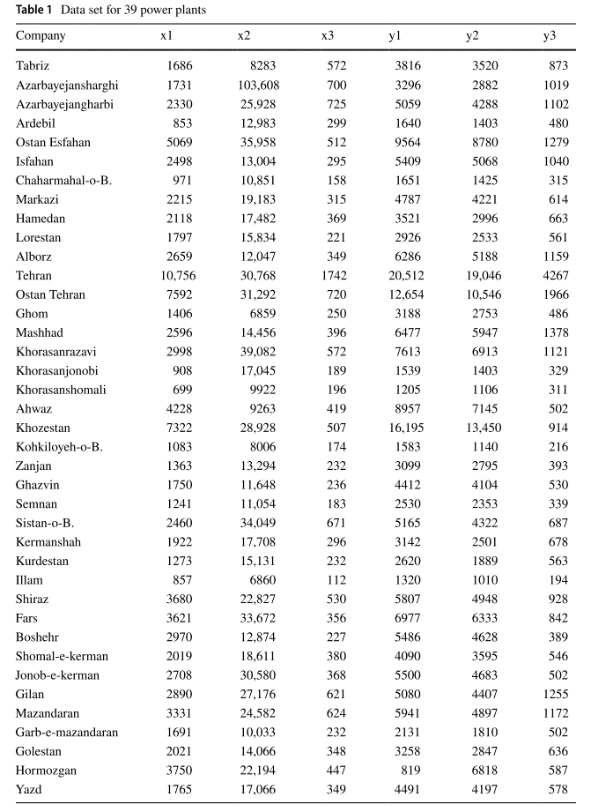
 |  | Inputs |  |  | Outputs |  |  | Input prices |  |  | Output prices
 | Company | x1 | x2 | x3 | y1 | y2 | y3 | p1 | p2 | p3 | q1 | q2 | q3
1 | Tabriz | 1686 | 8283 | 572 | 3816 | 3520 | 873 | 1.5 | 1 | 0.8 | 2.5 | 2 | 3
2 | Azarbayejansharghi | 1731 | 103608 | 700 | 3296 | 2882 | 1019 | 1.5 | 1 | 0.8 | 2.5 | 2 | 3
3 | Azarbayejangharbi | 2330 | 25928 | 725 | 5059 | 4288 | 1102 | 1.5 | 1 | 0.8 | 2.5 | 2 | 3
4 | Ardebil | 853 | 12983 | 299 | 1640 | 1403 | 480 | 1.5 | 1 | 0.8 | 2.5 | 2 | 3
5 | Ostan Esfahan | 5069 | 35958 | 512 | 9564 | 8780 | 1279 | 1.5 | 1 | 0.8 | 2.5 | 2 | 3
6 | Isfahan | 2498 | 13004 | 295 | 5409 | 5068 | 1040 | 1.5 | 1 | 0.8 | 2.5 | 2 | 3
7 | Chaharmahal-o-B. | 971 | 10851 | 158 | 1651 | 1425 | 315 | 1.5 | 1 | 0.8 | 2.5 | 2 | 3
8 | Markazi | 2215 | 19183 | 315 | 4787 | 4221 | 614 | 1.5 | 1 | 0.8 | 2.5 | 2 | 3
9 | Hamedan | 2118 | 17482 | 369 | 3521 | 2996 | 663 | 1.5 | 1 | 0.8 | 2.5 | 2 | 3
10 | Lorestan | 1797 | 15834 | 221 | 2926 | 2533 | 561 | 1.5 | 1 | 0.8 | 2.5 | 2 | 3
11 | Alborz | 2659 | 12047 | 349 | 6286 | 5188 | 1159 | 1.5 | 1 | 0.8 | 2.5 | 2 | 3
12 | Tehran | 10756 | 30768 | 1742 | 20512 | 19046 | 4267 | 1.5 | 1 | 0.8 | 2.5 | 2 | 3
13 | Ostan Tehran | 7592 | 31292 | 720 | 12654 | 10546 | 1966 | 1.5 | 1 | 0.8 | 2.5 | 2 | 3
14 | Ghom | 1406 | 6859 | 250 | 3188 | 2753 | 486 | 1.5 | 1 | 0.8 | 2.5 | 2 | 3
15 | Mashhad | 2596 | 14456 | 396 | 6477 | 5947 | 1378 | 1.5 | 1 | 0.8 | 2.5 | 2 | 3
16 | Khorasanrazavi | 2998 | 39082 | 572 | 7613 | 6913 | 1121 | 1.5 | 1 | 0.8 | 2.5 | 2 | 3
17 | Khorasanjonobi | 908 | 17045 | 189 | 1539 | 1403 | 329 | 1.5 | 1 | 0.8 | 2.5 | 2 | 3
18 | Khorasanshomali | 699 | 9922 | 196 | 1205 | 1106 | 311 | 1.5 | 1 | 0.8 | 2.5 | 2 | 3
19 | Ahwaz | 4228 | 9263 | 419 | 8957 | 7145 | 502 | 1.5 | 1 | 0.8 | 2.5 | 2 | 3
20 | Khozestan | 7322 | 28928 | 507 | 16195 | 13450 | 914 | 1.5 | 1 | 0.8 | 2.5 | 2 | 3
21 | Kohkiloyeh-o-B. | 1083 | 8006 | 174 | 1583 | 1140 | 216 | 1.5 | 1 | 0.8 | 2.5 | 2 | 3
22 | Zanjan | 1363 | 13294 | 232 | 3099 | 2795 | 393 | 1.5 | 1 | 0.8 | 2.5 | 2 | 3
23 | Ghazvin | 1750 | 11648 | 236 | 4412 | 4104 | 530 | 1.5 | 1 | 0.8 | 2.5 | 2 | 3
24 | Semnan | 1241 | 11054 | 183 | 2530 | 2353 | 339 | 1.5 | 1 | 0.8 | 2.5 | 2 | 3
25 | Sistan-o-B. | 2460 | 34049 | 671 | 5165 | 4322 | 687 | 1.5 | 1 | 0.8 | 2.5 | 2 | 3
26 | Kermanshah | 1922 | 17708 | 296 | 3142 | 2501 | 678 | 1.5 | 1 | 0.8 | 2.5 | 2 | 3
27 | Kurdestan | 1273 | 15131 | 232 | 2620 | 1889 | 563 | 1.5 | 1 | 0.8 | 2.5 | 2 | 3
28 | Illam | 857 | 6860 | 112 | 1320 | 1010 | 194 | 1.5 | 1 | 0.8 | 2.5 | 2 | 3
29 | Shiraz | 3680 | 22827 | 530 | 5807 | 4948 | 928 | 1.5 | 1 | 0.8 | 2.5 | 2 | 3
30 | Fars | 3621 | 33672 | 356 | 6977 | 6333 | 842 | 1.5 | 1 | 0.8 | 2.5 | 2 | 3
31 | Boshehr | 2970 | 12874 | 227 | 5486 | 4628 | 389 | 1.5 | 1 | 0.8 | 2.5 | 2 | 3
32 | Shomal-e-kerman | 2019 | 18611 | 380 | 4090 | 3595 | 546 | 1.5 | 1 | 0.8 | 2.5 | 2 | 3
33 | Jonob-e-kerman | 2708 | 30580 | 368 | 5500 | 4683 | 502 | 1.5 | 1 | 0.8 | 2.5 | 2 | 3
34 | Gilan | 2890 | 27176 | 621 | 5080 | 4407 | 1255 | 1.5 | 1 | 0.8 | 2.5 | 2 | 3
35 | Mazandaran | 3331 | 24582 | 624 | 5941 | 4897 | 1172 | 1.5 | 1 | 0.8 | 2.5 | 2 | 3
36 | Garb-e-mazandaran | 1691 | 10033 | 232 | 2131 | 1810 | 502 | 1.5 | 1 | 0.8 | 2.5 | 2 | 3
37 | Golestan | 2021 | 14066 | 348 | 3258 | 2847 | 636 | 1.5 | 1 | 0.8 | 2.5 | 2 | 3
38 | Hormozgan | 3750 | 22194 | 447 | 819 | 6818 | 587 | 1.5 | 1 | 0.8 | 2.5 | 2 | 3
39 | Yazd | 1765 | 17066 | 349 | 4491 | 4197 | 578 | 1.5 | 1 | 0.8 | 2.5 | 2 | 3

