Sheet1
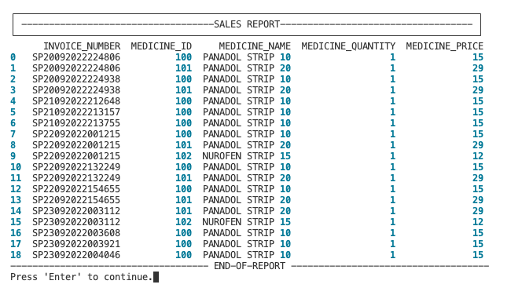
UTC No.
1 | Test case: Menu Options
 | Test result: PASS . Error captured correctly. Code working as expected

 | Test case : Test allowed user input for Menu options | Test case : Test allowed user input for Menu options
 | Test result: PASS . Error captured correctly for invalid input. Code working as expected | Test result: PASS . Error captured correctly for invalid input. Code working as expected
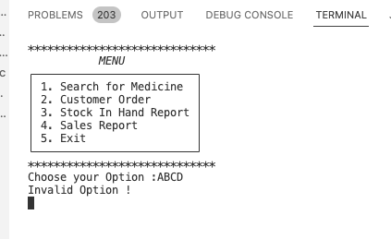
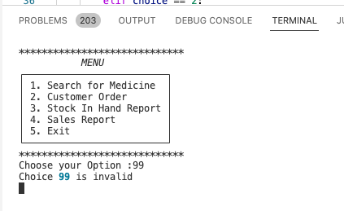

2 | Test case: Customer Order
 | Test result: PASS . Error captured correctly. Code working as expected

 | Test case : Test allowed user input for Customer Order Menu | Test case : Test allowed user input for Customer Order Menu
 | Test result: PASS . Error captured correctly for invalid input. Code working as expected | Test result: PASS . Error captured correctly for invalid input. Code working as expected
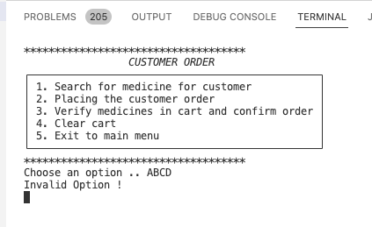
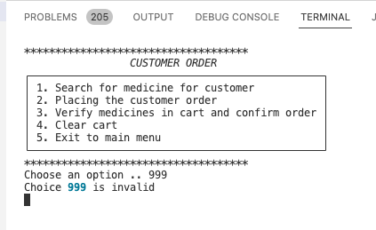

3 | Test case: Customer Order --> Search for Medicine
 | Test result: PASS . Error captured correctly. Code working as expected

 | Test case : Test allowed user input for Medicine search | Test case : Test allowed user input for Medicine search.
 | Test result: PASS . Error captured correctly for invalid input. Code working as expected | Test result: PASS . Error captured correctly for invalid input. Code working as expected
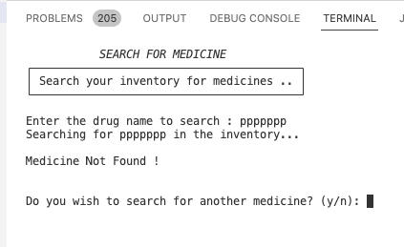
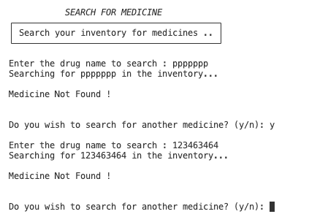
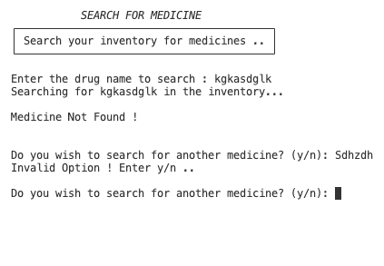

 | Test case : Test allowed user input for Medicine search
 | Test result: PASS . For valid input, Code working as expected
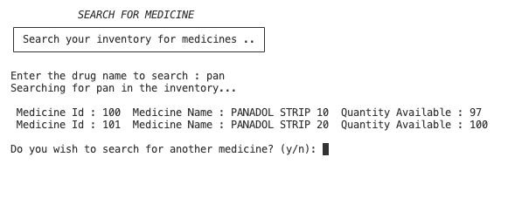

4 | Test case: Customer Order --> Place Customer Order
 | Test result: PASS . Error captured correctly. Code working as expected

 | Test case : Test allowed user input for placing customer order |  | Test case : Test allowed user input for placing customer order
 | Test result: PASS . Error captured correctly for invalid input for med id. Code working as expected |  | Test result: PASS . Error captured correctly for inv . Code working as expected
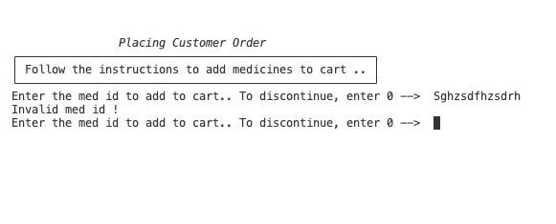
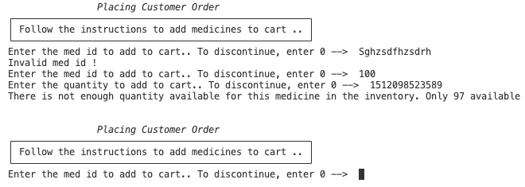

 | Test case : Test allowed user input for placing customer order
 | Test result: PASS . For valid input code working as expected
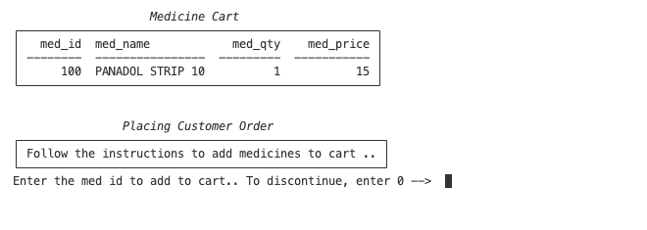

5 | Test case: Customer Order --> Verify medicines in cart and confirm order
 | Test result: PASS . Error captured correctly. Code working as expected

 | Test case : Test allowed user input for billing and invoice | Test case : Test allowed user input for billing and invoice
 | Test result: PASS . Error captured correctly for invalid input. Code working as expected | Test result: PASS . For valid user input code working as expected
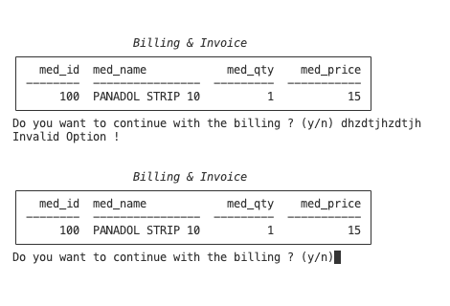
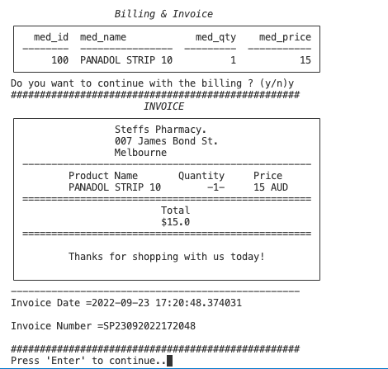

6 | Test case: Menu -->. Stock In Hand Report
 | Test result: PASS . Code working as expected

7 | Test case: Menu -->. Sales Report
 | Test result: PASS . Code working as expected

