SO4
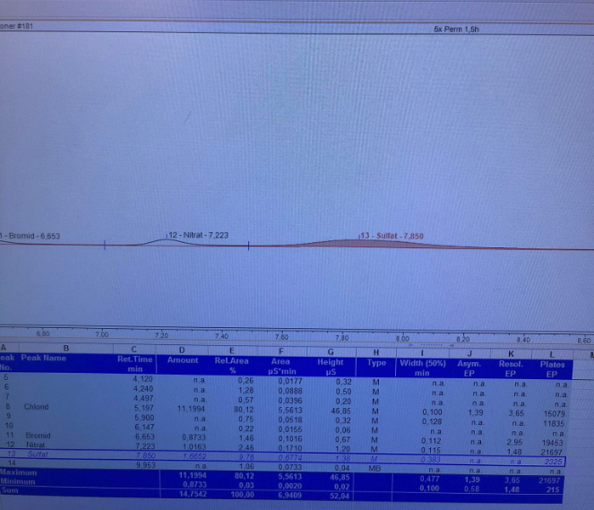
Name | Tid | Stream | Dilution | 1 [mg/L] | 2 [mg/L]
1A | 0 | CT vand | 1 | 72.207 | 79.112 |  | 75.6595
1A | 0 | Feed | 1 | 71.383 | 71.374 |  | 71.3785 |  |  | 1A |  |  | 2A
1A | 2 | Perm spand | 5 | 3.334 | 3.3313 | - | 16.66325 |  | tid A | Feed | Perm | rej | Feed | Perm |  | Dette måde at analysere sulphate feed er valgt.
1A | 4 | Perm spand | 5 | 4.867 | 4.8543 | - | 24.30325 | 0.74352604167 | 0 | 71.3785 |  |  | 161.0725
1A | 1.5 | Feed | 1 | 82.645 | 82.657 |  | 82.651 | 0.86094791667 | 1.5 | 82.651 | 13.401 | 83.786040096 | 145.69 | 12.6805 | 91.296245453
1A | 1.5 | Permeate | 5 | 2.6869 | 2.6735 | - | 13.401 | 2.0842708333 | 7 | 200.09 | 22.17325 | 88.918361737 | 317.895 | 20.08825 | 93.680853741
1A | 7 | Feed | 5 | 40.133 | 39.903 |  | 200.09
1A | 7 | Permeate | 5 | 4.6141 | 4.2552 | - | 22.17325
2A | 0 | Feed | 5 | 32.185 | 32.244 |  | 161.0725 |  |  | 1B |  |  | 2B
2A | 2 | Perm spand | 5 | 2.8791 | 2.9058 | - | 14.46225 |  | tid B | Feed | Perm |  | Feed | Perm
2A | 4 | Perm spand | 5 | 6.409 | 6.525 | - | 32.335 | 0.180703125 | 0 | 17.3475 |  |  | 16.26775
2A | 1.5 | Feed | 5 | 29.161 | 29.115 |  | 145.69 | 0.21486458333 | 1.5 | 20.627 | 9.414 | 54.360789257 | 20.8765 | 8.35 | 60.002874045
2A | 1.5 | Permeate | 5 | 2.5361 | 2.5361 | - | 12.6805 | 0.42959375 | 6.5 | 41.241 | 16.045 | 61.094541839 | 42.9435 | 13.3075 | 69.011608276 | Måske der er noget interferens.
2A | 7 | Feed | 5 | 63.917 | 63.241 |  | 317.895
2A | 7 | Permeate | 5 | 4.0117 | 4.0236 | - | 20.08825
1B | 0 | Feed | 5 | 3.4784 | 3.4606 | - | 17.3475
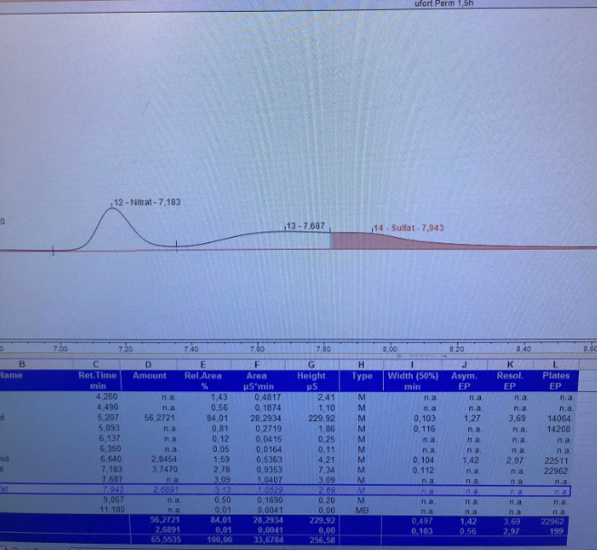
1B | 2 | Perm spand | 5 | 2.1393 | 3.045 | - | 12.96075
1B | 4 | Perm spand | 5 | 2.1412 | 3.058 | - | 12.998 |  |  |  |  |  |  |  |  | Frem for denne måde (ufortyndet).
1B | 1.5 | Feed | 1 | 20.639 | 20.615 |  | 20.627
1B | 1.5 | Permeate | 5 | 1.8842 | 1.8814 | - | 9.414
1B | 6.5 | Feed | 1 | 37.282 | 45.2 |  | 41.241
1B | 6.5 | Permeate | 5 | 3.131 | 3.287 | - | 16.045
2B | 0 | Feed | 5 | 3.2292 | 3.2779 | - | 16.26775
2B | 2 | Perm spand | 1 | 2.144 | 1.8698 | - | 2.0069
2B | 4 | Perm spand | 5 | 2.9343 | 2.6343 | - | 13.9215
2B | 1.5 | Feed | 1 | 20.856 | 20.897 |  | 20.8765
2B | 1.5 | Permeate | 5 | 1.6652 | 1.6748 | - | 8.35
2B | 6.5 | Feed | 1 | 42.951 | 42.936 |  | 42.9435
2B | 6.5 | Permeate | 5 | 2.668 | 2.655 | - | 13.3075

