Rail
Fuel | 2020 (NOK/Tkm) | 2030 | 2050
CL
Diesel | 1.4628623188
Battery - fast charging | 1.0778985507
Hydrogen | 0.92391304348

$ to NOK | 8.5 | Brukt i rapporten
Yearly mileage | 120,000 | TØI

Fuel | 2020 (M$/year) | 2030 (M$/year) | 2050 (M$/year) | Payload
CL
Diesel | 38 | 38 | 38 | 1840
Battery - fast charging | 28 | 20 | 18 | 1840
Hydrogen | 24 | 18 | 16 | 1840

Kjelde: | https://sintef.brage.unit.no/sintef-xmlui/bitstream/handle/11250/2660263/Zenith%2bTechno-economic%2banalysis%2bof%2bfreight%2brailway%2belectrification.pdf?sequence=2&isAllowed=y
We set the cost of OLE installation
at 15 MNOK/km (1.76 M$/km) for the Nordland line,
as this value has been used by the Norwegian govern-
ment to allocate three billion NOK to electrify about
200 km of tracks. 2

Vehicle | Capacity (tonnes) | Per wagon (tonnes) | Lengde wagons
Articulated semi closed | 33
Articulated semi, containers | 33
Tank truck distance | 33
Dry bulk truck | 18.4
Timber truck with hanger | 34
Termo truck | 33
Container lo/lo 8500 dwt | 8500
Break bulk Lo/lo, 2500dwt | 2500
Dry bulk 9000 dwt | 9000
Tanker vessel 17000 dwt | 17000 |  |  |  | tonn på et 500 meter tog
Combi trains |  | 82 | 33.25 |  | 1233.0827068
System trains (dry bulk) |  | 100 | 10.3 |  | 4854.368932
Timber trains |  | 35 | 14.5 |  | 1206.8965517
System trains (wet bulk) |  | 50 | 14.5 |  | 1724.137931

Gjennomsnittvekt, togvogner | 66.75
Lengde tog | 500
Gjennomsnittlengde, vogner | 18.1375

Vekt per tog: | 1840.1102688
Vekt per tog (malm, maks): | 6800
Vekt per tog (tømmer): | 2700 | https://www.banenor.no/contentassets/1953704ebb8a4ff380d2e0873ed0312a/godstransport_p__b_1720617a.pdf

2,5 tonn per meter | 1250

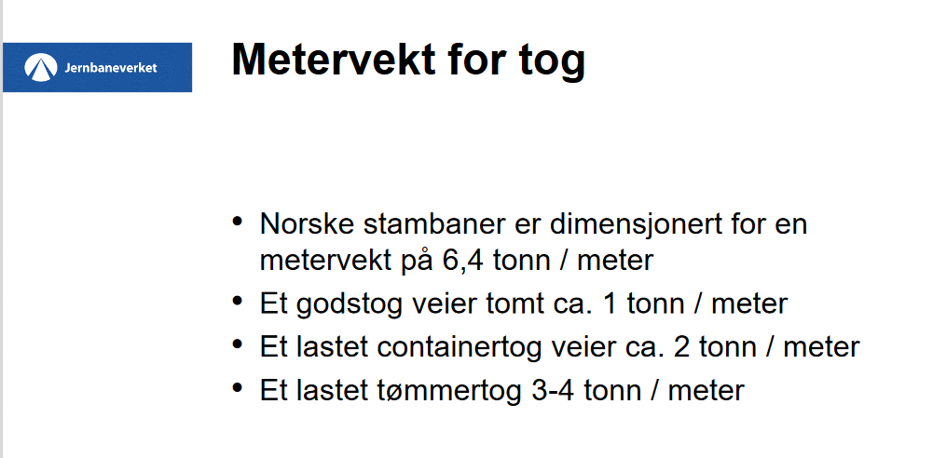

 |  |  |  |  | Euro to NOK |  | 9.63

 |  |  |  |  | Euro/Tkm | NOK/Tkm
Rail | Dry bulk | System trains (dry bulk) | Diesel | 2022 | 0.0144 | 0.138672
Rail | Dry bulk | System trains (dry bulk) | Electric train (CL) | 2022 | 0.012 | 0.11556
Rail | Dry bulk | System trains (dry bulk) | Hybrid | 2022 | 0.01584 | 0.1525392
Rail | Dry bulk | System trains (dry bulk) | Battery train | 2022 | 0.01728 | 0.1664064
Rail | Dry bulk | System trains (dry bulk) | Hydrogen | 2022 | 0.0288 | 0.277344
Rail | Dry bulk | System trains (dry bulk) | Biodiesel | 2022 | 0.01512 | 0.1456056

Rail | General cargo | Combi trains | Diesel | 2022 | 0.0204 | 0.196452
Rail | General cargo | Combi trains | Electric train (CL) | 2022 | 0.017 | 0.16371
Rail | General cargo | Combi trains | Hybrid | 2022 | 0.02244 | 0.2160972
Rail | General cargo | Combi trains | Battery train | 2022 | 0.02448 | 0.2357424
Rail | General cargo | Combi trains | Hydrogen | 2022 | 0.0408 | 0.392904
Rail | General cargo | Combi trains | Biodiesel | 2022 | 0.02142 | 0.2062746

Rail | Dry bulk | System trains (dry bulk) | Diesel | 2025 | 0.0144 | 0.138672
Rail | Dry bulk | System trains (dry bulk) | Electric train (CL) | 2025 | 0.012 | 0.11556
Rail | Dry bulk | System trains (dry bulk) | Hybrid | 2025 | 0.01584 | 0.1525392
Rail | Dry bulk | System trains (dry bulk) | Battery train | 2025 | 0.016992 | 0.16363296
Rail | Dry bulk | System trains (dry bulk) | Hydrogen | 2025 | 0.02592 | 0.2496096
Rail | Dry bulk | System trains (dry bulk) | Biodiesel | 2025 | 0.015264 | 0.14699232

Rail | Dry bulk | System trains (dry bulk) | Diesel | 2030 | 0.0144 | 0.138672
Rail | Dry bulk | System trains (dry bulk) | Electric train (CL) | 2030 | 0.012 | 0.11556
Rail | Dry bulk | System trains (dry bulk) | Hybrid | 2030 | 0.01584 | 0.1525392
Rail | Dry bulk | System trains (dry bulk) | Battery train | 2030 | 0.016704 | 0.16085952
Rail | Dry bulk | System trains (dry bulk) | Hydrogen | 2030 | 0.02304 | 0.2218752
Rail | Dry bulk | System trains (dry bulk) | Biodiesel | 2030 | 0.015408 | 0.14837904

Rail | Dry bulk | System trains (dry bulk) | Diesel | 2040 | 0.0144 | 0.138672
Rail | Dry bulk | System trains (dry bulk) | Electric train (CL) | 2040 | 0.012 | 0.11556
Rail | Dry bulk | System trains (dry bulk) | Hybrid | 2040 | 0.01584 | 0.1525392
Rail | Dry bulk | System trains (dry bulk) | Battery train | 2040 | 0.016272 | 0.15669936
Rail | Dry bulk | System trains (dry bulk) | Hydrogen | 2040 | 0.02016 | 0.1941408
Rail | Dry bulk | System trains (dry bulk) | Biodiesel | 2040 | 0.015552 | 0.14976576

Rail | Dry bulk | System trains (dry bulk) | Diesel | 2050 | 0.0144 | 0.138672
Rail | Dry bulk | System trains (dry bulk) | Electric train (CL) | 2050 | 0.012 | 0.11556
Rail | Dry bulk | System trains (dry bulk) | Hybrid | 2050 | 0.01584 | 0.1525392
Rail | Dry bulk | System trains (dry bulk) | Battery train | 2050 | 0.01584 | 0.1525392
Rail | Dry bulk | System trains (dry bulk) | Hydrogen | 2050 | 0.018 | 0.17334
Rail | Dry bulk | System trains (dry bulk) | Biodiesel | 2050 | 0.015696 | 0.15115248

