InitModeMix
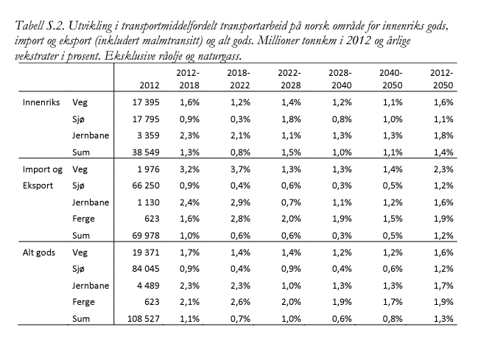
Mode | transport_work_(GTonnesKM) | Share |  | https://www.toi.no/publikasjoner/grunnprognoser-for-godstransport-til-ntp-2018-2027-article33084-8.html
Road | 17.4 | 0.453125
Sea | 18.5 | 0.48177083333
Rail | 2.5 | 0.065104166667 | a too high share makes the model infeasible!

