Comments
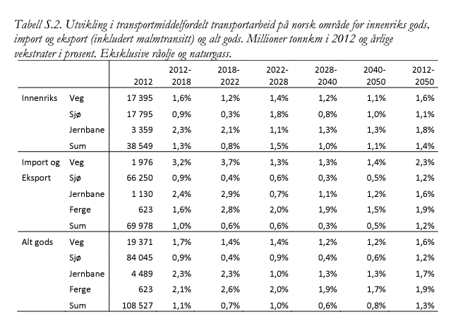
Comments
Values in sheet InitMix are guesses
Source for init_mode_mix: https://www.toi.no/publikasjoner/grunnprognoser-for-godstransport-til-ntp-2018-2027-article33084-8.html, see table below
Note: too high share of rail makes the model infeasible

